Overview
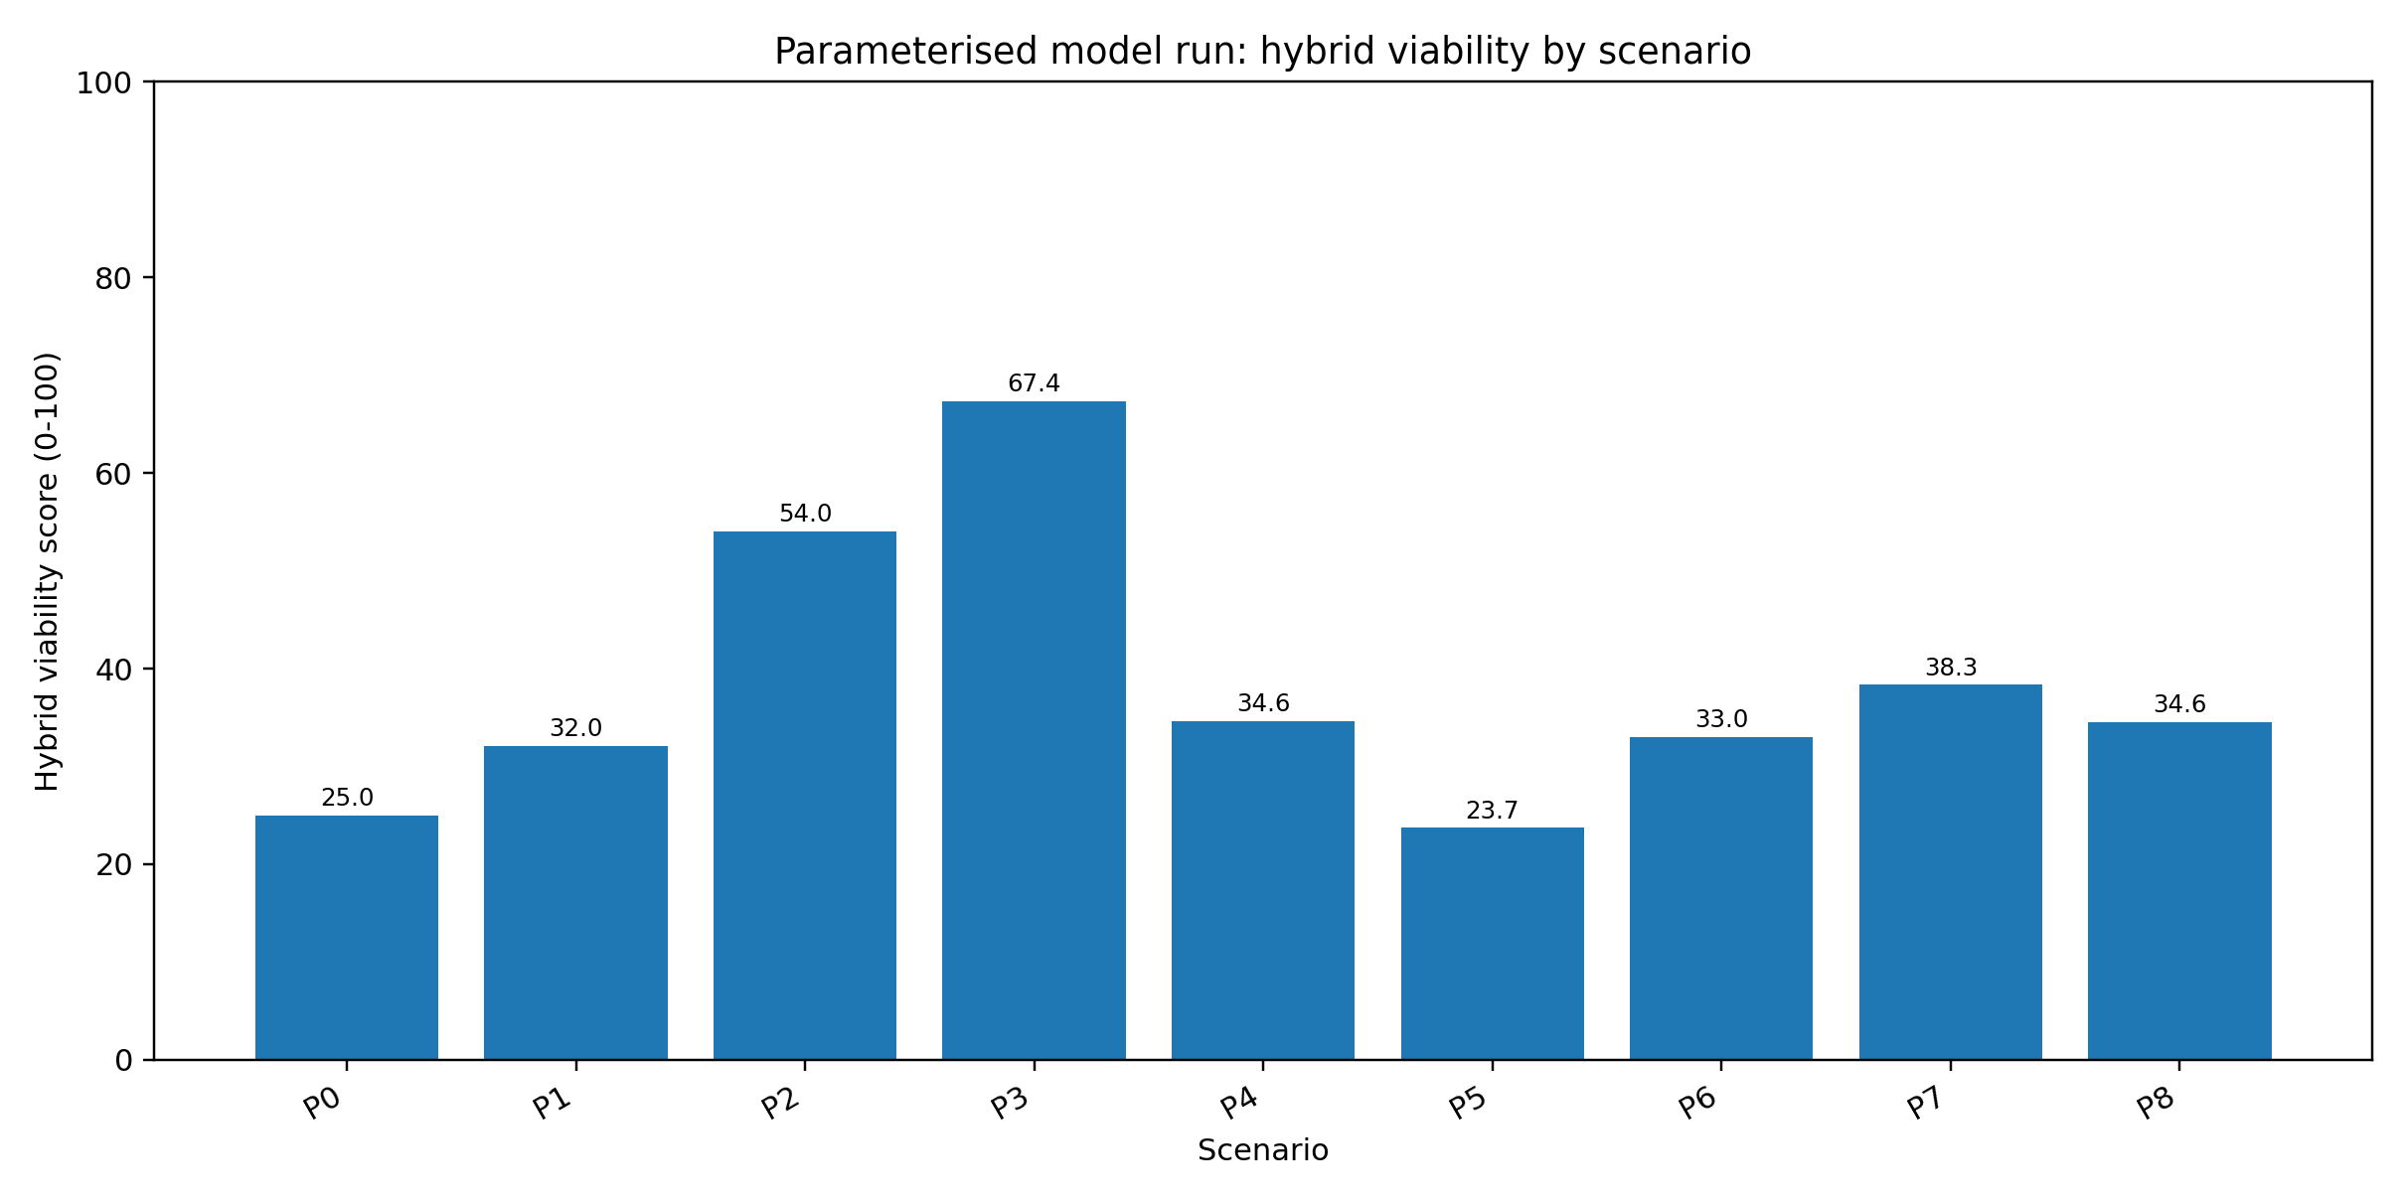
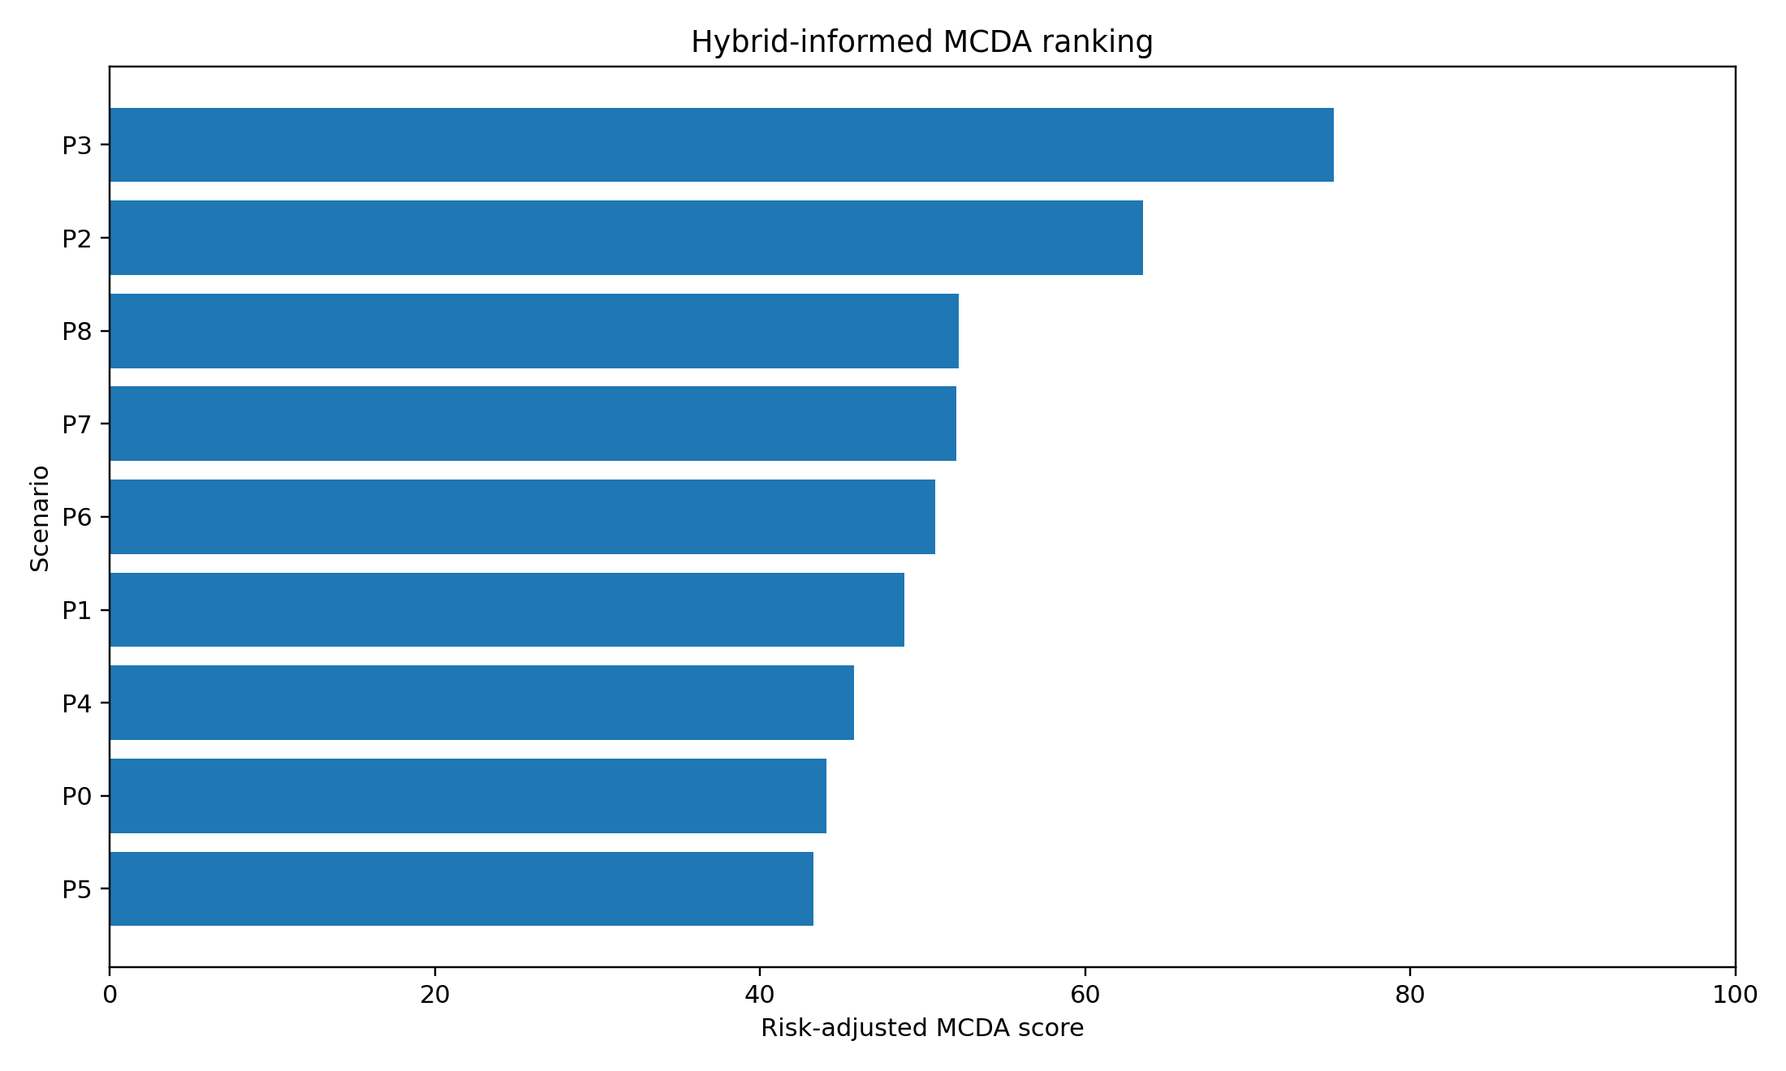
Parameterised model run v1.0.0
Status | Source-informed demonstrative; not empirically calibrated
Core conclusion | Demand-driven within rules; not demand-driven without rules.

Top hybrid scenarios |  |  | Top MCDA scenarios
P3 | Full upstream access architecture | 67.36 | P3 | Full upstream access architecture | 75.3
P2 | National Primary Care Benefits Schedule | 54 | P2 | National Primary Care Benefits Schedule | 63.54
P7 | Scope-enabled provider supply only | 38.34 | P8 | Direct claims and PHO intermediation reform only | 52.22
P4 | Benefits without adequate controls | 34.61 | P7 | Scope-enabled provider supply only | 52.05
P8 | Direct claims and PHO intermediation reform only | 34.56 | P6 | Ambulance alternatives only | 50.78

