RibosomeKcatCalculation
μ | p | r | r/p
0.05 | 0.38 | 0.053 | 0.139473684 | PMID: 23845285
0.05 | 0.35 | 0.051 | 0.145714286 | PMID: 23845285
0.05 | 0.43 | 0.44 | 1.023255814 | PMID: 23845285
0.09 | 0.49 | 0.07 | 0.142857143 | PMID: 22569166 |  | (μmax growing on glucose is ~0.18 h-1) |  | (0.07 on methanol)
0.09 | 0.43 | 0.06 | 0.139534884 | PMID: 22569166
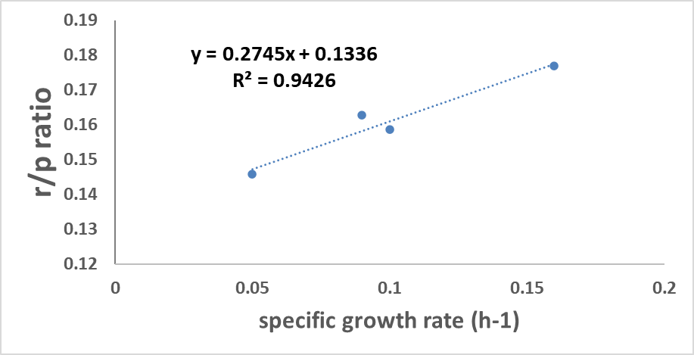
0.09 | 0.43 | 0.07 | 0.162790698 | PMID: 22569166
0.1 | 0.378 | 0.06 | 0.158730159 | PMID: 20003217
0.16 | 0.39 | 0.069 | 0.176923077 | PMID: 23845285
0.16 | 0.42 | 0.063 | 0.15 | PMID: 23845285
0.16 | 0.37 | 0.065 | 0.175675676 | PMID: 23845285

kt | 3.64298725
r0 | 0.1336
frRNA | 0.85 | assumed according to Sc
mrr | 1900000 | assumed according to Sc
maa | 110 | PMID: 20003217
cribosome | 5.64E+00
Vmax | 2.06E+01
km | 0.486703097

0.05 | 1.92E+00
0.09 | 3.21E+00
0.1 | 3.50E+00
0.16 | 5.09E+00

amino acid composition | MW | MW with out water | aa |  | PMID: 20003217 |  | amino acid composition | MW | MW with out water | aa |  | PMID: 22569166
9.69 | 89.1 | 71.1 | ala | 688.959 |  |  | 11.14 | 89.1 | 71.1 | ala | 792.054
5.62 | 174.2 | 156.2 | arg | 877.844 |  |  | 8.15 | 174.2 | 156.2 | arg | 1273.03
9.5 | 132 | 114 | asx | 1083 |  |  | 9.25 | 132 | 114 | asx | 1054.5
0.18 | 121.2 | 103.2 | cys | 18.576 |  |  | 0.17 | 121.2 | 103.2 | cys | 17.544
15.98 | 146 | 128 | glx | 2045.44 |  |  | 15.76 | 146 | 128 | glx | 2017.28
7.21 | 75.1 | 57.1 | gly | 411.691 |  |  | 7.8 | 75.1 | 57.1 | gly | 445.38
1.8 | 155.2 | 137.2 | his | 246.96 |  |  | 2.1 | 155.2 | 137.2 | his | 288.12
4.5 | 131.2 | 113.2 | ile | 509.4 |  |  | 4.49 | 131.2 | 113.2 | ile | 508.268
7.14 | 131.2 | 113.2 | leu | 808.248 |  |  | 7.5 | 131.2 | 113.2 | leu | 849
6.94 | 146.2 | 128.2 | lys | 889.708 |  |  | 6.77 | 146.2 | 128.2 | lys | 867.914
0.73 | 149.2 | 131.2 | met | 95.776 |  |  | 0.78 | 149.2 | 131.2 | met | 102.336
1.1 | 132.1 | 114.1 | orn | 125.51 |  |  | 0.68 | 132.1 | 114.1 | orn | 77.588
3.21 | 165.2 | 147.2 | phe | 472.512 |  |  | 3.44 | 165.2 | 147.2 | phe | 506.368
3.98 | 115.1 | 97.1 | pro | 386.458 |  |  | 4.2 | 115.1 | 97.1 | pro | 407.82
6.61 | 105.1 | 87.1 | ser | 575.731 |  |  | 6.34 | 105.1 | 87.1 | ser | 552.214
5.85 | 119.1 | 101.1 | thr | 591.435 |  |  | 6.15 | 119.1 | 101.1 | thr | 621.765
1.38 | 204.2 | 186.2 | trp | 256.956 |  |  | 1 | 204.2 | 186.2 | trp | 186.2
2.18 | 181.2 | 163.2 | tyr | 355.776 |  |  | 2.28 | 181.2 | 163.2 | tyr | 372.096
6.32 | 117.1 | 99.1 | val | 626.312 |  |  | 6.81 | 117.1 | 99.1 | val | 674.871
 |  |  | 110.75152 |  |  |  |  |  |  | 110.81

