Problem 2
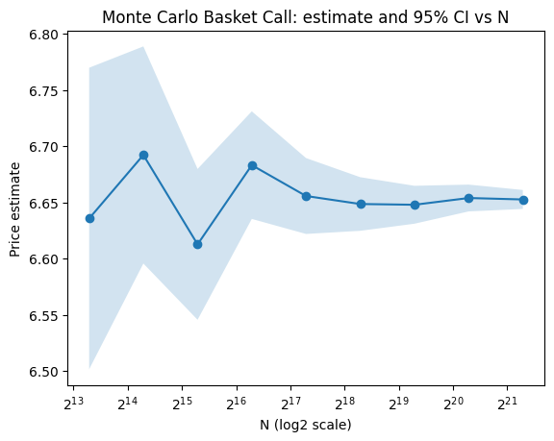
Monte Carlo Pricing for Basket Options

N | Price | StdDev of V | StdError | 95% CI Lower | 95% CI Upper
10000 | 6.63569 | 6.841697 | 0.068417 | 6.501593 | 6.769787
20000 | 6.692202 | 6.966145 | 0.049258 | 6.595657 | 6.788748
40000 | 6.612695 | 6.845143 | 0.034226 | 6.545612 | 6.679777
80000 | 6.683165 | 6.906633 | 0.024419 | 6.635304 | 6.731026
160000 | 6.655703 | 6.889317 | 0.017223 | 6.621946 | 6.689461
320000 | 6.64858 | 6.881519 | 0.012165 | 6.624737 | 6.672424
640000 | 6.647906 | 6.884111 | 0.008605 | 6.63104 | 6.664773
1280000 | 6.653912 | 6.886518 | 0.006087 | 6.641982 | 6.665842
2560000 | 6.652625 | 6.886563 | 0.004304 | 6.644189 | 6.661061

Comment
The price settles around 6.65 and the convergence rate for that is close to N^-1/2

Problem 3
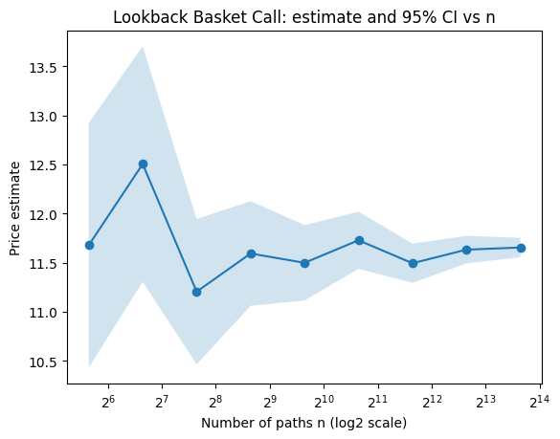
Monte Carlo Pricing for Path-Dependent Basket Options

n_paths | Price | StdDev of V | StdError | 95% CI Lower | 95% CI Upper
50 | 11.677654 | 4.498081 | 0.636125 | 10.43085 | 12.924458
100 | 12.505739 | 6.124448 | 0.612445 | 11.305348 | 13.706131
200 | 11.204613 | 5.34083 | 0.377654 | 10.464412 | 11.944814
400 | 11.593541 | 5.440475 | 0.272024 | 11.060374 | 12.126707
800 | 11.498732 | 5.546168 | 0.196087 | 11.114402 | 11.883062
1600 | 11.728414 | 5.938184 | 0.148455 | 11.437443 | 12.019385
3200 | 11.49423 | 5.769186 | 0.101986 | 11.294338 | 11.694122
6400 | 11.632754 | 5.736891 | 0.071711 | 11.4922 | 11.773308
12800 | 11.654673 | 5.718492 | 0.050545 | 11.555605 | 11.75374

Comment
The price settles around 11.62-11.65 and the convergence rate for that is close to N^-1/2

