Лист1
Mean time
Dimensions: 12000x12000 matrix, 12000 vector

Parallel for
Threads | Mean time | Speedup | Efficiency
1 | 0.41 | 1 | 1
2 | 0.23 | 1.86 | 0.93
3 | 0.16 | 2.54 | 0.85
4 | 0.15 | 2.85 | 0.71

Speedup
Manual parallelism
Threads | Mean time | Speedup | Efficiency
1 | 0.41 | 1 | 1
2 | 0.22 | 1.91 | 0.96
3 | 0.16 | 2.6 | 0.87
4 | 0.14 | 3 | 0.75

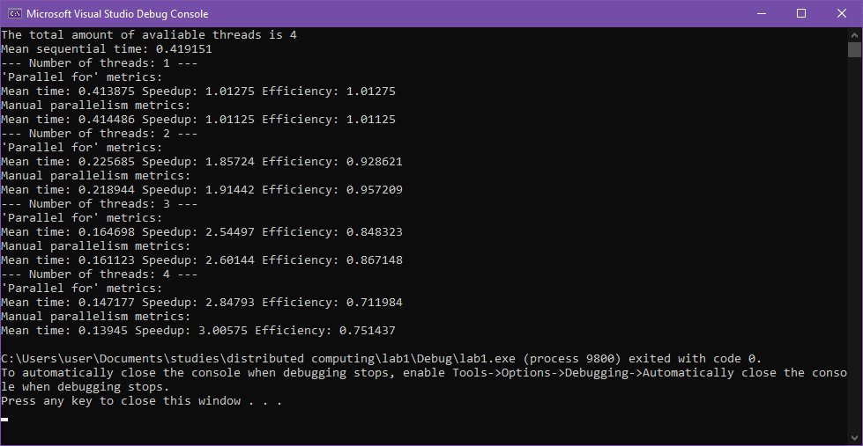

Efficiency

