Sheet1
 | Permanent risk |  |  |  | Transitory risk
 | Rural |  | Urban |  | Rural |  | Urban
 |  | s.e. |  | s.e. |  | s.e. |  | s.e.
1989 | 0.099 |  | 0.035 |  | 0.295 | 0.024 | 0.122 | 0.019
1990 | 0.099 |  | 0.035 |  | 0.295 |  | 0.122
1991 | 0.099 | 0.016 | 0.035 | 0.013 | 0.397 |  | 0.248
1992 | 0.099 |  | 0.035 |  | 0.397 | 0.039 | 0.248 | 0.038
1993 | 0.099 |  | 0.035 |  | 0.397 |  | 0.248
1994 | 0.065 |  | 0.058 |  | 0.478 |  | 0.296
1995 | 0.065 | 0.014 | 0.058 | 0.021 | 0.478 | 0.05 | 0.296 | 0.082
1996 | 0.065 |  | 0.058 |  | 0.478 |  | 0.296
1997 | 0.065 |  | 0.058 |  | 0.478 |  | 0.296

Pre 97 avg. | 0.084 |  | 0.045 |  | 0.410 |  | 0.241

1998 | 0.082 |  | 0.035 |  | 0.476 |  | 0.357
1999 | 0.082 | 0.02 | 0.035 | 0.023 | 0.476 | 0.049 | 0.357 | 0.066
2000 | 0.082 |  | 0.035 |  | 0.476 |  | 0.357
2001 | 0.105 |  | 0.047 |  | 0.499 |  | 0.304
2002 | 0.105 | 0.015 | 0.047 | 0.017 | 0.499 | 0.035 | 0.304 | 0.047
2003 | 0.105 |  | 0.047 |  | 0.499 |  | 0.304
2004 | 0.105 |  | 0.047 |  | 0.499 |  | 0.304
2005 | 0.132 |  | 0.103 |  | 0.393 |  | 0.202
2006 | 0.132 |  | 0.103 |  | 0.393 |  | 0.202
2007 | 0.132 | 0.02 | 0.103 | 0.03 | 0.393 | 0.029 | 0.202 | 0.041
2008 | 0.132 |  | 0.103 |  | 0.393 |  | 0.202
2009 | 0.132 |  | 0.103 |  | 0.393 |  | 0.202

Post 97 avg | 0.111 |  | 0.067 |  | 0.449 |  | 0.275

Growth | 0.317 |  | 0.489 |  | 0.094 |  | 0.138

 | Permanent Income Shocks |  |  |  |  |  |  |  | Transitory Income Shocks
 | Rural | Urban
1989 | 0.099 | 0.035
1990 | 0.099 | 0.035
1991 | 0.099 | 0.035
1992 | 0.099 | 0.035
1993 | 0.099 | 0.035
1994 | 0.065 | 0.058
1995 | 0.065 | 0.058
1996 | 0.065 | 0.058
1997 | 0.065 | 0.058
1998 | 0.082 | 0.035
1999 | 0.082 | 0.035
2000 | 0.082 | 0.035
2001 | 0.105 | 0.047
2002 | 0.105 | 0.047
2003 | 0.105 | 0.047
2004 | 0.105 | 0.047
2005 | 0.132 | 0.103
2006 | 0.132 | 0.103
2007 | 0.132 | 0.103
2008 | 0.132 | 0.103
2009 | 0.132 | 0.103
 | Rural | Urban
1989 | 0.295 | 0.122
1990 | 0.295 | 0.122
1991 | 0.397 | 0.248
1992 | 0.397 | 0.248
1993 | 0.397 | 0.248
1994 | 0.478 | 0.296
1995 | 0.478 | 0.296
1996 | 0.478 | 0.296
1997 | 0.478 | 0.296
1998 | 0.476 | 0.357
1999 | 0.476 | 0.357
2000 | 0.476 | 0.357
2001 | 0.499 | 0.304
2002 | 0.499 | 0.304
2003 | 0.499 | 0.304
2004 | 0.499 | 0.304
2005 | 0.393 | 0.202
2006 | 0.393 | 0.202
2007 | 0.393 | 0.202
2008 | 0.393 | 0.202
2009 | 0.393 | 0.202

permrisk.png
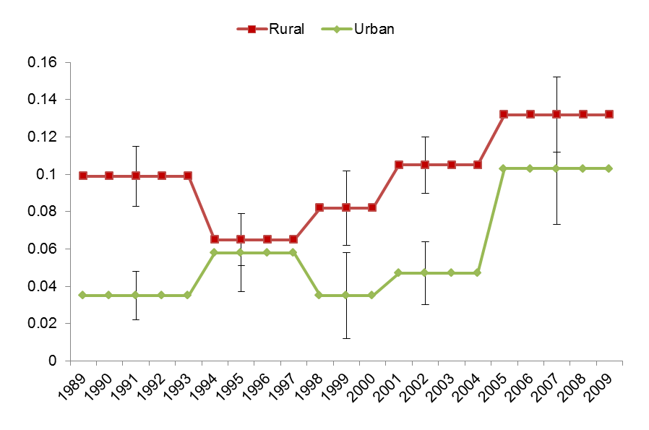

tranrisk.png
