lighting_technologies
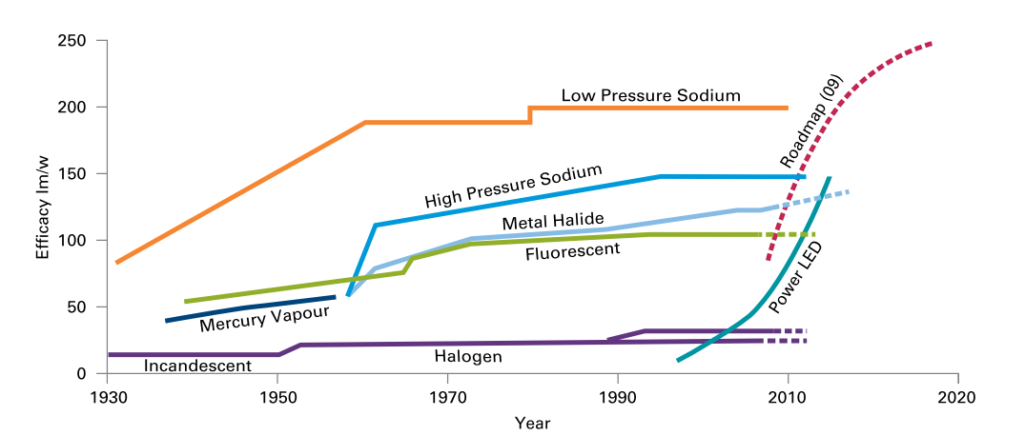
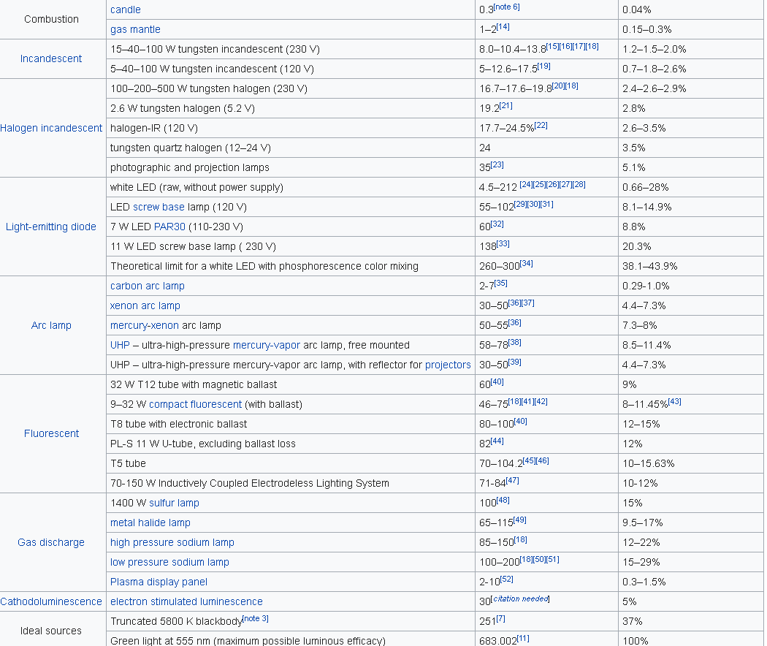
Lighting
technology | fueltype | efficiency in base year | efficiency in future year | year when efficiency is fully realised | diffusion method (sigmoid or linear) | market_entry | technology type | maximum theoretical service share of technology | description
standard_lighting_bulb | electricity | 0.029 | 0.034 | 2050 | linear | 2000 | lighting | 1 |  | 1
halogen | electricity | 0.037 | 0.073 | 2050 | linear | 2000 | lighting | 1 |  | 1
energy_saving_lighting_bulb | electricity | 0.220 | 0.293 | 2050 | linear | 2000 | lighting | 1 |  | 1
fluorescent_strip_lighting | electricity | 0.146 | 0.220 | 2050 | linear | 2000 | lighting | 1 |  | 1
LED | electricity | 0.220 | 0.439 | 2050 | linear | 2000 | lighting | 1 |  | 1

Efficiency calculations
 | Current efficacy | Maximum theoretical efficacy value (source Wikipedia) | Current Efficiency | Future luminous efficacy up to 2050 | Future efficiency
standard_lighting_bulb | 20 | 683 | 0.029 | 23 | 0.034
halogen | 25 | 683 | 0.037 | 50 | 0.073
energy_saving_lighting_bulb | 150 | 683 | 0.220 | 200 | 0.293
fluorescent_strip_lighting | 100 | 683 | 0.146 | 150 | 0.220
LED | 150 | 683 | 0.220 | 300 | 0.439

Source (Carbon Trust 2011): Bright ideas for efficient illumination |  |  |  |  |  |  | Source: https://en.wikipedia.org/wiki/Luminous_efficacy

rs_cooking
Cooking (residential)
technology | fueltype | efficiency in base year | efficiency in future year | year when efficiency is fully realised | diffusion method (sigmoid or linear) | market_entry | technology type | maximum theoretical service share of technology | description
hob_gas | gas | 0.4 | 0.5 | 2050 | linear | 2000 | cooking | 1
hob_electricity | electricity | 0.6 | 0.7 | 2050 | linear | 2000 | cooking | 1
hob_induction_electricity | electricity | 0.8 | 0.9 | 2050 | linear | 2000 | cooking | 1
hob_hydrogen | hydrogen | 0.4 | 0.5 | 2050 | linear | 2000 | cooking | 1
hob_biomass | biomass | 0.4 | 0.5 | 2050 | linear | 2000 | cooking | 1

Standard Hob
Standard hob | elec | 0.6 | 0.7 |  | Average cooking efficiency of conventional electric technology lies somewhere between the 42% and 83% meas
 | gas | 0.4 | 0.5
 | biomass | 0.4 | 0.5
 | hydrogen | 0.4 | 0.5

Induction hob
hob_induction_electricity |  | 0.75 | 0.9
 |  | Source: | https://en.wikipedia.org/wiki/Induction_cooking#cite_note-8

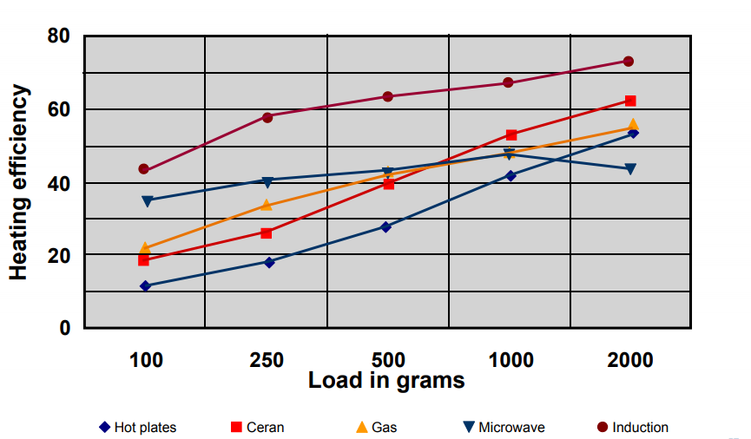

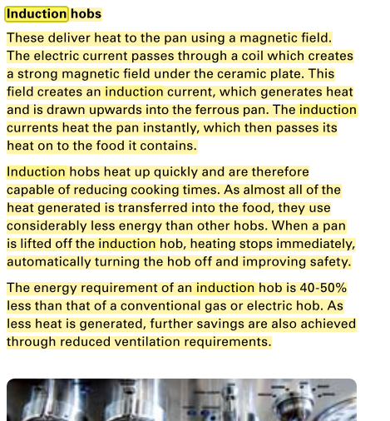

https://web.archive.org/web/20160919100541/http://www.ima.kth.se/utb/MJ2663/Electrolux.pdf#page=57

heating
Heating
technology | fueltype | efficiency in base year | efficiency in future year | year when efficiency is fully realised | diffusion method (sigmoid or linear) | market_entry | technology type | maximum theoretical service share of technology | description
boiler_solid_fuel | solid_fuel | 0.6 | 0.7 | 2050 | linear | 2000 | heating_const | 1
boiler_gas | gas | 0.65 | 0.94 | 2050 | linear | 2000 | heating_const | 0.89
boiler_electricity | electricity | 0.99 | 0.99 | 2050 | linear | 2000 | heating_const | 1
boiler_oil | oil | 0.7 | 0.94 | 2050 | linear | 2000 | heating_const | 1
boiler_biomass | biomass | 0.6 | 0.95 | 2050 | linear | 2000 | heating_const | 1
boiler_hydrogen | hydrogen | 0.85 | 0.95 | 2050 | linear | 2000 | heating_const | 0.89
boiler_condensing_gas | gas | 0.85 | 0.95 | 2050 | linear | 2000 | heating_const | 1
boiler_condensing_oil | oil | 0.85 | 0.95 | 2050 | linear | 2000 | heating_const | 1
stirling_micro_CHP_gas | gas | 0.8 | 0.95 | 2050 | linear | 2000 | tech_CHP | 0.89
fuel_cell_hydrogen | hydrogen | 0.85 | 0.95 | 2050 | linear | 2000 | tech_CHP | 0.89
storage_heater_electricity | electricity | 0.99 | 0.99 | 2050 | linear | 2000 | storage_heating_electricity | 1
secondary_heater_electricity | electricity | 0.99 | 0.99 | 2050 | linear | 2000 | secondary_heating_electricity | 1
heat_pump_ASHP_electricity | electricity | 3.6 | 4 | 2050 | linear | 2000 | heating_non_const | 1
heat_pump_GSHP_electricity | electricity | 4.9 | 5.4 | 2050 | linear | 2000 | heating_non_const | 1
heat_pump_ASHP_hydrogen | hydrogen | 3.6 | 4 | 2050 | linear | 2000 | heating_non_const | 0.89
heat_pump_GSHP_hydrogen | hydrogen | 4.9 | 5.4 | 2050 | linear | 2000 | heating_non_const | 0.89
district_heating_CHP_gas | gas | 0.45 | 0.45 | 2050 | linear | 2000 | tech_CHP | 0.2
district_heating_electricity | electricity | 1 | 1 | 2050 | linear | 2000 | tech_district_heating | 0.2
district_heating_biomass | biomass | 0.6 | 0.6 | 2050 | linear | 2000 | tech_district_heating | 0.2
district_heating_fuel_cell | hydrogen | 0.85 | 0.85 | 2050 | linear | 2000 | tech_district_heating | 0.2

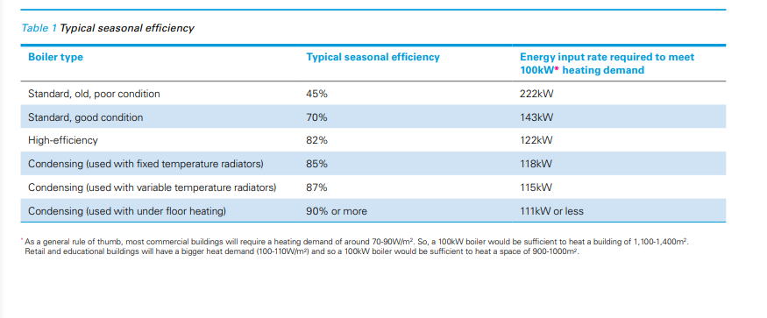
Sources
 | http://www.nef.org.uk/knowledge-hub/energy-in-the-home/oil-central-heating
 | https://www.boilerguide.co.uk/articles/best-oil-boilers
 | https://www.which.co.uk/reviews/boilers/article/boiler-energy-efficiency

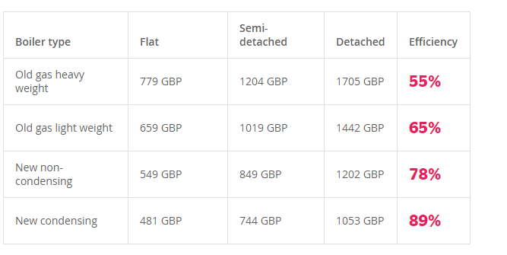

 |  |  |  |  |  |  |  |  |  | https://www.carbontrust.com/media/7411/ctv051_low_temperature_hot_water_boilers.pdf

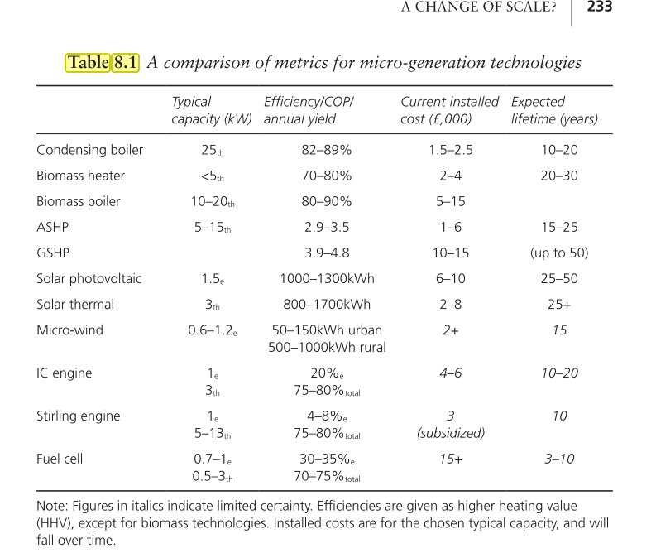
 |  |  |  |  |  | https://www.carbontrust.com/media/7411/ctv051_low_temperature_hot_water_boilers.pdf

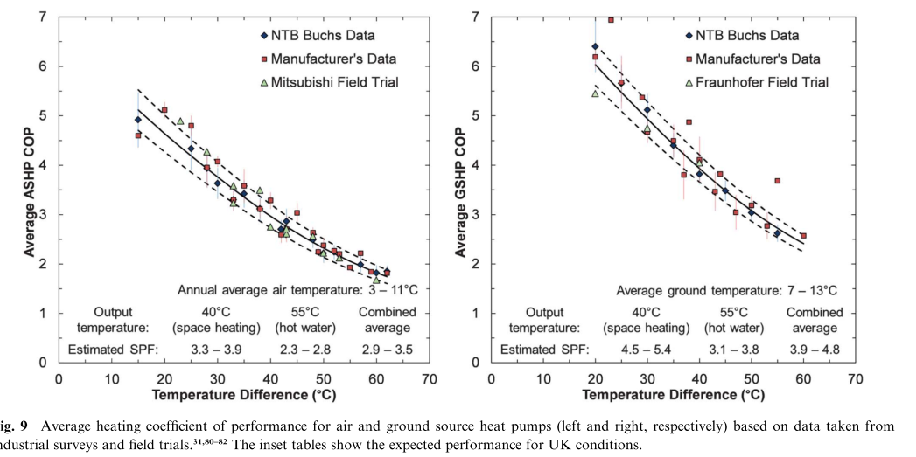

 |  |  |  |  | Source: | Staffel et al. 2012 |  |  | As the potential future COP, a potential improvement of 1/3 is made

Source: | energy 2050. Making the Transition to a Secure Low Carbon Energy System

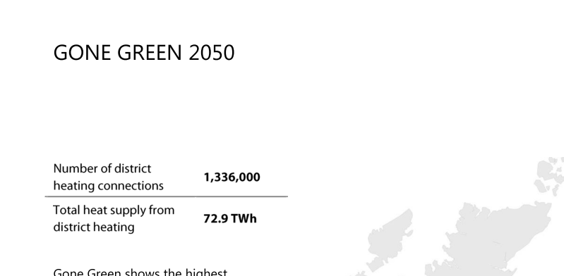

Burohappold Engineering. (2016). Summary Report: UK Spatial District Heating Analysis, (July 2016), 24. Retrieved from http://fes.nationalgrid.com/media/1215/160712-national-grid-dh-summary-report.pdf

Future potential

1336000 | home connections
25000000 | mio UK home connections

0.05344 | Suggested connections

cooling
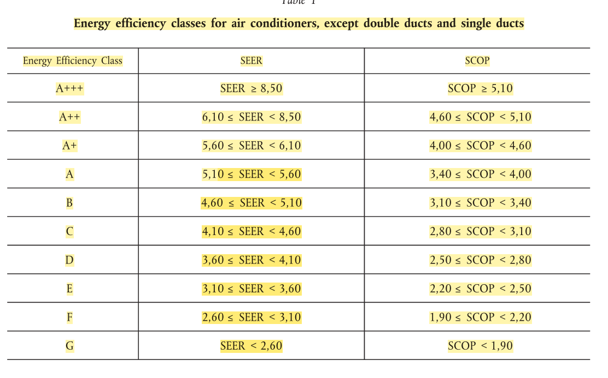
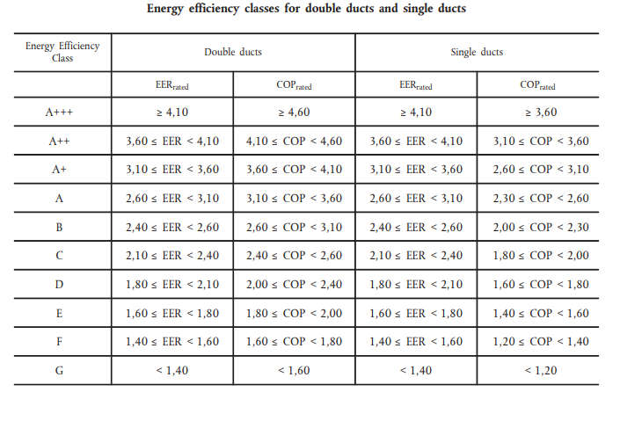
Cooling
technology | fueltype | efficiency in base year | efficiency in future year | year when efficiency is fully realised | diffusion method (sigmoid or linear) | market_entry | technology type | maximum theoretical service share of technology | description
central_air_conditioner_electricity | electricity | 1.000 | 2.000 | 2050 | linear | 2000 | cooling_const | 1
decentral_air_conditioner_electricity | electricity | 1.000 | 2.000 | 2050 | linear | 2000 | cooling_const | 1
central_air_conditioner_oil | oil | 1.000 | 2.000 | 2050 | linear | 2000 | cooling_const | 1
decentral_air_conditioner_oil | oil | 1.000 | 2.000 | 2050 | linear | 2000 | cooling_const | 1
central_air_conditioner_gas | gas | 1.000 | 2.000 | 2050 | linear | 2000 | cooling_const | 0.89
decentral_air_conditioner_gas | gas | 1.000 | 2.000 | 2050 | linear | 2000 | cooling_const | 0.89

 | Energy Efficiency class | SEER | Efficiency
Assumed current distribution | Class B | 5 | 1
Assumed future distribution | A+++ | 10 | 2

European Commission. (2011). EU Regulation No. 626/2011 - Energy labelling of air conditioners. Official Journal of the European Union, L 178(626), 1–72. Retrieved from http://eur-lex.europa.eu/legal-content/EN/TXT/PDF/?uri=CELEX:32011R0626&from=EN

industry_cement
Cement
technology | fueltype | efficiency in base year | efficiency in future year | year when efficiency is fully realised | diffusion method (sigmoid or linear) | market_entry | technology type | maximum theoretical service share of technology | description
dry_kiln_coal | solid_fuel | 1.8 | 1.8 | 2050 | linear | 2010 | cement_production
dry_kiln_oil | oil | 1.8 | 1.8 | 2050 | linear | 2010 | cement_production
dry_kiln_gas | gas | 1.8 | 1.8 | 2050 | linear | 2010 | cement_production
dry_kiln_electricity | electricity | 1.8 | 1.8 | 2050 | linear | 2010 | cement_production
dry_kiln_biomass | biomass | 1.8 | 1.8 | 2050 | linear | 2010 | cement_production
dry_kiln_hydrogen | hydrogen | 1.8 | 1.8 | 2050 | linear | 2010 | cement_production
wet_kiln_coal | solid_fuel | 1 | 1 | 2050 | linear | 2010 | cement_production
wet_kiln_oil | oil | 1 | 1 | 2050 | linear | 2010 | cement_production
wet_kiln_gas | gas | 1 | 1 | 2050 | linear | 2010 | cement_production
wet_kiln_electricity | electricity | 1 | 1 | 2050 | linear | 2010 | cement_production

Efficiency calculations

 |  |  | Energy use |  | Efficiency (relative to best practice dry kiln == 100%)
dry_kiln |  |  | 3.4 |  | 1.7647058824
semi_wet/semi dry klein |  |  | 4 |  | 1.5
wet_kiln |  |  | 6 |  | 1

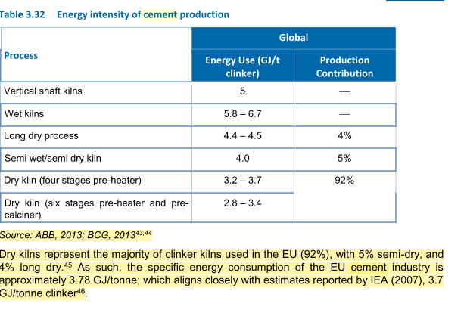

Study on Energy Efficiency and Energy Saving Potential in Industry and on Possible Policy Mechanisms

is_high_temp_process
Cement
technology | fueltype | efficiency in base year | efficiency in future year | year when efficiency is fully realised | diffusion method (sigmoid or linear) | market_entry | technology type | maximum theoretical service share of technology | description
basic_oxygen_furnace | solid_fuel | 1 | 1 | 2050 | linear | 2010 | steel_production | 1
electric_arc_furnace | electricity | 5.5 | 5.5 | 2050 | linear | 2010 | steel_production | 1
SNG_furnace | gas | 1 | 1 | 2050 | linear | 2020 | steel_production | 1
biomass_furnace | biomass | 1 | 1 | 2050 | linear | 2020 | steel_production | 1
hydrogen_furnace | hydrogen | 1 | 1 | 2015 | linear | 202 | steel_production | 1

Efficiency calculations
 |  |  |  |  | Hot and cold rolling
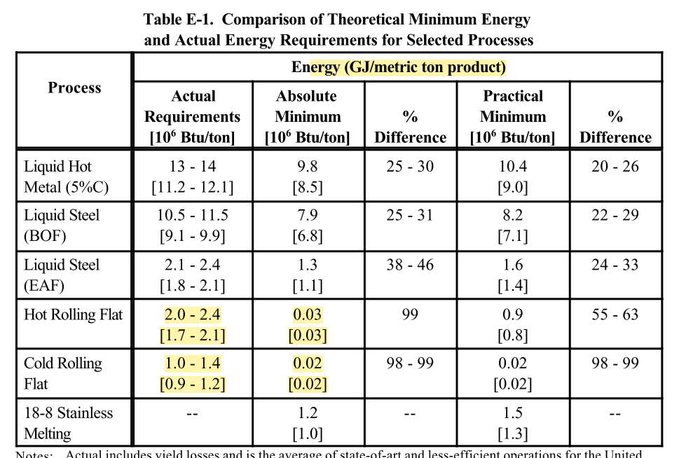

 | Acutal requirements | Eff
BOF | 11 | 1
EAF | 2 | 5.5

 |  |  |  | BOF: Basic oxygen steelmacing
 |  |  |  | EAF: Electric arc furnace

 |  |  |  |  | Theoretical minimum energies to produce steel for selected conditions

