Sheet1
Degree Distribution | 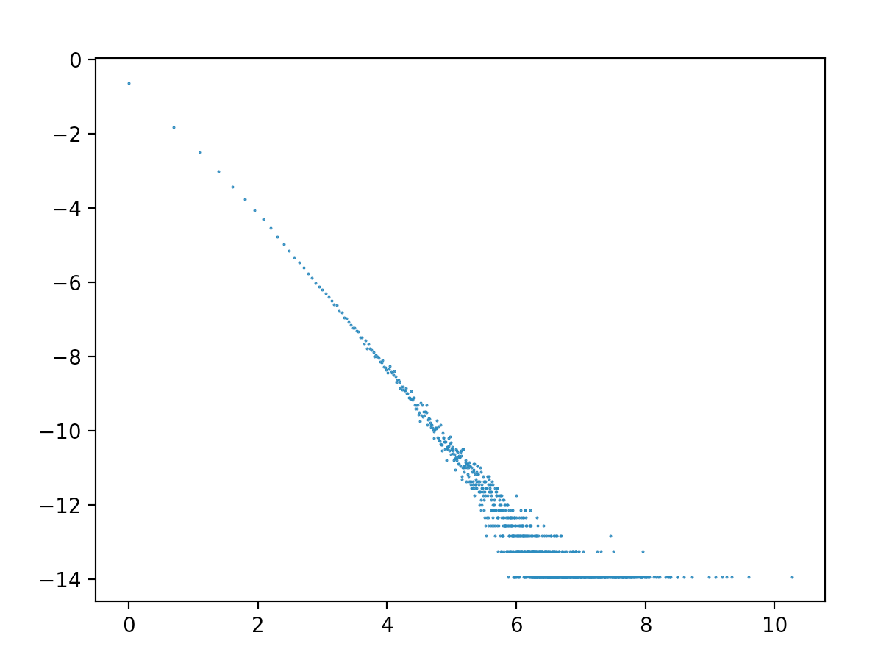 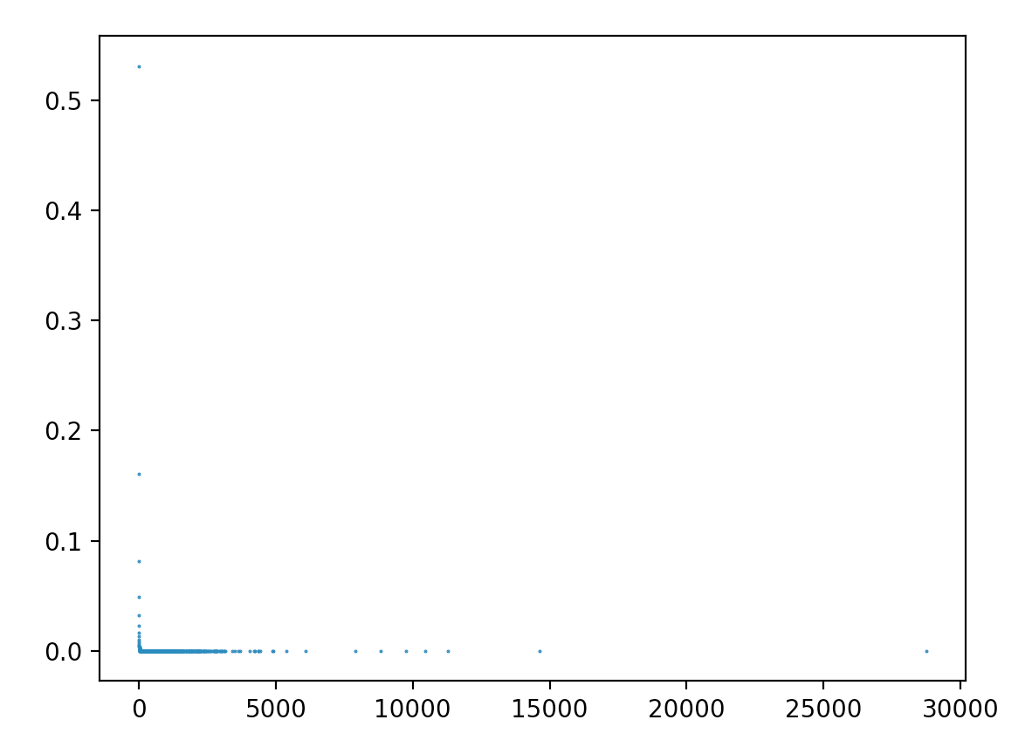
First Moment | 5.2650459516
Second Moment | 2603.7240332

