Sheet1
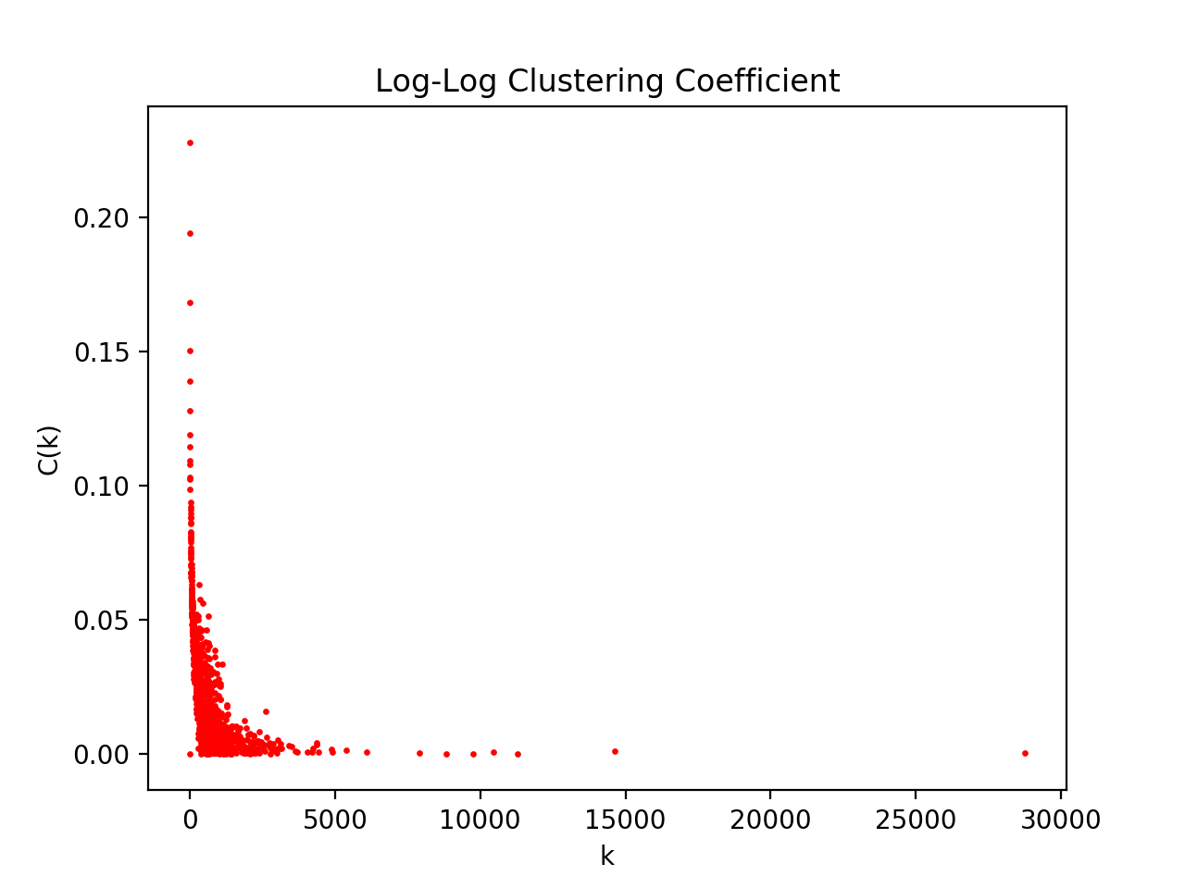
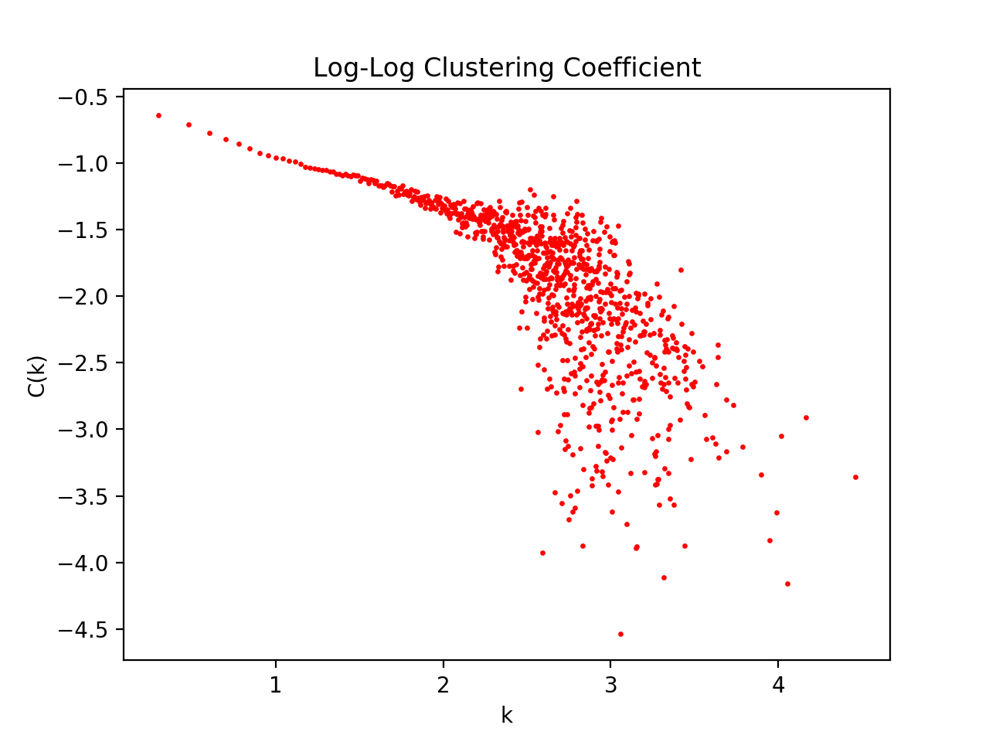
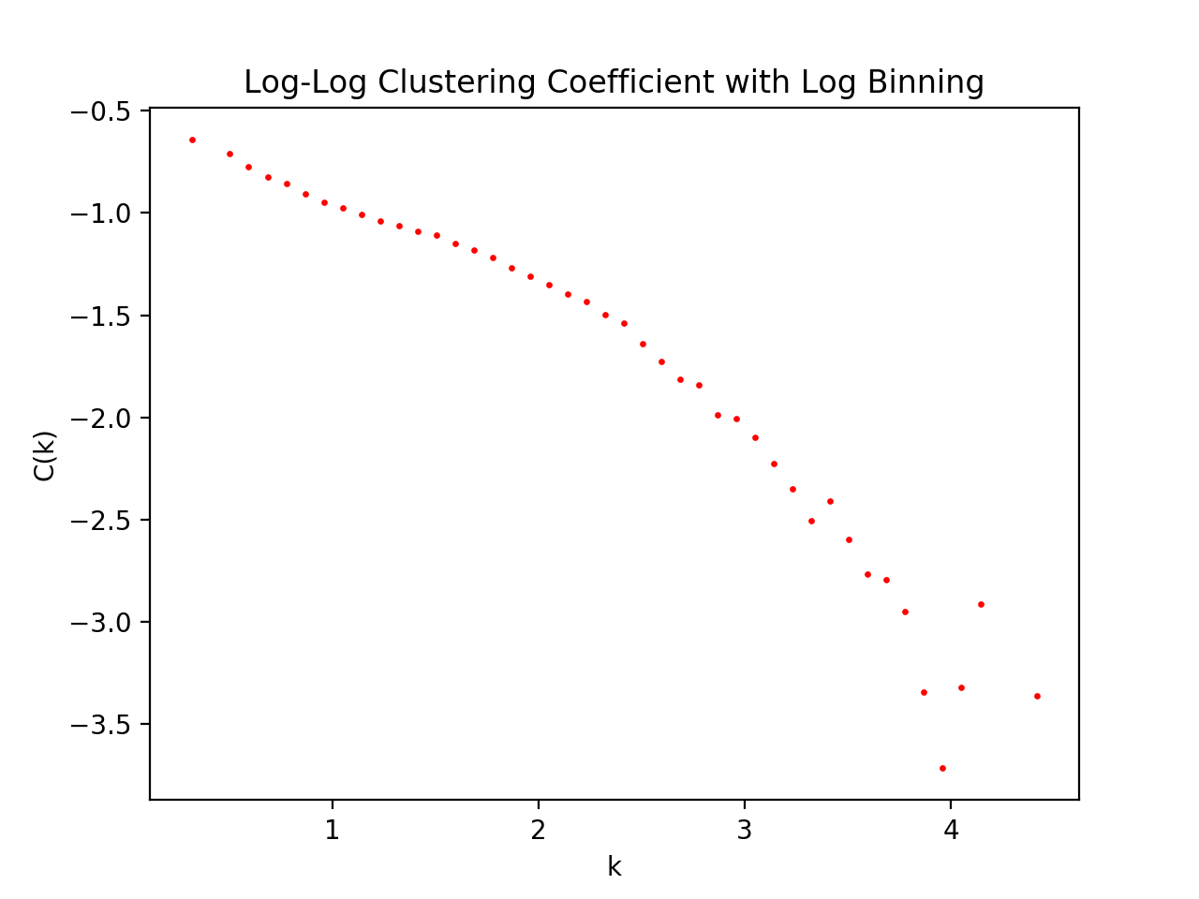
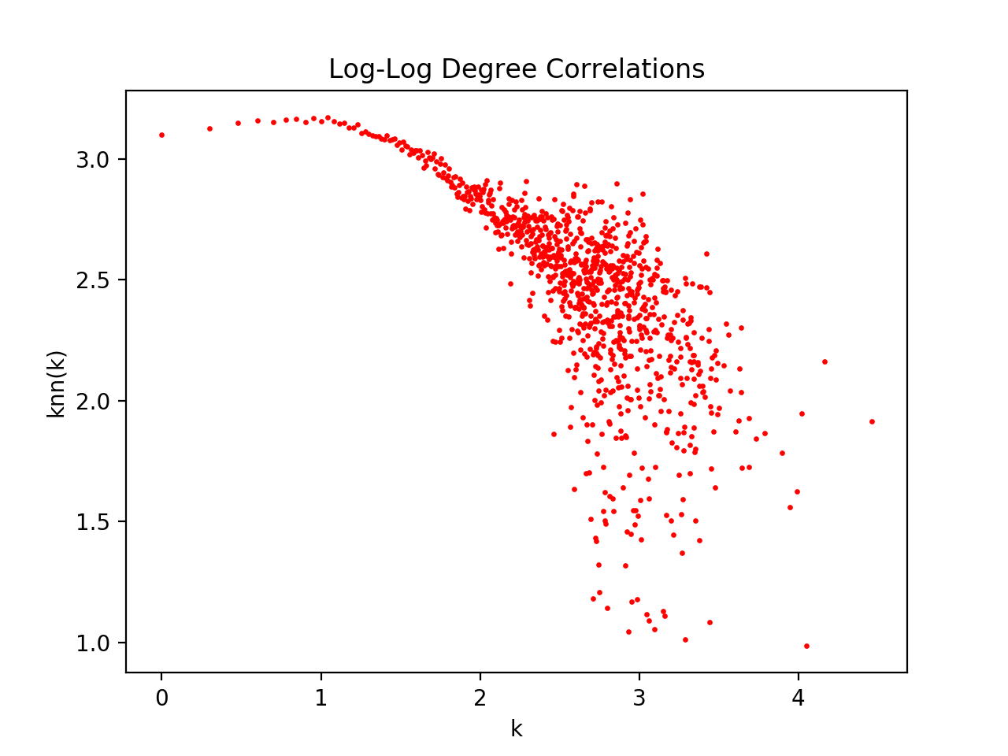
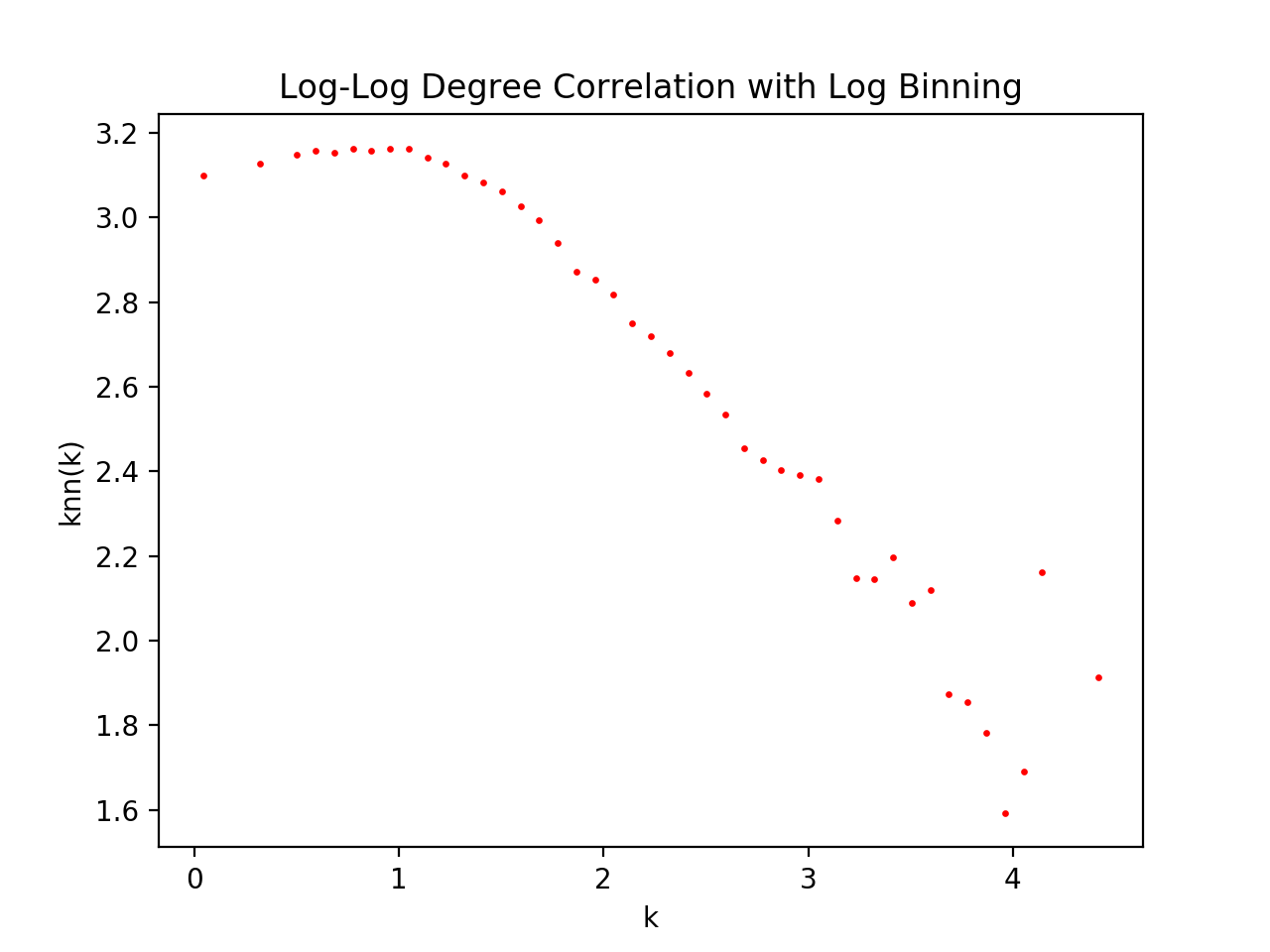
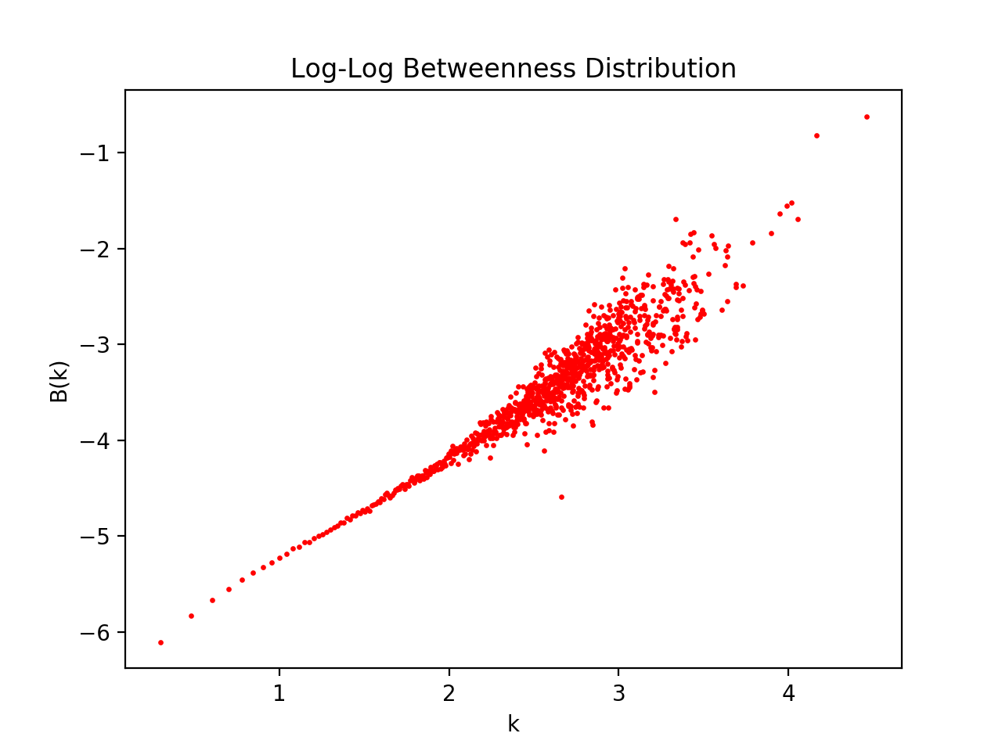
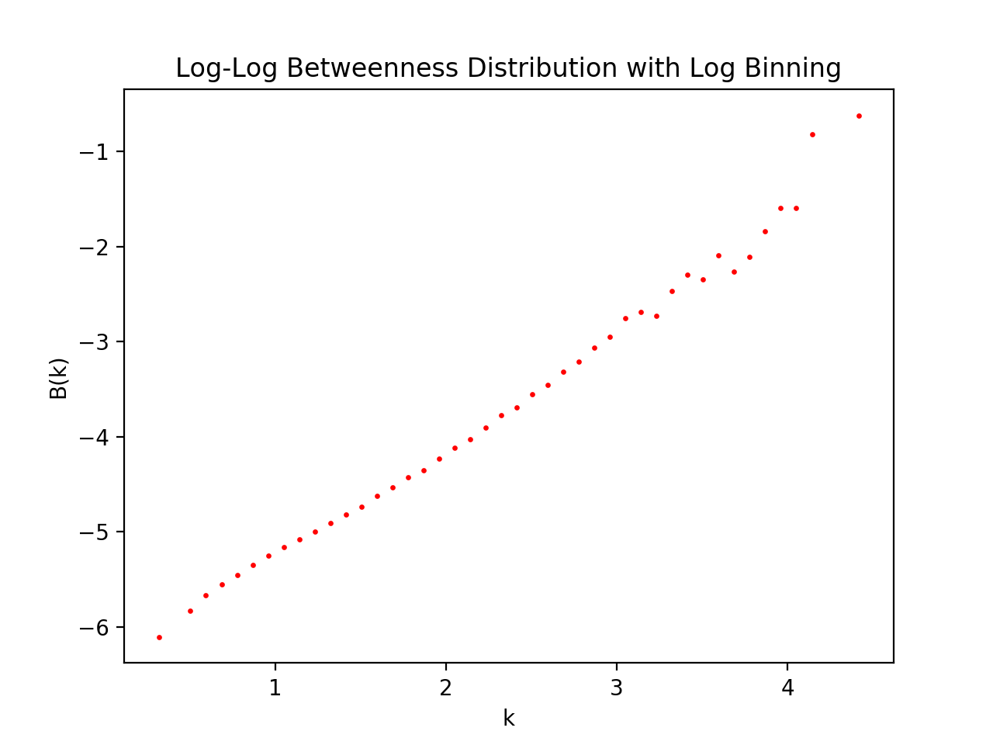
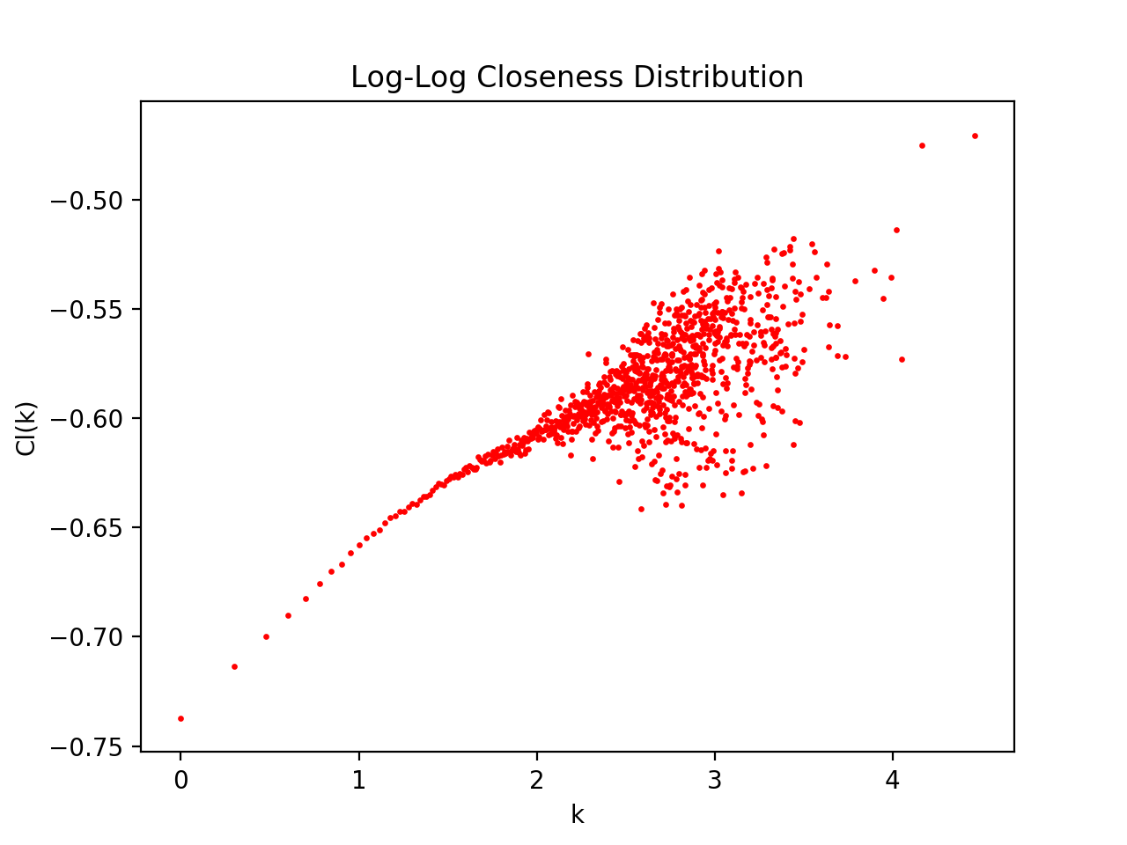
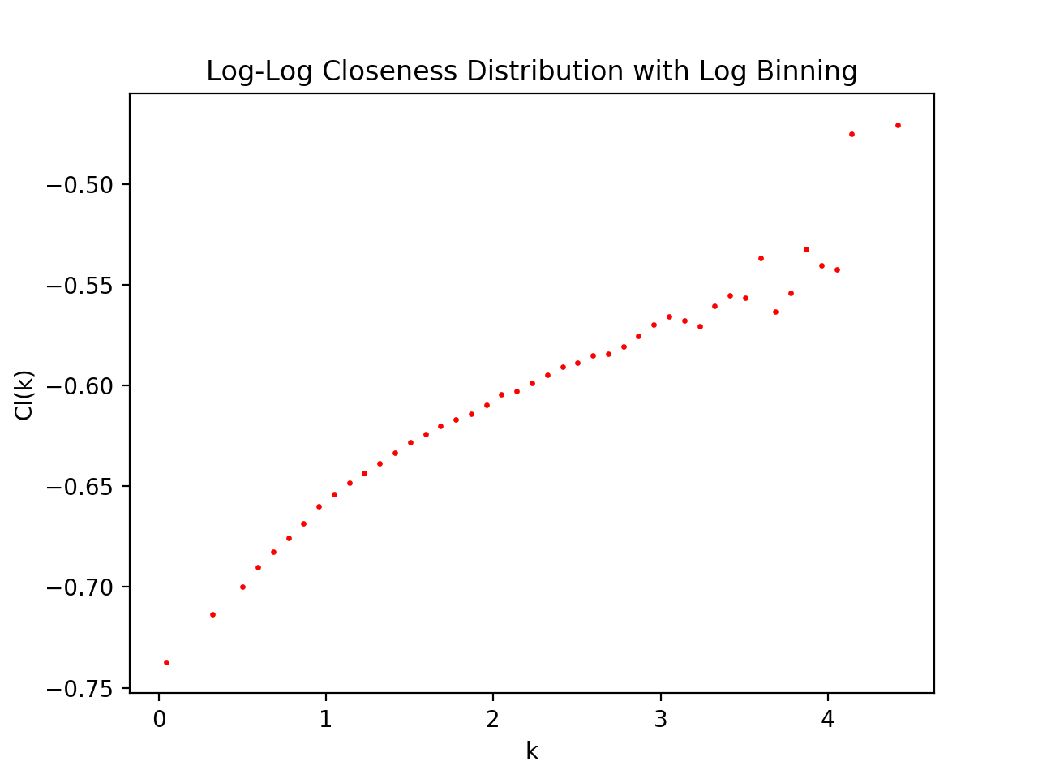
Degree Distribution | 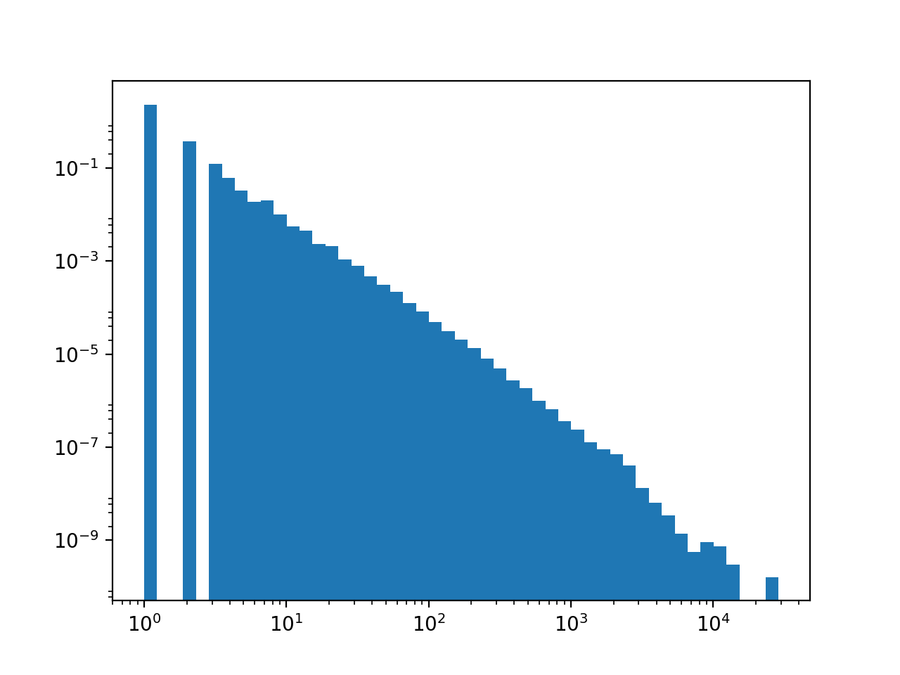 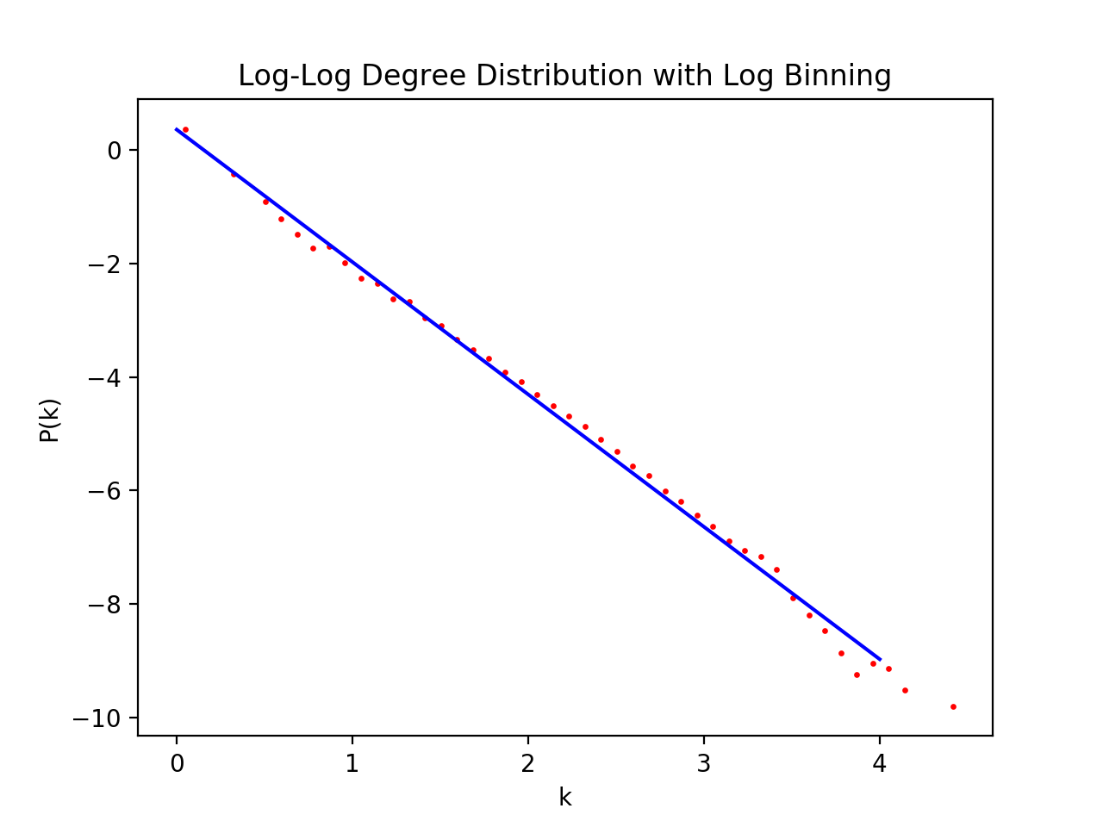 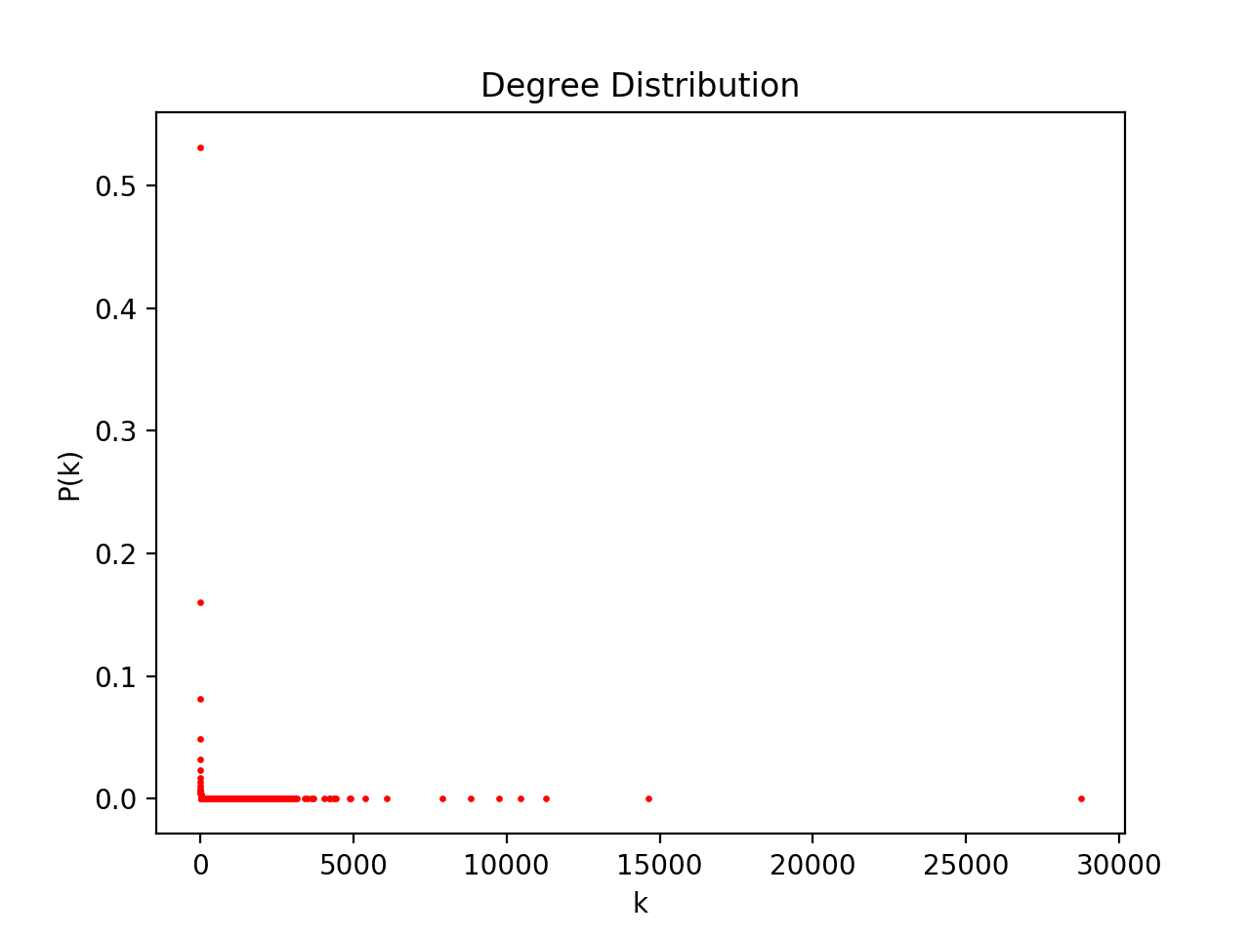 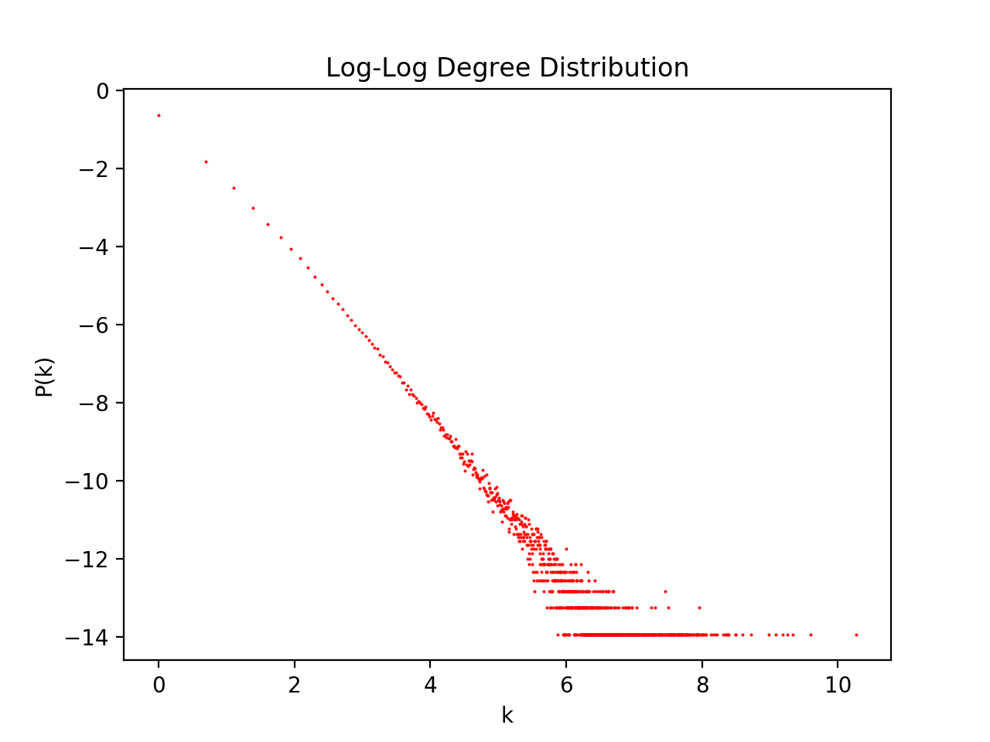 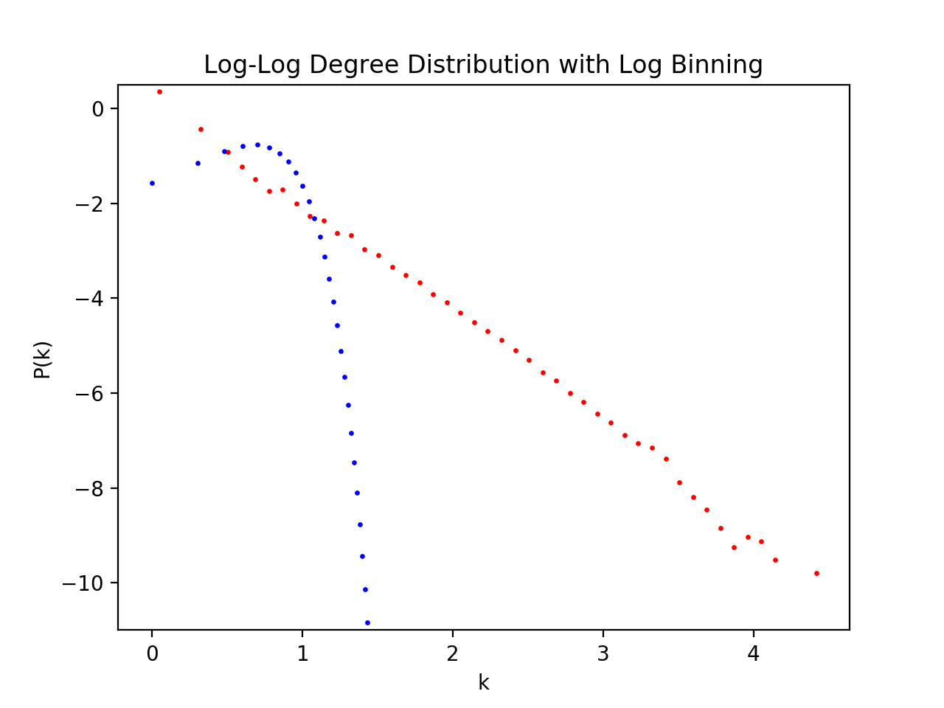
First Moment | 5.2650459516
Second Moment | 2603.7240332
Degree Exponent | 2.3298608219
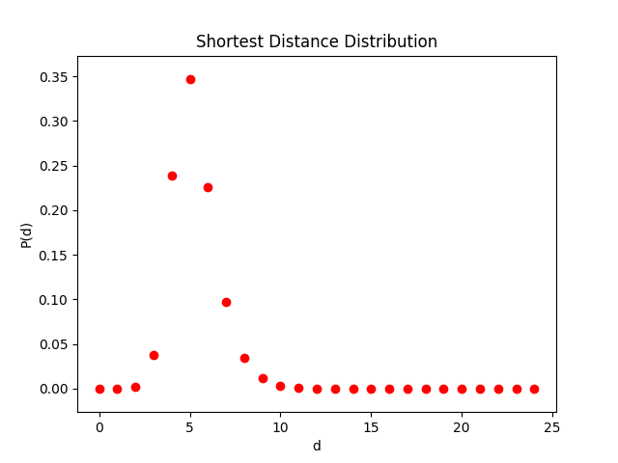
Kmax | 28754
Kmin | 1
V | 1134890
E | 2987624

Shortest Distance | Time (s)
1000 | 0.896
5000 | 68
10000 | 486
20000 | 3545

Shortest Path Distribution
Average Distance | 5.2793361263
Diameter | 24
Average Clustering Coefficient | 0.080802277762
Global Clustering Coefficient | 0.006218559818
Clustering Coefficient Distribution
Degree Exponent | 2.3298608219
Expected Degree Exponent | 2.3580093123

