Q1
1 | Write a query to find results using the given table.

 | Find data on TST201 and on TST202
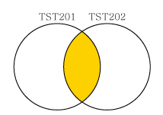

 | Table : TST201 |  | Table : TST202 | Result
 | cntr_no | stat | cntr_no | cntr_no
 | 2012-LCF-120001 | Termination | 2012-LCF-120001 | 2012-LCF-120001
 | 2012-LCF-120002 | Nomal | 2012-LCF-120022 | 2012-LCF-120003
 | 2012-LCF-120003 | Termination | 2012-LCF-120003 | 2013-LCF-020009
 | 2013-LCF-020009 | Nomal | 2013-LCF-020009

* Tip | Join

Q2
2 | Write a query to find results using the given table.

 | Find data on TST201 and on TST202
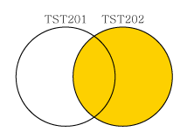

 | Table : TST201 |  | Table : TST202 | Result
 | cntr_no | stat | cntr_no | cntr_no | stat
 | 2012-LCF-120001 | Termination | 2012-LCF-120001 | 2013-LCF-020009 | Normal
 | 2012-LCF-120002 | Nomal | 2012-LCF-120022 | 2012-LCF-120022 | NULL
 | 2012-LCF-120003 | Termination | 2012-LCF-120003 | 2012-LCF-120001 | Termination
 | 2013-LCF-020009 | Nomal | 2013-LCF-020009 | 2012-LCF-120003 | Termination

* Tip | Left Join

Q3
3 | Write a query to find results using the given table.

 | Find data on TST201 and on TST202
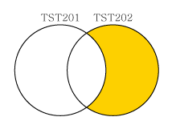

 | Table : TST201 |  | Table : TST202 | Result
 | cntr_no | stat | cntr_no | cntr_no
 | 2012-LCF-120001 | Termination | 2012-LCF-120001 | 2012-LCF-120022
 | 2012-LCF-120002 | Nomal | 2012-LCF-120022
 | 2012-LCF-120003 | Termination | 2012-LCF-120003
 | 2013-LCF-020009 | Nomal | 2013-LCF-020009

* Tip | Left Join

