Sheet1
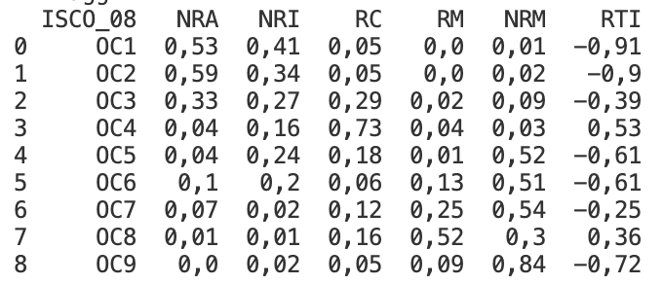
ISCO_08 | Major_group | Mean_RTI | #_4digit_occupations | Std_Dev | Min_RTI | Max_RTI | ISCO_08 | NRA | NRI | RC | RM | NRM | RTI
OC1 | Directivos (OC1) | -0.95 | 30 | 0.1322429 | -1 | -0.4285715 | OCI | 0.53 | 0.41 | 0.05 | 0 | 0.01 | -0.91
OC2 | Profesionales (OC2) | -0.89 | 92 | 0.1956475 | -1 | -0.2 | 0C2 | 0.59 | 0.34 | 0.05 | 0 | 0.02 | -0.9
OC3 | Técnicos (OC3) | -0.44 | 82 | 0.5661295 | -1 | 1 | 0C3 | 0.33 | 0.27 | 0.29 | 0.02 | 0.09 | -0.39
OC4 | Administrativos (OC4) | 0.51 | 29 | 0.4289199 | -0.3333333 | 1 | 0C4 | 0.04 | 0.16 | 0.73 | 0.04 | 0.03 | 0.53
OC5 | Servicios y ventas (OC5) | -0.58 | 39 | 0.3920597 | -1 | 0.75 | 0C5 | 0.04 | 0.24 | 0.18 | 0.01 | 0.52 | -0.61
OC6 | Agricultura (OC6) | -0.59 | 18 | 0.1202204 | -1 | -0.4285715 | 0C6 | 0.1 | 0.2 | 0.06 | 0.13 | 0.51 | -0.61
OC7 | Operarios cualificados (OC7) | -0.38 | 65 | 0.6627277 | -1 | 1 | 0C7 | 0.07 | 0.02 | 0.12 | 0.25 | 0.54 | -0.25
OC8 | Operadores de maquinaria (OC8) | 0.39 | 39 | 0.6928208 | -1 | 1 | 0C8 | 0.01 | 0.01 | 0.16 | 0.52 | 0.3 | 0.36
OC9 | Ocupaciones elementales (OC9) | -0.80 | 33 | 0.3674736 | -1 | 1 | 0C9 | 0 | 0.02 | 0.05 | 0.09 | 0.84 | -0.72
 | Table A1: Routine task-intensity statistics, unrounded numbers. The 427 four-digit occupations are aggregated to 9 one-digit major occupations using the number of employed individuals per occupation in the Netherlands in 2017 as weights (CBS, StatLine, Werkzame Beroepsbevolking).

DIRECTIVOS (OC1)
PROFESIONALES (OC2)

INTENSIDAD DE TAREAS RUTINARIAS (Mihaylov y Tijdens 2019)

TÉCNICOS (OC3)
ADMINISTRATIVOS (OC4)

SERVICIOS Y VENTAS (OC5)
AGRICULTURA (OC6)

 | Efecto total | SE | IC
RC | -1.5088 | 0.9563 | 1.874348
NRA | -2.752 | 2.072 | 4.06112
NRI | 4.7913 | 3.5896 | 7.035616
RM | 6.1133 | 2.8184 | 5.524064
NRM | -1.2922 | 0.8511 | 1.668156

OPERARIOS CUALIFICADOS (OC7)
OPERADORES DE MAQUINARIA (OC8)

INTENSIDAD DE TAREAS RUTINARIAS (Mihaylov y Tijdens 2019)

OCUPACIONES ELEMENTALES (OC9)

