Médias
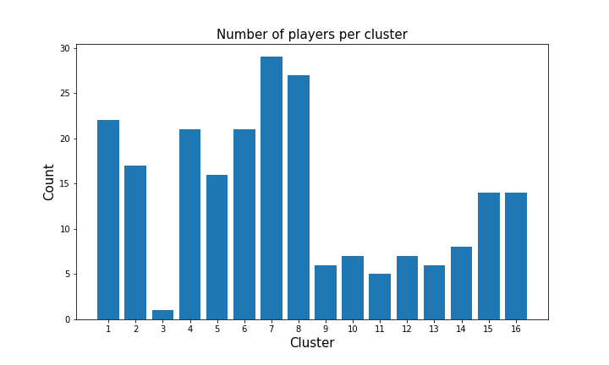
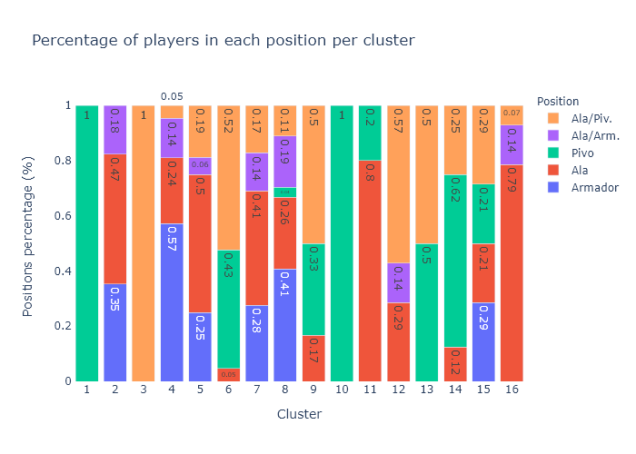
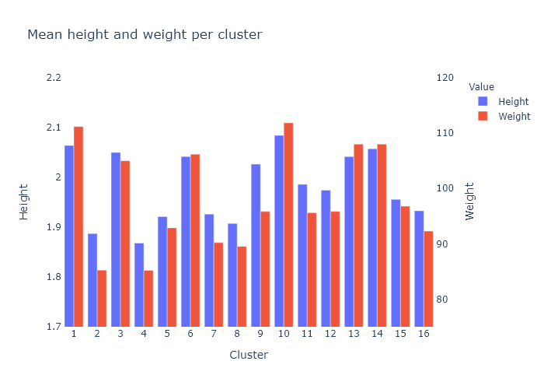
cluster | Factor1 | Factor2 | Factor3 | Factor4 | Factor5 | Factor6 | Factor7 | Factor8 | Factor9 | Factor10
1 | -1.58 | 2.52 | 2.55 | 2.41 | 2.46 | 1.59 | -0.24 | 1.89 | 0.12 | 0.65
2 | 2.63 | 3.27 | 0.7 | 0.23 | 1.94 | 1.04 | 0.63 | 0.59 | 0.48 | 0.13
3 | -0.4 | 2.57 | 1.82 | 1.77 | 1.92 | 1.12 | -0.14 | 1.34 | 0.15 | 0.68
4 | 2.3 | 2 | 0.56 | 0.08 | 1.21 | 0.68 | 0.84 | 0.38 | 0.3 | 0.11
5 | 0.57 | 1.13 | 0.89 | 0.69 | 1.04 | 0.64 | 0.31 | 0.52 | 0.31 | 0.32
6 | 0.97 | 2.48 | 1.84 | 1.32 | 2.2 | 1.12 | 0.05 | 1.1 | 0.25 | 0.35
7 | 1.53 | 2.29 | 0.89 | 0.5 | 1.65 | 0.96 | 0.46 | 0.64 | 0.42 | 0.24
8 | 1.95 | 1.14 | 0.34 | 0.04 | 0.73 | 0.36 | 0.52 | 0.22 | 0.17 | 0.12
9 | -0.68 | 1.39 | 1.32 | 1.29 | 1.34 | 0.74 | -0.03 | 0.93 | 0.29 | 0.38
10 | -1.18 | 3.5 | 3.08 | 1.82 | 3.14 | 1.9 | -0.13 | 1.93 | 0.24 | 0.62
11 | 1.41 | 3.88 | 1.79 | 1.07 | 2.6 | 1.37 | 0.33 | 1.25 | 0.42 | 0.28
12 | 0.63 | 2.39 | 1.28 | 0.87 | 1.67 | 1.35 | 0.24 | 0.9 | 0.77 | 0.38
13 | -0.26 | 1.98 | 2.13 | 1.65 | 2.1 | 1 | -0.08 | 1.45 | -0.02 | 0.6
14 | -0.49 | 2.63 | 2.23 | 1.64 | 2.19 | 1.65 | 0 | 1.66 | 0.44 | 0.57
15 | 1.05 | 1.25 | 0.96 | 0.57 | 1.11 | 0.56 | 0.23 | 0.54 | 0.07 | 0.32
16 | 2.31 | 1.91 | 0.49 | 0.27 | 1.24 | 0.54 | 0.31 | 0.38 | 0.22 | 0.24

