ELM OBv3
superClass | Class (ELM) | Type |  | Matching ELM on OBv3 | Matching OBv3 on ELM | OBv3 | Type | https://europa.eu/europass/en/news/launch-european-learning-model
 | Accreditation | C | <> | EndorsementCredential + EndorsementSubject | All Specification types | Achievement
 | Address | A | <> | Address | European Digital Credential | AchievementCredential
 | Agent | S | <> | Profile +DID | CredentialSubject + one of has.claim | AchievementSubject
 | Amount | A |  | X | Address | Address
 | Awarding Opportunity | A |  | more like OOAPI/edu-API object with an achievement relation | depends on the content of allignment. If for example alignment to framework then: hasClaim.specifiedBy.learningAchievementSpecification.specialisation.Qualification or other pointers to qualificaiton in hasClaim.specifiedBy.learningAchievementSpecification.* | Alignment |  | 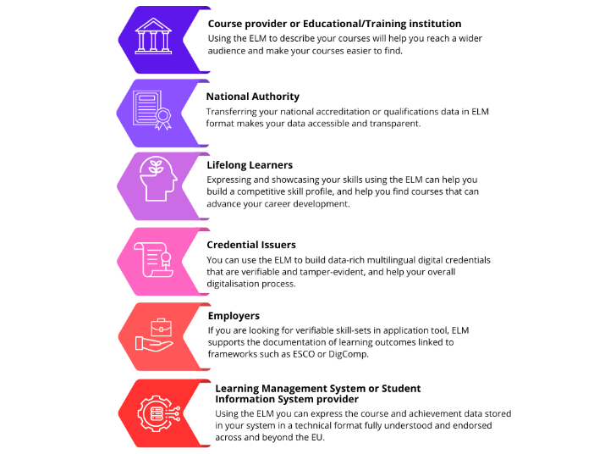
 | Awarding Process | C | <> | hasClaim.awardedBy.awardingBody: Issuer hasClaim.specifiedBy: credentialSubject.Achievement hasClaim.title : name hasClaim.description : description | NO direct match Cirteria information is found throughout the documenn e.g. specification.description | Criteria
 | Claim | S | <> | Part of AchievementCredential ? | X endorsements are managed through relations with accredition for example on organisation and qualification | EndorsementCredential
 | Claim Node | S | <> | Part of AchievementCredential ? | X endorsements are managed through relations with accredition for example on organisation and qualification (accreditionID)? | EndorsementSubject
 | Claim Type Node | S | <> | Part of AchievementCredential ? | provenBy | Evidence
 | Concept | S | ? | X (attribute descriptor) | Geometry | GeoCoordinates
 | Concept Scheme | S | ? | X (schema attribute descriptor) | Identifier | IdentifierEntry
 | Contact Point | A |  | agent.contactpoint: identity.address agent.contactpoint: identity | Identifier | IdentityObject
 | Credit Point | A | <> | hasClaim.specifiedBy.creditPoint: credentialSubject.creditsEarned | Media Object | Image
 | Display Detail | A |  | Image (ELM could als support othe formats than images) | Properties of profile are used in: Agent, Person, Organisation AND owner attributes as part of Credential Subeject | Profile
 | Display Parameter | A |  | X | hasClaim.specifiedBy.LearningAssessmentSpecification.proves (for related learning outcomes of an assessement) | Related
http://data.europa.eu/snb/model/w3c/vc#VerifiableCredential | European Digital Credential | C |  | (nested OBv3) | hasClaim.LearningAssessment.grade | Result |  | Schematic ELM (credential)
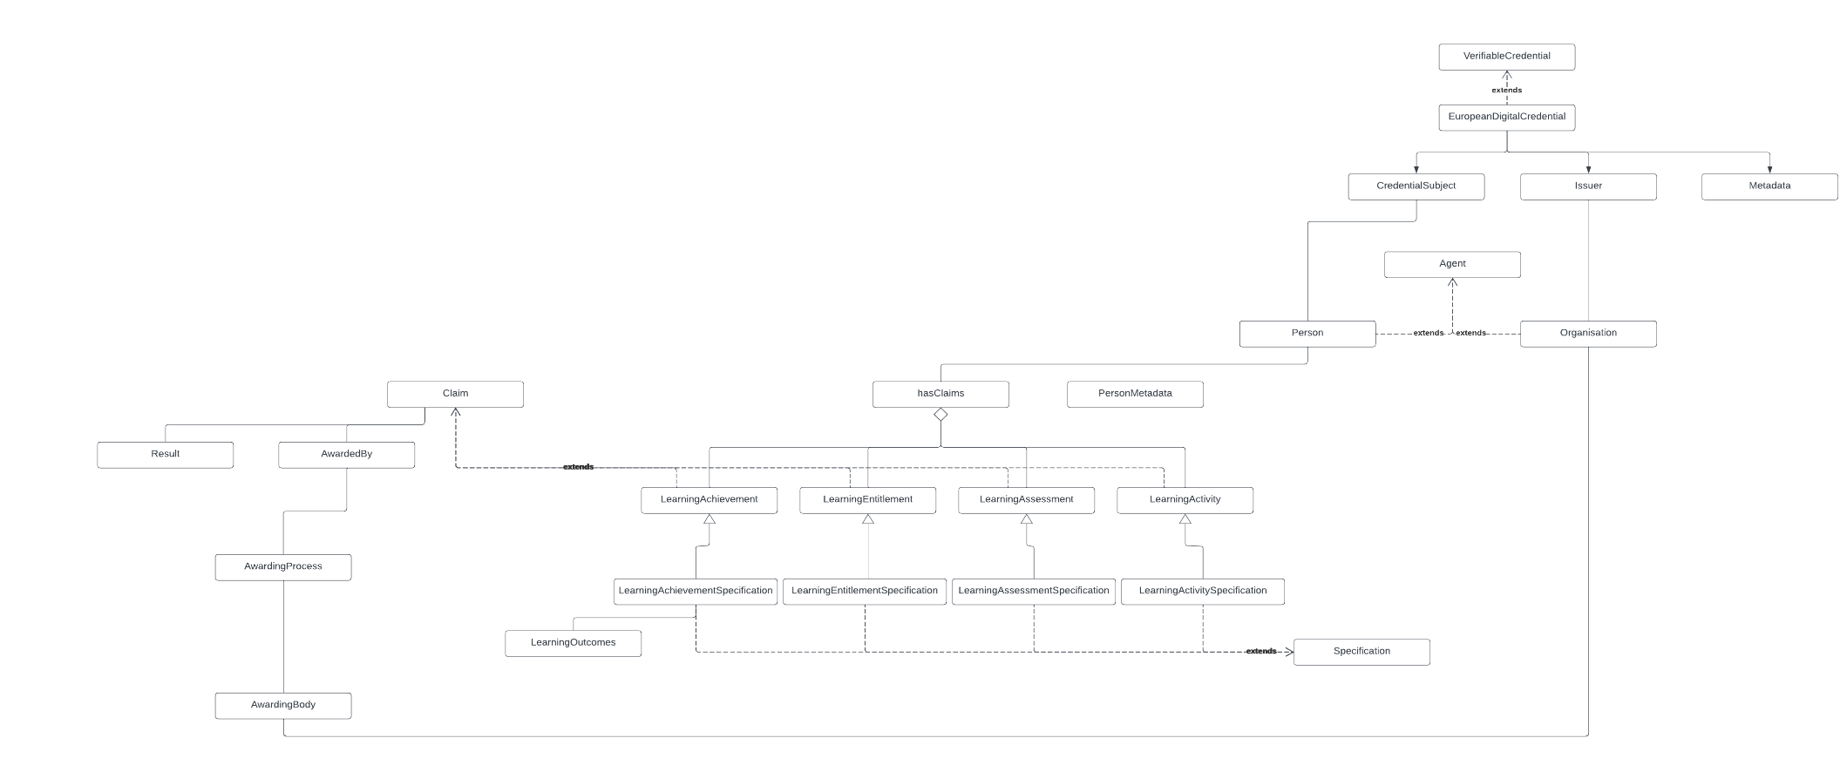
http://data.europa.eu/snb/model/w3c/vp#VerifiablePresentation | European Digital Presentation | C |  | X | hasClaim.LearningAssessment | ResultDescription
 | Evidence | A |  | Evidence: EndorsementCredential + EndorsementSubject (ELM evidence shows the signer was allowed to sign) | Learning Outcome? | RubricCriterionLevel
 | Geometry | A |  | Geometry: GeoCoordinates | Verifiable Credential | VerifiableCredential | S
 | Grading Scheme | A |  | extension needed in ObV3 | CredentialSchema | CredentialSchema | S
 | Grant | A |  | extension needed in ObV3 | X (should be present, is part of W3C spec, was not found) | CredentialStatus
http://xmlns.com/foaf/0.1/Group | Group | A |  | extension needed in ObV3 | CredentialSubject | CredentialSubject
http://www.w3.org/ns/adms#Identifier | Identifier | A |  | Identifier: IdentifierEntry (OBv3 is more specific and less broad) | Different concept (through evidence) | Proof
 | Individual Display | A |  | X | X (should be present, is part of W3C spec, was not found) | RefreshService
 | Issuer Node | S + Constraint to Issuer |  | pointer to Issuer | Terms of use based on VC (part of European Digital Credential) | TermsOfUse | A
https://data.europa.eu/snb/model#Claim | Learning Achievement | C | <> | AchievementCredential ? | credentialSchema (with additions from ELM) | Context | A
https://data.europa.eu/snb/model#Specification | Learning Achievement Specification | C | <> | Achievement | X | AchievementType Enumeration | A
https://data.europa.eu/snb/model#Claim | Learning Activity | C | <> | AchievementCredential ? | X | AlignmentTargetType Enumeration | A
https://data.europa.eu/snb/model#Specification | Learning Activity Specification | C | <> | Achievement | X | IdentifierTypeEnum Enumeration | A
https://data.europa.eu/snb/model#Claim | Learning Assessment | C | <> | AchievementCredential ? | X | ResultType Enumeration | A
https://data.europa.eu/snb/model#Specification | Learning Assessment Specification | C | <> | Achievement | X | ResultStatusType Enumeration | A
https://data.europa.eu/snb/model#Claim | Learning Entitlement | C | <> | AchievementCredential ? | CredentialSubject | Recipient | CredentialSubject
https://data.europa.eu/snb/model#Specification | Learning Entitlement Specification | C | <> | Achievement | BOTH: issuer and CredentialSubject.hasClaim.awardedBy.awardingBody | Issuer
 | Learning Opportunity | C |  | more like OOAPI/edu-API object with an achievement relation
 | Learning Outcome | C | > | extension needed in ObV3 or a link to RubriconCriterion Level
https://data.europa.eu/snb/model#Identifier | Legal Identifier | C |  | Identifier with endorsement (provided by formal authority)
 | Location | A |  | Location: Address (with geocodes)
 | Mailbox | A |  | Mailbox: profile.email |  |  |  | Schematic OBv3 and CLR
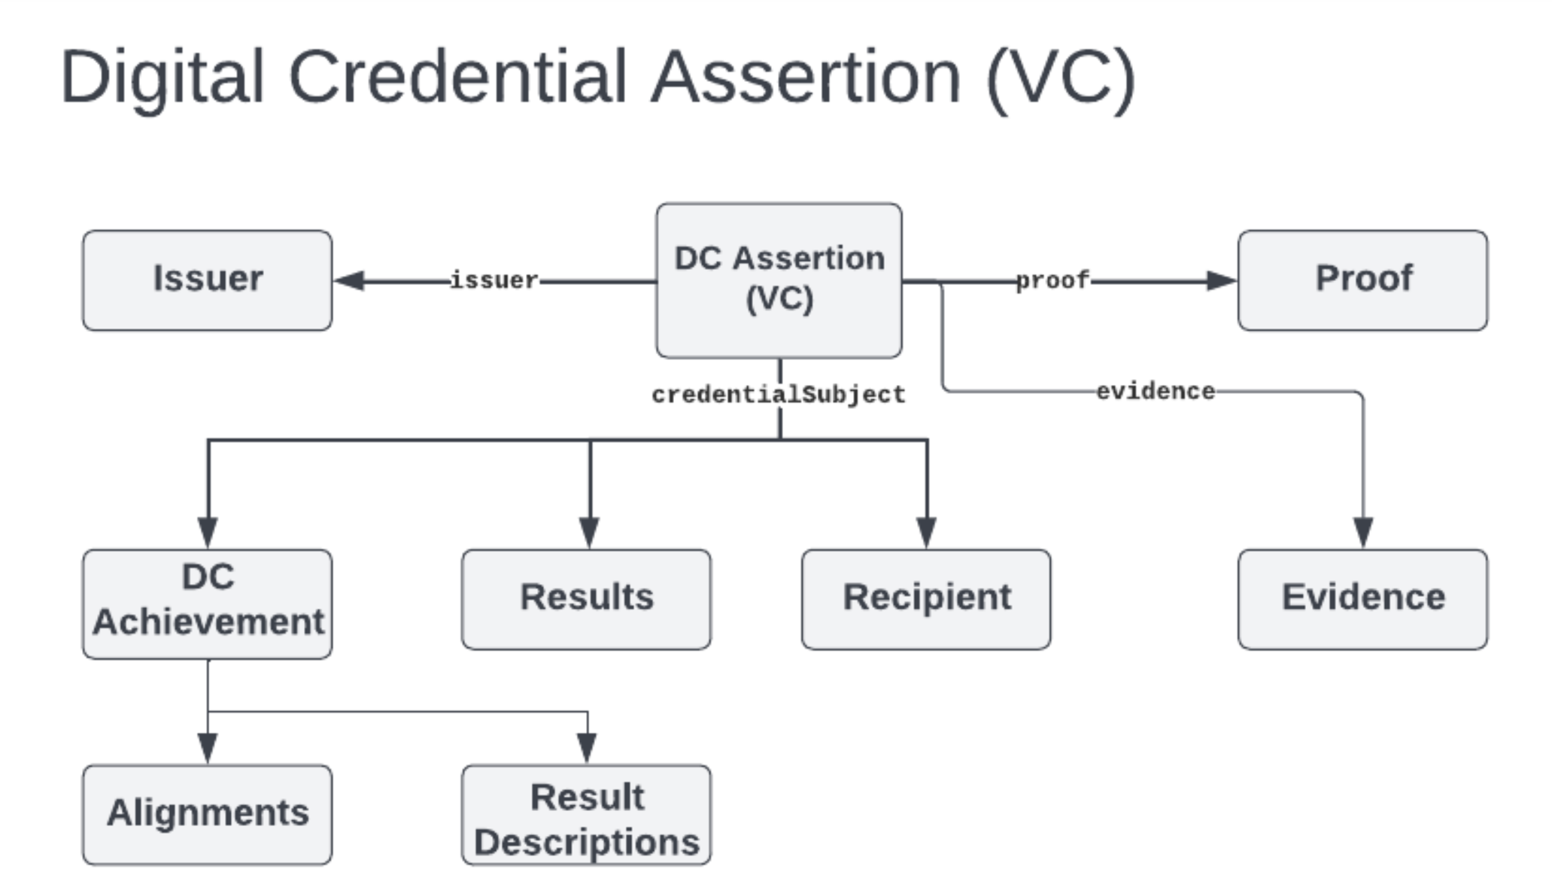
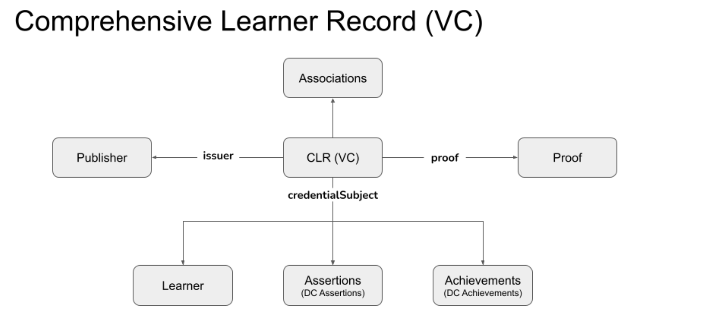
http://xmlns.com/foaf/0.1/Document | Media Object | A | <- | Image (ELM could als support othe formats than images)
 | Note | A |  | used in many places as a description
https://data.europa.eu/snb/model#Agent | Organisation | C | <> | Profile + DID (depending on wher it is used)
 | Period Of Time | A |  | used in man places e.g. activityStartDate activityEndDate
https://data.europa.eu/snb/model#Agent | Person | C | <> | Profile + DID (depending on wher it is used)
 | Phone | A |  | phone: profile.phone
 | Price Detail | A |  | more like OOAPI/edu-API object with an achievement relation
https://data.europa.eu/snb/model#LearningAchievementSpecification | Qualification | C |  | Qualification: credentialSubject.achievement.alignment.targetType -> "ext: EQF"
 | Result Category | A | ? | Resultcategory: credentialSubject.result.value
 | Result Distribution | A |  | extension?
 | Shacl Validator 2017 | A |  | Shacl Validator 2017: 1EdTechJsonSchemaValidator2019
 | Shortened Grading | A |  | extension?
 | Specification | C |  | Achievement
 | Specification Node | S |  | Achievement
 | Verifiable Credential | S |  | VerifiableCredential
 | Verifiable Presentation | S |  | X
 | Verification Check | A |  | X
 | Web Resource | A |  | X
 | CredentialSubject | (partOf VC) Peron/Organisation/Agent |  | CredentialSubject
 | Issuer | (partOf VC) but not direct in ELM |  | Issuer
 | Holder | (partOf VC) but not direct in ELM |  | X
 | Proof | (partOf VC) but not direct in ELM |  | Proof
 | CredentialSchema | (partOf VC) but not direct in ELM |  | CredentialSchema / Context
 | DeliveryDetails | ? |  | ?

Main differences to overcome
 | Main differences at top level:

 | ELM (credential schema) | OBv3
1 | JSON | JSON-LD | Signed EDCs are actually JSON-LD files
2 | Top "credential" object of VC type | the object itself is a VC
3 | "credential" object has deliveryDetails | X | In EDC 2.3 we moved the delivery address outside of the credential metadata
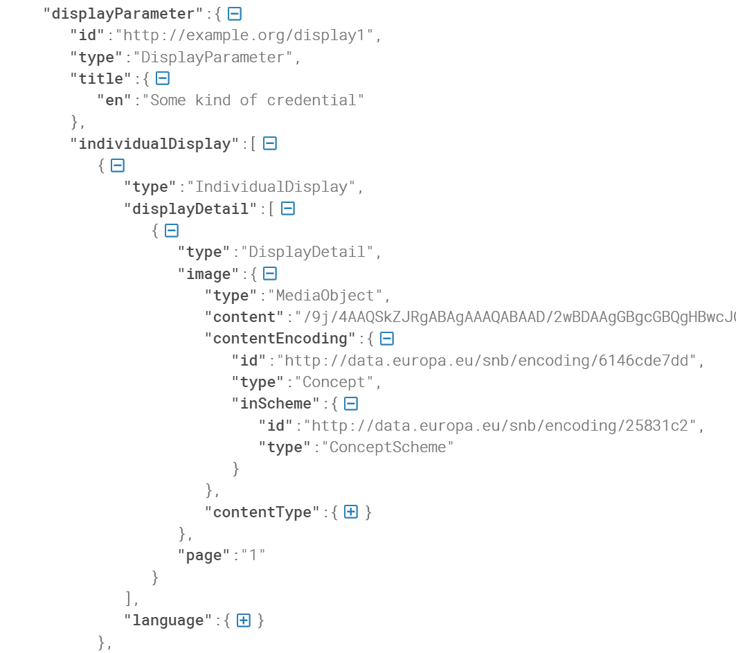
4 | X | credential has: name, description, image, endorsement, evidence , issuer credentialStatus and refreshService | EDC's also have a visual representation (summary image), title, description, etc. Via the displayParameter and individualDisplay properties
5 | The VC has validFrom and displayParamater

 | Main differences at credentialSubject level

perhaps bidirecitional lenses?
Scuemata | https://github.com/grafana/thema
Cambria | https://www.inkandswitch.com/cambria/

