Lifecycle
Lifecycle-Risks
 |  |  |  |  |  |  |  |  |  |  | Planung | Festlegung der Prüfungsart und Beurteilungskriterien
 | D | F | U | Z | K | ID | H | BUR | RD | S |  | Beratungen
Planung |  |  |  |  |  |  |  |  |  |  |  | Lernmaterial
Entwicklung |  |  |  |  |  |  |  |  |  |  |  | Mitarbeiterschulungen
Administration |  |  |  |  |  |  |  |  |  |  |  | Analyse der Lehre
Durchführung |  |  |  |  |  |  |  |  |  |  |  | Fragenherstellung nach Vorgaben der Prüfungsinhalte
Auswertung |  |  |  |  |  |  |  |  |  |  |  | Vorrevision der Fragen
Rekurse
Archivierung
Evaluation

source: Ricketts & Zakrzewski, 2005

Dozierende (D), Fakultäten mit Instituten (F), Universitätsleitung (U), Zentrales
eLearning-Team (Z), Koordinatoren in den Fakultäten (K), Informatikdienste
(ID), Hörsaal-Disposition (H), Bauten und Räume (BUR), Rechtsdienst (RD) und
Studierende (S)

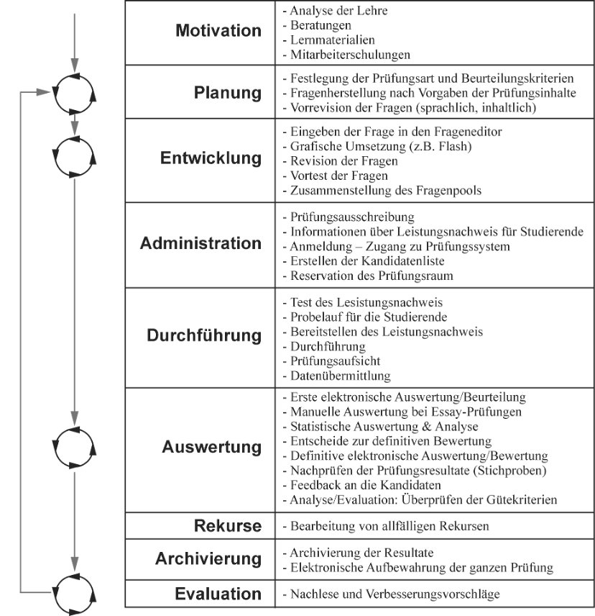

Merkt, Marianne [Hrsg.]; Mayrberger, Kerstin [Hrsg.]; Schulmeister, Rolf [Hrsg.]; Sommer, Angela [Hrsg.]; Berk, Ivo van den [Hrsg.]: Studieren neu erfinden – Hochschule neu denken. Münster u.a. : Waxmann 2007, S. 180-190. - (Medien in der Wissenschaft; 44)

