Lincs
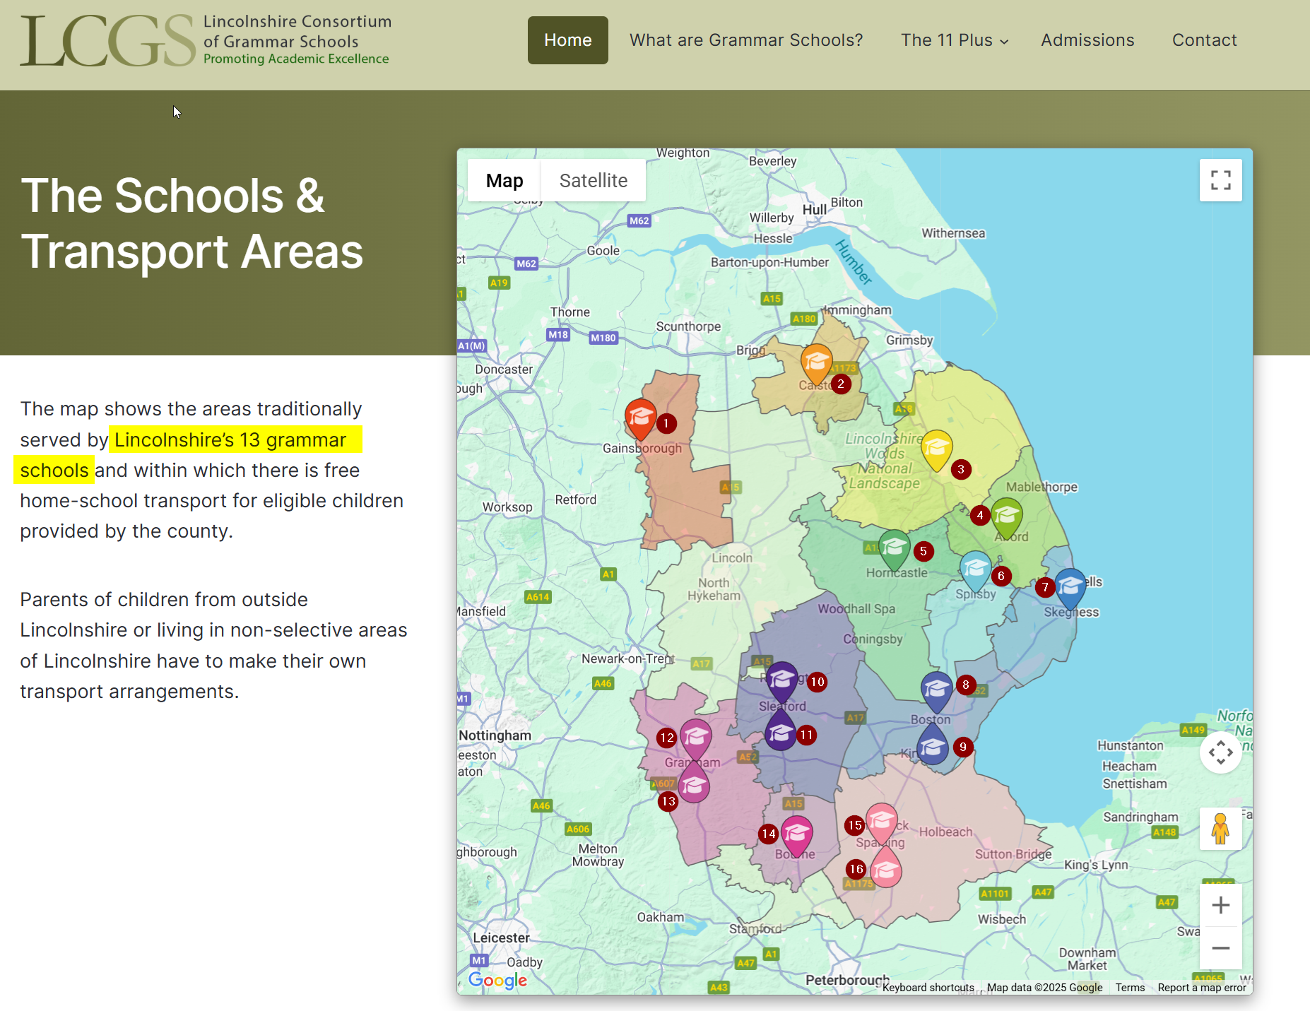
 | ICO DN |  | GIAS |  | GIAS URL | https://grammarschools.lincs.sch.uk/home | #map | Name on consortium map | Town
1 | Boston High School |  | Boston High School |  |  | Boston High School | 1 | Queen Elizabeth High School | Gainsborough
2 | Bourne Grammar School |  | Bourne Grammar School |  |  | Bourne Grammar School | 2 | Caistor Grammar School | Caistor
3 |  |  | Caistor Grammar School |  |  | Caistor Grammar School | 3 | King Edward VI | Louth (yellow)
4 | Carre’s Grammar School |  | Carre's Grammar School |  |  | Carre's Grammar School | 4 | Queen Elizabeth's Grammar Alford - A Selective Academy | Alford
5 | Kesteven and Grantham Girls’ School |  | Kesteven and Grantham Girls' School |  |  | Kesteven and Grantham Girls' School | 5 | Queen Elizabeth's Grammar School, Horncastle | Horncastle
6 | Kesteven and Sleaford High School Selective Academy |  | Kesteven and Sleaford High School Selective Academy |  |  | Kesteven and Sleaford High School Selective Academy | 6 | King Edward VI | Spilsby | https://get-information-schools.service.gov.uk/Establishments/Establishment/Details/138783 | < Not a selective (grammar) school but listed on the consortium's website.
7 | King Edward VI Academy |  | King Edward VI Grammar School |  |  | King Edward VI ?? Lincs Wolds | 7 | Skegness Grammar School | Skegness
8 | King Edward VI Grammar School |  |  |  |  | King Edward VI ?? Spilsby | 8 | Boston High School | Boston
9 | Queen Elizabeth’s Grammar School, Alford |  | Queen Elizabeth's Grammar Alford - A Selective Academy |  |  | Queen Elizabeth's Grammar Alford - A Selective Academy | 9 | Boston Grammar School | Boston
10 | Queen Elizabeth’s Grammar School, Horncastle |  | Queen Elizabeth's Grammar School, Horncastle |  |  | Queen Elizabeth's Grammar School, Horncastle | 10 | Carre's Grammar School | Sleaford
11 | Skegness Grammar School |  | Skegness Grammar School |  |  | Skegness Grammar School | 11 | Kesteven and Sleaford High School Selective Academy | Sleaford
12 | Spalding Grammar School |  | Spalding Grammar School |  |  | Spalding Grammar School | 12 | Kesteven and Grantham Girls' School | Grantham
13 | Spalding High School |  | Spalding High School |  |  | Spalding High School | 13 | The King's School, Grantham | Grantham
14 | Boston Grammar School |  | The Boston Grammar School |  |  | Boston Grammar School | 14 | Bourne Grammar School | Bourne
15 | The King’s School Grantham |  | The King's School, Grantham |  |  | The King's School, Grantham | 15 | Spalding Grammar School | Spalding
16 | Queen Elizabeth’s High School |  | The Queen Elizabeth's High School, Gainsborough |  | 120655 | Queen Elizabeth, Gainsborough | 16 | Spalding High School | Spalding
 |  |  | Queen Elizabeth's Grammar

 |  |  |  |  |  |  |  | Queen Elizabeth, Penrith. | Penrith is in Cumbria

 | 15 |  | 15 |  |  | 16 | (minus the one on the consortium website which isn't even in the consortium)
 |  |  |  |  |  | The page itself says there are 14 grammar schools in Lincs. If the Lincs Consortium can't say how many grammar schools are in Lincs …
 |  |  |  |  |  | Main "structured data" worksheet appeared to be missing a Queen Lizzy. Found it when trying to disambigubogulate the Barnet grammars.

 | After finding the grammar school that isn't a grammar school and ignoring the fact the lincs consortium website says there are 13 grammars this list of FIFTEEN seems finally correct.
 | 1 | 2 | 3 | 4 | 5
 | FINAL SORTED NAME | Original | New June | #ACTUAL | £ACTUAL |  |  | Cost if £ = 2422 + x * 26.56 | Residuals | (assuming £ = 2422 + x * 26.56
2 | Boston High School | https://www.whatdotheyknow.com/request/disadvantage_admissions_arrangem_16 | https://www.whatdotheyknow.com/request/cost_of_11_testing_27 | 320 | £11,987 | valid | £37.46 | £10,921 | £1,066
3 | Bourne Grammar School | https://www.whatdotheyknow.com/request/disadvantage_admissions_arrangem_17 | https://www.whatdotheyknow.com/request/cost_of_11_testing_26 | 557 | £16,927 | valid | £30.39 | £17,216 | -£289
5 | Carre's Grammar School | https://www.whatdotheyknow.com/request/disadvantage_admissions_arrangem_24 | https://www.whatdotheyknow.com/request/cost_of_11_testing_24 | 232 | £7,806.47 | valid | £33.65 | £8,584 | -£777
1 | Boston Grammar School | https://www.whatdotheyknow.com/request/disadvantage_admissions_arrangem_15 | https://www.whatdotheyknow.com/request/cost_of_11_testing | 383 | £12,590.83 | Sent request here because this is the authority that replied (not that the reply was legible) for the whole consortium. But then only got the individual school's cost. | £32.89 |  |  |  | 1
6 | Kesteven & Grantham Girls' School | https://www.whatdotheyknow.com/request/disadvantage_admissions_arrangem_61 | https://www.whatdotheyknow.com/request/cost_of_11_testing_23 | 403 | £13,133.56 |  | £32.57 |  |  |  | 2
8 | KING EDWARD VI GRAMMAR SCHOOL | https://www.whatdotheyknow.com/request/disadvantage_admissions_arrangem_67 | https://www.whatdotheyknow.com/request/cost_of_11_testing_21 | 437 | £14,016.64 |  | £32.11 |  |  |  | 3
9 | Queen Elizabeth's Grammar, Alford - A Selective Academy | https://www.whatdotheyknow.com/request/disadvantage_admissions_arrangem_92 | https://www.whatdotheyknow.com/request/cost_of_11_testing_20 | 205 | £7,860.12 | https://www.whatdotheyknow.com/body/queen_elizabeths_grammar_alford_a_selective_academy | £38.39 |  |  |  | 4
10 | Queen Elizabeth's High School | https://www.whatdotheyknow.com/request/disadvantage_admissions_arrangem_143 | https://www.whatdotheyknow.com/request/cost_of_11_testing_19 | 783 | £23,222.22 |  | £29.65 |  |  |  | 5
12 | Skegness Grammar School | https://www.whatdotheyknow.com/request/disadvantage_admissions_arrangem_147 | https://www.whatdotheyknow.com/request/cost_of_11_testing_18 | 124 | £5,702.70 |  | £46.17 |  |  |  | 6
13 | Spalding Grammar School | https://www.whatdotheyknow.com/request/disadvantage_admissions_arrangem_119 | https://www.whatdotheyknow.com/request/cost_of_11_testing_17 | 332 | £11,232 |  | £33.86 |  |  |  | 7
14 | Spalding High School | https://www.whatdotheyknow.com/request/disadvantage_admissions_arrangem_120 | https://www.whatdotheyknow.com/request/cost_of_11_testing_16 | 512 | £16,015.77 |  | £31.29 |  |  |  | 8
4 | CAISTOR GRAMMAR SCHOOL | https://www.whatdotheyknow.com/request/disadvantage_admissions_arrangem_21 | https://www.whatdotheyknow.com/request/cost_of_11_testing_25 | 285 | £10,000.00 | The cost was approximately £10,000. | £35.05 |  |  |  | 9
15 | The King's School, Grantham. | https://www.whatdotheyknow.com/request/disadvantage_admissions_arrangem_139 | https://www.whatdotheyknow.com/request/cost_of_11_testing_15 | 287 | £10,033.80 |  | £35.01
7 | Kesteven & Sleaford High School | https://www.whatdotheyknow.com/request/disadvantage_admissions_arrangem_62 | https://www.whatdotheyknow.com/request/cost_of_11_testing_22 | 98 | £5,016.51 |  | £51.35
11 | Queen Elizabeth's Grammar | https://www.whatdotheyknow.com/request/disadvantage_admissions_arrangem_95 |  | 98 | £5,016.51 |  | £51.35

 |  |  |  | 5054 | £170,561.12
 | What I managed to find out
 | There are 15 schools in the consortium (although numbers on the Lincs consortium website varied a lot!)
 | Total number of candidates was provided in the first round of interrogation (but not the costs!)
 | Second round of interrogation!
 | Three schools provided both the costs and numbers. |  |  | 4865 |  | << total tested (first hand info)
 | A further nine provided costs. |  |  | 1109 | £36,720.47 | THIS PROVIDES A COST PER SEAT based on three good responses. | £33.11 | << This cost per seat is then used above to work back from the cost to candidates.
 | Three provided no information and I eventually gave up!

 | How I estimated the numbers and costs in Lincolnshire. |  |  | 337 | £11,370.74 | Average per school (numbers/costs)
 | Costs were not the same per candidate for the three schools so applied linear regression to get best fit |  |  | 293.05421687 |  | unaccounted for after applying linear equation to work out numbers from costs.
 | This worked out as £2,422 per school plus £26.56 per candidate. |  |  | 97.684738956
 | This was used to estimate the number of candidates for the nine schools where costs were provided.
Valid responses
 | The total number of candidates from the 12/15 where we had some info was subtracted from the known total number
 | This left 293 candidates which were equally divided between the remaining three schools. |  |  | school | £2,422
 | …. Not ideal but … |  |  | candidate | £26.56

