Plot
p <- ggplot(tbl_data, aes(x=date, y=value)) + geom_line(color = "#FC4E07", size = 1) + ggtitle("IGP-M") + xlab("") + ylab("% MoM\n") + ylim(-2, 5) + theme_economist() + theme(axis.text=element_text(size=12), axis.title=element_text(size=14,face="bold")) + theme(plot.margin = unit(c(1,1,1,1), "cm")) + stat_peaks(colour = "red") + stat_peaks(geom = "text", colour = "red", vjust = -0.5, x.label.fmt = "%Y-%m", ignore_threshold=0.3, span=10) + stat_valleys(colour = "blue") + stat_valleys(geom = "text", colour = "blue", angle = 45, vjust = 1.5, hjust = 1, x.label.fmt = "%Y-%m", ignore_threshold=0.3, span=10) p <- p + stat_smooth( color = "#FC4E07", fill = "#FC4E07", method = "loess" ) png(filename='C:/Users/Eduardo/Google Drive/Meus Projetos/xlRcode/Temp/dummy.png', width=400, height=300) plot(p) dev.off() print('Code ran without errors!') | TRUE | 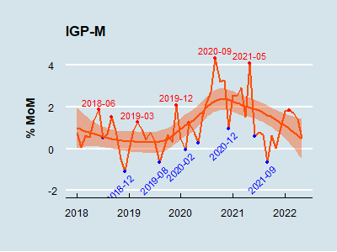

Error in png(filename = "C:/Users/Eduardo/Google Drive/Meus Projetos/xlRcode/Temp/dummy.png", : n�o � poss�vel iniciar dispositivo png()

