Sheet1
Test Case

Explanation:

Test Case ID | Test Case Description | Test Objective | Preconditions | Test Steps | Test Data | Expected Results | Actual Results | Notes | Test Environment | Test Case Author | Date Created | Date Last Modified
PB-4 1. | Verify successful view for HTML code window. | Ensure that users can see HTML code window. | - | 1. Open text code on the page. 2. Compare the image with the design. | - | 1. HTML code window has shadow; 2. Font style and size it`s the same like in design. 3. Border-radius. 4. Centered | 1. Fail. HTML code window has shadow but it`s too bright and intensive; 2. Fail. Font style isn`t the same like in design and it`s highlighted. 3. Fail. Border-radius it`s nor the same like in design. 4. Fail. Not centered. |  | Windows 10, Microsoft Edge | QA Team member Emilija | 2023-11-29 | 2023-12-06
PB-4 2. | Verify successful view of text. | Ensure that text looks like in design. | - | 1. Compare text with the design. | - | 1. Text arranged in 4 lines; 2. Font size and style like in design. | 1. As expected. Text arranged in 4 lines; 2. As expected. Font size and style like in design. |  | Windows 10, Microsoft Edge | QA Team member Emilija | 2023-11-29 | 2023-12-06
PB-4 3. | Verify background color compares to design. | Ensure background color compares to design. | - | Compare background color with design. | - | Background color it`s like in design. | As expected. Background color it`s like in design. |  |  |  | 2023-11-29 | 2023-12-06
PB-4 4. | Verify view in Mobile, Tablet and Desktop screens. | Ensure that view is correct in Mobile, Tablet and Desktop screens like in design. | - | By using ParfectPixel tool compare Mobile, Tablet and Desktop screens with the design. | - | Mobile, Tablet and Desktop screens corresponds to the design. | Fail. Mobile (neryskus yra design) | 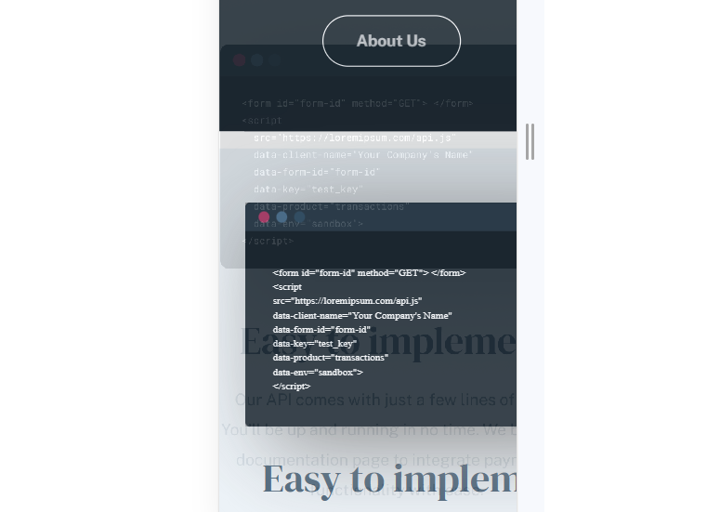 | Windows 10, Microsoft Edge | QA Team member Emilija | 2023-11-29 | 2023-12-06
 |  |  |  |  |  |  | Fail. Tablet | 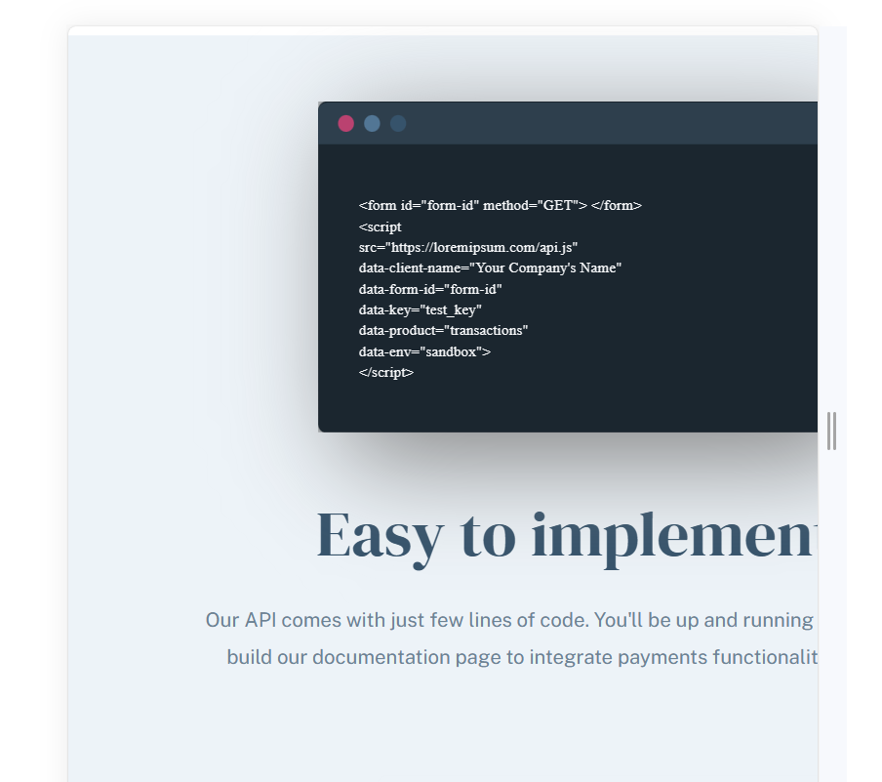 | Windows 10, Microsoft Edge | QA Team member Emilija | 2023-11-29 | 2023-12-06
 |  |  |  |  |  |  | Fail. Desktop | 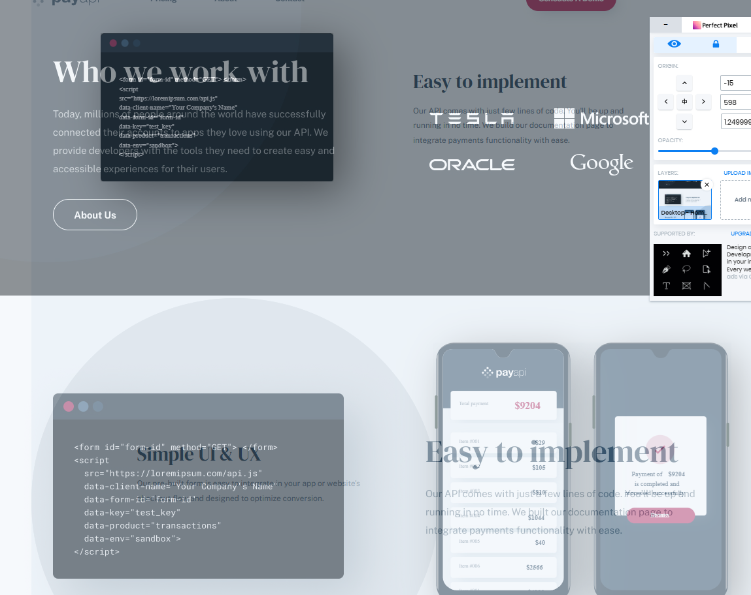 | Windows 10, Microsoft Edge | QA Team member Emilija | 2023-11-29 | 2023-12-06

