Sheet1
Test Case

Explanation:

Test Case ID | Test Case Description | Test Objective | Preconditions | Test Steps | Test Data | Expected Results | Actual Results | Notes | Test Environment | Test Case Author | Date Created | Date Last Modified
PB-4 | Verify successful view for HTML code window and text in mobile, tablet and Desktop screens. | Ensure that users can see HTML code window and text in Mobile, Tablet and Desktop screens. | - | 1. Open text code on the page. 2. Compares the image with the design. | - | 1. HTML code window has shadow and size like text box; 2. Text arranged in 4 lines; 3. View looks like in the design example in mobile, tablet and desktop screens. | 1. HTML code window is but without shadow and it`s smallerd than text box. 2. Text arranged in 4 lines; 3. It`s only mobile screen. | 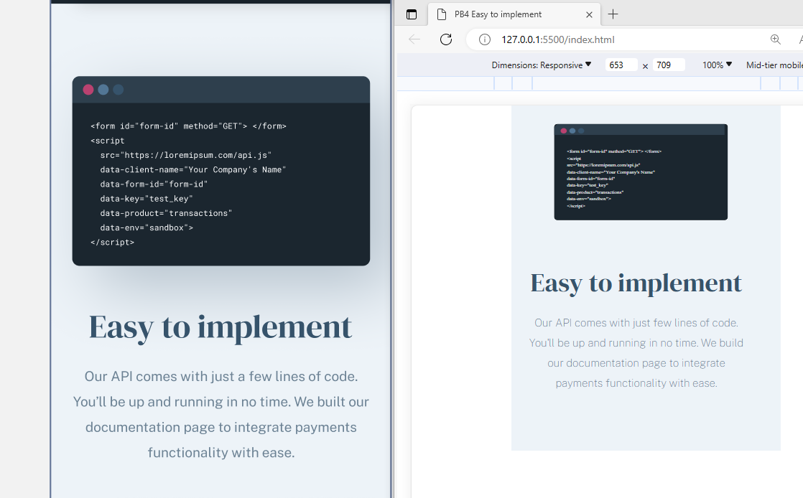 | Windows 10, Microsoft Edge | QA Team member Emilija | 20230-11-29 | 20230-11-28

