Sheet1
Test Case

Explanation:

Test Case ID | Test Case Description | Test Objective | Preconditions | Test Steps | Test Data | Expected Results | Actual Results | Notes | Test Environment | Test Case Author | Date Created | Date Last Modified
PB-2 1. | Verify successful opening the page | Ensure that users can go to the page. | - | Open the page. | - | 1.Page open. | As expected. |  | Windows 10, Microsoft Edge | QA Team member Emilija | 2023-12-04 | 20230-11-28
PB-2 2. | Verify successful view for mobile phone IMG. | Ensure that users can see mobile phone IMG from both sides. | - | Compare IMG with the design. | - | IMG it`s the same like in the design and has shadow. | As expected. It`s the same like in the design. 2. Fails. Shadow is too intensive. |  | Windows 10, Microsoft Edge | QA Team member Emilija | 2023-12-05 | 20230-11-28
PB-2 3. | Verify text compares to design. | Ensure that text corresponds to design. | - | 1. Text arranged in lines like in design; 2. Font size and style like in design. | - | 1. Text arranged in lines like in design; 2. Font size and style like in design. | As expected. 1. Text arranged in lines like in design; 2. Font size and style like in design. |  | Windows 10, Microsoft Edge | QA Team member Emilija | 2023-12-06 | 20230-11-28
PB-2 4. | Verify successful view of the grey circle in the right side. | Ensure view of the grey circle in the right side. | - | By using ParfectPixel tool compare grey circle align with the design. | - | 1. In Desktop screen grey circle is in right side; | Fail. | 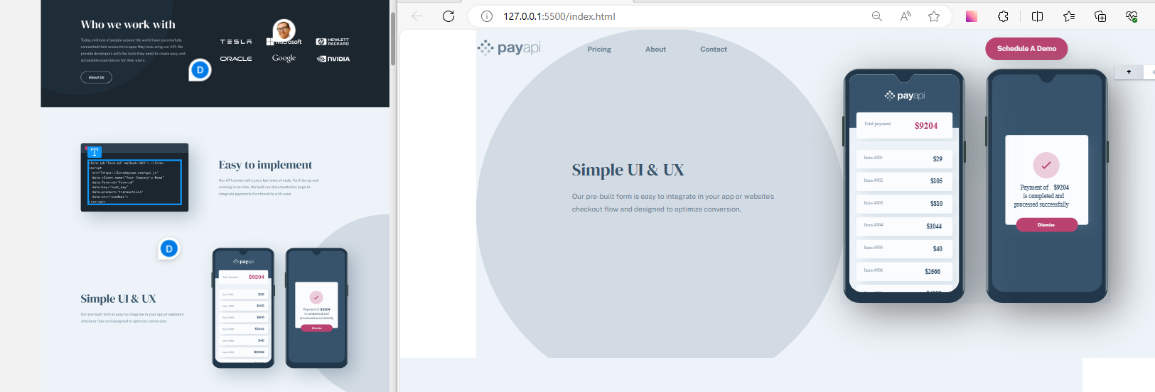 | Windows 10, Microsoft Edge | QA Team member Emilija | 2023-12-07 | 20230-11-28
PB-2 5. | Verify background color compares to design. | Ensure background color compares to design. | - | Compare background color with design. |  | Background color it`s like in design. | As expected. Background color it`s like in design.
PB-2 6. | Verify view in mobile, tablet and Desktop screens. | Ensure that view is correct in Mobile, Tablet and Desktop screens like in design. | - | By using ParfectPixel tool compare Mobile, Tablet and Desktop screens with the design. | - | Mobile, Tablet and Desktop screens corresponds to the design. | Mobile. Fail | 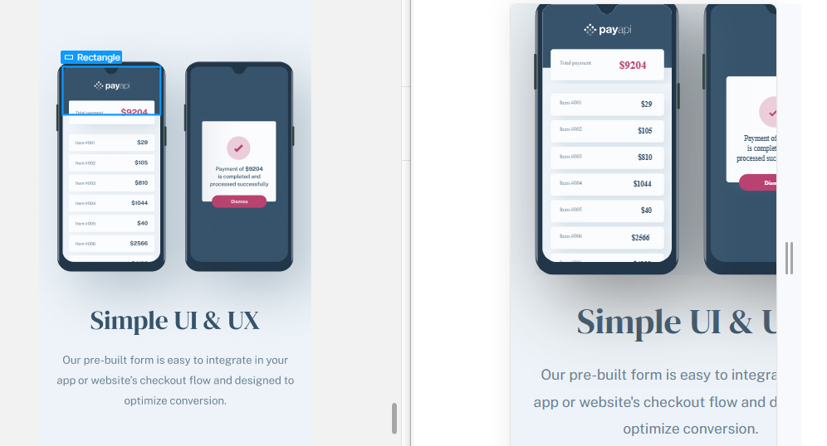
 |  |  |  |  |  |  | Tablet. Fail | 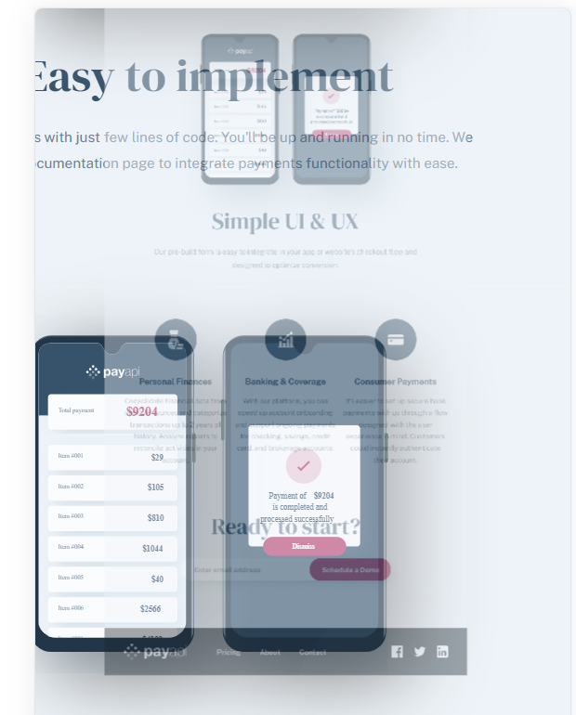
 |  |  |  |  |  |  | Desktop. Fail | 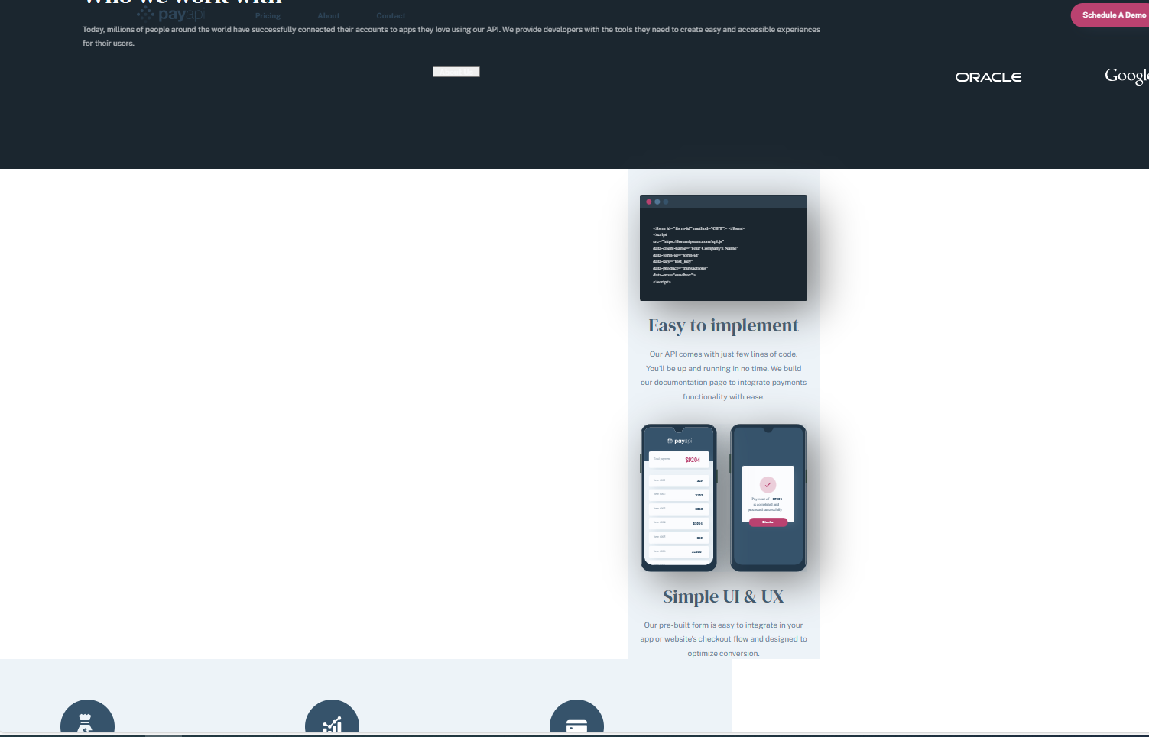 | Windows 10, Microsoft Edge | QA Team member Emilija | 2023-12-08 | 20230-11-28

