PB-2TC
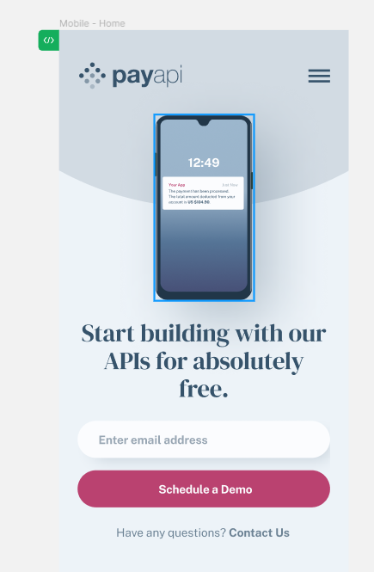
Test Case

Explanation:

Test Case ID | Test Case Description | Test Objective | Preconditions | Test Steps | Test Data | Expected Results | Actual Results | Notes | Test Environment | Test Case Author | Date Created | Date Last Modified
PB-2 1. | Verify successful open the page and view for mobile phone IMG, text. | Ensure that users can go to the page and see mobile phone IMG and text. | - | 1. Open the page. 2. Compares the image and text with the design. 3. Text font size and style like in design. | - | 1. Opened page looks like the design page. 2. Text based in lines. 3. Text font size and style like in design. 4. IMG has shadow. | As expected. |  | Windows 10, Microsoft Edge | QA Team member Emilija | 20230-11-28 | 20230-12-10
PB-2 2. | Verify text field for email and button “Shedule a Demo". | Ensure that users can write email successfully with valid credentials and click the button “Shedule a Demo" to submit. | - | 1. Open the page. 2. Enter valid email adress. 3. Click the "Schedule a Demo" button. | 2. email adress: 2.1.emilijaemilijaemlijaemilija@gmail.com; 2.2. emilija@@gmail.com; 2.3. emilijč@gmail.com; emilija#@gmail.com | 1. Page opend. 2.1. Email adress long is less than 20 simbols. 2.2. Email adress has one @. 2.3. Email adress can`t have lithuanian leters like "č" and special symbols. 3. In Desktop screen when mouse is on "Schedule Demo" button he shoud change a color." Užvedus ant mygtuko pasikeičia mygtuko spalva ir kursorius įgalinta hower funkcija (veikimas)" 4. When button "Schedule a Demo" is click form to fill email should be clier. | 1-3. As expected. |  | Windows 10, Microsoft Edge | QA Team member Emilija | 20230-11-28 | 20230-12-10
PB-2 3. | Verify text "Contact us" witch has navigation to Contact page. | Ensure that clicked text "Contact us" lead us to contact page. | - | Clicing text "Contact us". | - | Clicked text "Contact us" lead us to contact page. | As expected. |  | Windows 10, Microsoft Edge | QA Team member Emilija | 20230-11-28 | 20230-12-10
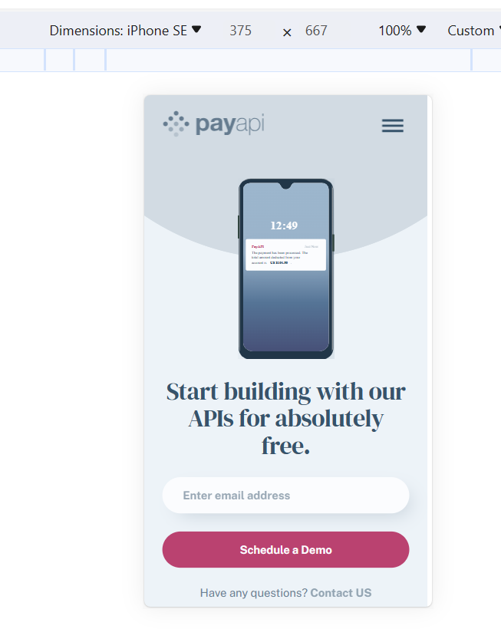
PB-2 4. | Verify phone IMG size by px corresponds to design. | Ensure that phone IMG size by px corresponds to design. | - |  | - | Phone IMG size by px corresponds to design. | As expected. |  | Windows 10, Microsoft Edge | QA Team member Emilija | 20230-11-28 | 20230-12-10
PB-2 5. | Verify successful view of the grey circle. | Ensure view of the grey circle. | - | By using ParfectPixel tool compare grey circle align with the design. |  | 1. In Desktop screen grey circle is in the top right of page; 2. In the Tablet screen on top of the page; 3. In Mobile screen on top of the page. | 1-3. As expected. |  |  |  | 20230-11-28 | 20230-12-10
PB-2 6. | Verify background color compares to design. | Ensure background color compares to design. | - | Compare background color with design. |  | Background color compares to design. | As expected. |  |  |  | 20230-11-28 | 20230-12-10
PB-2 7. | Verify view in mobile, tablet and Desktop screens. | Ensure that view is correct in Mobile, Tablet and Desktop screens like in design. | - | By using ParfectPixel tool compare Mobile, Tablet and Desktop screens with the design. | - | Mobile creen corresponds to the design. | As expected. |  | Windows 10, Microsoft Edge | QA Team member Emilija | 20230-11-28 | 20230-12-10
 |  |  |  |  |  | Tablet screen corresponds to the design. | As expected. |  |  |  | 20230-11-28 | 20230-12-10
 |  |  |  |  |  | Desktop screen corresponds to the design. | As expected. |  |  |  | 20230-11-28 | 20230-12-10

PB-17TC
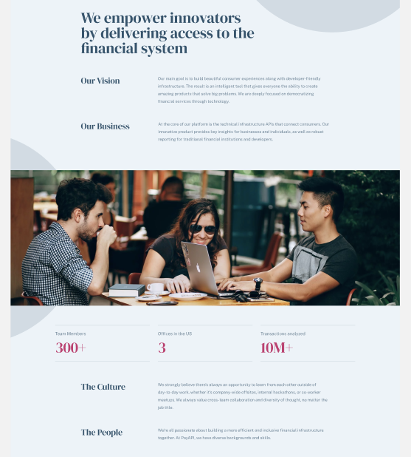
Explanation:

Test Case ID | Test Case Description | Test Objective | Preconditions | Test Steps | Test Data | Expected Results | Actual Results | Notes | Test Environment | Test Case Author | Date Created | Date Last Modified
PB-2 1. | Verify successful page opening. | Ensure that users can go to the page. | - | Open the page. | - | Page opens. | As expected |  | Windows 10, Microsoft Edge | QA Team member Emilija | 20230-11-30 | 20230-12-07
PB-2 2. | Verify text and photo compares to design. | Ensure that text corresponds to design. | - | Compare Text and photo with design; | - | 1. Text arranged in lines like in design; 2. Font size, color and style like in design. | As expected |  | Windows 10, Microsoft Edge | QA Team member Emilija | 20230-11-30 | 20230-12-07
PB-2 3. | Verify text field for email and button “Shedule a Demo". | Ensure that users can write email successfully with valid credentials and click the button “Shedule a Demo" to submit. | - | 1. Enter valid email adress. 2. Click the "Schedule Demo" button. | 1. email adress: 1.1.emilijaemilijaemlijaemilija@gmail.com; 1.2. emilija@@gmail.com; 1.3. emilijč@gmail.com; emilija#@gmail.com | 1.1. Email adress long is less thant 20 simbols. 1.2. Email adress has one @. 1.3. Email adress can`t have lithuanian leters like "č" and special symbols. 2. In Desktop screen when mouse is on "Schedule Demo" button he shoud change a color. 3. When button "Schedule a Demo" is clicked form to fill email should be clier. | As expected |  | Windows 10, Microsoft Edge | QA Team member Emilija | 20230-11-30 | 20230-12-07
PB-2 4. | Verify successful view of the grey circle. | Ensure view of the grey circle. | - | Compare grey circle with design; |  | 1. In Desktop screen grey circle is in the top of page; 2. In the Tablet screen on top right side of the page; 3. In Mobile screen on top right side of the page and second in the left side. | As expected |  | Windows 10, Microsoft Edge | QA Team member Emilija | 20230-11-30 | 20230-12-07
PB-2 5. | Verify background color compares to design. | Ensure background color compares to design. | - | Compare background color with design. |  | Like in design. | As expected |  | Windows 10, Microsoft Edge | QA Team member Emilija | 20230-11-30 | 20230-12-07
PB-2 6. | Verify view in mobile, tablet and Desktop screens. | Ensure that view is correct in Mobile, Tablet and Desktop screens like in design. | - | By using ParfectPixel tool compare Mobile, Tablet and Desktop screens with the design. | - | Mobile screen corresponds to the design. | As expected |  | Windows 10, Microsoft Edge | QA Team member Emilija | 20230-11-30 | 20230-12-07
 |  |  |  |  |  | Tablet screen corresponds to the design. | As expected
 |  |  |  |  |  | Desktop screen corresponds to the design. | As expected

