CMDB Query
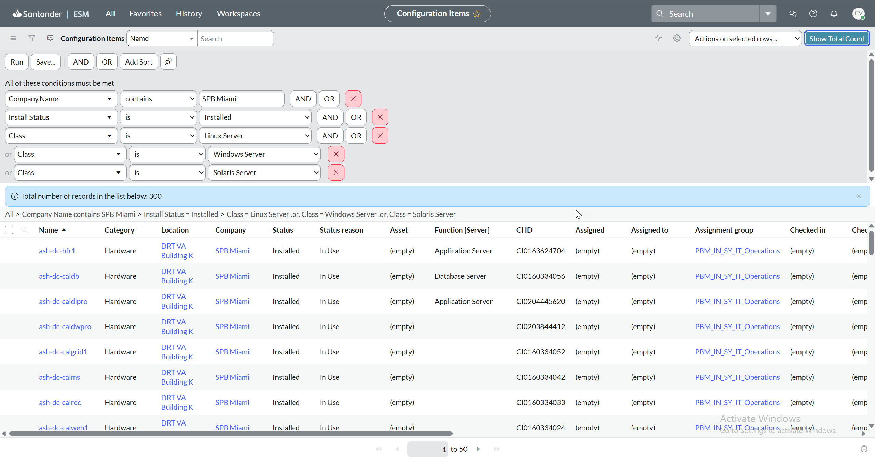
Screenshot evidences the ServiceNow CMDB query used to generate the server population. The query filtered Configuration Items for SPB Miami with Install Status = Installed and Server Class = Linux, Windows, or Solaris. The query returned a total population of 300 in-scope servers used for audit testing.

Screenshots of SNOW Queries
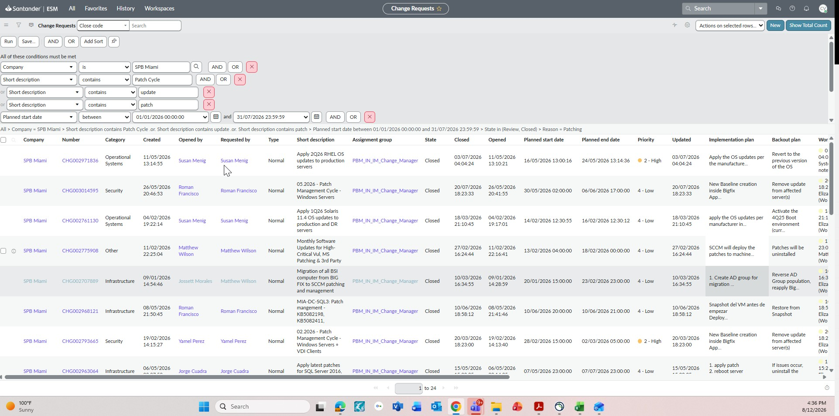
A ServiceNow search was performed to retrieve all closed change tickets related to server patching activities for SPB Miami between January 1, 2026 and July 31, 2026. The query filters change requests with descriptions containing terms such as "Patch Cycle," "update," or "patch." The resulting population includes completed patch management changes for Windows, Linux, and Solaris servers, along with implementation plans, backout plans, approval details, and closure status. This population can be used to validate that server patches were implemented through the formal Change Management process.

