Q2 Ans
Part A
(i) | H_1 | 2.131
 | I_2 | 5.992
 | J_3 | 3.024

(ii) | H_1 | 2.131
 | I_2 | 5.992
 | J_3 | 3.024

(iii) | 7.45

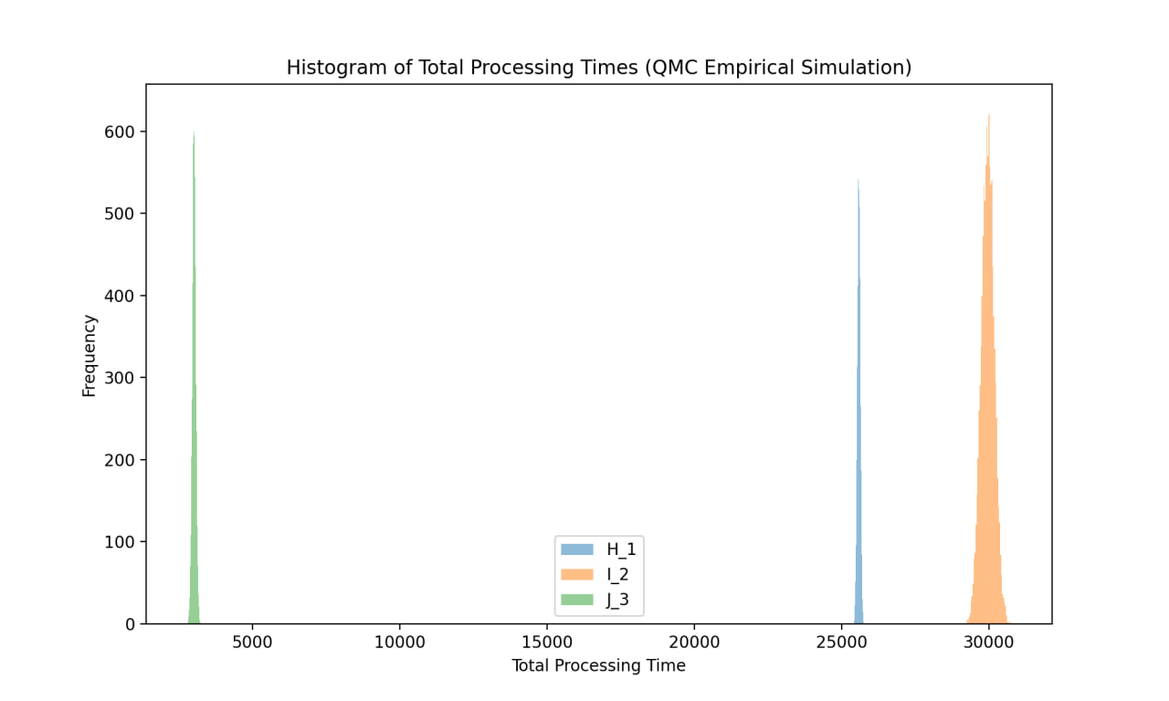
(iv)

(v) | 0.12

(vi) | Quarter | Probability | Q
 | Q1'26 | 0.809
 | Q2'26 | 0
 | Q3'26 | 0.374
 | Q4'26 | 1
 | Q1'27 | 1
 | Q2'27 | 1
 | Q3'27 | 1
 | Q4'27 | 1

(vii) | 1

