Sheet1
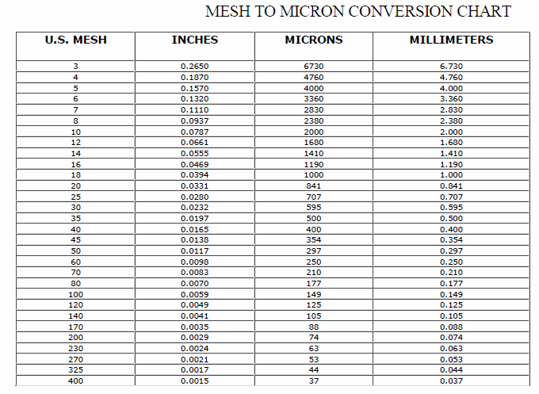
Wood Species: | mixed hardwood and yellow poplar hydrolysates |  |  | Mesh conversion:
Initial Acid Concentration: | 0.2 | mol proton/L
Initial Xylans Composition: | 16.58 | wt% of feed dry basis | 15.77
Initial Xyloses Composition: | 18.840909091 | wt% of feed dry basis | 17.920454545
Particle Size: | 0.509 | mm
LiquidSolidRatio: | 4
Feed mass | 150 | g
Moisture Content of Feed Wood: | 10 | %
Calculating Heating Rate
Power | 700 | W
Reactor Volume | 0.3 | L
LSR1 | 4
LSR2
Mass Water | 0.16 | kg
Efficiency | 0.8
Capacity | 4186 | J/kg C
Heat Rate | 0.83612040134 | C/s
Heat Rate (C/min) | 50.16722408 | C/min

g Xylose/g raw material to g/L conversion:
g Xylose/g raw material | g Xylose/L
0.6 | 1.5
0.6 | 1.5
0.6 | 1.5
0.6 | 1.5
0.6 | 1.5
0.6 | 1.5
0.6 | 1.5 |  |  | pH conversion: |  | Average particle size calculation:
0.6 | 1.5 |  |  | pH: | 5.07 | lower limit: | 0.841 | mm
0.6 | 1.5 |  |  | [H+]: | 8.511380382E-06 | upper limit: | 0.177 | mm
0.6 | 1.5 |  |  |  |  | Average particle size: | 0.509 | mm
 |  |  |  | Acid concentration conversion:
 |  |  |  | [%] | [mol H+/L]
 |  |  |  | 0.01 | 0.0020261576959
 |  |  |  | 0.05 | 0.010130788479
 |  |  |  | 0.1 | 0.020261576959
 |  |  |  | 0.5 | 0.10130788479
 |  |  |  | 1 | 0.20261576959
 |  |  |  | 2 | 0.40523153917
 |  |  |  | 3 | 0.60784730876
 |  |  |  | 4 | 0.81046307834

