Sheet1
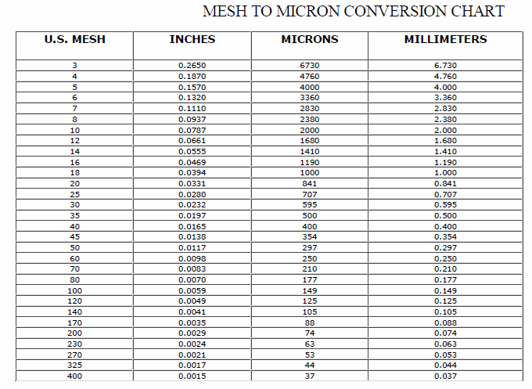
Wood Species: | Four-year old Paulownia elongata |  |  |  |  |  | Mesh conversion:
Initial Acid Concentration: | 0 | mol proton/L
Initial Xylans Composition: |  | wt% of feed dry basis
Initial Xyloses Composition: | 14.5 | wt% of feed dry basis
Particle Size: | 5 | mm
LiquidSolidRatio: | 7.69
Feed mass | 25 | g
Moisture Content of Feed Wood: | 6.14 | %
Calculating Heating Rate
Power | 700 | W
Reactor Volume | 0.3 | L
LSR1 | 7.69
LSR2
Mass Water | 0.17698504028 | kg
Efficiency | 0.8
Capacity | 4186 | J/kg C
Heat Rate | 0.75587893759 | C/s
Heat Rate (C/min) | 45.352736256 | C/min

g Xylose/g raw material to g/L conversion:
g Xylose/g raw material | g Xylose/L
0.6 | 0.78023407022
0.6 | 0.78023407022
0.6 | 0.78023407022
0.6 | 0.78023407022
0.6 | 0.78023407022
0.6 | 0.78023407022
0.6 | 0.78023407022 |  |  |  |  |  | pH conversion: |  | Average particle size calculation:
0.6 | 0.78023407022 |  |  |  |  |  | pH: | 5.07 | lower limit: | 0.177 | mm
0.6 | 0.78023407022 |  |  |  |  |  | [H+]: | 8.511380382E-06 | upper limit: | 0.841 | mm
0.6 | 0.78023407022 |  |  |  |  |  |  |  | Average particle size: | 0.509 | mm
 |  |  |  |  |  |  | Acid concentration conversion:
1.84 | m^3 |  |  |  |  |  | [%] | [mol H+/L]
1840 | L |  |  |  |  |  | 0.01 | 0.0020261576959
1472000 | g |  |  |  |  |  | 0.05 | 0.010130788479
solid mass | 169390.10357 | g | sum: | 1472000 | g |  | 0.1 | 0.020261576959
liquid mass | 1302609.8964 | g |  |  |  |  | 0.5 | 0.10130788479
 |  |  | 150.13 | g/mol |  |  | 1 | 0.20261576959
t | temp | t | mol/L | g/L |  | mol/L | 2 | 0.40523153917
58.139534884 | 100 | 34 | 0 | 0 | 59 | 0 | 3 | 0.60784730876
90.697674419 | 137.09090909 | 67 | 0 | 0 | 92 | 0 | 4 | 0.81046307834
105.58139535 | 144.72727273 | 82 | 0 | 0 | 107 | 0
120.46511628 | 149.27272727 | 97 | 0 | 0 | 122 | 0
135.34883721 | 152.36363636 | 112 | 0 | 0 | 137 | 0
150.69767442 | 154.36363636 | 127 | 0 | 0 | 152 | 0.00013050570962
165.58139535 | 155.45454545 | 142 | 0.00026058631922 | 0.039121824104 | 167 | 0.00065252854812
180.46511628 | 156.18181818 | 157 | 0.00039087947883 | 0.058682736156 | 182 | 0.0014355628059
195.81395349 | 156.54545455 | 172 | 0.0015635179153 | 0.23473094463 | 197 | 0.0026101141925
210.69767442 | 156.72727273 | 187 | 0.002345276873 | 0.35209641694 | 212 | 0.0040456769984
225.58139535 | 157.09090909 | 202 | 0.0027361563518 | 0.41077915309 | 227 | 0.005220228385
240.46511628 | 157.27272727 | 217 | 0.0041693811075 | 0.62594918567 | 242 | 0.0058727569331
255.34883721 | 157.45454545 | 232 | 0.005993485342 | 0.8998019544 | 257 | 0.010179445351
270.69767442 | 157.45454545 | 247 | 0.0079478827362 | 1.1932156352 | 272 | 0.0097879282219
285.58139535 | 157.63636364 | 262 | 0.0058631921824 | 0.88024104235 | 287 | 0.012137030995
300.46511628 | 157.81818182 | 277 | 0.010293159609 | 1.5453120521 | 302 | 0.011615008157
315.34883721 | 157.81818182 | 292 | 0.0080781758958 | 1.2127765472 | 317 | 0.011615008157

81.148271385 | 56.148271385 |  | 0 | 0
96.517072552 | 71.517072552 |  | 0 | 0
111.47603902 | 86.476039021 |  | 0 | 0
126.43433801 | 101.43433801 |  | 0.0061237785016 | 0.91936286645
141.59822182 | 116.59822182 |  | 0.01016286645 | 1.5257511401
156.55652081 | 131.55652081 |  | 0.016286644951 | 2.4451140065
171.3038951 | 146.3038951 |  | 0.02657980456 | 3.9904260586
186.46310653 | 161.46310653 |  | 0.027882736156 | 4.1860351792
201.42073804 | 176.42073804 |  | 0.049641693811 | 7.4527074919
216.37236219 | 191.37236219 |  | 0.053680781759 | 8.0590957655
231.52690124 | 206.52690124 |  | 0.052508143322 | 7.883047557
246.47585546 | 221.47585546 |  | 0.064885993485 | 9.741334202
261.44616915 | 236.44616915 |  | 0.054071661238 | 8.1177785016
276.58669105 | 251.58669105 |  | 0.071009771987 | 10.660697068
291.55700474 | 266.55700474 |  | 0.044560260586 | 6.6898319218

