Sheet1
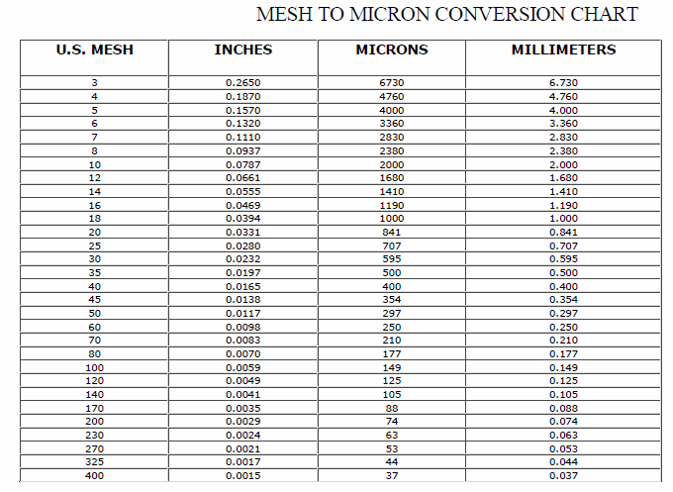
Wood Species: | Olive tree pruning biomass |  | Mesh conversion:
Initial Acid Concentration: |  | mol proton/L
Initial Xylans Composition: |  | wt% of feed dry basis
Initial Xyloses Composition: |  | wt% of feed dry basis
Particle Size: | 4 | mm
LiquidSolidRatio: | 5
Feed mass | 50 | g
Moisture Content of Feed Wood: | 0 | %
Calculating Heating Rate
Power | 700 | W
Reactor Volume | 0.3 | L
LSR1
LSR2
Mass Water |  | kg
Efficiency | 0.8
Capacity | 4186 | J/kg C
Heat Rate |  | C/s
Heat Rate (C/min) |  | C/min

g Xylose/g raw material to g/L conversion:
g Xylose/g raw material | g Xylose/L
0.6
0.6
0.6
0.6
0.6
0.6
0.6 |  |  | pH conversion: |  | Average particle size calculation:
0.6 |  |  | pH: | 5.07 | lower limit: | 0.177 | mm
0.6 |  |  | [H+]: |  | upper limit: | 0.841 | mm
0.6 |  |  |  |  | Average particle size: |  | mm
 |  |  | Acid concentration conversion:
 |  |  | [%] | [mol H+/L]

t | acid | xylose
90 | 3.41 | 20.68
132.4 | 2 | 22.51
60 | 1 | 18.97
90 | 2 | 23.15 | 2
90 | 2 | 22.87 | 3
47.6 | 2 | 22.09 | 4
120 | 1 | 21.36
60 | 3 | 22.99
90 | 2 | 22.59
90 | 2 | 22.82
120 | 3 | 20.93
90 | 2 | 22.5
90 | 0.59 | 16.5

