Sheet1
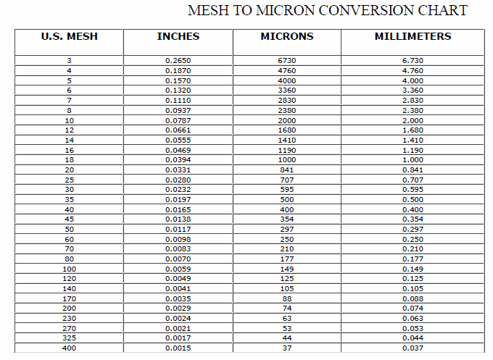
Wood Species: | Poplar chips from an eastern China paper mill |  | Mesh conversion:
Initial Acid Concentration: | 8.511380382E-06 | mol proton/L
Initial Xylans Composition: | 14.8 | wt% of feed dry basis
Initial Xyloses Composition: |  | wt% of feed dry basis
Particle Size: | 13.375 | mm
LiquidSolidRatio: | 5
Feed mass | 25 | g
Moisture Content of Feed Wood: | 0 | %
Calculating Heating Rate
Power | 700 | W
Reactor Volume | 0.3 | L
LSR1
LSR2
Mass Water |  | kg
Efficiency | 0.8
Capacity | 4186 | J/kg C
Heat Rate |  | C/s
Heat Rate (C/min) |  | C/min

g Xylose/g raw material to g/L conversion:
g Xylose/g raw material | g Xylose/L
0.37634408602
0.21505376344
0.13056835637
0.076804915515
0.038402457757
0.038402457757
0.030721966206 |  |  | pH conversion: |  | Average particle size calculation:
0.030721966206 |  |  | pH: | 5.07 | lower limit: | 0.25 | mm
0.030721966206 |  |  | [H+]: |  | upper limit: | 26.5 | mm
0.0076804915515 |  |  |  |  | Average particle size: |  | mm
0.0076804915515 |  |  | Acid concentration conversion:
0.0076804915515 |  |  | [%] | [mol H+/L]
0.0076804915515 |  |  | 0.01
0.0076804915515 |  |  | 0.05
0.0076804915515 |  |  | 0.1
 |  |  | 0.5
 |  |  | 1
0.37634408602 | 4.6676495825 |  | 2
0.21505376344 | 2.8459175375 |  | 3
0.13056835637 | 1.3875121664 |  | 4
0.076804915515 | 0.76940378311
0.038402457757 | 0.56059019774
0.038402457757 | 0.36743282875
0.030721966206 | 0.34383644537
0.030721966206 | 0.32020804518
0.030721966206 | 0.29686779622
0.0076804915515 | 0.18835484862
0.0076804915515 | 0.15675426464
0.0076804915515 | 0.12548185288
0.0076804915515 | 0.14017756519
0.0076804915515 | 0.12409712617
0.0076804915515

