Sheet1
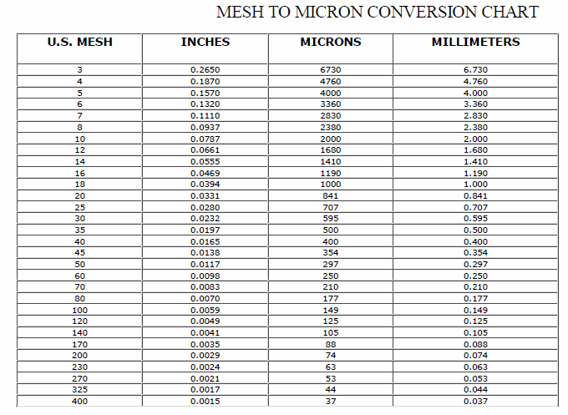
Wood Species: | Four-year old Paulownia elongata |  |  |  |  |  | Mesh conversion:
Initial Acid Concentration: | 0 | mol proton/L
Initial Xylans Composition: |  | wt% of feed dry basis
Initial Xyloses Composition: | 14.5 | wt% of feed dry basis
Particle Size: | 5 | mm
LiquidSolidRatio: | 7.69
Feed mass | 25 | g
Moisture Content of Feed Wood: | 6.14 | %
Calculating Heating Rate
Power | 700 | W
Reactor Volume | 0.3 | L
LSR1
LSR2
Mass Water |  | kg
Efficiency | 0.8
Capacity | 4186 | J/kg C
Heat Rate |  | C/s
Heat Rate (C/min) |  | C/min

g Xylose/g raw material to g/L conversion:
g Xylose/g raw material | g Xylose/L
0.6
0.6
0.6
0.6
0.6
0.6
0.6 |  |  |  |  |  |  | pH conversion: |  | Average particle size calculation:
0.6 |  |  |  |  |  |  | pH: | 5.07 | lower limit: | 0.177 | mm
0.6 |  |  |  |  |  |  | [H+]: |  | upper limit: | 0.841 | mm
0.6 |  |  |  |  |  |  |  |  | Average particle size: |  | mm
 |  |  |  |  |  |  | Acid concentration conversion:
1.84 | m^3 |  |  |  |  |  | [%] | [mol H+/L]
 | L |  |  |  |  |  | 0.01
 | g |  |  |  |  |  | 0.05
solid mass |  | g | sum: |  | g |  | 0.1
liquid mass |  | g |  |  |  |  | 0.5
 |  |  | 150.13 | g/mol |  |  | 1
t | temp | t | mol/L | g/L |  | mol/L | 2
58.139534884 | 100 | 34 | 0 |  |  | 0 | 3
90.697674419 | 137.09090909 | 67 | 0 |  |  | 0 | 4
105.58139535 | 144.72727273 |  | 0 |  |  | 0
120.46511628 | 149.27272727 |  | 0 |  |  | 0
135.34883721 | 152.36363636 |  | 0 |  |  | 0
150.69767442 | 154.36363636 |  | 0 |  |  | 0.00013050570962
165.58139535 | 155.45454545 |  | 0.00026058631922 |  |  | 0.00065252854812
180.46511628 | 156.18181818 |  | 0.00039087947883 |  |  | 0.0014355628059
195.81395349 | 156.54545455 |  | 0.0015635179153 |  |  | 0.0026101141925
210.69767442 | 156.72727273 |  | 0.002345276873 |  |  | 0.0040456769984
225.58139535 | 157.09090909 |  | 0.0027361563518 |  |  | 0.005220228385
240.46511628 | 157.27272727 |  | 0.0041693811075 |  |  | 0.0058727569331
255.34883721 | 157.45454545 |  | 0.005993485342 |  |  | 0.010179445351
270.69767442 | 157.45454545 |  | 0.0079478827362 |  |  | 0.0097879282219
285.58139535 | 157.63636364 |  | 0.0058631921824 |  |  | 0.012137030995
300.46511628 | 157.81818182 |  | 0.010293159609 |  |  | 0.011615008157
315.34883721 | 157.81818182 |  | 0.0080781758958 |  |  | 0.011615008157

81.148271385 |  |  | 0
96.517072552 |  |  | 0
111.47603902 |  |  | 0
126.43433801 |  |  | 0.0061237785016
141.59822182 |  |  | 0.01016286645
156.55652081 |  |  | 0.016286644951
171.3038951 |  |  | 0.02657980456
186.46310653 |  |  | 0.027882736156
201.42073804 |  |  | 0.049641693811
216.37236219 |  |  | 0.053680781759
231.52690124 |  |  | 0.052508143322
246.47585546 |  |  | 0.064885993485
261.44616915 |  |  | 0.054071661238
276.58669105 |  |  | 0.071009771987
291.55700474 |  |  | 0.044560260586

