Sheet1
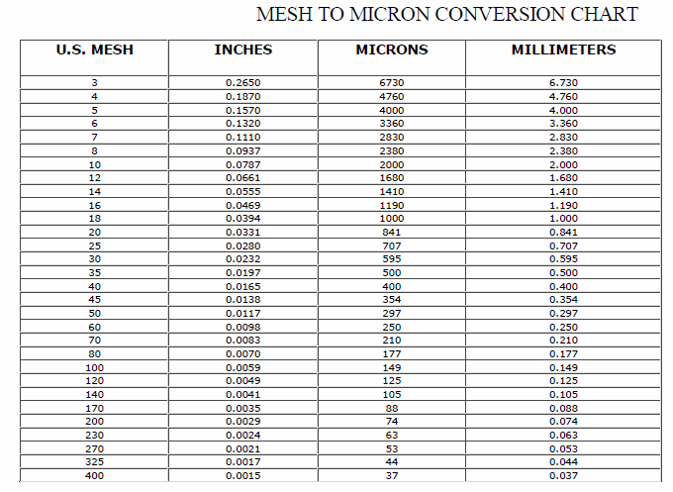
Wood Species: | willow |  |  |  | Mesh conversion:
Initial Acid Concentration: | 8.511380382E-06 | mol proton/L
Initial Xylans Composition: |  | wt% of feed dry basis
Initial Xyloses Composition: |  | wt% of feed dry basis
Particle Size: |  | mm
LiquidSolidRatio: | 8
Feed mass | 180 | g
Moisture Content of Feed Wood: |  | %
Calculating Heating Rate
Power | 15000 | W
Reactor Volume | 2.4 | L
LSR1 | 3
LSR2
Mass Water | 0.54 | kg
Efficiency | 0.8
Capacity | 4186 | J/kg C
Heat Rate |  | C/s
Heat Rate (C/min) |  | C/min

g Xylose/g raw material to g/L conversion:
g Xylose/g raw material | g Xylose/L
0.6
0.6
0.6
0.6
0.6
0.6
0.6 |  |  |  |  | pH conversion: |  | Average particle size calculation:
0.6 |  |  |  |  | pH: | 5.07 | lower limit: | 0.177 | mm
0.6 |  |  |  |  | [H+]: |  | upper limit: | 0.841 | mm
0.6 |  |  |  |  |  |  | Average particle size: |  | mm
 |  |  |  |  | Acid concentration conversion:
 |  |  |  |  | [%] | [mol H+/L]
0 |  |  | 540 | 0 | 0
0.6 |  |  |  |  | 0.2
1.5 |  |  |  |  | 0.5
3 |  |  |  |  | 1
 |  |  |  |  | 0
 |  |  |  |  | 1.08
 |  | g H2S04 |  |  | 2.7
 |  |  |  |  | 5.4

