Sheet1
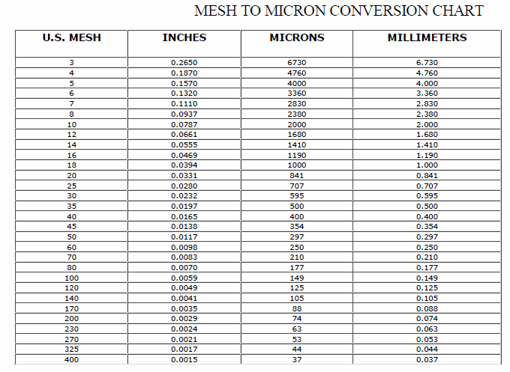
Wood Species: | Poplar chips from an eastern China paper mill |  | Mesh conversion:
Initial Acid Concentration: | 8.511380382E-06 | mol proton/L
Initial Xylans Composition: | 14.8 | wt% of feed dry basis
Initial Xyloses Composition: | 16.818181818 | wt% of feed dry basis
Particle Size: | 13.375 | mm
LiquidSolidRatio: | 5
Feed mass | 25 | g
Moisture Content of Feed Wood: | 0 | %
Calculating Heating Rate
Power | 700 | W
Reactor Volume | 0.3 | L
LSR1 | 5
LSR2
Mass Water | 0.16666666667 | kg
Efficiency | 0.8
Capacity | 4186 | J/kg C
Heat Rate | 0.80267558528 | C/s
Heat Rate (C/min) | 48.160535117 | C/min

g Xylose/g raw material to g/L conversion:
g Xylose/g raw material | g Xylose/L
0.37634408602 | 0.75268817204 | 0.75268817204
0.21505376344 | 0.43010752688 | 0.43010752688
0.13056835637 | 0.26113671275 | 0.26113671275
0.076804915515 | 0.15360983103 | 0.15360983103
0.038402457757 | 0.076804915515 | 0.076804915515
0.038402457757 | 0.076804915515 | 0.076804915515
0.030721966206 | 0.061443932412 | 0.061443932412 | pH conversion: |  | Average particle size calculation:
0.030721966206 | 0.061443932412 | 0.061443932412 | pH: | 5.07 | lower limit: | 0.25 | mm
0.030721966206 | 0.061443932412 | 0.061443932412 | [H+]: | 8.511380382E-06 | upper limit: | 26.5 | mm
0.0076804915515 | 0.015360983103 | 0.015360983103 |  |  | Average particle size: | 13.375 | mm
0.0076804915515 | 0.015360983103 | 0.015360983103 | Acid concentration conversion:
0.0076804915515 | 0.015360983103 | 0.015360983103 | [%] | [mol H+/L]
0.0076804915515 | 0.015360983103 | 0.015360983103 | 0.01 | 0.0020261576959
0.0076804915515 | 0.015360983103 | 0.015360983103 | 0.05 | 0.010130788479
0.0076804915515 | 0.015360983103 | 0.015360983103 | 0.1 | 0.020261576959
 |  |  | 0.5 | 0.10130788479
 |  |  | 1 | 0.20261576959
0.37634408602 | 4.6676495825 |  | 2 | 0.40523153917
0.21505376344 | 2.8459175375 |  | 3 | 0.60784730876
0.13056835637 | 1.3875121664 |  | 4 | 0.81046307834
0.076804915515 | 0.76940378311
0.038402457757 | 0.56059019774
0.038402457757 | 0.36743282875
0.030721966206 | 0.34383644537
0.030721966206 | 0.32020804518
0.030721966206 | 0.29686779622
0.0076804915515 | 0.18835484862
0.0076804915515 | 0.15675426464
0.0076804915515 | 0.12548185288
0.0076804915515 | 0.14017756519
0.0076804915515 | 0.12409712617
0.0076804915515

