Sheet1
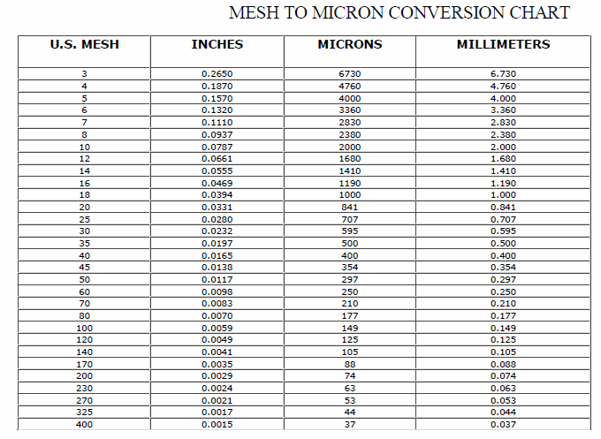
Wood Species: | Poplar sawdust |  | Mesh conversion:
Initial Acid Concentration: | 8.511380382E-06 | mol proton/L
Initial Xylans Composition: | 17.57 | wt% of feed dry basis
Initial Xyloses Composition: | 19.965909091 | wt% of feed dry basis
Particle Size: | 0.841 | mm
LiquidSolidRatio: | 10
Feed mass | 2.5 | g
Moisture Content of Feed Wood: | 0 | %
Calculating Heating Rate
Power | 1350 | W
Reactor Volume | 0.3 | L
LSR1 | 10
LSR2
Mass Water | 0.18181818182 | kg
Efficiency | 0.8
Capacity | 4186 | J/kg C
Heat Rate | 1.4190157668 | C/s
Heat Rate (C/min) | 85.140946011 | C/min

g Xylose/g raw material to g/L conversion:
g Xylose/g raw material | g Xylose/L
0.6 | 0.6
0.6 | 0.6
0.6 | 0.6
0.6 | 0.6
0.6 | 0.6
0.6 | 0.6
0.6 | 0.6 |  | pH conversion: |  | Average particle size calculation:
0.6 | 0.6 |  | pH: | 5.07 | lower limit: | 0.177 | mm
0.6 | 0.6 |  | [H+]: | 8.511380382E-06 | upper limit: | 0.841 | mm
0.6 | 0.6 |  |  |  | Average particle size: | 0.509 | mm
 |  |  | Acid concentration conversion:
 |  |  | [%] | [mol H+/L]
 |  |  | 0.01 | 0.0016666666667
26.07 | 5.2051125 |  | 0.05 | 0.0083333333333
35.88 |  |  | 0.1 | 0.016666666667
 |  |  | 0.5 | 0.083333333333
 |  |  | 1 | 0.16666666667
 |  |  | 2 | 0.33333333333
 |  |  | 3 | 0.5
 |  |  | 5 | 0.83333333333

