Sheet1
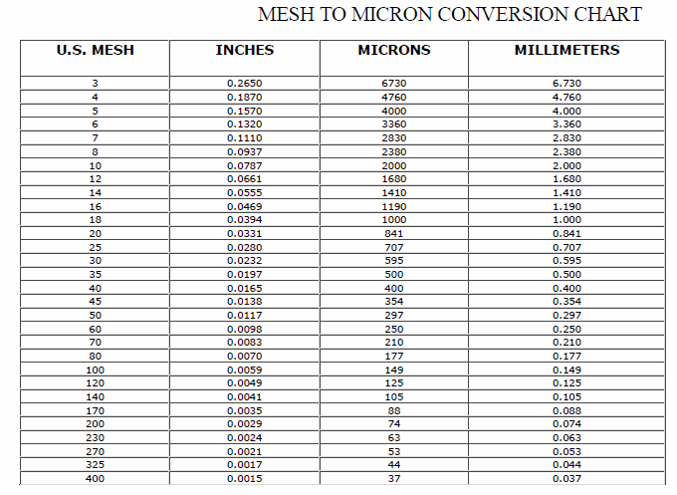
Wood Species: | a tulip tree was provided by Nutrapharm Co. |  |  |  | Mesh conversion:
Initial Acid Concentration: | 0 | mol proton/L
Initial Xylans Composition: | 15 | wt% of feed dry basis
Initial Xyloses Composition: | 17.045454545 | wt% of feed dry basis
Particle Size: | 0.335 | mm
LiquidSolidRatio: | 15 |  | 18.46 | 1.2306666667
Feed mass | 1.28 | g | 19.2 | 0.049333333333
Moisture Content of Feed Wood: | 3.8541666667 | % |  | 3.8541666667
Calculating Heating Rate
Power | 700 | W
Reactor Volume | 0.3 | L
LSR1 | 15
LSR2
Mass Water | 0.1875 | kg
Efficiency | 0.8
Capacity | 4186 | J/kg C
Heat Rate | 0.71348940914 | C/s
Heat Rate (C/min) | 42.809364548 | C/min

g Xylose/g raw material to g/L conversion:
g Xylose/g raw material | g Xylose/L
0.6 | 0.4
0.6 | 0.4
0.6 | 0.4
0.6 | 0.4
0.6 | 0.4
0.6 | 0.4
0.6 | 0.4 |  |  |  | pH conversion: |  | Average particle size calculation:
0.6 | 0.4 |  |  |  | pH: | 5.07 | lower limit: | 0.25 | mm
0.6 | 0.4 |  |  |  | [H+]: | 8.511380382E-06 | upper limit: | 0.42 | mm
0.6 | 0.4 |  |  |  |  |  | Average particle size: | 0.335 | mm
 |  |  | 0.20977272727 | 11.363636364 | Acid concentration conversion:
time(min) | % of potential xylose | X0 | 11.363636364 | g/L | [%] | [mol H+/L]
1 |  | g |  | g/L | 0.01 | 0.0020261576959
5 | 0.89743589744 | 0.0018825757576 | 0.067987567988 | 0.10198135198 | 0.05 | 0.010130788479
10 | 1.5384615385 | 0.0032272727273 | 0.11655011655 | 0.17482517483 | 0.1 | 0.020261576959
15 | 3.7179487179 | 0.0077992424242 | 0.28166278166 | 0.42249417249 | 0.5 | 0.10130788479
20 | 5.2564102564 | 0.011026515152 | 0.39821289821 | 0.59731934732 | 1 | 0.20261576959
30 | 10.512820513 | 0.022053030303 | 0.79642579643 | 1.1946386946 | 2 | 0.40523153917
60 | 28.717948718 | 0.060242424242 | 2.1756021756 | 3.2634032634 | 3 | 0.60784730876
120 | 36.538461538 | 0.076647727273 | 2.7680652681 | 4.1520979021 | 4 | 0.81046307834
240 | 15 | 0.031465909091 | 1.1363636364 | 1.7045454545
 |  | 0 | 0 | 0
2 |  | 0 | 0 | 0
5 | 2.4739583333 | 0.0051896898674 | 0.18742108586 | 0.28113162879
10 | 10.026041667 | 0.021031901042 | 0.75954861111 | 1.1393229167
15 | 19.270833333 | 0.040424952652 | 1.4599116162 | 2.1898674242
20 | 27.604166667 | 0.057906013258 | 2.0912247475 | 3.1368371212
30 | 34.505208333 | 0.072382516572 | 2.6140309343 | 3.9210464015
 |  | 0 | 0 | 0
3 |  | 0 | 0 | 0
1 | 0.53908355795 | 0.0011308502818 | 0.040839663481 | 0.061259495222
3 | 7.9514824798 | 0.016680041656 | 0.60238503635 | 0.90357755452
5 | 16.576819407 | 0.034773646165 | 1.255819652 | 1.8837294781
10 | 27.358490566 | 0.057390651801 | 2.0726129217 | 3.1089193825
15 | 17.115902965 | 0.035904496447 | 1.2966593155 | 1.9449889733
20 | 6.6037735849 | 0.013852915952 | 0.50028587764 | 0.75042881647
30 | 4.1778975741 | 0.0087640896839 | 0.31650739198 | 0.47476108797
oligo |  | 0 |  | 0
 | 5.5198973042 | 0.011579239118 |  | 0.6272610573
 | 28.241335045 | 0.059242618742 |  | 3.2092426187
 | 55.712451861 | 0.1168695297 |  | 6.3309604388
 | 58.151476252 | 0.12198593768 |  | 6.6081223013
 | 58.664955071 | 0.1230630762 |  | 6.6664721671
 | 39.281129653 | 0.082401096977 |  | 4.4637647333
 | 5.5198973042 | 0.011579239118 |  | 0.6272610573
 | 0 | 0 |  | 0
 |  | 0 |  | 0
 | 51.105331599 | 0.10720504788 |  | 5.8074240454
 | 65.409622887 | 0.13721154983 |  | 7.4329116917
 | 57.347204161 | 0.12029879418 |  | 6.5167277456
 | 40.44213264 | 0.084836564606 |  | 4.5956968909
 | 15.604681404 | 0.032734365764 |  | 1.7732592505
 |  | 0 |  | 0
 | 8.7556815927 | 0.018367032068 |  | 0.99496381735
 | 63.329039387 | 0.13284705308 |  | 7.1964817486
 | 57.929198731 | 0.12151966007 |  | 6.5828634922
 | 15.184237758 | 0.031852389661 |  | 1.7254815635
 | 1.9542542118 | 0.0040994923579 |  | 0.22207434225
 | 2.6056722824 | 0.0054659898105 |  | 0.296099123
 | 0.00E+00 | 0 |  | 0

