Sheet1
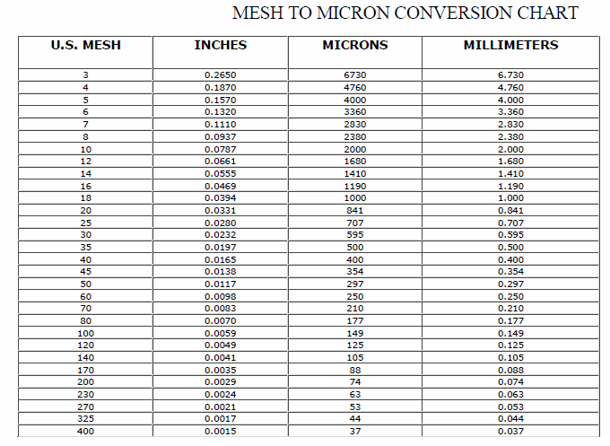
Wood Species: | Hammer-milled mixed hardwood pin chips |  | Mesh conversion:
Initial Acid Concentration: | 0 | mol proton/L
Initial Xylans Composition: | 17 | wt% of feed dry basis
Initial Xyloses Composition: | 19.318181818 | wt% of feed dry basis
Particle Size: | 2 | mm
LiquidSolidRatio: | 6.6666666667
Feed mass | 25 | g
Moisture Content of Feed Wood: | 5.3 | %
Calculating Heating Rate
Power | 700 | W
Reactor Volume | 0.3 | L
LSR1 | 6.6666666667
LSR2
Mass Water | 0.17391304348 | kg
Efficiency | 0.8
Capacity | 4186 | J/kg C
Heat Rate | 0.76923076923 | C/s
Heat Rate (C/min) | 46.153846154 | C/min

g Xylose/g raw material to g/L conversion:
g Xylose/g raw material | g Xylose/L
0.6 | 0.9
0.6 | 0.9
0.6 | 0.9
0.6 | 0.9
0.6 | 0.9
0.6 | 0.9
0.6 | 0.9 |  | pH conversion: |  | Average particle size calculation:
0.6 | 0.9 |  | pH: | 5.07 | lower limit: | 0.177 | mm
0.6 | 0.9 |  | [H+]: | 8.511380382E-06 | upper limit: | 0.841 | mm
0.6 | 0.9 |  |  |  | Average particle size: | 0.509 | mm
 |  |  | Acid concentration conversion:
5 | 300 |  | [%] | [mol H+/L]
1.25 | 75 |  | 0.01 | 0.0020261576959
0.33 | 19.8 |  | 0.05 | 0.010130788479
0.083 | 4.98 |  | 0.1 | 0.020261576959
9.5 | 570 |  | 0.5 | 0.10130788479
2.5 | 150 |  | 1 | 0.20261576959
0.65 | 39 |  | 2 | 0.40523153917
0.17 | 10.2 |  | 3 | 0.60784730876
19 | 1140 |  | 4 | 0.81046307834
5 | 300
1.3 | 78
0.33 | 19.8

