Sheet1
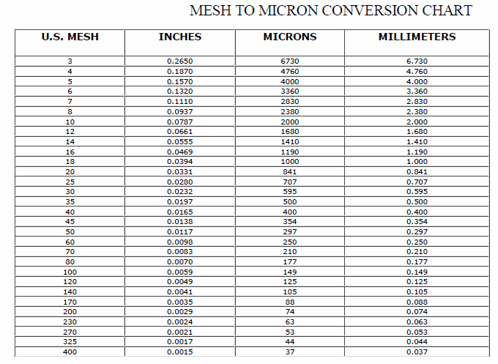
Wood Species: | willow |  |  |  |  | Mesh conversion:
Initial Acid Concentration: | 8.511380382E-06 | mol proton/L
Initial Xylans Composition: | 14.030501089 | wt% of feed dry basis
Initial Xyloses Composition: | 15.943751238 | wt% of feed dry basis
Particle Size: | 2.75 | mm
LiquidSolidRatio: | 8
Feed mass | 180 | g
Moisture Content of Feed Wood: | 8.2 | %
Calculating Heating Rate
Power | 15000 | W
Reactor Volume | 2.4 | L
LSR1 | 3
LSR2
Mass Water | 0.54 | kg
Efficiency | 0.8
Capacity | 4186 | J/kg C
Heat Rate | 5.3087009609 | C/s
Heat Rate (C/min) | 318.52205765 | C/min

g Xylose/g raw material to g/L conversion:
g Xylose/g raw material | g Xylose/L
0.6 | 0.75
0.6 | 0.75
0.6 | 0.75
0.6 | 0.75
0.6 | 0.75
0.6 | 0.75
0.6 | 0.75 |  |  |  |  | pH conversion: |  | Average particle size calculation:
0.6 | 0.75 |  |  |  |  | pH: | 5.07 | lower limit: | 0.177 | mm
0.6 | 0.75 |  |  |  |  | [H+]: | 8.511380382E-06 | upper limit: | 0.841 | mm
0.6 | 0.75 |  |  |  |  |  |  | Average particle size: | 0.509 | mm
 |  |  |  |  |  | Acid concentration conversion:
 |  |  |  |  |  | [%] | [mol H+/L]
0 | 0 | 0 | 540 | 3 | 0 | 0 | 0
0.6 | 0.006 | 1.08 | 540 | 3 | 540 | 0.2 | 0.040523153917
1.5 | 0.015 | 2.7 | 540 | 3 |  | 0.5 | 0.10130788479
3 | 0.03 | 5.4 | 540 | 3 |  | 1 | 0.20261576959
 |  |  |  |  |  | 0 | 0
 |  |  |  |  |  | 1.08 | 0.21882503115
 |  | g H2S04 |  |  |  | 2.7 | 0.54706257788
 |  |  |  |  |  | 5.4 | 1.0941251558

