Sheet1
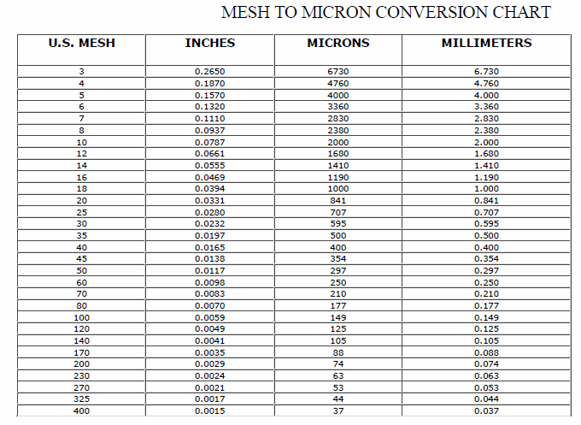
Wood Species: | Olive tree pruning biomass |  |  | Mesh conversion:
Initial Acid Concentration: |  | mol proton/L
Initial Xylans Composition: |  | wt% of feed dry basis
Initial Xyloses Composition: | 16.375 | wt% of feed dry basis
Particle Size: | 4 | mm
LiquidSolidRatio: | 5
Feed mass | 50 | g
Moisture Content of Feed Wood: | 0 | %
Calculating Heating Rate
Power | 700 | W
Reactor Volume | 0.3 | L
LSR1 | 5
LSR2
Mass Water | 0.16666666667 | kg
Efficiency | 0.8
Capacity | 4186 | J/kg C
Heat Rate | 0.80267558528 | C/s
Heat Rate (C/min) | 48.160535117 | C/min

g Xylose/g raw material to g/L conversion:
g Xylose/g raw material | g Xylose/L
0.6 | 1.2
0.6 | 1.2
0.6 | 1.2
0.6 | 1.2
0.6 | 1.2
0.6 | 1.2
0.6 | 1.2 |  |  | pH conversion: |  | Average particle size calculation:
0.6 | 1.2 |  |  | pH: | 5.07 | lower limit: | 0.177 | mm
0.6 | 1.2 |  |  | [H+]: | 8.511380382E-06 | upper limit: | 0.841 | mm
0.6 | 1.2 |  |  |  |  | Average particle size: | 0.509 | mm
 |  |  |  | Acid concentration conversion:
 |  |  |  | [%] | [mol H+/L]
 |  |  |  | 3.41 | 0.69091977429
t | acid | xylose |  | 2 | 0.40523153917
90 | 3.41 | 20.68 | 0.69091977429 | 1 | 0.20261576959
132.4 | 2 | 22.51 | 0.40523153917 | 3 | 0.60784730876
60 | 1 | 18.97 | 0.20261576959 | 0.59 | 0.11954330406
90 | 2 | 23.15 | 0.40523153917 | 2 | 0.40523153917
90 | 2 | 22.87 | 0.40523153917 | 3 | 0.60784730876
47.6 | 2 | 22.09 | 0.40523153917 | 4 | 0.81046307834
120 | 1 | 21.36 | 0.20261576959
60 | 3 | 22.99 | 0.60784730876
90 | 2 | 22.59 | 0.40523153917
90 | 2 | 22.82 | 0.40523153917
120 | 3 | 20.93 | 0.60784730876
90 | 2 | 22.5 | 0.40523153917
90 | 0.59 | 16.5 | 0.11954330406

