Waste Disposal Events
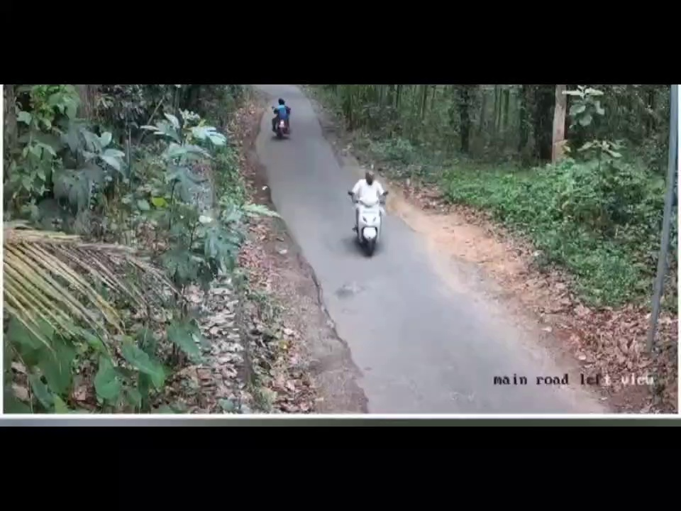
Timestamp | Camera ID | Vehicle ID | Event Type | Location | Velocity | Confidence | Before Image | After Image | Evidence Path
2025-07-12 11:02:37 | Camera1 | 0 | unloading | (np.float32(585.8086), np.float32(300.07153)) | 0.00 | 0.00 |  |  | evidence\event_20250712_110237_0\clip.mp4
2025-07-12 11:02:37 | Camera1 | 0 | hidden_disposal | (np.float32(585.8086), np.float32(300.07153)) | 0.00 | 0.00 |  |  | evidence\event_20250712_110237_0\clip.mp4
2025-07-12 11:02:37 | Camera1 | 1 | unloading | (np.float32(444.60272), np.float32(166.1436)) | 0.00 | 0.00 |  |  | evidence\event_20250712_110237_1\clip.mp4
2025-07-12 11:02:37 | Camera1 | 1 | hidden_disposal | (np.float32(444.60272), np.float32(166.1436)) | 0.00 | 0.00 |  |  | evidence\event_20250712_110237_1\clip.mp4
2025-07-12 11:02:40 | Camera1 | 1 | hidden_disposal | (np.float32(445.70557), np.float32(170.84012)) | 0.95 | 0.00 |  |  | evidence\event_20250712_110240_1\clip.mp4
2025-07-12 11:02:43 | Camera1 | 0 | hidden_disposal | (np.float32(587.1405), np.float32(325.57867)) | 0.07 | 0.00 |  |  | evidence\event_20250712_110243_0\clip.mp4
2025-07-12 11:02:43 | Camera1 | 1 | hidden_disposal | (np.float32(445.899), np.float32(168.74498)) | 0.04 | 0.00 |  |  | evidence\event_20250712_110243_1\clip.mp4
2025-07-12 11:02:51 | Camera1 | 0 | hidden_disposal | (np.float32(595.08545), np.float32(345.64276)) | 0.02 | 0.00 |  |  | evidence\event_20250712_110251_0\clip.mp4
2025-07-12 11:02:51 | Camera1 | 1 | hidden_disposal | (np.float32(445.5864), np.float32(161.9953)) | 0.01 | 0.00 |  |  | evidence\event_20250712_110251_1\clip.mp4
2025-07-12 11:02:59 | Camera1 | 0 | hidden_disposal | (np.float32(604.6731), np.float32(367.5099)) | 0.03 | 0.00 |  |  | evidence\event_20250712_110259_0\clip.mp4
2025-07-12 11:02:59 | Camera1 | 1 | hidden_disposal | (np.float32(446.10767), np.float32(156.38016)) | 0.01 | 0.00 |  |  | evidence\event_20250712_110259_1\clip.mp4
2025-07-12 11:03:00 | Camera1 | 1 | hidden_disposal | (np.float32(446.44), np.float32(155.76834)) | 0.97 | 0.00 |  |  | evidence\event_20250712_110300_1\clip.mp4
2025-07-12 11:03:02 | Camera1 | 1 | hidden_disposal | (np.float32(446.82547), np.float32(155.22205)) | 0.95 | 0.00 |  |  | evidence\event_20250712_110302_1\clip.mp4
2025-07-12 11:03:03 | Camera1 | 1 | hidden_disposal | (np.float32(446.65604), np.float32(155.78648)) | 0.53 | 0.00 |  |  | evidence\event_20250712_110303_1\clip.mp4
2025-07-12 11:03:04 | Camera1 | 1 | hidden_disposal | (np.float32(446.79816), np.float32(154.47498)) | 0.76 | 0.00 |  |  | evidence\event_20250712_110304_1\clip.mp4
2025-07-12 11:03:06 | Camera1 | 1 | hidden_disposal | (np.float32(447.03406), np.float32(151.53842)) | 0.84 | 0.00 |  |  | evidence\event_20250712_110306_1\clip.mp4
2025-07-12 11:03:07 | Camera1 | 0 | hidden_disposal | (np.float32(617.5326), np.float32(392.4984)) | 0.02 | 0.00 |  |  | evidence\event_20250712_110307_0\clip.mp4
2025-07-12 11:03:07 | Camera1 | 1 | hidden_disposal | (np.float32(446.97058), np.float32(151.65253)) | 0.01 | 0.00 |  |  | evidence\event_20250712_110307_1\clip.mp4
2025-07-12 11:03:11 | Camera1 | 1 | hidden_disposal | (np.float32(446.68835), np.float32(147.02415)) | 0.83 | 0.00 |  |  | evidence\event_20250712_110311_1\clip.mp4
2025-07-12 11:03:16 | Camera1 | 0 | hidden_disposal | (np.float32(634.9523), np.float32(421.05078)) | 0.02 | 0.00 |  |  | evidence\event_20250712_110316_0\clip.mp4
2025-07-12 11:03:16 | Camera1 | 1 | hidden_disposal | (np.float32(446.89972), np.float32(146.94621)) | 0.01 | 0.00 |  |  | evidence\event_20250712_110316_1\clip.mp4
2025-07-12 11:03:17 | Camera1 | 1 | hidden_disposal | (np.float32(447.05957), np.float32(146.42615)) | 0.96 | 0.00 |  |  | evidence\event_20250712_110317_1\clip.mp4
2025-07-12 11:03:24 | Camera1 | 0 | hidden_disposal | (np.float32(657.05615), np.float32(456.87762)) | 0.01 | 0.00 |  |  | evidence\event_20250712_110324_0\clip.mp4
2025-07-12 11:03:31 | Camera1 | 1 | unloading | (np.float32(448.50928), np.float32(142.44536)) | 0.30 | 0.00 |  |  | evidence\event_20250712_110331_1\clip.mp4
2025-07-12 11:03:31 | Camera1 | 1 | hidden_disposal | (np.float32(448.50928), np.float32(142.44536)) | 0.30 | 0.00 |  |  | evidence\event_20250712_110331_1\clip.mp4
2025-07-12 11:03:32 | Camera1 | 0 | hidden_disposal | (np.float32(684.915), np.float32(495.71582)) | 0.02 | 0.00 |  |  | evidence\event_20250712_110332_0\clip.mp4
2025-07-12 11:03:33 | Camera1 | 1 | unloading | (np.float32(448.62338), np.float32(142.21814)) | 0.87 | 0.00 |  |  | evidence\event_20250712_110333_1\clip.mp4
2025-07-12 11:03:33 | Camera1 | 1 | hidden_disposal | (np.float32(448.62338), np.float32(142.21814)) | 0.87 | 0.00 |  |  | evidence\event_20250712_110333_1\clip.mp4
2025-07-12 11:03:35 | Camera1 | 1 | hidden_disposal | (np.float32(448.1604), np.float32(142.29541)) | 0.54 | 0.00 |  |  | evidence\event_20250712_110335_1\clip.mp4
2025-07-12 11:03:40 | Camera1 | 0 | hidden_disposal | (np.float32(718.05664), np.float32(522.807)) | 0.01 | 0.00 |  |  | evidence\event_20250712_110340_0\clip.mp4

