Waste Disposal Events
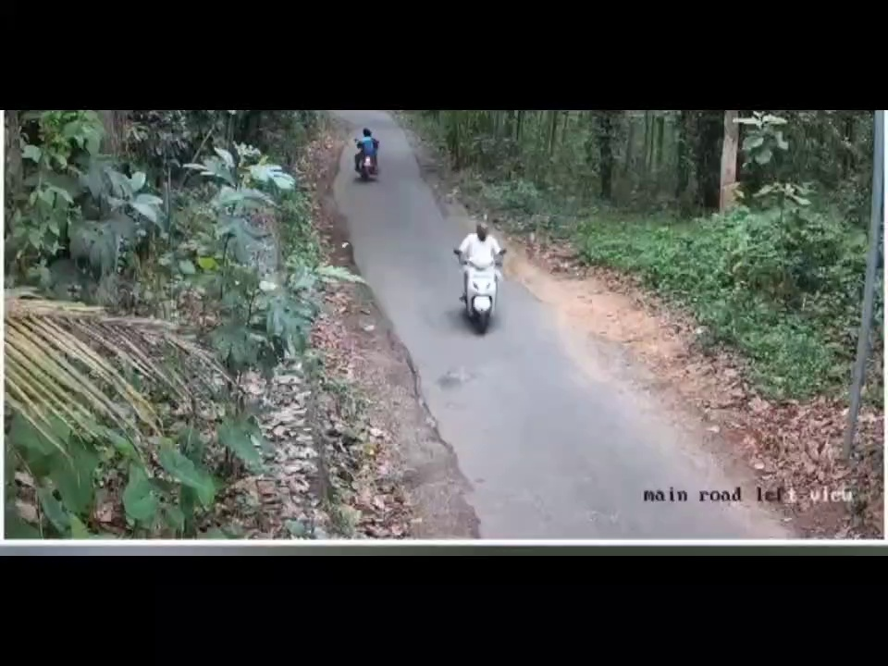
Timestamp | Camera ID | Vehicle ID | Event Type | Location | Velocity | Confidence | Before Image | After Image | Evidence Path
2025-04-25 10:04:22 | Camera1 | 0 | hidden_disposal | (684.9149780273438, 495.7157897949219) | 0.02 | 0.00 |  |  | evidence\event_20250425_100422_0\clip.mp4

