Waste Disposal Events

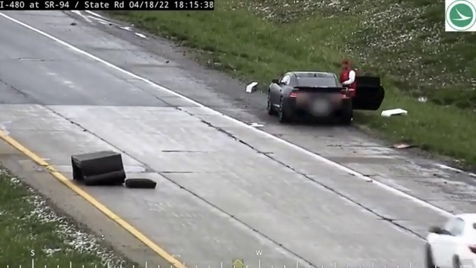
Timestamp | Camera ID | Vehicle ID | Event Type | Location | Velocity | Confidence | Before Image | After Image | Evidence Path
2025-04-25 10:05:58 | Camera1 | 2 | unloading | (422.1669921875, 370.14501953125) | 1.24 | 0.00 |  |  | evidence\event_20250425_100558_2\clip.mp4
2025-04-25 10:05:59 | Camera1 | 2 | unloading | (445.6680908203125, 371.2362060546875) | 1.09 | 0.00 |  |  | evidence\event_20250425_100559_2\clip.mp4
2025-04-25 10:06:00 | Camera1 | 0 | hidden_disposal | (926.629150390625, 575.261962890625) | 0.43 | 0.00 |  |  | evidence\event_20250425_100600_0\clip.mp4
2025-04-25 10:06:00 | Camera1 | 2 | hidden_disposal | (436.8484802246094, 371.58905029296875) | 0.10 | 0.00 |  |  | evidence\event_20250425_100600_2\clip.mp4
2025-04-25 10:06:04 | Camera1 | 2 | unloading | (488.031494140625, 368.4646911621094) | 1.83 | 0.00 |  |  | evidence\event_20250425_100604_2\clip.mp4
2025-04-25 10:06:07 | Camera1 | 0 | hidden_disposal | (872.045166015625, 541.6998291015625) | 0.65 | 0.00 |  |  | evidence\event_20250425_100607_0\clip.mp4
2025-04-25 10:06:07 | Camera1 | 2 | hidden_disposal | (529.4835205078125, 367.1407470703125) | 0.21 | 0.00 |  |  | evidence\event_20250425_100607_2\clip.mp4
2025-04-25 10:06:10 | Camera1 | 11 | hidden_disposal | (702.2852783203125, 264.01123046875) | 0.45 | 0.00 |  |  | evidence\event_20250425_100610_11\clip.mp4
2025-04-25 10:06:11 | Camera1 | 0 | hidden_disposal | (820.4156494140625, 516.779052734375) | 0.20 | 0.00 |  |  | evidence\event_20250425_100611_0\clip.mp4
2025-04-25 10:06:18 | Camera1 | 13 | unloading | (700.6430053710938, 261.0008544921875) | 0.86 | 0.00 |  |  | evidence\event_20250425_100618_13\clip.mp4
2025-04-25 10:06:18 | Camera1 | 13 | hidden_disposal | (700.6430053710938, 261.0008544921875) | 0.86 | 0.00 |  |  | evidence\event_20250425_100618_13\clip.mp4
2025-04-25 10:06:19 | Camera1 | 0 | hidden_disposal | (748.770751953125, 477.323974609375) | 0.00 | 0.00 |  |  | evidence\event_20250425_100619_0\clip.mp4
2025-04-25 10:06:19 | Camera1 | 13 | hidden_disposal | (700.638671875, 261.0007019042969) | 0.00 | 0.00 |  |  | evidence\event_20250425_100619_13\clip.mp4
2025-04-25 10:06:20 | Camera1 | 13 | unloading | (701.697265625, 264.4087219238281) | 1.93 | 0.00 |  |  | evidence\event_20250425_100620_13\clip.mp4
2025-04-25 10:06:25 | Camera1 | 0 | hidden_disposal | (694.5674438476562, 441.0748291015625) | 0.20 | 0.00 |  |  | evidence\event_20250425_100625_0\clip.mp4
2025-04-25 10:06:25 | Camera1 | 17 | hidden_disposal | (704.3377685546875, 261.46875) | 0.05 | 0.00 |  |  | evidence\event_20250425_100625_17\clip.mp4
2025-04-25 10:06:31 | Camera1 | 0 | hidden_disposal | (640.081787109375, 394.3413391113281) | 0.63 | 0.00 |  |  | evidence\event_20250425_100631_0\clip.mp4
2025-04-25 10:06:31 | Camera1 | 18 | hidden_disposal | (703.707763671875, 261.7009582519531) | 0.28 | 0.00 |  |  | evidence\event_20250425_100631_18\clip.mp4
2025-04-25 10:06:38 | Camera1 | 0 | hidden_disposal | (584.6751708984375, 375.49481201171875) | 0.40 | 0.00 |  |  | evidence\event_20250425_100638_0\clip.mp4
2025-04-25 10:06:44 | Camera1 | 0 | hidden_disposal | (533.4013671875, 343.61724853515625) | 0.67 | 0.00 |  |  | evidence\event_20250425_100644_0\clip.mp4
2025-04-25 10:06:47 | Camera1 | 0 | hidden_disposal | (512.7709350585938, 333.54913330078125) | 0.00 | 0.00 |  |  | evidence\event_20250425_100647_0\clip.mp4
2025-04-25 10:06:47 | Camera1 | 21 | hidden_disposal | (706.1161499023438, 259.2235412597656) | 0.00 | 0.00 |  |  | evidence\event_20250425_100647_21\clip.mp4
2025-04-25 10:06:49 | Camera1 | 0 | hidden_disposal | (504.61090087890625, 329.5709228515625) | 0.59 | 0.00 |  |  | evidence\event_20250425_100649_0\clip.mp4

