simple model
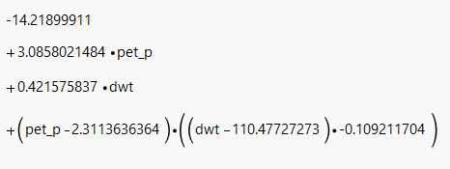
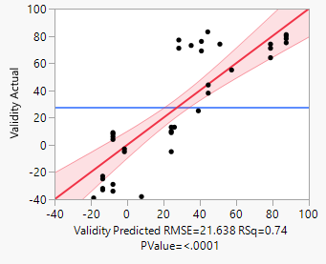
Summary of Fit
RSquare | 0.742301
RSquare Adj | 0.722974
Root Mean Square Error | 21.63834
Mean of Response | 27.27273
Observations (or Sum Wgts) | 44

Lack Of Fit
Source | DF | Sum of Squares | Mean Square | F Ratio
Lack Of Fit | 13 | 15892.068 | 1222.47 | 11.6358
Pure Error | 27 | 2836.65 | 105.06 |  | Prob > F
Total Error | 40 | 18728.718 |  | <.0001
 |  |  |  |  | Max RSq
 |  |  |  | 0.961

Analysis of Variance
Source | DF | Sum of Squares | Mean Square | F Ratio
Model | 3 | 53948.009 | 17982.7 | 38.4066 |  |  | TRIMS AS PER DATASET
Error | 40 | 18728.718 | 468.2 |  | Prob > F |  |  | min | max
C. Total | 43 | 72676.727 |  | <.0001 |  |  | pet_p | 0.9 | 9.1
 |  |  |  |  |  |  | aet_p | 0.7 | 0.9
Parameter Estimates |  |  |  |  |  |  | dwt | 13 | 624
Term | Estimate | Std Error | t Ratio | Prob>|t| | Lower 95% | Upper 95% | validity | -18.5 | 87.5
Intercept | -14.219 | 6.332585 | -2.25 | 0.0303 | -27.01763 | -1.420368
pet_p | 3.0858021 | 2.380803 | 1.3 | 0.2024 | -1.72598 | 7.897584
dwt | 0.4215758 | 0.042086 | 10.02 | <.0001 | 0.3365164 | 0.5066353
(pet_p-2.31136)*(dwt-110.477) | -0.109212 | 0.012727 | -8.58 | <.0001 | -0.134934 | -0.08349

Effect Tests
Source | Nparm | DF | Sum of Squares | F Ratio | Prob > F
pet_p | 1 | 1 | 786.57 | 1.6799 | 0.2024
dwt | 1 | 1 | 46980.71 | 100.3394 | <.0001
pet_p*dwt | 1 | 1 | 34478.36 | 73.6374 | <.0001

Prediction Expression

complex model
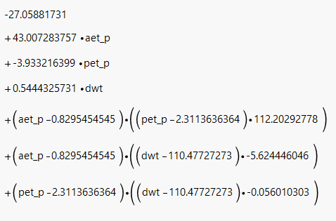
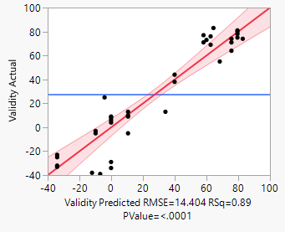
Summary of Fit
RSquare | 0.894379
RSquare Adj | 0.877251
Root Mean Square Error | 14.40366
Mean of Response | 27.27273
Observations (or Sum Wgts) | 44

Lack Of Fit
Source | DF | Sum of Squares | Mean Square | F Ratio
Lack Of Fit | 10 | 4839.5666 | 483.957 | 4.6064
Pure Error | 27 | 2836.65 | 105.061 |  | Prob > F
Total Error | 37 | 7676.2166 |  | 0.0007
 |  |  |  |  | Max RSq
 |  |  |  | 0.961
Analysis of Variance
Source | DF | Sum of Squares | Mean Square | F Ratio
Model | 6 | 65000.511 | 10833.4 | 52.218 |  |  | TRIMS AS PER DATASET
Error | 37 | 7676.217 | 207.5 |  | Prob > F |  |  | min | max
C. Total | 43 | 72676.727 |  | <.0001 |  |  | pet_p | 0.9 | 9.1
 |  |  |  |  |  |  | aet_p | 0.7 | 0.9
Parameter Estimates |  |  |  |  |  |  | dwt | 13 | 624
Term | Estimate | Std Error | t Ratio | Prob>|t| | Lower 95% | Upper 95% | validity | -34.1 | 82.8
Intercept | -27.05882 | 119.5338 | -0.23 | 0.8222 | -269.2573 | 215.13969
aet_p | 43.007284 | 147.8766 | 0.29 | 0.7728 | -256.6193 | 342.63383
pet_p | -3.933216 | 1.999949 | -1.97 | 0.0568 | -7.985498 | 0.1190649
dwt | 0.5444326 | 0.137195 | 3.97 | 0.0003 | 0.266449 | 0.8224161
(aet_p-0.82955)*(pet_p-2.31136) | 112.20293 | 31.45807 | 3.57 | 0.001 | 48.462829 | 175.94303
(aet_p-0.82955)*(dwt-110.477) | -5.624446 | 2.099066 | -2.68 | 0.0109 | -9.877557 | -1.371335
(pet_p-2.31136)*(dwt-110.477) | -0.05601 | 0.013189 | -4.25 | 0.0001 | -0.082733 | -0.029287

Effect Tests
Source | Nparm | DF | Sum of Squares | F Ratio | Prob > F
aet_p | 1 | 1 | 17.5481 | 0.0846 | 0.7728
pet_p | 1 | 1 | 802.423 | 3.8677 | 0.0568
dwt | 1 | 1 | 3267.0578 | 15.7475 | 0.0003
aet_p*pet_p | 1 | 1 | 2639.3063 | 12.7217 | 0.001
aet_p*dwt | 1 | 1 | 1489.5428 | 7.1797 | 0.0109
pet_p*dwt | 1 | 1 | 3741.6972 | 18.0353 | 0.0001

Prediction Expression

