My Sheet
Image | Title | Category | Price IDR (+15%) | Tokopedia Page
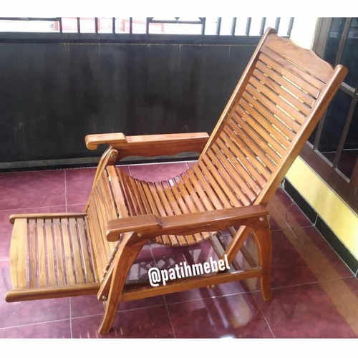 | kursi malas kayu jati | Kursi Malas | 1150.000 | Link to Tokopedia page
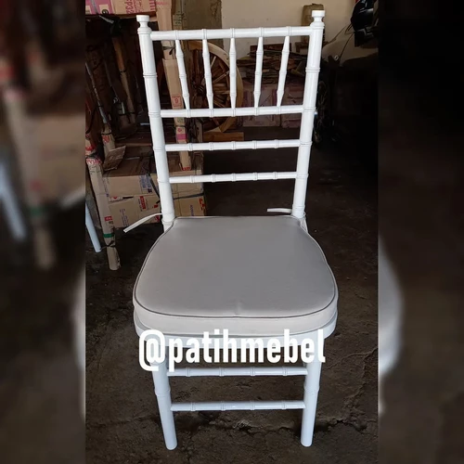 | kursi tifany 1 pcs Natural | Kursi | 345.000 | Link to Tokopedia page
 | kursi tiffany Natural 2pcs | Kursi | 661.000 | Link to Tokopedia page
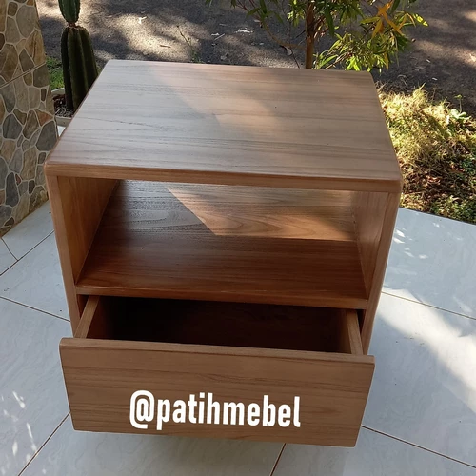 | Nakas Retro Natural Custom | Meja Rias | 920.000 | Link to Tokopedia page

