Overview
 | Orange Juice Game Overview

The orange juice game is a test of coordination and planning under uncertainty.

Game objective
Each team acts as the management of a company that produces and sells orange
juice products. By making optimal decisions regarding shipping, manufacturing, futures,
storages, pricing, etc, the company seeks to maximize its annual net profits.

Basic game flow
Flow Chart

Grove
(Arriving at FLA only)
Futures
 |  | ORA: | Fresh oranges
 |  | POJ: | Premium orange juice
 |  | FCOJ: | Frozen concentrate orange juice
ORA
 |  | ROJ: | Reconstituted orange juice

ORA
Processing Center
FCOJ
 |  | Futures: | details
 |  | Grove: | where the company makes spot
 |  | purchases of fresh oranges. Some oranges
ORA
 |  | are delivered directly to storages for sale,
 |  | others are delivered to processing plants
POJ, FCOJ
 |  | for further processing… |  |  | details
 |  | Processing plant: |  | where fresh oranges
Storage
 |  | are made into POJ and FCOJ. Products
ROJ
 |  | are delivered to storages for sales… |  |  |  | details
 |  | Storage: | where some FCOJ is reconstituted
ORA, POJ, FCOJ, ROJ
 |  | into ROJ and all products are stored to be sold.
 |  | details
 |  | Market: | details
 |  | Transportation: |  | there are three types of
Market
 |  | transportation.
 |  | from groves to processing plants or storages
 |  | from processing plants to storages
 |  | from storages to markets… |  |  | details
Timing
Teams play the game for one year at a time using the decision spreadsheet. The
intrayear time step in the game is 1 week. A year is comprised of 48 total weeks,
dividing up into 12 months. One week is how long it takes for one decision to be
made or one complete event to occur, except for transportation via carrier from
processing plants to storages.

Units
All processing units are in tons. All prices are in units of $/lb. (1 ton = 2000lb)

Realism
In creating this game, we tried our best to simulate the orange industry in as realistic
a manner as possible. This game is based on a survey of the real orange industry.
However, to make the game interesting from the viewpoint of operations research,
we have added several features that do not exist in the real world. These minor touches
are all very intuitive and serve either to add extra dimensions of complexity to the
game or to simplify complicated situations.

 |  | Good luck!

Historical Data
History
Brief Intro to Mom&Pop
Before YOU take over, Mom&Pop runs the OJ company from 2005 to 2014.
Mom&Pop is a relatively small-scaled company.

How to look at history files?
Mom&Pop has its ups and downs. Even though Mom&Pop might not have
stellar sales performances, by looking at its history files, you can get a sense
of how every decision you make can affect the market demand for orange
products. Therefore, analysing history files is an important part of the Ojgame.
We suggest you pay attention to a few aspects of the history files.
1. Harvest prices
Harvest prices are the prices at which you purchase fresh ORA at each grove.
2. Futures prices
It is helpful to keep track of how the prices of each type of futures change
over the years.
3. Sales of orange products
You might get a sense of the market demand by looking at the sales data,
which includes the prices Mom&Pop charges and the quantity sold.
4. Capacity shortage
5. Inventory Overflow

There is a spreadsheet (ChartPlotter) which might help you with data analysis.
With ChartPlotter, you can view different types of graphs of Mom&Pop's history
files. Moreover, by specifying the team name and folder name, you can even
plot graphs with your own data! Please note that the current version of ChartPlotter
seems to work for Windows systems, but not necessarily Mac OS; besides
it occasionally crashes (unfortunately, the "vendor" who provided this software to
Mom&Pop has "moved on" and Mom&Pop has not been able to find anybody
else who could offer maintenance support …).
Note that to plot graphs of Mom & Pop you must create your own copies of the
history files: You will not be able to choose the MomPop folder as the directory.
*screenshot of ChartPlotter
Specify the folder of the result files
 | Plot Charts to analyze data

 | Enter path to folder where workbooks are located
> | C:\OJGame\MomPop\Results

 | Enter Company Name
> | MomPop
Specify company name
Enter initial year

 |  | > | Fr Year: | 2005
 |  | > | Til Year: | 2014
Enter final year

 |  | > | Fr Year: | 2005
 |  | > | Til Year: | 2014

 |  | > | Fr Year: | 2005
 |  | > | Til Year: | 2014

 |  | > | Fr Year: | 2005
 |  | > | Til Year: | 2014

 |  | > | Fr Year: | 2005 | Use the pull down box to plot futures for oranges or FCOJ (frozen concentrate)
 |  | > | Til Year: | 2014

 | Note: Please run only one macro at a time.

Note: There is a lot more you can do to analyze Mom&Pop's history files.
You should use the content illustrated above as a jump start to come up
with your own analysis.

Futures
Futures Contracts

Futures contracts are made between you and a foreign orange grower and are
guaranteed. Futures purchases are made one to five years in advance
of delivery. | You are allowed only to hold long positions.
Current futures prices.
Port: | FLA
Products: | ORA & FCOJ
Enter the amount of ORA futures to purchase
You can specify the percentage of matured futures arriving at FLA each week
of the year specified in the contract.

* screenshot from decision spreadsheet
Purchases at the Futures Market(tons) (ORA and FCOJ)

 |  | 1999 |  | 2000 |  | 2001 |  | 2002 |  | 2003 |  | 2004
Type | Maturity | Price | Quantity | Price | Quantity | Price | Quantity | Price | Quantity | Price | Quantity | Price | Quantity | Sum
ORA Contracts | 2004 | 0.58121614106 | 0 | 0.6351111062 | 0 | 0.53002908879 | 0 | 0.70540423353 | 0 | 0.6078801196 | 0 |  | Matured Amount: | 0
 | 2005 |  |  | 0.61615636207 | 0 | 0.53806391623 | 0 | 0.69607040514 | 0 | 0.56942423711 | 0 | 0.65281558839 |  | 0
 | 2006 |  |  |  |  | 0.53181174561 | 0 | 0.65977837113 | 0 | 0.54072556975 | 0 | 0.63376755592 |  | 0
These white cells should be left blank
 | 2007 |  |  |  |  |  |  | 0.63260673061 | 0 | 0.54172743585 | 0 | 0.57911344685 |  | 0
 | 2008 |  |  |  |  |  |  |  |  | 0.53922415793 | 0 | 0.57002749878 |  | 0
 | 2009 |  |  |  |  |  |  |  |  |  |  | 0.5307461828 |  | 0
FCOJ Contracts | 2004 | 0.86228441131 | 0 | 0.84813402045 | 0 | 0.77390924127 | 0 | 0.88411424734 | 0 | 0.85050235696 | 0 |  | Matured Amount: | 0
 | 2005 |  |  | 0.80671757252 | 0 | 0.72796772988 | 0 | 0.83254234831 | 0 | 0.85494939002 | 0 | 0.76220098799 |  | 0
 | 2006 |  |  |  |  | 0.73043606259 | 0 | 0.816600682 | 0 | 0.81743005103 | 0 | 0.74468525054 |  | 0
These white cells should be left blank
 | 2007 |  |  |  |  |  |  | 0.82637593375 | 0 | 0.79501474327 | 0 | 0.7426844224 |  | 0
 | 2008 |  |  |  |  |  |  |  |  | 0.7326574266 | 0 | 0.73742804216 |  | 0
 | 2009 |  |  |  |  |  |  |  |  |  |  | 0.67617183924 |  | 0

Arrival of matured ORA Futures and FCOJ Futures(%)

Enter the amount of
FCOJ futures to purchase
Type:Month | Sep | Oct | Nov | Dec | Jan | Feb | Mar | Apr | May | Jun | Jul | Aug | Sum
ORA Contracts |  |  |  |  |  |  |  |  |  |  |  |  | 0
FCOJ Contracts |  |  |  |  |  |  |  |  |  |  |  |  | 0

Enter a number between 0 and 100 (inclusive)
* excerpt incomplete due to space limit

Note: Futures FCOJ bypasses processing centers and is delivered directly
from FLA to storages. Futures ORA, on the other hand, like any other ORA raw
material, is delivered to processing centers and/or storages.

Grove
Grove

Domestic
You make spot purchases of fresh oranges at any of the six groves below:
FLA: | Florida
CAL: | California
TEX: | Texas |  |  | Click | here | to view locations in the USA map
ARZ: | Arizona
Foreign
BRA: | Brazil
SPA: | Spain
Purchases are constrained by orange availability.

Domestic locations: Subject to weather conditions and other factors that affect
availability and price. You buy fresh ORA from them as if you were going to a store.
They tell you how much their oranges cost and you tell them how much you want.
Prices and availability rise and fall throughout the year.

Foreign locations: A near infinite supply of oranges are available. However, prices are
subject to fluctuations of foreign exchange rate. Foreign purchases arrive at FLA.
Enter amount of fresh oranges (ORA) to purchase
Unit: tons/week
(Please note that the
unit is in tons per week
and NOT per month)
* screenshots from decision spreadsheet:
Raw Materials
Purchases at the Spot Market(tons per week in a month) (ORA)

Grove:Month | Sep | Oct | Nov | Dec | Jan | Feb | Mar | Apr
FLA | 1000
CAL
TEX
ARZ
BRA
SPA
Enter quantity multiplier when price 2 < real price <= price 3
(Note: quantity multiplier = 0 if real price > price 3)

Quantity Multipliers(unit, $/lb)

Grove:Multiplier | Multiplier | Price 1 | Multiplier | Price 2 | Multiplier | Price 3
FLA | 2 | 0.5 | 1.1 | 0.9 | 0.75 | 1.2
CAL
TEX
ARZ
BRA
Enter prices
(Note Unit: $/lb)
SPA

Example:
Using the numbers above,
You want to buy 1000 tons of ORA from FLA in September.
If the real price is between 0 and 0.5 then you buy 2000 tons.
If the real price is between 0.5 and 0.9 then you buy 1100 tons.
If the real price is between 0.9 and 1.2 then you buy 750 tons.
If the real price is greater than 1.2 then you buy 0.

Processing Plant
Processing plant
Facilities
There are 10 available locations spread around the country: |  |  |  |  |  | P1-P10 | You can
choose any of them to process your oranges by adding capacity to that particular
plant. You can also sell capacity by inputting negative numbers. But you always
have to have at least one processing plant open (that is, with capacity greater than 0).
Enter capacity: positive number to buy, negative number to sell.
* screenshot from decision spreadsheet
Plants(tons)

Location | Buy/Sell capacity | this year |  |  | next year
P01 |  | 15000 |  | -> | 15000
P02 |  | 0 |  | -> | 0
P03 |  | 0 |  | -> | 0
P04 |  | 0 |  | -> | 0
P05 |  | 0 |  | -> | 0
P06 |  | 0 |  | -> | 0
P07 |  | 0 |  | -> | 0
P08 |  | 0 |  | -> | 0
P09 |  | 0 |  | -> | 0
P10 |  | 15000 |  | -> | 15000
 |  | 2 | Plants
Notes:
Capacity decisions only take effect at the end of the year (or the beginning of the next
year), but the upgrading/opening costs (or sales revenues) are incurred in the year
the decision is made.
Costs:
New processing plant ($/location) |  |  |  |  |  | 12,000,000
Processing plant capacity upgrade |  |  |  |  |  | 8000
Processing plant maintenance ($/location per year) |  |  |  |  |  | 8,000,000 | + | 2500 | * | tons of capacity
Salvaged percentage of depreciated processing plant |  |  |  |  |  | 70%

Manufacturing
Each week, all arriving oranges that do not exceed process capacity will be turned into
some designated combination of POJ and FCOJ.
Costs:
 | Plant manufacture POJ ($/ton) |  |  |  |  | 2000
 | Plant manufacture FCOJ ($/ton) |  |  |  |  | 1000

continued on the next page…

* screenshot from decision spreadsheet
Manufacturing
Process ORA into POJ or FCOJ(%)
Enter a number between 0 and 100 (inclusive)
Plant | P01 |  | P10
Product | POJ | FCOJ | POJ | FCOJ
Proportion | 0 | 100 | 0 | 100

Inventories
Inventories get tossed out when there is capacity shortage.
Capacity at the processing plants constrains the amount of fresh oranges that can arrive at
the plant at one time. If the total amount of oranges arriving is greater than the capacity,
excess inventories must be removed. POJ and FCOJ produced at the plant in one week
are also constrained by capacity, along with the arriving oranges at the beginning of the
next week.
Overflow inventories disposal is a decision by itself.

Strikes and breakdowns
At your processing plants, there is a 5% chance in any given week that a breakdown will
occur. That means no orange products are made and no fresh oranges are consumed.
These breakdowns could have serious repercussions throughout your entire supply chain,
besides possibly affecting the capacity constraints at the plants.

Storage
Storage
Facilities
There are several available locations spread around the country. |  |  |  |  |  |  |  | Locations
You can choose any of them to store your finished products and/or make
ROJ by buying capacity to that particular location. You can also sell capacity
to earn some sales revenue by inputting negative numbers. But you always have
to have at least one storage facility open (that is, with capacity greater than 0).
Enter capacity, positive number to buy, negative number to sell
* screenshot from decision spreadsheet
Storages(tons)

Location | Buy/Sell capacity | this year |  |  | next year
S01 | 1000 | 0 |  | -> | 1000 | new
S13 |  | 0 |  | -> | 0
S14 |  | 0 |  | -> | 0
S15 |  | 0 |  | -> | 0
S21 | 1000 | 0 |  | -> | 1000 | new
S22 |  | 0 |  | -> | 0
S23 |  | 0 |  | -> | 0
S24 |  | 0 |  | -> | 0
S25 | -2000 | 2000 |  | -> | 0 | sold
S26 |  | 0 |  | -> | 0
S27 |  | 0 |  | -> | 0
* excerpt incomplete due to space limit

Notes:
Capacity decisions only take effect at the end of the year (or the beginning of the next
year), but the upgrading/opening costs (or sales revenues) are incurred in the year
the decision is made.
Costs:
New storage ($/location) |  |  |  |  |  | 9,000,000
Storage capacity upgrade ($/ton) |  |  |  |  |  | 6,000
Storage maintenance ($/location per year) |  |  |  |  |  | 7,500,000 | + | 650 | * | tons of capacity
Salvaged percentage of depreciated storage center |  |  |  |  |  | 80%

Reconstitution
You can turn any FCOJ into ROJ. You specifiy the percentage of FCOJ to be turned into
ROJ in the decision spreadsheet.
It takes one week to process FCOJ into ROJ.
Storage reconstitute cost ($/ton) |  |  |  |  |  | 650

continued on the next page…

Enter a number between 0 and 100 (inclusive)
screenshot from decision spreadsheet
Reconstitution
Reconstitute FCOJ into ROJ at Storages(%)

Storage:Month | Sep | Oct | Nov | Dec | Jan | Feb
S25
S41
S49
S52
S54
S60
S67

* excerpt incomplete due to space limit

Inventories
Storage locations hold your products until there is demand for them.
Storage hold cost ($/ton per week) |  |  |  |  |  | 60
Inventories are tossed out in the following two situations:
Spoilage
Your orange products are organic and do not last forever. Products left in your system
for too long will go bad and become worthless. Once a product has exceeded its
lifespan, it can no longer be sold and will be disposed of immediately.
Lifespans:
 | ORA |  | 4 weeks
 | POJ |  | 8 weeks
 | ROJ |  | 12 weeks
 | FCOJ |  | 48 weeks
e.g. a ton of ROJ will be thrown out 13 weeks after it has been produced.
Capacity shortage
Storage capacity constrains how much inventory can be warehoused at one time.
Excess inventories are removed by removing products in the order that they will spoil.
So if you have 1 week old ORA and 40 week old FCOJ, the 1 week old ORA will spoil in
3 weeks, and the 40 week old FCOJ will spoil in 7 weeks, so the 3 week ORA is removed first.

Example:
Let say capacity shortage = 100 (I.e. 100 tons of products need to be tossed out)
Then…
Product | Age |  | Inventories |  | Tossed out
ORA | … |  | …
 | 3 weeks old |  | 10 |  | 1.25
 | 4 weeks old |  | 15 |  | 15
POJ | … |  | …
 | 7 weeks old |  | 25 |  | 3.125
 | 8 weeks old |  | 45 |  | 45
ROJ | … |  | …
 | 11 weeks old |  | 25 |  | 3.125
 | 12 weeks old |  | 30 |  | 30
FCOJ | … |  | …
 | 47 weeks old |  | 20 |  | 2.5
 | 48 weeks old |  | 0 |  | 0
 |  |  |  | Total: | 100

Market
Market
Market demand varies by location and time. Once you have set your price, each location
will specifically request a certain amount of each orange product. Only product in the closest
storage facility can be used to satisfy market demand. Therefore, demand that cannot be
satisfied with product from the closest storage facility is lost. This policy is adopted to keep
transportation costs under control.
Products are to a limited extent substitutable: If there is not enough ORA some customers will
take POJ; if there is not enough POJ some customers will take ROJ; and if there is not enough
ROJ some customers will take FCOJ.
Once your product reaches market, it leaves your control and you earn some revenue.

Market Segmentation
The markets in the US are separated from each other and have generally consistent
demand. Each region has its own preferences. You can take advantage of this by
price differentiating between different regions. Note though that no prices higher than $4/lb
will be allowed. The market will not accept them and will automatically cap them at $4/lb.
 | NE: | North East
 | MA: | Mid Atlantic
 | SE: | South East |  |  | Click | here | for a map
 | MW: | Mid West
 | DS: | Deep South
Enter monthly prices for each product in each region
 | NW: | North West
 | SW: | South West
* screenshot from decision spreadsheet
 | Sales
 | Pricing for each product in each region($/lb)

ORA | Region:Month | Sep | Oct | Nov | Dec | Jan | Feb | Mar | Apr
 | NE
 | MA
 | SE
 | MW
 | DS
 | NW
 | SW

POJ | Region:Month | Sep | Oct | Nov | Dec | Jan | Feb | Mar | Apr
 | NE
 | MA
 | SE
 | MW
 | DS
 | NW
 | SW
* excerpt incomplete due to space limit

Transportation
Transportation
From groves to processing plants or storages
Contracted motor carriers deliver a certain amount of oranges, according to the percentage
designated by you, from groves to processing plants or storages. The carriers are 100%
dependable and they deliver products one week after they are harvested.
Travel cost from groves ($/ton/mile): |  |  |  |  | 0.22
Enter a number between 0 and 100 (inclusive)
* screenshot from decision spreadsheet
Ship ORA from Groves to Plants or Storages(%)

From:To | P01 | P10 | S25 | S41 | S49 | S52 | S54 | S60 | S67
FLA
CAL
TEX
ARZ
BRA
Make sure each row adds up to 100
SPA

From processing plants to storages
There are two ways to move products from processing plants to storages
1. Using tanker cars
Tanker cars offer dependable services. They require 1 week to deliver products and
1 week to return to the processing plant to pick up more products.
Each tanker car is based at a particular processing plant. It always returns to that plant
after each delivery.
 | New tanker car cost ($/car): |  |  |  |  | 100,000
Tanker car costs are considered immediate costs. They are recorded right away.
You can also sell tanker cars.
 | Salvaged percentage of depreciated TankCar |  |  |  |  | 60%

Enter units of cars (positive integer to buy, negative integer to sell)
*screenshot from decision spreadsheet
TankCars(unit of cars)

Location | Buy/Sell | this year |  |  | next year
P01 |  | 600 |  | -> | 600
P02 |  | 0 |  | -> | 0
P03 |  | 0 |  | -> | 0
P04 |  | 0 |  | -> | 0
P05 |  | 0 |  | -> | 0
P06 |  | 0 |  | -> | 0
P07 |  | 0 |  | -> | 0
P08 |  | 0 |  | -> | 0
P09 |  | 0 |  | -> | 0
P10 |  | 600 |  | -> | 600
 |  | 1200 | TankCars
If you decide to hold a tanker car for a week, you must still pay the workers' wages and
its maintenance cost. If you use one car, you must pay its traveling cost.
 | Tanker car hold cost ($/car/week): |  |  |  |  | 10
 | Tanker car traveling cost ($/car/mile): |  |  |  |  | 36
 | Tanker car capacity (tons): |  |  |  |  | 30
Note that you only pay hold cost for cars that do not travel in the week.
The traveling cost replaces the hold cost for cars that do travel.

2. Using an independent carrier
Less dependable than tanker cars. There is a 30% chance that your products arrive
one week later than anticipated and a 9% chance that your products arrive 2 weeks
later than expected. Furthermore, the regular travel time between a plant and a
storage facility is one week if the distance between the two is less than or equal to
2000 mi, and it is two weeks if the distance is greater than 2000 mi. Therefore
there is a chance that it may take up to four weeks for product to move from a
plant to a storage facility by independent carrier.
 | Independent carrier traveling cost ($/ton/mile): |  |  |  |  | 0.65

*screenshot of decision spreadsheet
Shipping
Ship FCOJ (futures) from FLA to Storages; Ship POJ, FCOJ from Plants to Storages(%)

Enter a number between 0 and 100 (inclusive)
From | Futures | P01 |  | P10
Product | FCOJ | POJ | FCOJ | POJ | FCOJ
S25 | 100 | 30 | 30
S41 |  | 30 | 30
S49 |  |  |  | 30 | 30
S52 |  | 20 | 20
S54 |  |  |  | 30 | 30
S60 |  | 20 | 20
S67 |  |  |  | 40 | 40
Sum | 100 | 100 | 100 | 100 | 100

Note: | FCOJ futures are delivered from FLA grove to storages, following the
the transporation rules of from groves to storages.

From storages to markets
Transportation from storages to markets are also handled by contracted motor carriers.
They are always prompt and have a fixed cost.
 | Carrier cost ($/ton/mile): |  |  |  |  | 1.2

Grove locations
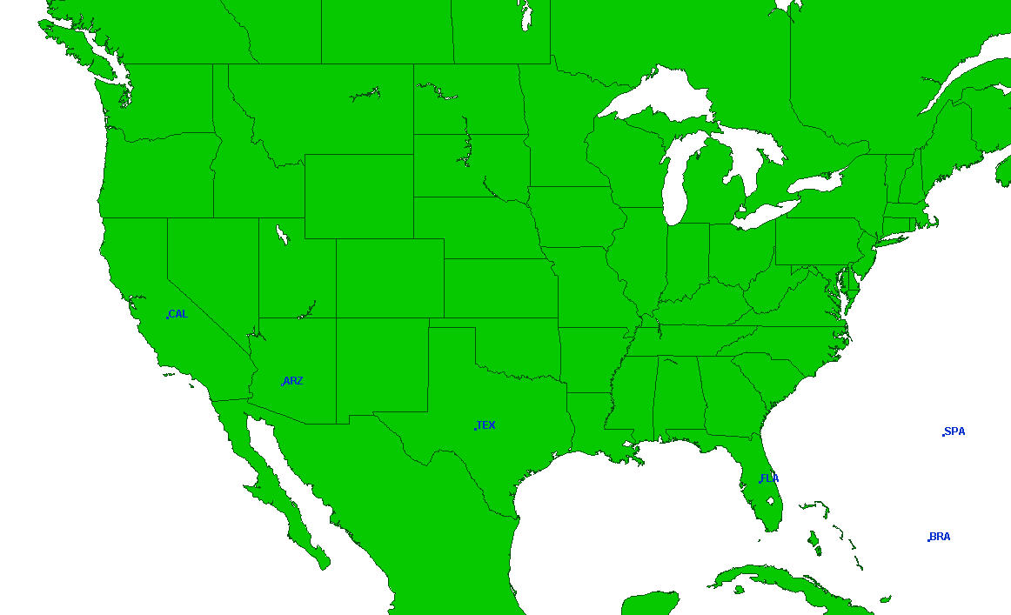
Groves

Processing Plant locations
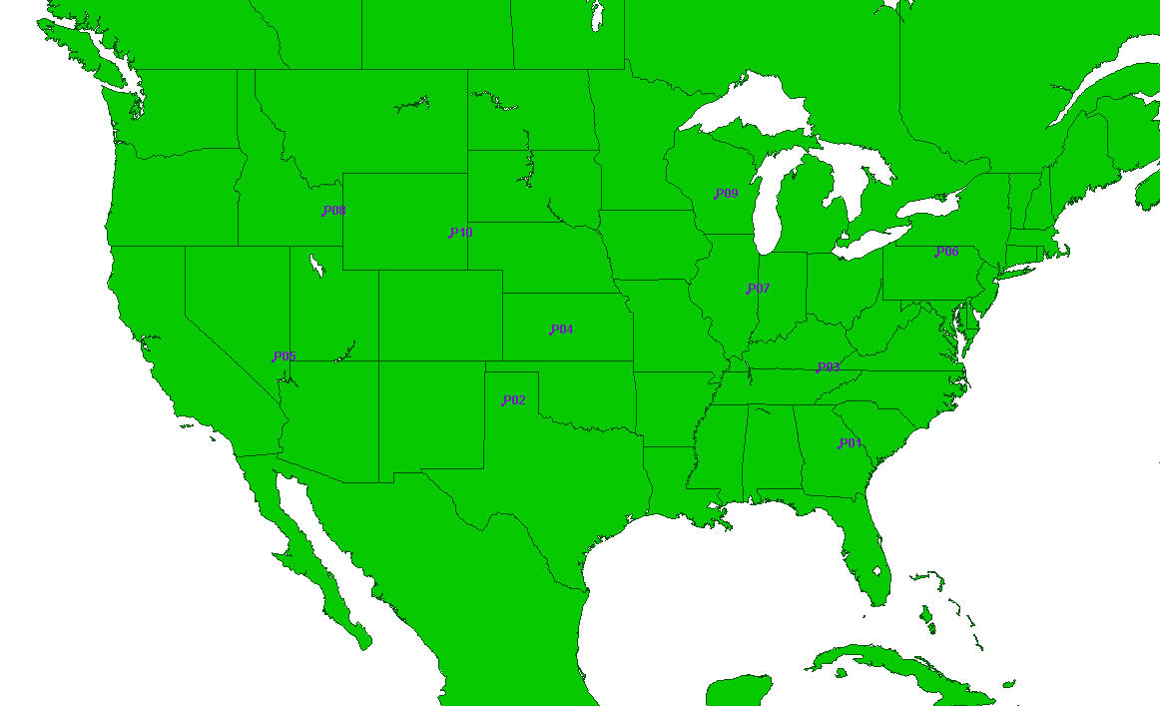
Potential manufacturing locations

Storage locations

Potential storage locations

Market locations
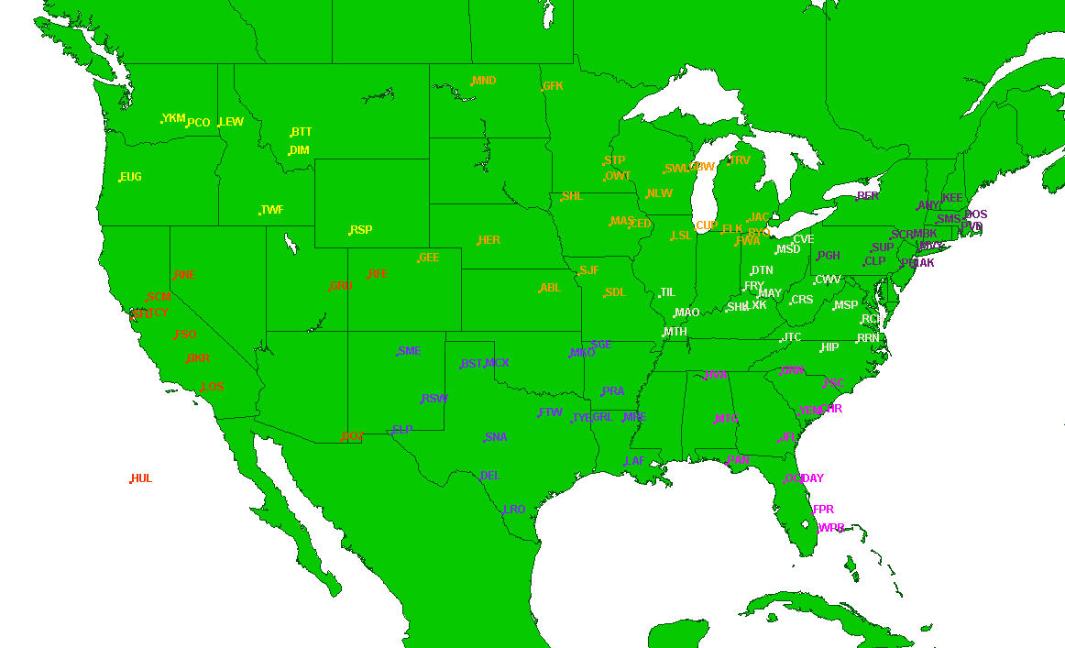
Markets colored by region

Raw parameter data
Disclosed Information
This sheet contains raw parameter data from the gamemaster.xls. All of this information is imbedded in the game writeup in this spreadsheet.

 |  | Simulator's Parameters
 |  | PLANTS
 |  | Manufacturing Cost($/ton)
 | > | POJ | 2000
 | > | FCOJ | 1000

 |  | Chance of Plants to breakdown in any week(%)
 | > | 5.00%

 |  | STORAGES
 |  | Storage Hold Cost($/ton per week)
 | > | 60

 |  | Storage Reconstitute Cost($/ton)
 | > | 650

 |  | TRANSPORTATION
 |  | from Groves
 |  | Transportation Cost from Groves($/ton/mile)
 | > | 0.22

 |  | from Plants
 |  | TankCar Hold Cost($/unit per week)
 | > | 10
 |  | TankCar Travel Cost($/unit/mile)
 | > | 36
 |  | TankCar Carrying Capacity(tons)
 | > | 30
 |  | Transportation Cost using Independent Carrier($/ton/mile)
 | > | 0.65
 |  | Chance of delay using Independent Carrier(%)
 | > | 1 week | 30.00%
 | > | 2 weeks | 9.00%

 |  | from Storages
 |  | Transportation Cost from Storages($/ton/mile)
 | > | 1.2

 |  | FACILITIES ADJUSTMENTS
 |  | New Processing Plant Facility Cost($/location)
 | > | 12000000
 |  | Processing Plant Capacity Upgrade Cost($/ton)
 | > | 8000
 |  | Processing Plant Maintenance Cost($/location per year)
 | > | 8000000 | + ( | 2500 | * tons of capacity)
 |  | New Storage Center Facility Cost($/location)
 | > | 9000000
 |  | Storage Center Capacity Upgrade Cost($/ton)
 | > | 6000
 |  | Storage Center Maintenance Cost($/location per year)
 | > | 7500000 | + ( | 650 | * tons of capacity)
 |  | New TankCar Cost($/unit)
 | > | 100000
 |  | Salvaged percentage of depreciated processing plant(%)
 | > | 70
 |  | Salvaged percentage of depreciated TankCar(%)
 | > | 60
 |  | Salvaged percentage of depreciated Storage Center(%)
 | > | 80

