Calculator
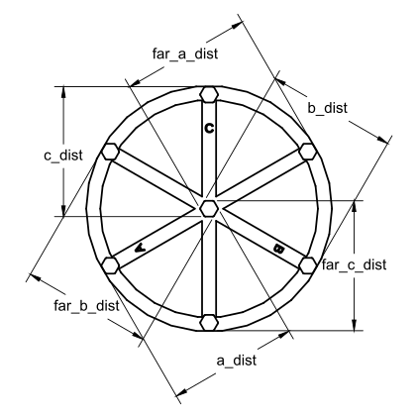
Enhanced Delta Calibration | See: | https://www.klipper3d.org/Delta_Calibrate.html |  |  |  |  | V: 1.0 | Latest Version: | Flsun-v400/Calibration at main · eeichhorn/Flsun-v400 (github.com)
Key | 1 | 2 | 3 | 4 | 5
Cells in Yellow Should to filled in by the user |  | Optional, but recommended for accuracy
Cell Coloring | REQUIRED | USING | IGNORED
G-code commnnds will be calculated based on the input values
Takes up to 5 measurements for each measurement and averages (at least 1 measurement per field is required)
Copy the G-code commnad (in BOLD)into your console for each step
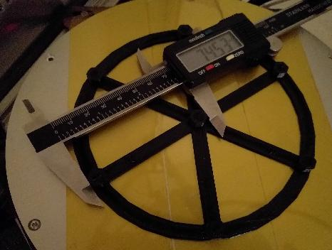
Center Pillar to Pillar Measurement Step 1 | 1 | 2 | 3 | 4 | 5 | Average
a_dist | 110.91 | 110.93 | 110.95 | 110.96 | 110.97 | 110.944
far_c_dist | 110.94 | 111.08 | 111.04 | 111.05 | 111.02 | 111.026
b_dist | 110.93 | 110.83 | 110.89 | 110.9 | 110.92 | 110.894
far_a_dist | 110.85 | 111.02 | 110.9 | 110.93 | 110.9 | 110.92
c_dist | 110.8 | 110.84 | 110.89 | 110.9 | 110.83 | 110.852
far_b_dist | 110.98 | 110.97 | 111.01 | 111 | 110.92 | 110.976

Formula | DELTA_ANALYZE CENTER_DISTS=<a_dist>,<far_c_dist>,<b_dist>,<far_a_dist>,<c_dist>,<far_b_dist>
Forumal Check | DELTA_ANALYZE CENTER_DISTS=<a_dist>,<far_c_dist>,<b_dist>,<far_a_dist>,<c_dist>,<far_b_dist>
G-code Command | DELTA_ANALYZE CENTER_DISTS=110.944,111.026,110.894,110.92,110.852,110.976

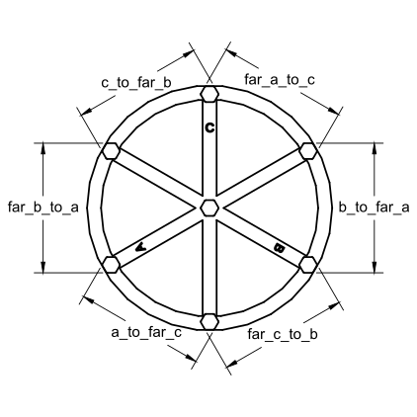
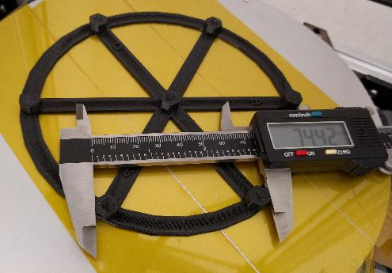
Pillar to Pillar Measurement Step 2 | 1 | 2 | 3 | 4 | 5 | Average
a_to_far_c | 110.92 | 110.94 | 110.85 | 110.87 | 110.91 | 110.898
far_c_to_b | 110.98 | 110.97 | 110.98 | 110.99 | 111 | 110.984
b_to_far_a | 110.99 | 110.94 | 110.97 | 110.99 | 110.96 | 110.97
far_a_to_c | 110.92 | 110.96 | 110.91 | 110.93 | 110.92 | 110.928
c_to_far_b | 110.65 | 110.75 | 110.79 | 110.75 | 110.74 | 110.736
far_b_to_a | 110.87 | 110.84 | 110.87 | 110.92 | 110.95 | 110.89

Forumla | DELTA_ANALYZE OUTER_DISTS=<a_to_far_c>,<far_c_to_b>,<b_to_far_a>,<far_a_to_c>,<c_to_far_b>,<far_b_to_a>
Forumal Check | DELTA_ANALYZE OUTER_DISTS=<a_to_far_c>,<far_c_to_b>,<b_to_far_a>,<far_a_to_c>,<c_to_far_b>,<far_b_to_a>
G-code Command | DELTA_ANALYZE OUTER_DISTS=110.898,110.984,110.97,110.928,110.736,110.89
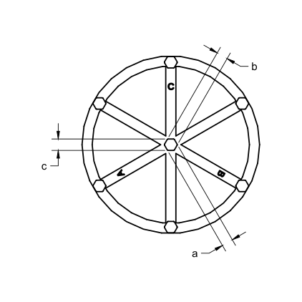

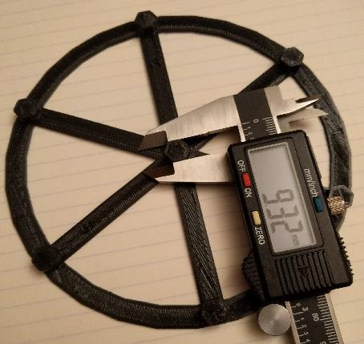
Center Pillar Width Measurement Step 3 | 1 | 2 | 3 | 4 | 5 | Average
a | 13.47 | 13.5 | 13.471 | 13.49 | 13.49 | 13.4842
b | 13.41 | 13.4 | 13.41 | 13.35 | 13.34 | 13.382
c | 13.39 | 13.4 | 13.38 | 13.39 | 13.39 | 13.39

Formula | DELTA_ANALYZE CENTER_PILLAR_WIDTHS=<a>,<b>,<c>
Forumal Check | DELTA_ANALYZE CENTER_PILLAR_WIDTHS=<a>,<b>,<c>
G-code Command | DELTA_ANALYZE CENTER_PILLAR_WIDTHS=13.4842,13.382,13.39

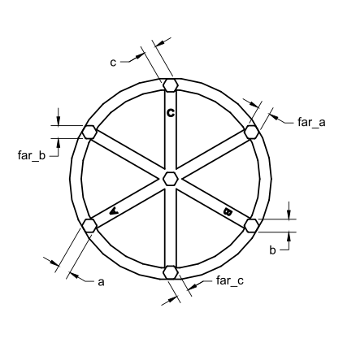

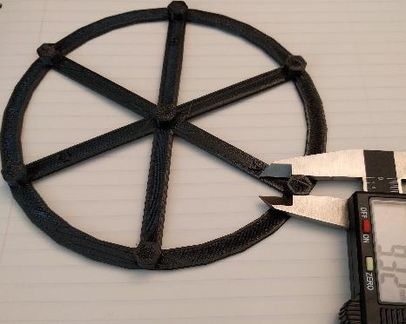
Outer Pillar Width Measurement Step 5 | 1 | 2 | 3 | 4 | 5 | Average
a | 13.4 | 13.4 | 13.43 | 13.39 | 13.42 | 13.408
far_c | 13.31 | 13.36 | 13.35 | 13.34 | 13.33 | 13.338
b | 13.47 | 13.5 | 13.48 | 13.49 | 13.49 | 13.486
far_a | 13.26 | 13.31 | 13.3 | 13.28 | 13.29 | 13.288
c | 13.45 | 13.44 | 13.5 | 13.46 | 13.46 | 13.462
far_b | 13.35 | 13.34 | 13.34 | 13.36 | 13.36 | 13.35

Formula | DELTA_ANALYZE OUTER_PILLAR_WIDTHS=<a>,<far_c>,<b>,<far_a>,<c>,<far_b>
Forumal Check | DELTA_ANALYZE OUTER_PILLAR_WIDTHS=<a>,<far_c>,<b>,<far_a>,<c>,<far_b>
G-code Command | DELTA_ANALYZE OUTER_PILLAR_WIDTHS=13.408,13.338,13.486,13.288,13.462,13.35

Model Scale eg. ( Positive %, 100% is 1:1 scale) | 150%
Final G-code commands
Scale factor eg. ( 200% = 2.0, 50% = .5) | DELTA_ANALYZE SCALE=1.5
 | DELTA_ANALYZE CALIBRATE=extended
 | SAVE_CONFIG

Calibration 4-4-2023
