Calculator
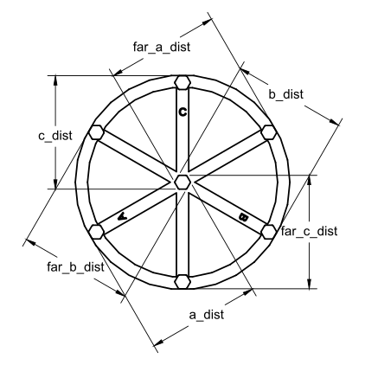
Enhanced Delta Calibration | See: | https://www.klipper3d.org/Delta_Calibrate.html |  |  |  |  | V: 1.0 | Latest Version: | Flsun-v400/Calibration at main · eeichhorn/Flsun-v400 (github.com)
Key | 1 | 2 | 3 | 4 | 5
Cells in Yellow Should to filled in by the user |  | Optional, but recommended for accuracy
Cell Coloring | REQUIRED | USING | IGNORED
G-code commnnds will be calculated based on the input values
Take up to 5 measurements for each actual measurement and averages (at least 1 measurement per field is required)
Copy the G-code command (in BOLD) into your console for each step (NOTE: Copy the cell where the BOLD text starts fro each command)
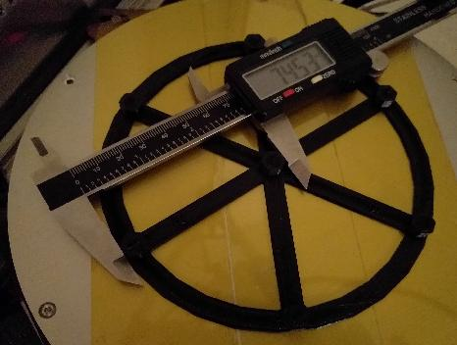
Center Pillar to Pillar Measurement Step 1 | 1 | 2 | 3 | 4 | 5 | Average
a_dist | 1 | 0 | 0 | 0 | 0 | 1
far_c_dist | 1 | 0 | 0 | 0 | 0 | 1
b_dist | 1 | 0 | 0 | 0 | 0 | 1
far_a_dist | 1 | 0 | 0 | 0 | 0 | 1
c_dist | 1 | 0 | 0 | 0 | 0 | 1
far_b_dist | 1 | 0 | 0 | 0 | 0 | 1

Formula | DELTA_ANALYZE CENTER_DISTS=<a_dist>,<far_c_dist>,<b_dist>,<far_a_dist>,<c_dist>,<far_b_dist>
Forumal Check | DELTA_ANALYZE CENTER_DISTS=<a_dist>,<far_c_dist>,<b_dist>,<far_a_dist>,<c_dist>,<far_b_dist>
G-code Command | DELTA_ANALYZE CENTER_DISTS=1,1,1,1,1,1

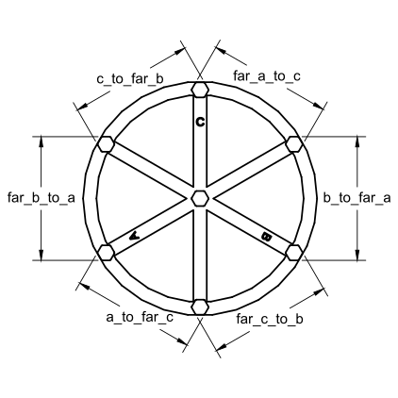
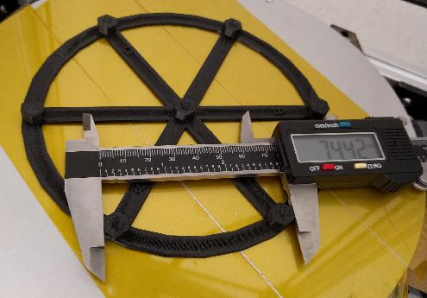
Pillar to Pillar Measurement Step 2 | 1 | 2 | 3 | 4 | 5 | Average
a_to_far_c | 1 | 0 | 0 | 0 | 0 | 1
far_c_to_b | 1 | 0 | 0 | 0 | 0 | 1
b_to_far_a | 1 | 0 | 0 | 0 | 0 | 1
far_a_to_c | 1 | 0 | 0 | 0 | 0 | 1
c_to_far_b | 1 | 0 | 0 | 0 | 0 | 1
far_b_to_a | 1 | 0 | 0 | 0 | 0 | 1

Forumla | DELTA_ANALYZE OUTER_DISTS=<a_to_far_c>,<far_c_to_b>,<b_to_far_a>,<far_a_to_c>,<c_to_far_b>,<far_b_to_a>
Forumal Check | DELTA_ANALYZE OUTER_DISTS=<a_to_far_c>,<far_c_to_b>,<b_to_far_a>,<far_a_to_c>,<c_to_far_b>,<far_b_to_a>
G-code Command | DELTA_ANALYZE OUTER_DISTS=1,1,1,1,1,1
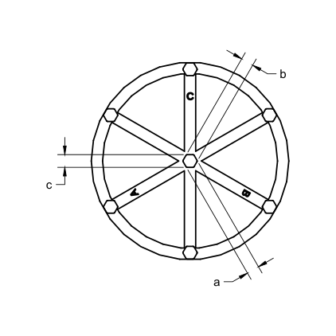

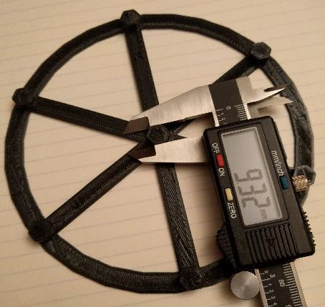
Center Pillar Width Measurement Step 3 | 1 | 2 | 3 | 4 | 5 | Average
a | 1 | 0 | 0 | 0 | 0 | 1
b | 1 | 0 | 0 | 0 | 0 | 1
c | 1 | 0 | 0 | 0 | 0 | 1

Formula | DELTA_ANALYZE CENTER_PILLAR_WIDTHS=<a>,<b>,<c>
Forumal Check | DELTA_ANALYZE CENTER_PILLAR_WIDTHS=<a>,<b>,<c>
G-code Command | DELTA_ANALYZE CENTER_PILLAR_WIDTHS=1,1,1

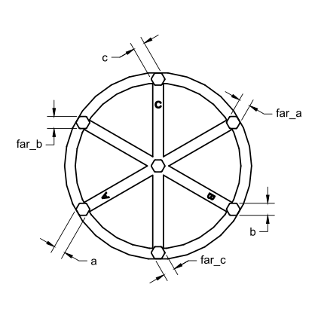

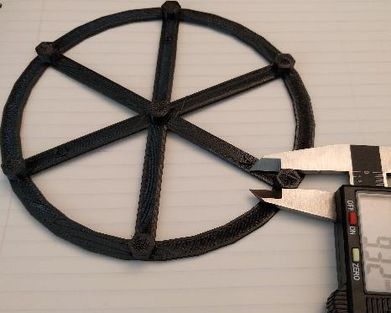
Outer Pillar Width Measurement Step 5 | 1 | 2 | 3 | 4 | 5 | Average
a | 1 | 0 | 0 | 0 | 0 | 1
far_c | 1 | 0 | 0 | 0 | 0 | 1
b | 1 | 0 | 0 | 0 | 0 | 1
far_a | 1 | 0 | 0 | 0 | 0 | 1
c | 1 | 0 | 0 | 0 | 0 | 1
far_b | 1 | 0 | 0 | 0 | 0 | 1

Formula | DELTA_ANALYZE OUTER_PILLAR_WIDTHS=<a>,<far_c>,<b>,<far_a>,<c>,<far_b>
Forumal Check | DELTA_ANALYZE OUTER_PILLAR_WIDTHS=<a>,<far_c>,<b>,<far_a>,<c>,<far_b>
G-code Command | DELTA_ANALYZE OUTER_PILLAR_WIDTHS=1,1,1,1,1,1

Model Scale eg. ( Positive %, 100% is 1:1 scale) | 100% |  |  |  | Measurements (mm) |  | 100% | Scaled
Final G-code commands |  |  |  |  | Diameter |  | 150 | 150
Scale factor eg. ( 200% = 2.0, 50% = .5) | DELTA_ANALYZE SCALE=1 |  |  |  | Dist between pillars |  | 74 | 74
 | DELTA_ANALYZE CALIBRATE=extended |  |  |  | Pillar Diameter |  | 9 | 9
 | SAVE_CONFIG

