dashboard
Country vs Average Days to Settle
 | Total
Russia | 29
United States | 28
France | 28
Spain | 25
China | 23
Country vs Processing Time to Settle Disputes
 | Total
United States | 41
Russia | 38
Spain | 37
China | 34
France | 34
Country vs Dispute Amount Lost
 | Total
France | 526264
Russia | 81291
China | 42630
United States | 22936
Spain | 17046

Percent in Dispute Lost vs Total Number of Transactions
 | Total
dispute lost | 4.10%
disputed | 19.06%
settled | 76.85%
Status vs Total Revenue
 | Total
dispute lost | 4.67%
disputed | 20.71%
settled | 74.62%
Win and Loss Percentage vs Received Disputes
 | Total
lost | 17.69%
win | 82.31%

SQL
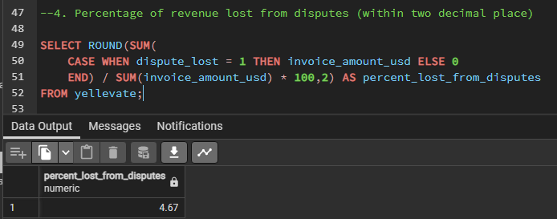

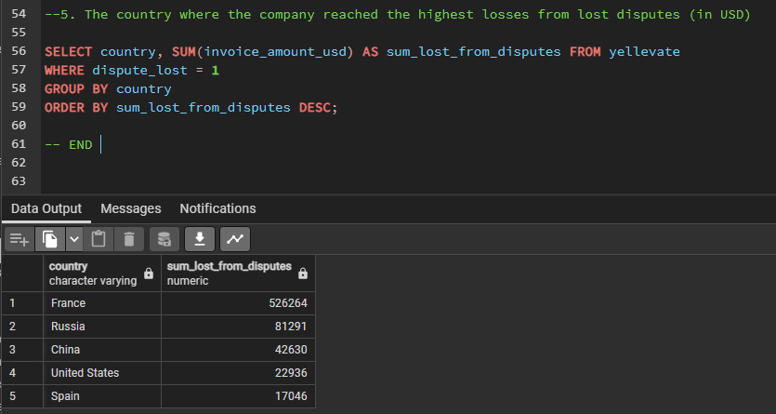

Excel
