1. Title Page
[Instacart Basket Analysis]

Project Name: Instacart Basket Analysis
Date: 18 June 2022
Analyst Name: Elsa Ekevall

Contents:
Population Flow
Consistency checks
Wrangling steps
Column derivations
Visualizations
Recommendations
Departmental Customer Tables

Objective:
Instacart - an online grocery store that operates through an app - already has very good sales, but they want to uncover more information about their sales patterns. This project is tasked with performing an initial data and exploratory analysis of some of their data in order to derive insights and suggest strategies for better segmentation based on the provided criteria.

Context:
The Instacart stakeholders are most interested in the variety of customers in their database along with their purchasing behaviors. They assume they can't target everyone using the same methods, and they’re considering a targeted marketing strategy. They want to target different customers with applicable marketing campaigns to see whether they have an effect on the sale of their products. This analysis will inform what this strategy might look like to ensure Instacart targets the right customer profiles with the appropriate products. The stakeholders would like to be able to answer the following key questions:

Key Questions:
● The sales team needs to know what the busiest days of the week and hours of the day are (i.e., the days and times with the most orders) in order to schedule ads at times when there are fewer orders. ● They also want to know whether there are particular times of the day when people spend the most money, as this might inform the type of products they advertise at these times. ● Instacart has a lot of products with different price tags. Marketing and sales want to use simpler price range groupings to help direct their efforts. ● Are there certain types of products that are more popular than others? The marketing and sales teams want to know which departments have the highest frequency of product orders. ● The marketing and sales teams are particularly interested in the different types of customers in their system and how their ordering behaviors differ. For example: ● What’s the distribution among users in regards to their brand loyalty (i.e., how often do they return to Instacart)? ● Are there differences in ordering habits based on a customer’s loyalty status? ● Are there differences in ordering habits based on a customer’s region? ● Is there a connection between age and family status in terms of ordering habits? ● What different classifications does the demographic information suggest? Age? Income? Certain types of goods? Family status? ● What differences can you find in ordering habits of different customer profiles? Consider the price of orders, the frequency of orders, the products customers are ordering, and anything else you can think of.

Data Sources:
The Instacart Online Grocery Shopping Dataset 2017
“The Instacart Online Grocery Shopping Dataset 2017”, Accessed from https://www.instacart.com/datasets/grocery-shopping-2017 on 18 Jun 2022.

Files Downloaded: | Date:
departments.csv | 4-Feb-20
orders_products_prior.csv | 1-May-17
orders.csv | 2-May-17
products.csv | 10 Feb 202
The Customers dataset created by Career Foundry
This fictional dataset was accessed from https://s3.amazonaws.com/coach-courses-us/public/courses/data-immersion/A4/A4_Data_Assets/customers.zip on 18 June 2022.

Files Downloaded: | Date:
customers.csv | 8-Apr-20

2. Population Flow
Title page

Population flow

Orders_products_combined
Orders_products_merged
Analysis_all_customers

Total: 32,404,859
Total: 32,434,489
Total: 32,404,859
Total Active Customers: 30,964,564

Analysis_active_customers
Exclusion flag
Condition: max_order < 5
Obervations to be removed: 1440295
Final total count of Analysis_active_customers: 30964564

3. Consistency checks
 |  |  |  |  | Title page
Consistency checks

Dataset | Missing values | Missing values treatment | Duplicates | Outliers
orders | 206209 in column days_since_prior_order | none - added new column first_order with flags for missing values | none
products | 16 in product_name column | dropped from new dataset df_prods_clean | 5 (df_dups) dropped from new dataset df_prods_clean_no_dups
orders_products_prior | none | n/a | none
customers | none | n/a | none
orders_products_merged_grouped.pkl | 2076096 in column days_since_prior_order | none |  | values in the prices column above $100 changed to NaN *
 | 5 in customer_median_prior_order_days | none

 |  |  |  | * The price data was not available at the time of the analysis.

4. Wrangling steps
 |  |  |  | Title page
Wrangling steps

Columns dropped | Columns renamed | Columns' type changed | Comment/Reason
Original Data file: orders.csv
eval_set |  |  | not required for this analysis
 | dow - order_dow to orders_day_of_week |  | "dow" not self-explanatory
 |  | order_id | changed from integer to string
 |  | user_id | changed from integer to string
 |  | days_since_prior_order | changed from float to integer
Original Data file: products.csv
 |  | product_id | changed from integer to string
 |  | aisle_id | changed from integer to string
 |  | department_id | changed from integer to string
Original Data file: orders_products_prior.csv
 |  | order_id | changed from integer to string
 |  | product_id | changed from integer to string
 |  | reordered | changed from integer to boolean
Original Data file: customers.csv
First Name |  |  | contains sensitive data not required for this analysis
Surnam |  |  | contains sensitive data not required for this analysis
 | Gender - gender |  | other columns not capitalised
 | STATE - US_state |  | other columns not capitalised and add country for clatification
 | Age - age |  | other columns not capitalised
 | n_dependents - no_dependents |  | added no. for clarification
 | fam_status - family_status |  | added family for clarification
 |  | user_id | changed from integer to string
 |  | gender | changed from string to category
 |  | US_state | changed from string to category
 |  | date_joined | changed from string to datetime
 |  | no_dependents | changed from integer to category
 |  | family_status | changed from string to category
Merged Data file: orders_products_merged_grouped.pkl
_merge |  |  | no longer required
 |  | price_range_loc | changed from string to category
 |  | busiest_day | changed from string to category
 |  | Busiest_days | changed from string to category
 |  | busiest_period_of_the_day | changed from string to category
 |  | loyalty_flag | changed from string to category
 |  | spending_flag | changed from string to category
 |  | frequency_flag | changed from string to category

5. Column derivations
 |  |  |  |  | Title page

Column derivations and aggregations
Frequencies of flags/label variables

The frequencies of flags/label variables after deriving them.
Dataset | New column | Column/s it was derived from | Conditions
orders.csv | first_order | days_since_prior_order | NaN values in the days_since_prior_order column labelled True in this column and all other values labelled false
orders_products_merged.pkl | price_range_loc | prices | # Find the high range products in the full dataframe df_ords_prods_merge.loc[df_ords_prods_merge['prices'] > 15, 'price_range_loc'] = 'High-range product' # Find the mid range products in the full dataframe df_ords_prods_merge.loc[(df_ords_prods_merge['prices'] <= 15) & (df_ords_prods_merge['prices'] > 5), 'price_range_loc'] = 'Mid-range product' # Find the low range products in the full dataframe df_ords_prods_merge.loc[df_ords_prods_merge['prices'] <= 5, 'price_range_loc'] = 'Low-range product' | Mid-range product 21860860 Low-range product 10126321 High-range product 417678 Name: price_range_loc, dtype: int64
orders_products_merged.pkl | busiest_day | orders_day_of_week | # For-loop to find the busiest day of the week # create empty list for results result = [] # loop through the orders_days_of_week columna and if 0 append "Busiest day", if 4 append "Least day", otherwise append "Regularly busy", for value in df_ords_prods_merge["orders_day_of_week"]: if value == 0: result.append("Busiest day") elif value == 4: result.append("Least busy") else: result.append("Regularly busy") | Regularly busy 22416875 Busiest day 6204182 Least busy 3783802 Name: busiest_day, dtype: int64
orders_products_merged.pkl | Busiest_days | orders_day_of_week | # For-loop to find the Busiest days of the week # create new empty list for results result1 = [] # loop through the orders_days_of_week columna and if 0 append "Busiest day", if 4 append "Least day", otherwise append "Regularly busy", for value in df_ords_prods_merge["orders_day_of_week"]: if value == 0 or value == 1: result1.append("Busiest days") elif value == 4 or value == 3: result1.append("Least busy days") else: result1.append("Regular days") | Regular days 12916111 Busiest days 11864412 Least busy days 7624336 Name: Busiest_days, dtype: int64
orders_products_merged.pkl | busiest_period_of_the_day | order_hour_of_day | # For-loop to find the Busiest periods of the day # create new empty list for results result2 = [] # loop through the orders_days_of_week columna and if 0 append "Busiest day", if 4 append "Least day", otherwise append "Regularly busy", for value in df_ords_prods_merge['order_hour_of_day']: if 9<= value < 18: result2.append('Most orders') elif 1<= value < 6: result2.append('Fewest orders') else: result2.append('Average orders') | Most orders 23205725 Average orders 8821575 Fewest orders 377559 Name: busiest_period_of_the_day, dtype: int64
orders_products_merged_derived.pkl | max_order | order_number grouped by user_id | # Create a new column that shows the max-order per customer df_ords_prods_merge_grp['max_order'] = df_ords_prods_merge_grp.groupby(['user_id'])['order_number'].transform(np.max)
orders_products_merged_derived.pkl | loyalty_flag | max_order | # Create a loyalty flag for the three different customer groups using the iloc function # Loyal customers with maximum orders over 40 df_ords_prods_merge_grp.loc[df_ords_prods_merge_grp['max_order'] > 40, 'loyalty_flag'] = 'Loyal customer' # Regular customers with maximum orders over 10 and less than or equal to 40 df_ords_prods_merge_grp.loc[(df_ords_prods_merge_grp['max_order'] <= 40) & (df_ords_prods_merge_grp['max_order'] > 10), 'loyalty_flag'] = 'Regular customer' # New customers with maximum orders equla to or less than 10 df_ords_prods_merge_grp.loc[df_ords_prods_merge_grp['max_order'] <= 10, 'loyalty_flag'] = 'New customer' | Regular customer 15876776 Loyal customer 10284093 New customer 6243990 Name: loyalty_flag, dtype: int64
orders_products_merged_derived.pkl | customer_average_prices | prices grouped by user_id | # Create a new column that shows the average price per customer (user_id) rounded to two decimal places df_ords_prods_merge_grp['customer_average_prices'] = df_ords_prods_merge_grp.groupby(['user_id'])['prices'].transform(np.mean).round(2)
orders_products_merged_derived.pkl | spending_flag | customer_average_prices | # Create a spending flag for the two different customer_average_prices groups using the iloc function # Low spenders with an average prices of less than 10 df_ords_prods_merge_grp.loc[df_ords_prods_merge_grp['customer_average_prices'] < 10, 'spending_flag'] = 'Low spender' # High spenders with an average prices of 10 or above df_ords_prods_merge_grp.loc[df_ords_prods_merge_grp['customer_average_prices'] >= 10, 'spending_flag'] = 'High spender' | Low spender 31769965 High spender 634894 Name: spending_flag, dtype: int64
orders_products_merged_derived.pkl | customer_median_prior_order_days | days_since_prior_order grouped by user_id | # Create a new column that shows the median days_since_prior_order per user_id (customer) df_ords_prods_merge_grp['customer_median_prior_order_days'] = df_ords_prods_merge_grp.groupby(['user_id'])['days_since_prior_order'].transform(np.mean).round(0)
orders_products_merged_derived.pkl | frequency_flag | customer_median_prior_order_days | # Create a frequency flag for the three different customer_median_prior_order_days groups using the iloc function # Non frequent customers with the median “days_since_prior_order” greater than 20 df_ords_prods_merge_grp.loc[df_ords_prods_merge_grp['customer_median_prior_order_days'] > 20, 'frequency_flag'] = 'Non frequent customer' # Regular customers with the median “days_since_prior_order” higher than 10 and lower than or equal to 20 df_ords_prods_merge_grp.loc[(df_ords_prods_merge_grp['customer_median_prior_order_days'] <= 20) & (df_ords_prods_merge_grp['customer_median_prior_order_days'] > 10), 'frequency_flag'] = 'Regular Customer' # Frequent customers with the median “days_since_prior_order” equal to or lower than 10 df_ords_prods_merge_grp.loc[df_ords_prods_merge_grp['customer_median_prior_order_days'] <= 10, 'frequency_flag'] = 'Frequent customer' # Create a frequency flag 'First time customer' for the NaN customer_median_prior_order_days group using the iloc function # First time customers with the median “days_since_prior_order” = Nan df_ords_prods_merge_grp.loc[df_ords_prods_merge_grp['customer_median_prior_order_days'].isnull(), 'frequency_flag'] = 'First time customer' | Frequent customer 17495801 Regular Customer 11812857 Non frequent customer 3096196 NaN 5 Name: frequency_flag, dtype: int64
analysis_all_customers.csv analysis_active_customers.csv | region | US-state | # Set up region lists based on https://simple.wikipedia.org/wiki/List_of_regions_of_the_United_States northeast = ['Maine', 'New Hampshire', 'Vermont', 'Massachusetts', 'Rhode Island', 'Connecticut', 'New York', 'Pennsylvania', 'New Jersey'] midwest = ['Wisconsin', 'Michigan', 'Illinois', 'Indiana', 'Ohio', 'North Dakota', 'South Dakota', 'Nebraska', 'Kansas', 'Minnesota', 'Iowa', 'Missouri'] west = ['Idaho', 'Montana', 'Wyoming', 'Nevada', 'Utah', 'Colorado', 'Arizona', 'New Mexico', 'Alaska', 'Washington', 'Oregon', 'California', 'Hawaii'] south = ['Delaware', 'Maryland', 'District of Columbia', 'Virginia', 'West Virginia', 'North Carolina', 'South Carolina', 'Georgia', 'Florida', 'Kentucky', 'Tennessee', 'Mississippi', 'Alabama', 'Oklahoma', 'Texas', 'Arkansas', 'Louisiana'] # create empty lists region = [] for state in df_analysis['US_state']: # for each state in the state column in the dataframe if state in northeast: region.append('Northeast') # if it is in the northwest list add the variable 'Northeast' to the region column elif state in midwest: region.append('Midwest') # or if it is in the midwest list add the variable 'Midwest' to the region column elif state in west: region.append('West') # or if it is in the west list add the variable 'West' to the region column else: region.append('South') # else add the variable 'South' to the region column | Active customer 30964564 Low-activity customer 1440295 Name: exclusion_flag, dtype: int64
analysis_all_customers.csv analysis_active_customers.csv | exclusion_flag | max_order | # Using loc statement to create an exclusion flag df_analysis.loc[df_analysis['max_order'] < 5, 'exclusion_flag'] = 'Low-activity customer' df_analysis.loc[df_analysis['max_order'] >= 5, 'exclusion_flag'] = 'Active customer' | South 10791885 West 8292913 Midwest 7597325 Northeast 5722736 Name: region, dtype: int64
analysis_all_customers.csv analysis_active_customers.csv | generation_flag | age | # Create a profiling variable based on age where the age groups are defined by PEW Research centre (https://www.pewresearch.org/fact-tank/2019/01/17/where-millennials-end-and-generation-z-begins/) # 'Generation_Z' “age” 18-25 (born between 1997 and 2004) df_analysis_active.loc[(df_analysis_active['age'] >= 18) & (df_analysis_active['age'] <= 25), 'generation_flag' ] = 'Generation_Z' # 'Millennial' “age” 26-41 (born between 1981 and 1996) df_analysis_active.loc[(df_analysis_active['age'] >= 26) & (df_analysis_active['age'] <= 41), 'generation_flag' ] = 'Millenial' # 'Generation_X' “age” 42-57 (born between 1965 and 1980) df_analysis_active.loc[(df_analysis_active['age'] >= 42) & (df_analysis_active['age'] <= 57), 'generation_flag' ] = 'Generation_X' # 'Baby_Boomer' “age” 58-76 (born between 1945 and 1964) df_analysis_active.loc[(df_analysis_active['age'] >= 58) & (df_analysis_active['age'] <= 77), 'generation_flag' ] = 'Baby_Boomer' # 'Silent' “age” 77-94 (born between 1944 and 1928) df_analysis_active.loc[(df_analysis_active['age'] >= 78) & (df_analysis_active['age'] <= 94), 'generation_flag' ] = 'Silent' | Baby_Boomer 9577008 Generation_X 7829801 Millenial 7735184 Generation_Z 3864518 Silent 1958053 Name: generation_flag, dtype: int64
analysis_all_customers.csv analysis_active_customers.csv | income_flag | income | # Create a profiling variable based on income (Low earner below 25 percentile, Middle earner 25 to 75 percentile, and Top earner above 75 percentile based on the dataframe income statistics in cell above) # 'Low earner' 'income' less than 6.729200e+04 df_analysis_active.loc[df_analysis_active['income'] < 6.729200e+04, 'income_flag'] = 'Low earner' # 'Middle earner''income' between 6.729200e+04 and 1.281020e+05 df_analysis_active.loc[(df_analysis_active['income'] >= 6.729200e+04) & (df_analysis_active['income'] <= 1.281020e+05), 'income_flag'] = 'Middle earner' # 'High earner' 'income' greater than 6.729200e+04 df_analysis_active.loc[df_analysis_active['income'] > 1.281020e+05, 'income_flag'] = 'High earner' | Middle earner 15482468 High earner 7741091 Low earner 7741005 Name: income_flag, dtype: int64
analysis_all_customers.csv analysis_active_customers.csv | diet_flag | department_id | # Function to create a variable 'diet_flag' based on goods in the “department_id” column (Vegan - no diary eggs (16) or meat seafood (12), Vegetarian - no meat seafood (12) and None) # create empty list diet_flag = [] for department in df_analysis_active['department_id']: if (department != '16' and department != '12'): diet.append('Vegan') elif department != '12': diet.append('Vegetarian') else: diet.append('None') | Vegan 25112601 Vegetarian 5177182 None 674781 Name: diet_flag, dtype: int64
analysis_all_customers.csv analysis_active_customers.csv | Parent with baby profile | no_dependents and department_id | # Creating parent with baby profile df_analysis_active.loc[(df_analysis_active['no_dependents'] >= 1) & (df_analysis_active['department_id'] == '18'), 'profile'] = 'Parent with baby' | Parent older children 22917819 High earnings no children/pets 5791130 NaN 1924949 Parent with baby 307064 Pet parent 23602 Name: profile, dtype: int64
analysis_all_customers.csv analysis_active_customers.csv | Pet parent | department_id and no_dependents | # Creating pet parent profile df_analysis_active.loc[(df_analysis_active['department_id'] == '8') & (df_analysis_active['no_dependents'] < 1), 'profile'] = 'Pet parent'
analysis_all_customers.csv analysis_active_customers.csv | Parent older children | department_id and no_dependents | # Creating parent older children profile df_analysis_active.loc[(df_analysis_active['department_id'] != '18') & (df_analysis_active['no_dependents'] >= 1), 'profile'] = 'Parent older children'
analysis_all_customers.csv analysis_active_customers.csv | High earner no children/pets | income, department_id and no_dependents | # Creating high earner no children/pets profile df_analysis_active.loc[(df_analysis_active['income'] >= 6.729200e+04) & (df_analysis_active['department_id'] != '8') & (df_analysis_active['no_dependents'] < 1), 'profile'] = 'High earnings no children/pets'

6. Visualisations
 |  |  |  |  |  |  |  |  |  |  |  |  |  |  | Title page

Facts and Figures

+30.96 million orders |  |  |  | 206,209 customers in the USA |  |  |  | 49,628 products |  |  | 21 departments

Visualisations

● Is there a connection between Prices and Day of the Week
 | Relationship between Prices and Day of the Week
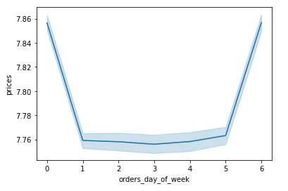

 |  |  |  |  |  |  |  | The lineplot shows that customer spenditure is the highest (around $7.86) on Friday (day 6) and Saturday (day 0). While during the remainder of the week the spenditure is around $7.76

● Determine whether there’s a connection between age and family situation
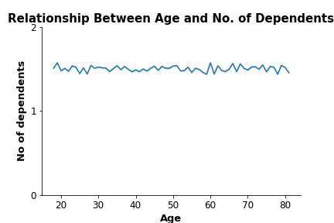

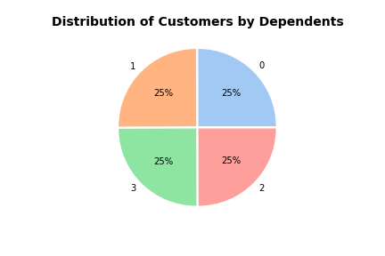

 |  |  |  |  |  |  |  | For all customer ages the average number of dependents (children) ranges from 1 to 2.

 |  |  |  |  |  |  |  | The number of dependents is evenly spread with a quarter of the customers having either 0, 1, 2, or 3 dependents.

● Explore whether there’s a connection between age and spending power (income)
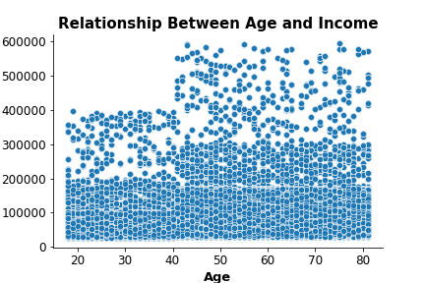

 |  |  |  |  |  |  |  | The scatterplot shows that most customers 40 and under earn up to 200k dollars with an upper earnings limit of 400k dollars. While most customers over 40 earn up to 300k dollars with an upper earnings limit of around 600k dollars.

Analysis from this point onwards carried out only on the active customers files: analysis_active_customer and with profiles analysis_active_customer_profiles.csv

● The marketing team is curious about the distribution of orders among customers in terms of loyalty
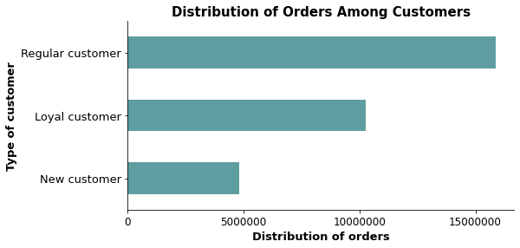

 |  |  |  |  |  |  |  |  |  |  | Regular customers place the highest number of orders among the three customer groups. 51% of the orders placed are by Regular customers , 33% by Loyal customers and 16% by New customers .

Regular customer 15,876,776
Loyal customer 10,284,093
New customer 4,803,695

● The Instacart officers are interested in comparing customer behavior in different geographic areas. Create a regional segmentation of the data. Determine whether there’s a difference in spending habits between the different U.S. regions.

Spending habits based on individual user_id |  |  |  |  |  |  |  |  |  |  |  |  | Spending habits across the whole dataset based on orders

Region | Spending Flag |  |  |  |  |  |  |  |  |  |  |  | Region | Spending Flag
 | High spender |  | Low spender |  |  |  |  |  |  |  |  |  |  | High spender |  | Low spender
 | % | Count | % | Count |  |  |  |  |  |  |  |  |  | % | Count | % | Count
Midwest | 3 | 1,267 | 97 | 47,252 |  |  |  |  |  |  |  |  | Midwest | 2 | 156,154 | 98 | 7,441,171
Northeast | 2 | 884 | 98 | 35,504 |  |  |  |  |  |  |  |  | Northeast | 2 | 108,245 | 98 | 5,614,491
South | 3 | 1,823 | 97 | 66,914 |  |  |  |  |  |  |  |  | South | 2 | 210,017 | 98 | 10,581,868
West | 3 | 1,396 | 97 | 51,169 |  |  |  |  |  |  |  |  | West | 2 | 160,478 | 98 | 8,132,435

Most (33%) Instacart customers live in the South region, followed by the West and Midwest regions, while the Northeast region has the least (18%). Although the number of customers in the regions differ, the spending habits across the regions are similar with the proportion of high spenders (around 3%) and low spenders (around 97%). |  |  |  |  |  |  |  |  |  |  |  |  | Instacart customers in the South region place the most orders, followed by the West and Midwest regions, while the Northeast region has the least. Although the number of customers in the regions differ, the spending habits based on the number of ordes placed across the regions are similar with the proportion of high spenders (around 2%) and low spenders (around 98%). Therefore low spenders are placing the maority of the orders

Key Questions and Answers

Key Question 1 |  | ● The sales team needs to know what the busiest days of the week and hours of the day are (i.e., the days and times with the most orders) in order to schedule ads at times when there are fewer orders.

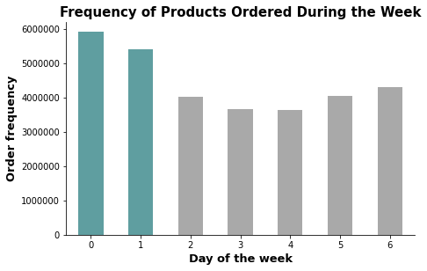
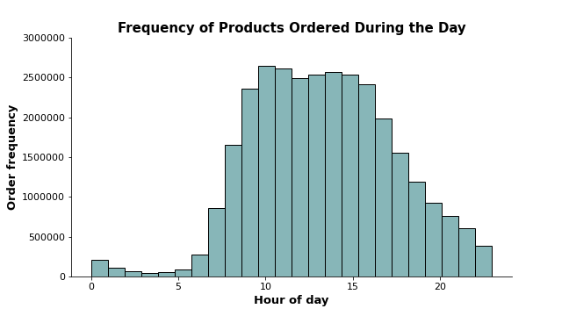
Day of the week
0 Saturday, 1 Sunday , 2 Monday ,
3 Tuesday , 4 Wednesday , 5 Thursday , 6 Friday

The weekend, Saturday (day 0) and Sunday (day 1), are the busiest days of the week. The least busy days are around the middle of the week Tuesday (day 2) and Wednesday (day 3). |  |  |  |  |  |  |  |  |  |  |  | The histogram shows that most of the orders are placed between 9 am and 4 pm (around 2.5 million orders per hour). This peak tails off around 5 pm and there are fewer orders (below 5 million orders) between 11 pm and 6 am.

Key Question 2 |  | ● They also want to know whether there are particular times of the day when people spend the most money, as this might inform the type of products they advertise at these times.
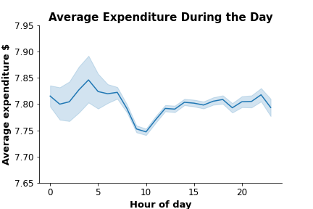
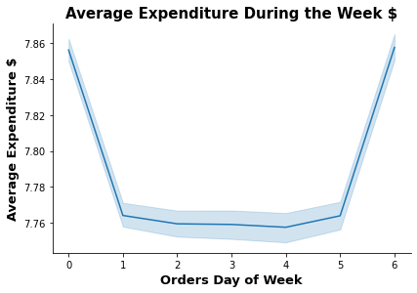

Across the week the average expenditure during the day is around 7.80 dollars. There is a slight decrease from the high (7.85 dollars) around 4 am to the low point (7.75 dollars) around 9 am. [NB this chart was produced using a representative sample (70%) of the data.] |  |  |  |  |  |  |  |  |  |  |  | The lineplot shows that customer spenditure is the highest (around $7.86) on Friday (day 6) and Saturday (day 0). While during the remainder of the week the spenditure is around $7.76

Key Question 3 |  | ● Instacart has a lot of products with different price tags. Marketing and sales want to use simpler price range groupings to help direct their efforts.

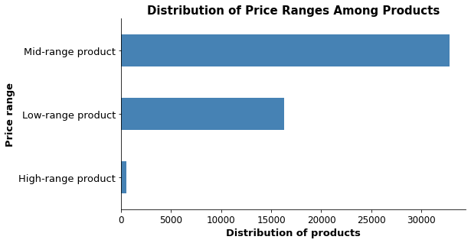
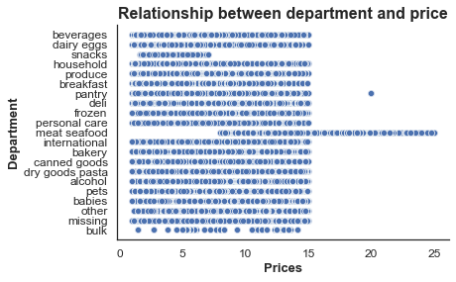

Mid-range product 66%
Low-range product 33%
High-range product 1%
Mid-range product 66%
Low-range product 33%
High-range product 1%

Around two thirds of the Instacart products are Mid-range products (32801 ) priced between $5 and $15, one third are Low-range products (16280) and only 1% High-range products (547) . [Excluding the outlier products priced above $25.] |  |  |  |  |  |  |  |  |  |  |  | Within the deaprtments only 'pantry' and 'meat seafood' have products above $15. Prices of products in most departments range from $1.00 to $15.00 with the exception of the 'snacks' department $1.60 to $7.00 and bulk $1.4 to $14.

Key Question 4 |  | ● Are there certain types of products that are more popular than others? The marketing and sales teams want to know which departments have the highest frequency of product orders.

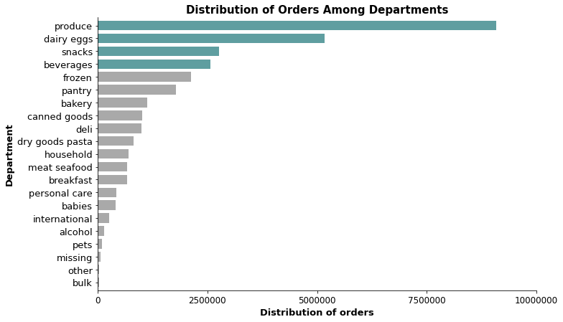
 |  |  |  |  |  |  |  |  |  |  |  |  | Product |  | % of Total Orders |  | Mean Price $
 |  |  |  |  |  |  |  |  |  |  |  |  | produce |  | 29% |  | 7.98
 |  |  |  |  |  |  |  |  |  |  |  |  | dairy eggs |  | 17% |  | 8.34
 |  |  |  |  |  |  |  |  |  |  |  |  | snacks |  | 9% |  | 4.28
 |  |  |  |  |  |  |  |  |  |  |  |  | beverages |  | 8% |  | 7.68
 |  |  |  |  |  |  |  |  |  |  |  |  | frozen |  | 7% |  | 7.73
Products with over 1 million orders
produce 9,079,273
dairy eggs 5,177,182
snacks 2,766,406
beverages 2,571,901
frozen 2,121,731
pantry 1,782,705
bakery 1,120,828
canned goods 1,012,074
deli 1,003,834
 |  |  |  |  |  |  |  |  |  |  |  |  | pantry |  | 6% |  | 8.01
 |  |  |  |  |  |  |  |  |  |  |  |  | bakery |  | 4% |  | 7.86
 |  |  |  |  |  |  |  |  |  |  |  |  | canned goods |  | 3% |  | 7.55
 |  |  |  |  |  |  |  |  |  |  |  |  | deli |  | 3% |  | 7.78
 |  |  |  |  |  |  |  |  |  |  |  |  | dry goods pasta |  | 3% |  | 7.35
 |  |  |  |  |  |  |  |  |  |  |  |  | household |  | 2% |  | 7.38
 |  |  |  |  |  |  |  |  |  |  |  |  | meat seafood |  | 2% |  | 16.30
 |  |  |  |  |  |  |  |  |  |  |  |  | breakfast |  | 2% |  | 8.03
 |  |  |  |  |  |  |  |  |  |  |  |  | personal care |  | 1% |  | 8.00
 |  |  |  |  |  |  |  |  |  |  |  |  | babies |  | 1% |  | 7.63
 |  |  |  |  |  |  |  |  |  |  |  |  | international |  | 1% |  | 7.68
 |  |  |  |  |  |  |  |  |  |  |  |  | alcohol |  | 0% |  | 8.15
 |  |  |  |  |  |  |  |  |  |  |  |  | pets |  | 0% |  | 7.89
 |  |  |  |  |  |  |  |  |  |  |  |  | missing |  | 0% |  | 8.86
 |  |  |  |  |  |  |  |  |  |  |  |  | other |  | 0% |  | 6.96
 |  |  |  |  |  |  |  |  |  |  |  |  | bulk |  | 0% |  | 8.35
In descending order the four most popular departments with over 2.5 million orders are 'produce', 'dairy eggs', 'snacks' and 'beverages'. Alcohol, pets, missing, other and bulk have the lowest product orders.
 |  |  |  |  |  |  |  |  |  |  |  | The 'snack' department has the lowest average for prices ($4.28) and the 'meat seafood' department the highest average prices( $16.30).
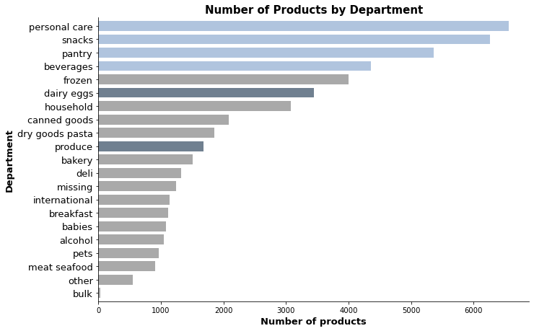

Department % of Total
alcohol 2.12
babies 2.18
bakery 3.05
beverages 8.79
breakfast 2.24
bulk 0.08
canned goods 4.21
dairy eggs 6.94
deli 2.66
dry goods pasta 3.74
frozen 8.07
household 6.21
international 2.29
meat seafood 1.83
missing 2.51
other 1.10
pantry 10.81
personal care1 3.21
pets 1.95
produce 3.39
snacks 12.61

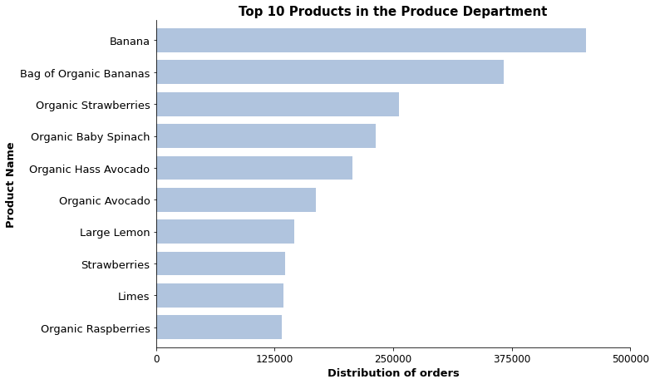

 |  |  |  |  |  |  |  |  |  |  |  | The three charts below and the chart above show the top 10 products in each of the top four departments. The product items in the produce department are the highest selling products with the tenth highestt (Organic Raspberries) having a similar number of orders to the top product (Organic Whole Milk) in the Eggs and Dairy department. Although overall Snacks has more orders than Beverages, the top selling product in the Snack department sells in roughly the same quamtities as the tenth highest selling product in the Beverages department. The snacks department accounts for 9% of the total orders due to the number of products the department stocks.

The personal care department has 13% of the total number of products, followed by snacks (13%), pantry (11%) and beverages (9%). The dairy and eggs department has 7% of the total number of products and produce has 3%. Despite having the most products the personal care department only accounts for 1% of the total orders compared to produce with 29% of the total orders. Although there are more items in the personal care department they are not selling well.

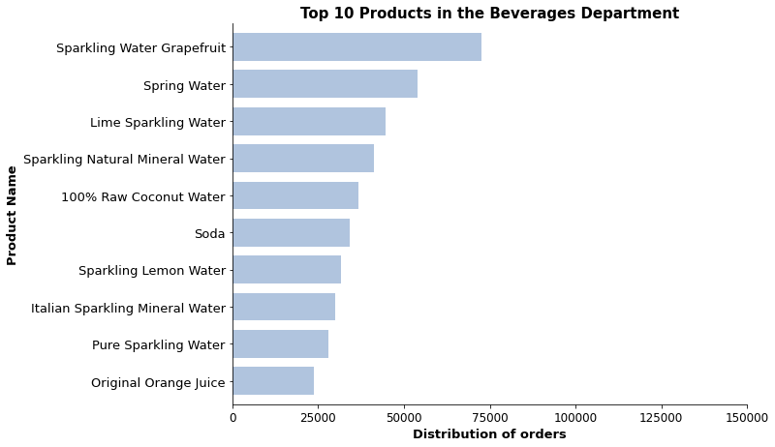
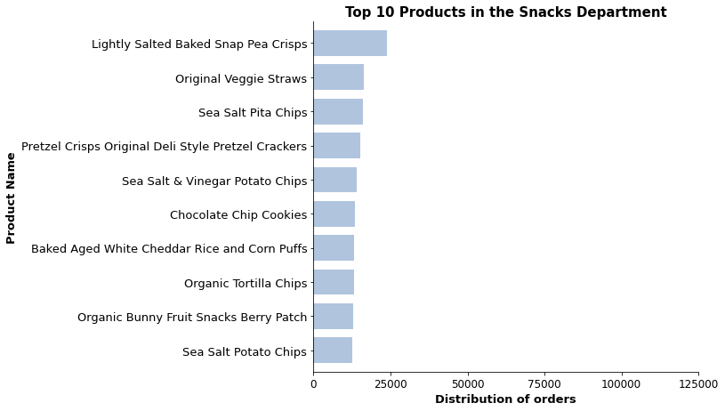
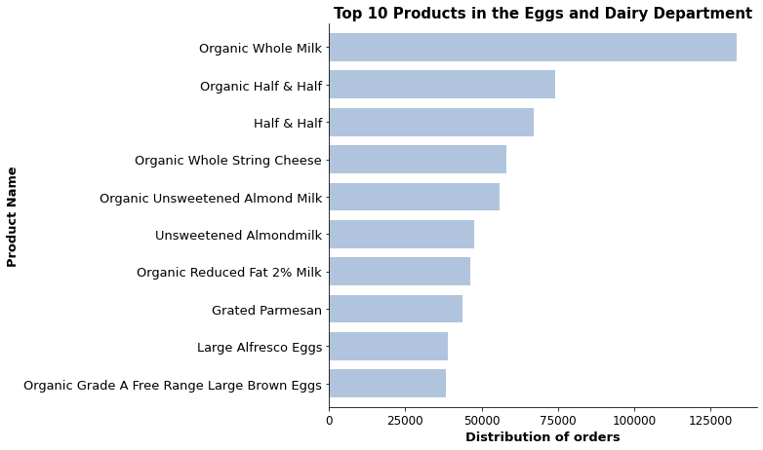

Key Question 5 |  | ● The marketing and sales teams are particularly interested in the different types of customers in their system and how their ordering behaviors differ. For example:
 |  | ● What’s the distribution among users in regards to their brand loyalty (i.e., how often do they return to Instacart)?
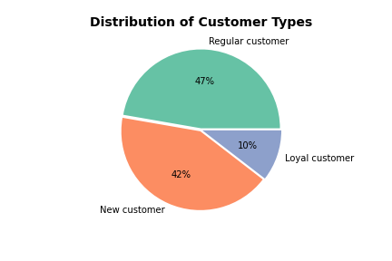
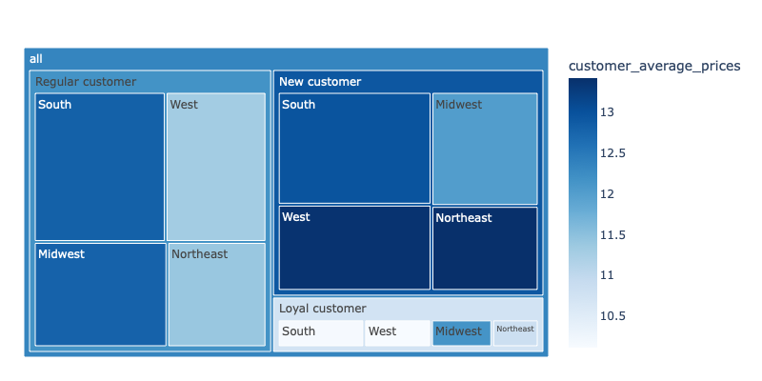
Treemap showing the relationship between loyalty, customer average prices and region

 | Only 10% (17017) are Loyal customers with maximum orders over 40, while nearly half (76864) of the active customers are classified as Regular customers i.e. customers with maximum orders over 10 and less than or equal to 40. The remaining 42% (68750) are classified as new customers.

 |  |  |  |  |  |  |  |  |  |  | The averge expenditure for all customers is $12.33. Loyal customers tend to spend less ($10.73) than average , but there are regional difffernces with customers in the Midwest spending the same as all customers. New customers in the West and Northwest spend more than average.

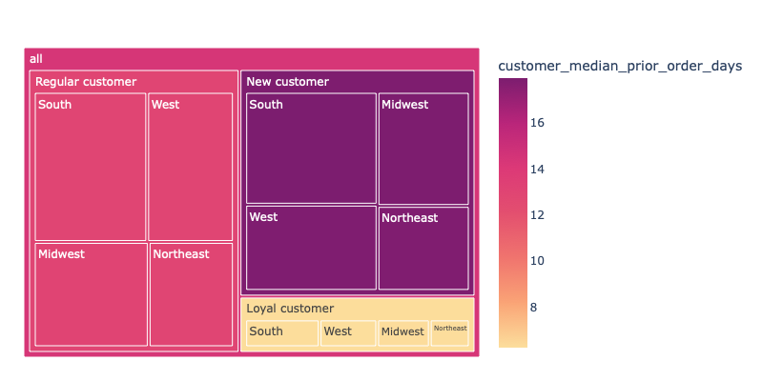
Treemap showing the relationship between loyalty, customer median prior order days and region
 |  |  |  |  |  |  |  |  |  |  | The interactive file can be downloaded and then viewed using this link:
 |  |  |  |  |  |  |  |  |  |  | https://drive.google.com/file/d/1lUoIEFmhMMCGY9HrRJbny5i-QdGf5ouk/view?usp=sharing
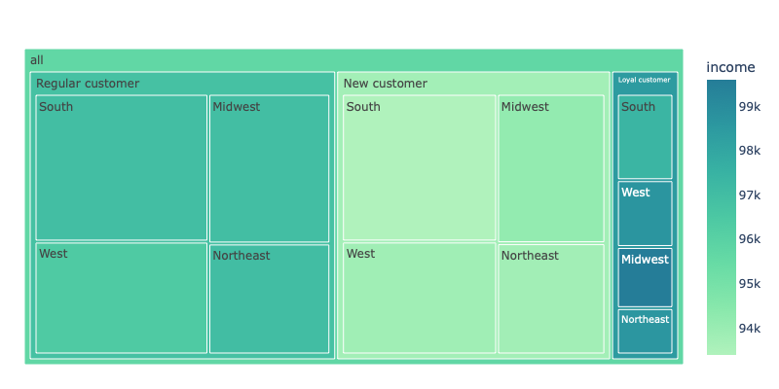
Treemap showing the relationship between loyalty, income and region

 |  |  |  |  |  |  |  |  |  |  | New customers tend to earn slighlty less ($93,737) than the average income for all users ($95,686) and regular customers slightly more ($96,812. Loyal customers have the highest average income ($98,458). Within this group there are regional differences with Loyal customers in the south earning less than the group average ($97,387) and Loyal customers in the Midwest earning more ($99,592).
 | Customers in all four regions are similar with loyal customers placing orders roughly once a week, regular customers place orders approx. every fortnight, and new customers have around 18 days between orders.

 | The interactive file can be downloaded and then viewed using this link: |  |  |  |  |  |  |  |  |  | The interactive file can be downloaded and then viewed using this link:
 | https://drive.google.com/file/d/1hYiqpfwjqer0xTlJE84ykxUO8Boz-qYx/view?usp=sharing |  |  |  |  |  |  |  |  |  | https://drive.google.com/file/d/1wbJpR5hv9fp-T4QTQnLqKRP0KD08gWmJ/view?usp=sharing

 |  | ● Are there differences in ordering habits based on a customer’s loyalty status?

 |  |  |  |  |  |  |  |  |  |  |  | Regular customers place the highest number of orders among the three customer groups. 51% of the orders placed are by Regular customers , 33% by Loyal customers and 16% by New customers .

Regular customer 15,876,776
Loyal customer 10,284,093
New customer 4,803,695

 |  | ● Are there differences in ordering habits based on a customer’s region?
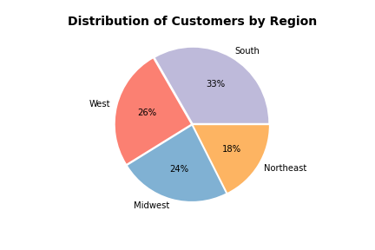

 |  | Spending habits based on individual user_id

 |  | Region | Spending Flag
 |  |  | High spender |  | Low spender |  |  |  |  |  |  | Most (33%) Instacart customers live in the South region, followed by the West and Midwest regions, while the Northeast region has the least (18%). Although the number of customers in the regions differ, the spending habits across the regions are similar with the proportion of high spenders (around 3%) and low spenders (around 97%).
 |  |  | % | Count | % | Count
 |  | Midwest | 3 | 885 | 97 | 37,491
 |  | Northeast | 2 | 614 | 98 | 27,967
 |  | South | 3 | 1,264 | 97 | 52,929
 |  | West | 3 | 948 | 97 | 40,533

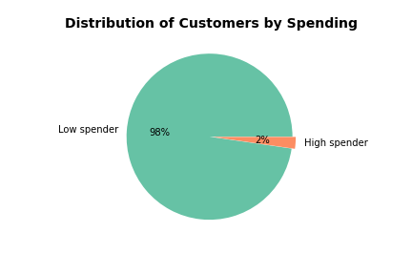

 |  | Spending habits across the whole dataset based on orders

 |  | Region | Spending Flag |  |  |  |  |  |  |  |  | Instacart customers in the South region place the most orders, followed by the West and Midwest regions, while the Northeast region has the least. Although the number of customers in the regions differ, the spending habits based on the number of ordes placed across the regions are similar with the proportion of high spenders (around 2%) and low spenders (around 98%). Low spenders are placing more orders
 |  |  | High spender |  | Low spender
 |  |  | % | Count | % | Count
 |  | Midwest | 2 | 148,784 | 98 | 7,112,729
 |  | Northeast | 2 | 103,140 | 98 | 5,361,545
 |  | South | 2 | 199,618 | 98 | 10,111,521
 |  | West | 2 | 152,412 | 98 | 7,774,815

 |  | When examined in more detail by the different classsifications, such as loyalty, family status and generation, there are regional differences. However the overall percentages per region for each classification is more or less the same. This is shown by comparing the size of the region boxes relative to each other for each classifcation in the treemaps above and below.

 |  | ● Is there a connection between age and family status in terms of ordering habits?
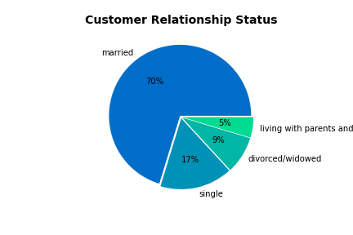
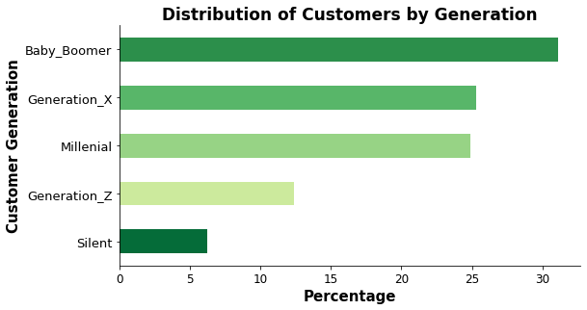

Baby_Boomer 50,608
Generation_X 41,166
Millenial 40,464
Generation_Z 20,197
Silent 10,196

 |  | Around 31% of Instacart's customers are the Baby Boomer generation, 25% Generation X and Millenials, 12% Generation Z and 6% the Silent generation*. In 2020 the overall population distribution in the US was similar - Silent 7%, Generation Z 20%, Millenial 22%, Generation X 20% amd Baby Boomer 21% [Ref: https://www.statista.com/statistics/296974/us-population-share-by-generation/ * Under 100% due to rounding]
 |  |  |  |  |  |  |  |  |  |  | The majority (70%) of Instacart customers are married (114296), 17% are single (26,896), 9% are divorced/widowed (13,831 and 5% living with parents and siblings (7608).

 |  | * The Silent generation were born between 1928 and 1944, the Baby Boomer generation were born between 1945 and 1964, Generation X were born between 1965 and 1980, Millenials were born between 1981 and 1996, and Generation Z were born between 1997 and 2004.

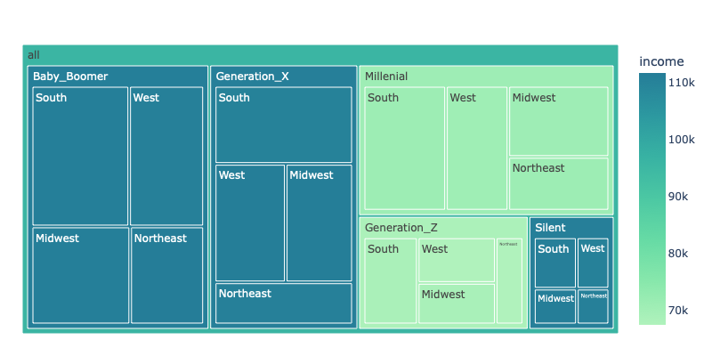
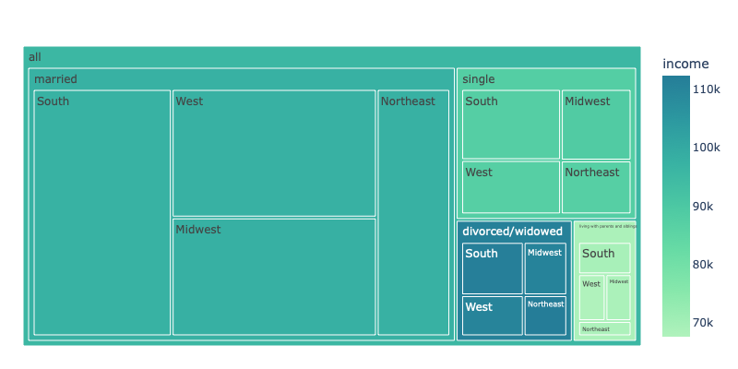
Treemap showing the relationship between family status. income and region
Treemap showing the relationship between age, income and region

 | Generation X ($110, 927), Baby Boomer ( $111,077) and Silent ($110,910) customer groups earn more than the average income for all Instacart customers ($95,686). Millenial ($70, 843) and Generation Z ($68,142) customer groups earn less. Within these groups there are no regional differences. |  |  |  |  |  |  |  |  |  |  | Divorced/widowed customers ($111, 202) earn more than the average income for all Instacart customers ($95,686). The average income of the Married group ($97, 537) is close to the average forfor all Instacart customers, the Single customer group ($87,584) and Living with parents and siblings group ($68,310) earn less. Within these groups there are no regional differences.

 | The interactive file can be downloaded and then viewed using this link: |  |  |  |  |  |  |  |  |  |  | The interactive file can be downloaded and then viewed using this link:
 | https://drive.google.com/file/d/1-rf45dTvJGH7_N-Z8UzngPS6qAeHjQ9D/view?usp=sharing |  |  |  |  |  |  |  |  |  |  | https://drive.google.com/file/d/1cCEgrFQmRI9QAI73vqELLeJlpSq9d1cI/view?usp=sharing
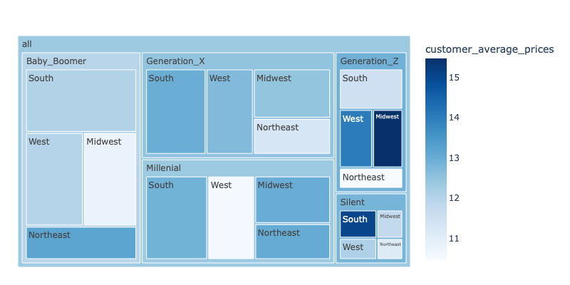
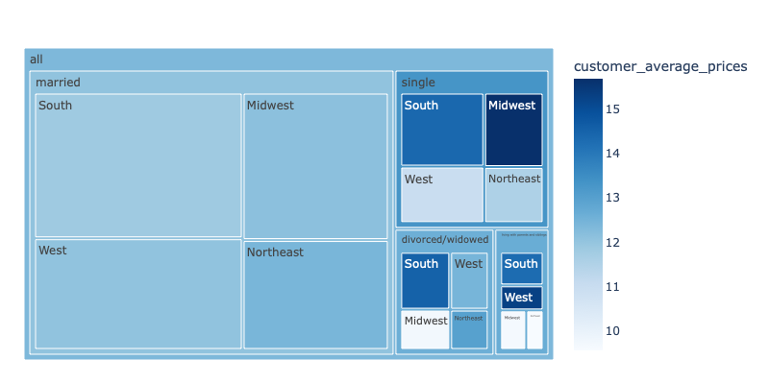
Treemap showing the relationship between age, customer average prices and region
Treemap showing the relationship between family status, customer average prices and region

 | All groups tend towards the average customer spenditure of $12.33. There are regional differences within all the groups, but they do not follow a pattern. Generation Z customers in Midwest on average spend the most $15.46, yet have one of the lowest incomes, and Silent customers in the South spend $15.05. Generation Z customers in the Northeast ($10.45) and Millenials ($10.55) in the West spend the least. |  |  |  |  |  |  |  |  |  | The average customer spenditure is $12.33 and on avaerage all the groups spend around this amount with the exception of the single group who spend slighlty more ($13.31). Within the single, divorced/widowed and living with parents and siblings groups there are regional diffferences with customers in the South consistently spending more than average. In the single group customers in the Midwest spend the most ($15.67), however customers in this regiont spend well below average around $9.70 in the divorced/widowed and living with parents and siblings groups.

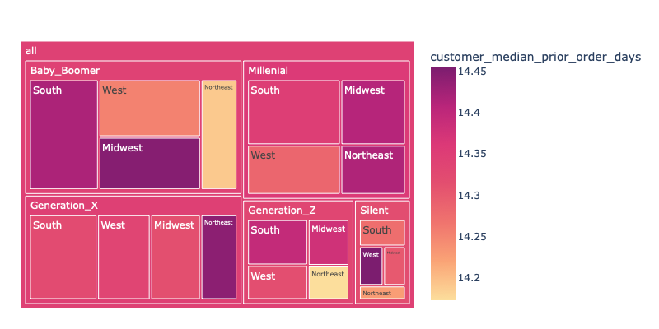
Treemap showing the relationship between age, customer median prior order days and region
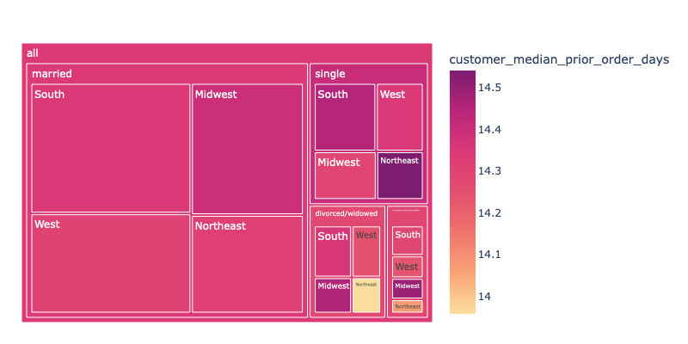
 | The interactive file can be downloaded and then viewed using this link:
 | https://drive.google.com/file/d/1IwvmU1KOjPqbHI1RWrxXn6Y8y6mH2AhG/view?usp=sharing |  |  |  |  |  |  |  |  |  | The interactive file can be downloaded and then viewed using this link:
 |  |  |  |  |  |  |  |  |  |  | https://drive.google.com/file/d/16TILQazS3dW-5oGcAGVNVHx7N8azmkLy/view?usp=sharing
Treemap showing the relationship between family status, customer median prior order days and region

 | All groups tend towards the median number of prior order days - 2 weeks between orders. The regional differences within the groups are less than a day. |  |  |  |  |  |  |  |  |  | All groups tend towards the median number of prior order days - 2 weeks between orders. The regional differences within the groups are less than a day.

 | The interactive file can be downloaded and then viewed using this link: |  |  |  |  |  |  |  |  |  | The interactive file can be downloaded and then viewed using this link:
 | https://drive.google.com/file/d/16fG_pU6sNFmWkzBrlbQqfrLTZsaqn8H4/view?usp=sharing |  |  |  |  |  |  |  |  |  | https://drive.google.com/file/d/1sYvPFYOqK5VzsUHCLd4RBoavYVahOjlv/view?usp=sharing
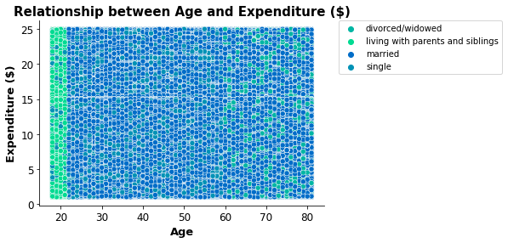
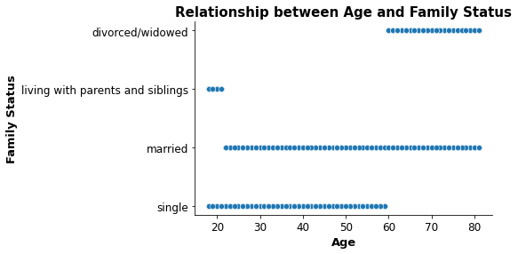

 | There are clear age ranges within the family status groups with the married group having the largest age range and the living with parents and siblings group the smallest age range. The scatterplots above and below show that no relationship exists between age and the maximum order number per customer, or age and the number of days since prior order, or age and expenditure. In all three cases the data shows the same parttern with the age and family status groups spanning the whole range of these three variables.

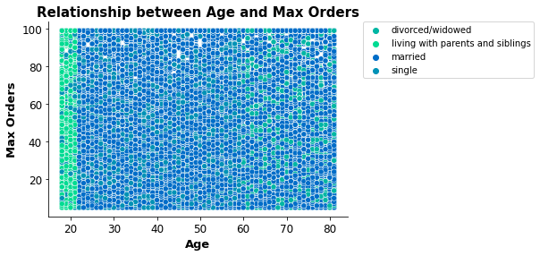
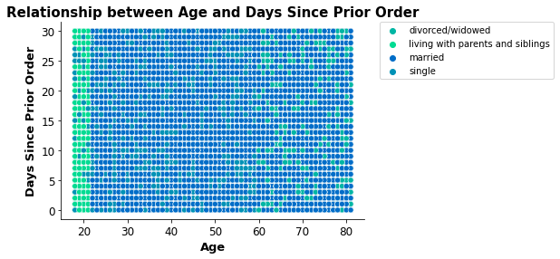

 |  | ● What different classifications does the demographic information suggest? Age? Income? Certain types of goods? Family status?

 |  | Some of the other classification distributions, such as loyalty, family status, and generation have been analysed above.

 |  |  | Diet |  |  |  | Income |  |  |  | Frequency |  |  |  | Gender
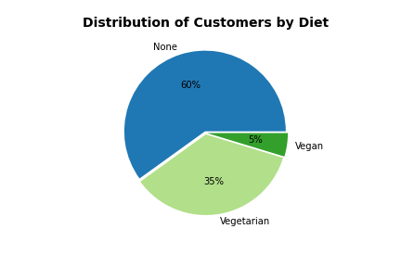
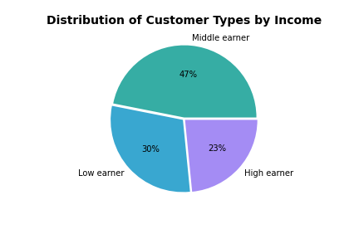
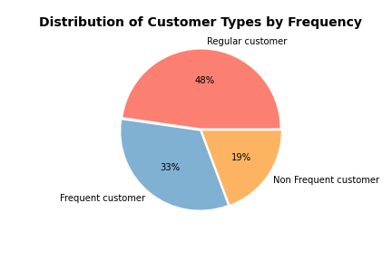
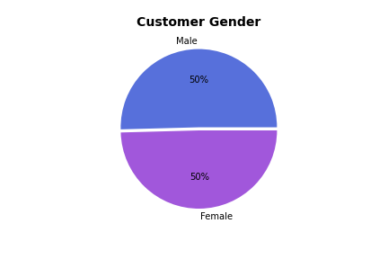

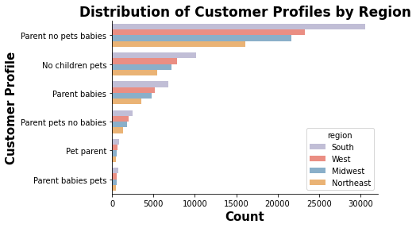
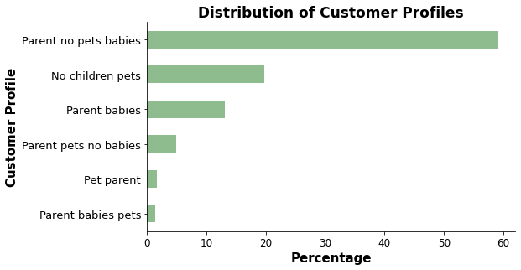

Parent no pets babies 91,593
No children pets 30,599
Parent babies 20,404
Parent pets no babies 7,658
NaN 7,577
Pet parent 2,551
Parent babies pets 2,249

 |  |  |  |  |  |  |  | The total number and percentage of customers classified by profile in the four regions
 |  |  |  |  |  |  |  | Region | Profile
 |  | The table shows that there are no regional differences in the percentage of customers with each profile. |  |  |  |  |  |  | No children pets |  | Parent babies |  | Parent babies pets |  | Parent no pets babies |  | Parent pets no babies |  | Pet parent
 |  |  |  |  |  |  |  |  | Count | % | Count | % | Count | % | Count | % | Count | % | Count | %
 |  |  |  |  |  |  |  | Midwest | 7,150 | 20 | 4,817 | 13 | 544 | 1 | 21,618 | 59 | 1,831 | 5 | 572 | 2
 |  |  |  |  |  |  |  | Northeast | 5,441 | 20 | 3,552 | 13 | 419 | 1 | 16,062 | 59 | 1,293 | 5 | 460 | 2
 |  |  |  |  |  |  |  | South | 10,187 | 20 | 6,828 | 13 | 729 | 1 | 30,594 | 59 | 2,505 | 5 | 854 | 2
 |  |  |  |  |  |  |  | West | 7,821 | 20 | 5,207 | 13 | 557 | 1 | 23,319 | 59 | 2,029 | 5 | 665 | 2

 |  | ● What differences can you find in ordering habits of different customer profiles? Consider the price of orders, the frequency of orders, the products customers are ordering, and anything else you can think of.

 |  |  | The maximum, mean, and minimum values on a customer-profile level for usage frequency (order number) and expenditure (prices). With the exception of diet_flag and order number for loyalty_flag (which is derived from order_number) and profile, most of the cusomer classifications have similar aggregations. The approximations for the majority of the classfications are shown below.

 |  |  | Maximum, minimum and mean values for order number |  |  |  |  |  |  | Maximum, minimum and mean values for prices
 |  |  | Order Number |  | max | mean | min |  |  | Prices |  | max | mean | min
 |  |  |  |  | 99 | 18 | 1 |  |  |  |  | 25 | 8 | 1

 |  |  | Maximum, minimum and mean values for profile order number
 |  |  | Profile |  | Order Number
 |  |  |  |  | max | mean | min
 |  |  | No children pets |  | 99 | 15.87 | 1 |  |  | The profile groups 'parents with babies and pets' and 'parents with babies' place more orders. While the profile groups 'parents without pets and babies' place fewer orders.
 |  |  | Parent babies |  | 99 | 21.41 | 1
 |  |  | Parent babies pets |  | 99 | 23.15 | 1
 |  |  | Parent no pets babies |  | 99 | 15.83 | 1
 |  |  | Parent pets no babies |  | 99 | 17.63 | 1
 |  |  | Pet parent |  | 99 | 17.54 | 1

 |  |  | Maximum, minimum and mean values for loyalty flag order number
 |  |  | Loyalty flag |  | Order Number |  |  |  |  | The loyalty flag was derived from orders and the conditiion can be seen in the maximum and mean order amounts.
 |  |  |  |  | max | mean | min
 |  |  | Loyal customer |  | 99 | 32.64 | 1
 |  |  | New customer |  | 10 | 4.27 | 1
 |  |  | Regular customer |  | 40 | 12.35 | 1

 |  |  | Maximum, minimum and mean values for diet flag order number |  |  |  |  |  |  | Maximum, minimum and mean prices for diet flag order number
 |  |  | Diet flag |  | Order Number |  |  |  |  | Diet flag |  | Prices
 |  |  |  |  | max | mean | min |  |  |  |  | max | mean | min
 |  |  | None |  | 99 | 18.58 | 1 |  |  | None |  | 25 | 7.9 | 1
 |  |  | Vegan |  | 99 | 11.43 | 1 |  |  | Vegan |  | 20 | 6.96 | 1
 |  |  | Vegetarian |  | 99 | 15.83 | 1 |  |  | Vegetarian |  | 20 | 7.49 | 1

 |  |  | The diet flag group 'Vegan' place the lowest number of orders (11) and spend less ($7) compared to the other groups. The vegetarian group also place less orders (16) compared to other groups.

 | Diet and income are the two main classifications that immediately stand out.
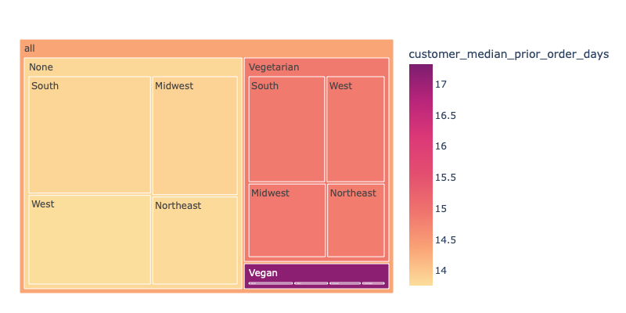
Treemap showing the relationship between diet, customer median prior order days and region
Treemap showing the relationship between diet, customer average prices and region
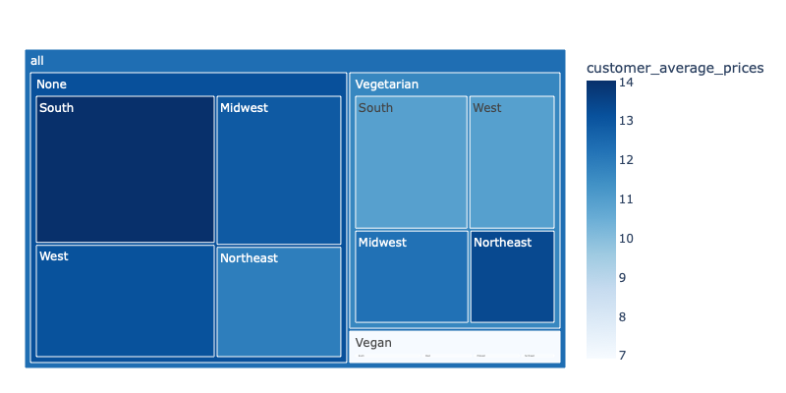

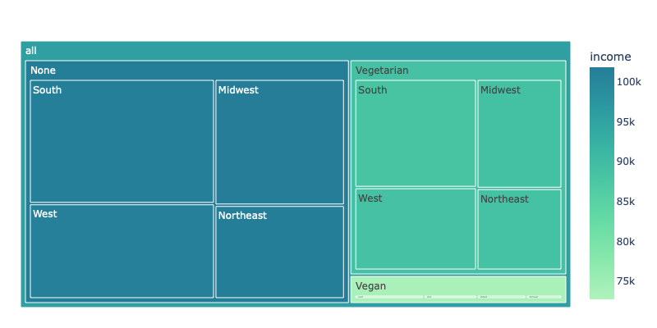
 |  | The interactive file can be downloaded and then viewed using this link: |  |  |  |  |  |  |  | The interactive file can be downloaded and then viewed using this link:
 |  | https://drive.google.com/file/d/15HgjhDFFKl6tdKX12BeqN-xY2iG_s_iH/view?usp=sharing |  |  |  |  |  |  |  | https://drive.google.com/file/d/1d1ziOLCX_WKNjqBQkYuIoYTGiEmbdTry/view?usp=sharing
Treemap showing the relationship between diet, income and region

 |  | Diet
 |  | In all three charts there are clear differences between the diet classifcation groups. The Vegan group on average wait more than 2 weeks (17 days) to place an order, they also spend less ($7) and earn less ($73, 518) than the other groups in this classification. The vegetarian group earns ($88,682) less than the average income ($95,686).

 |  | The diet flag classification was derived by grouping customers based on which departments they ordered from. The vegan group excludes the 'meat seafood and 'dairy eggs' department, and the Vegetarian group only excludes the 'meat seafood' department. The Vegan group excludes one of the most popular deaprtments 'dairy eggs' and the one with the highest prices 'meat seafood'.

 |  |  |  |  |  |  |  |  |  | The interactive file can be downloaded and then viewed using this link:
 |  |  |  |  |  |  |  |  |  | https://drive.google.com/file/d/1BDZSe9RHXlse3nqdmXD115mWYZOs2L_6/view?usp=sharing

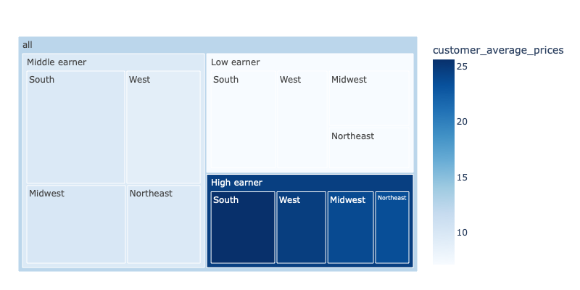
Treemap showing the relationship between income, customer average prices and region
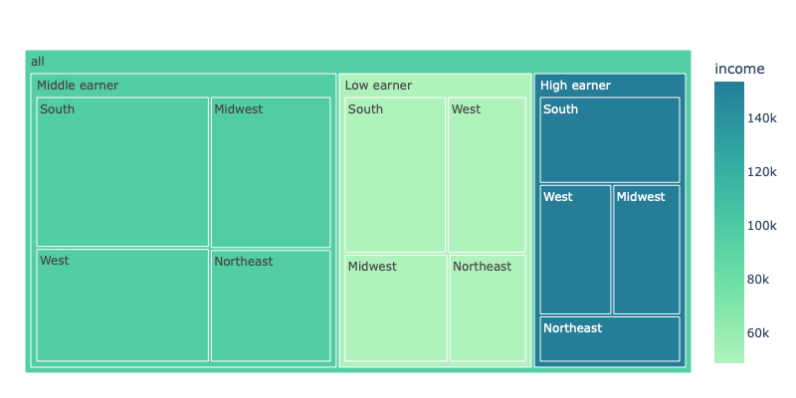
Treemap showing the relationship between income, income and region

 |  | The interactive file can be downloaded and then viewed using this link: |  |  |  |  |  |  |  | The interactive file can be downloaded and then viewed using this link:
 |  | https://drive.google.com/file/d/1opUtIlycD9UAQSOxDQ_MLZGASLpceo6f/view?usp=sharing |  |  |  |  |  |  |  | https://drive.google.com/file/d/16nzOS0GD_GxdYWGAjiZEkE0v7gI3QZsQ/view?usp=sharing

 |  | Income
 |  | As expected High earners earn ($153,204) more than average ($95,686) and low earners ean less ($48,748). High earners spend nearly double ($24.59) what the average customer would spend ($12.33), while middle earners spend around a quarter less ($9.55) and low earners around a third less ($7.05). There is no difference in the order period, with all three groups placing orders around every two weeks, and no regional differences.

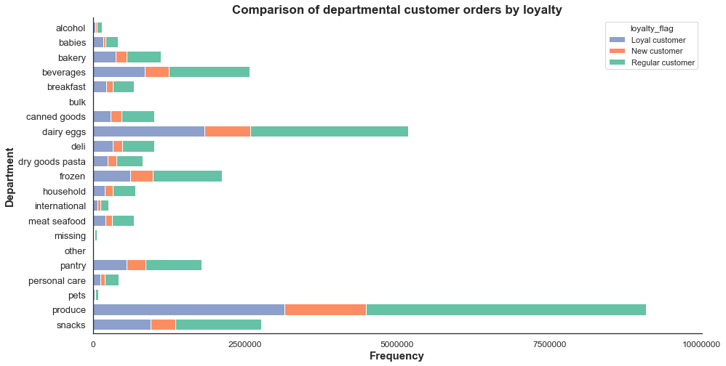

 |  |  |  |  |  |  |  |  |  |  |  |  |  | No noticeable differences in departmental ordering habits by loyalty. Customers spend similar percentages in each department.

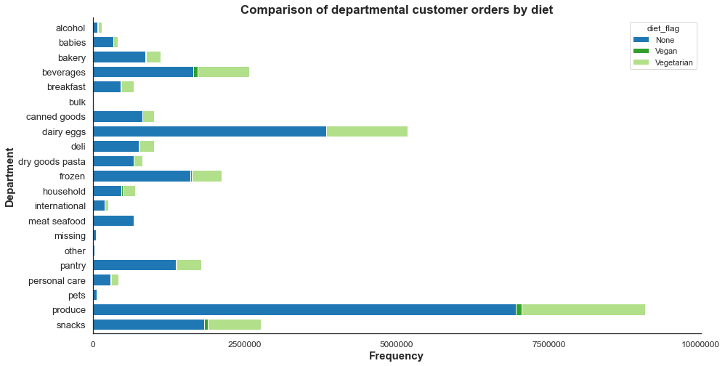
 |  |  |  |  |  |  |  |  |  |  |  |  |  | The percentage differences in ordering habits by the three diet groups are shown in the table below. The departments with the most noitceable differences are highlighted.

 |  |  |  |  |  |  |  |  |  |  |  |  |  | Department | None | Vegan | Vegetarian
 |  |  |  |  |  |  |  |  |  |  |  |  |  | alcohol | 0.35% | 3.43% | 0.70%
 |  |  |  |  |  |  |  |  |  |  |  |  |  | babies | 1.47% | 0.54% | 0.93%
 |  |  |  |  |  |  |  |  |  |  |  |  |  | bakery | 3.76% | 1.66% | 3.29%
 |  |  |  |  |  |  |  |  |  |  |  |  |  | beverages | 7.19% | 19.78% | 11.23%
 |  |  |  |  |  |  |  |  |  |  |  |  |  | breakfast | 2.00% | 2.13% | 2.67%
 |  |  |  |  |  |  |  |  |  |  |  |  |  | bulk | 0.10% | 0.19% | 0.14%
 |  |  |  |  |  |  |  |  |  |  |  |  |  | canned goods | 3.53% | 1.53% | 2.53%
 |  |  |  |  |  |  |  |  |  |  |  |  |  | dairy eggs | 16.65% | 0.00% | 17.61%
 |  |  |  |  |  |  |  |  |  |  |  |  |  | deli | 3.29% | 1.68% | 3.16%
 |  |  |  |  |  |  |  |  |  |  |  |  |  | dry goods pasta | 2.91% | 0.79% | 1.96%
 |  |  |  |  |  |  |  |  |  |  |  |  |  | frozen | 6.98% | 5.53% | 6.50%
 |  |  |  |  |  |  |  |  |  |  |  |  |  | household | 2.07% | 6.25% | 2.69%
 |  |  |  |  |  |  |  |  |  |  |  |  |  | international | 0.86% | 0.38% | 0.74%
 |  |  |  |  |  |  |  |  |  |  |  |  |  | meat seafood | 2.93% | 0.00% | 0.00%
 |  |  |  |  |  |  |  |  |  |  |  |  |  | missing | 0.20% | 0.18% | 0.23%
 |  |  |  |  |  |  |  |  |  |  |  |  |  | other | 0.10% | 0.24% | 0.13%
 |  |  |  |  |  |  |  |  |  |  |  |  |  | pantry | 5.92% | 4.27% | 5.31%
 |  |  |  |  |  |  |  |  |  |  |  |  |  | personal care | 1.26% | 2.60% | 1.67%
 |  |  |  |  |  |  |  |  |  |  |  |  |  | pets | 0.30% | 0.29% | 0.29%
 |  |  |  |  |  |  |  |  |  |  |  |  |  | produce | 30.17% | 31.29% | 26.68%
 |  |  |  |  |  |  |  |  |  |  |  |  |  | snacks | 7.97% | 17.24% | 11.53%
 |  |  |  |  |  |  |  |  |  |  |  |  |  |  | 100.00% | 100.00% | 100.00%

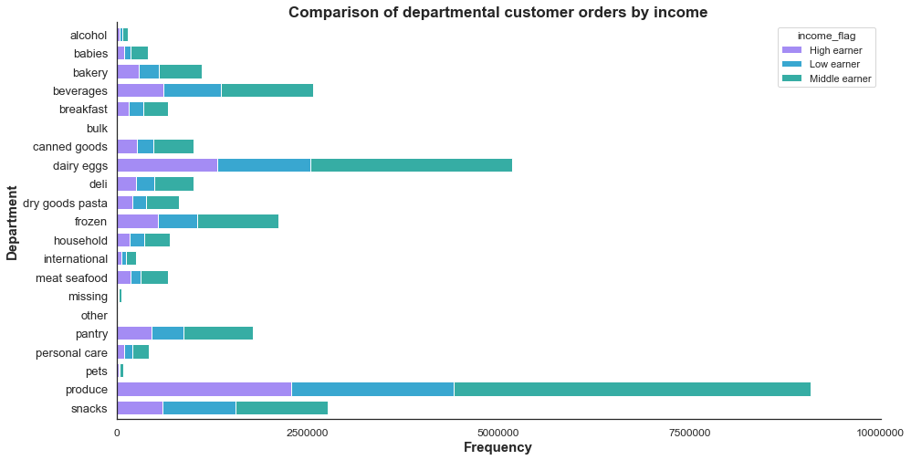

 |  |  |  |  |  |  |  |  |  |  |  |  |  | Low earners order a higher percentage of snacks than the other groups in this classification.

 |  |  |  |  |  |  |  |  |  |  |  |  |  | Department | High earner | Low earner | Middle earner
 |  |  |  |  |  |  |  |  |  |  |  |  |  | snacks | 8% | 12% | 8%

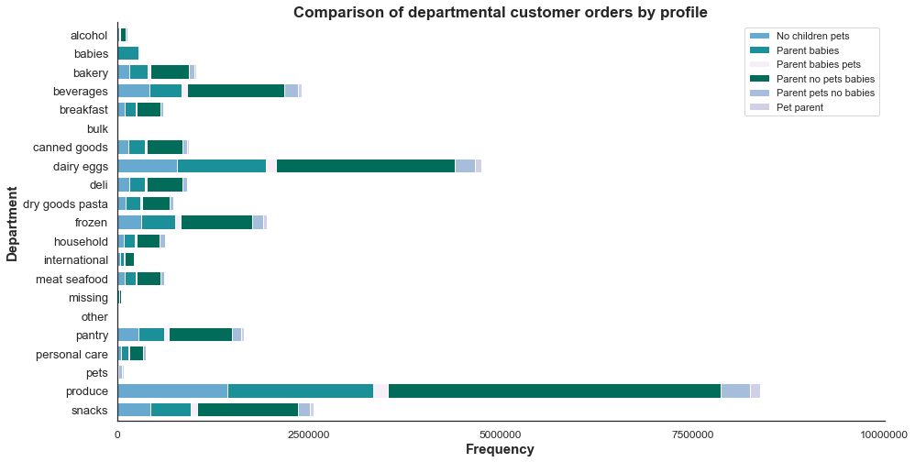

 |  |  |  |  |  |  |  |  |  |  |  |  |  | No noticeable differences in departmental ordering habits between customer profiles. Customers spend similar percentages in each department.

7. Recommendations
 |  |  |  |  |  |  |  |  |  |  | Title page

Recommendations

Reccommendations based on the analysis carried out only on the active customers files: analysis_active_customer and with profiles analysis_active_customer_profiles.csv

Further visualisations and analysis that informed the key questions can be found here

Key Questions and Recommendations
Key Question 1 |  | ● The sales team needs to know what the busiest days of the week and hours of the day are (i.e., the days and times with the most orders) in order to schedule ads at times when there are fewer orders.

Day of the week
0 Saturday, 1 Sunday , 2 Monday ,
3 Tuesday , 4 Wednesday , 5 Thursday , 6 Friday

The weekend, Saturday (day 0) and Sunday (day 1), are the busiest days of the week. the least busy days are around the middle of the week Tuesday (day 2) and Wednesday (day 3). |  |  |  |  |  |  |  |  | The histogram shows that most of the orders are placed between 9 am and 4 pm (around 2.5 million orders per hour). This peak tails off around 5 pm and there are fewer orders (below 5 million orders) between 11 pm and 6 am.

Recommendation: Tuesday and Wednesday are the least busy days and there are fewer orders (below 1.5 million) in the period between 6 pm and 9 am, which could be considered a good time to schedule ads. The adverts will reach more customers between 6 pm and 12 am.

Key Question 2 |  | ● They also want to know whether there are particular times of the day when people spend the most money, as this might inform the type of products they advertise at these times.

The average expenditure during the day is around 7.80 dollars. There is a slight decrease from the high (7.85 dollars) around 4 am to the low point (7.75 dollars) around 9 am. [NB this chart was produced using a representative sample (70%) of the data.]

Recommendation: Customers spend slightly more money $7.85 (as opposed to $7.80) around 4 am. However the thicker light blue band shows there is also more uncertainty around this estimate with the range varying from around $7.79 to $7.89. It might be worthwhile investigating the reason for the dip between 7 am and 12 pm, where there is very littke uncertainty, and to target adds to increase spending during this period.

Key Question 3 |  | ● Instacart has a lot of products with different price tags. Marketing and sales want to use simpler price range groupings to help direct their efforts.

Mid-range product 66%
Low-range product 33%
High-range product 1%

Around two thirds of the Instacart products are Mid-range products (32801 ) priced between $5 and $15, one third are Low-range products (16280) and only 1% High-range products (547) . [Excluding the outlier products priced above $25.] |  |  |  |  |  |  |  |  | Within the deaprtments only 'pantry' and 'meat seafood' have products above $15. Prices of products in most departments range from $1.00 to $15.00 with the exception of the 'snacks' department $1.60 to $7.00 and bulk $1.4 to $14.

Recommendation: Only 1% of the products are above $15 and they are mainly in the 'meat seafood' department, while around two thirds are Mid-range products. Where possible increase the maximum price in more departments and increase the number of products in the High-range product group.

Key Question 4 |  | ● Are there certain types of products that are more popular than others? The marketing and sales teams want to know which departments have the highest frequency of product orders.

 |  |  |  |  |  |  |  |  |  | Product |  | Percentage |  | Mean Price $
 |  |  |  |  |  |  |  |  |  | produce |  | 29% |  | 7.98
 |  |  |  |  |  |  |  |  |  | dairy eggs |  | 17% |  | 8.34
 |  |  |  |  |  |  |  |  |  | snacks |  | 9% |  | 4.28 |  | lowest
 |  |  |  |  |  |  |  |  |  | beverages |  | 8% |  | 7.68
 |  |  |  |  |  |  |  |  |  | frozen |  | 7% |  | 7.73
Products with over 1 million orders
produce 9,079,273
dairy eggs 5,177,182
snacks 2,766,406
beverages 2,571,901
frozen 2,121,731
pantry 1,782,705
bakery 1,120,828
canned goods 1,012,074
deli 1,003,834
 |  |  |  |  |  |  |  |  |  | pantry |  | 6% |  | 8.01
 |  |  |  |  |  |  |  |  |  | bakery |  | 4% |  | 7.86
 |  |  |  |  |  |  |  |  |  | canned goods |  | 3% |  | 7.55
 |  |  |  |  |  |  |  |  |  | deli |  | 3% |  | 7.78
 |  |  |  |  |  |  |  |  |  | dry goods pasta |  | 3% |  | 7.35
 |  |  |  |  |  |  |  |  |  | household |  | 2% |  | 7.38
 |  |  |  |  |  |  |  |  |  | meat seafood |  | 2% |  | 16.30 |  | highest
 |  |  |  |  |  |  |  |  |  | breakfast |  | 2% |  | 8.03
 |  |  |  |  |  |  |  |  |  | personal care |  | 1% |  | 8.00
 |  |  |  |  |  |  |  |  |  | babies |  | 1% |  | 7.63
 |  |  |  |  |  |  |  |  |  | international |  | 1% |  | 7.68
 |  |  |  |  |  |  |  |  |  | alcohol |  | 0% |  | 8.15
 |  |  |  |  |  |  |  |  |  | pets |  | 0% |  | 7.89
 |  |  |  |  |  |  |  |  |  | missing |  | 0% |  | 8.86
 |  |  |  |  |  |  |  |  |  | other |  | 0% |  | 6.96
In descending order the four most popular departments with over 2.5 million orders are produce, dairy eggs, snacks and beverages. Alcohol, pets, missing, other and bulk have the lowest product orders. |  |  |  |  |  |  |  |  |  | bulk |  | 0% |  | 8.35

Recommendation: The four departments with the highest number of orders are 'produce' (29%), 'dairy eggs' (17%), 'snacks' (9%) and 'beverages' (8%). The 'snacks' department has a mean price of $4.28 and the other three departments around $8.00. The 'meat seafood' department with a mean price of $16.00 only accounts for 2% of the total orders. As recommended above, where possible increase prices, especially in the top departments and also the frequency that customers purchase from the other departments.

 |  |  |  |  |  |  |  |  | The personal care department has 13% of the total number of products, followed by snacks (13%), pantry (11%) and beverages (9%). The dairy and eggs department has 7% of the total number of products and produce has 3%. Despite having the most products the personal care department only accounts for 1% of the total orders compared to produce with 29% of the total orders. The items in the personal care department are not as popular.

Snacks, and beverages are two of the four most popular departments (over 2.5 million orders), along with produce, and dairy and eggs.
 |  |  |  |  |  |  |  |  | Recommendation: Look at increasing orders or reducing the number of items stocked in departments such as personal care, where orders are low, but there is a large range of products.

Key Question 5 |  | ● The marketing and sales teams are particularly interested in the different types of customers in their system and how their ordering behaviors differ. For example:
 |  | ● What’s the distribution among users in regards to their brand loyalty (i.e., how often do they return to Instacart)?

 |  |  |  |  |  |  | Only 10% (17017) of the active customers are Loyal customers with maximum orders over 40, while nearly half (76864) are classified as Regular customers i.e. customers with maximum orders over 10 and less than or equal to 40. The remaining 42% (68750) are classified as New customers.

 |  | ● Are there differences in ordering habits based on a customer’s loyalty status?

 |  |  |  |  |  |  |  |  | Regular customers place the highest number of orders among the three customer groups. 51% of the orders placed are by Regular customers, 33% by Loyal customers and 16% by New customers .

Regular customer 15,876,776
Loyal customer 10,284,093
New customer 4,803,695

Recommendation: Although Loyal customers are only 10% of the total number of customers they account for one third of the orders placed. Therefore an analysis on the profiles of these customers and their ordering habits is recommended and then to target similar customers in the Regular and New customer groups with the aim of converting them to Loyal customers.

 |  | ● Are there differences in ordering habits based on a customer’s region?
 | Spending habits based on individual user_id

 | Region | Spending Flag
 |  | High spender |  | Low spender |  |  |  | Most (33%) Instacart customers live in the South region, followed by the West and Midwest regions, while the Northeast region has the least (18%). Although the number of customers in the regions differ, the spending habits across the regions are similar with the proportion of high spenders (around 3%) and low spenders (around 97%).
 |  | % | Count | % | Count
 | Midwest | 3 | 885 | 97 | 37,491
 | Northeast | 2 | 614 | 98 | 27,967
 | South | 3 | 1,264 | 97 | 52,929
 | West | 3 | 948 | 97 | 40,533

 | When examined in more detail by the different classsifications, such as loyalty, family status and generation, there are some regional differences. However similar to spending the overall percentages per region for each classification are more or less the same.

 |  | ● Is there a connection between age and family status in terms of ordering habits?

 | There are clear age ranges within the family status groups with the married group having the largest age range and the living with parents and siblings group the smallest age range. No relationship exists between age and the maximum order number per customer or age and the number of days since prior order.

 |  | ● What different classifications does the demographic information suggest? Age? Income? Certain types of goods? Family status?
 |  | Diet |  |  |  | Income |  |  | Frequency |  |  |  | Gender |  | Family Status

Parent no pets babies 91,593
No children pets 30,599
Parent babies 20,404
Parent pets no babies 7,658
NaN 7,577
Pet parent 2,551
Parent babies pets 2,249

Baby_Boomer 50,608
Generation_X 41,166
Millenial 40,464
Generation_Z 20,197
Silent 10,196

 |  | ● What differences can you find in ordering habits of different customer profiles? Consider the price of orders, the frequency of orders, the products customers are ordering, and anything else you can think of.
Treemap showing the relationship between diet, customer median prior order days and region
Treemap showing the relationship between diet, customer average prices and region

 | The interactive file can be downloaded and then viewed using this link:
 | https://drive.google.com/file/d/15HgjhDFFKl6tdKX12BeqN-xY2iG_s_iH/view?usp=sharing |  |  |  |  |  |  | The interactive file can be downloaded and then viewed using this link:
 |  |  |  |  |  |  |  | https://drive.google.com/file/d/1d1ziOLCX_WKNjqBQkYuIoYTGiEmbdTry/view?usp=sharing
Treemap showing the relationship between diet, income and region

 |  | Diet
 |  | In all three charts there are clear differences between the diet classifcation groups. The Vegan group on average wait more than 2 weeks (17 days) to place an order, they also spend less ($7) and earn less ($73, 518) than the other grops in this classification. The vegetarian group earns ($88,682) less than the average income $95,686.

 |  | The diet flag classification was derived by grouping customers based on which departments they ordered from. The vegan group excludes the 'meat seafood and 'dairy eggs' department, and the Vegetarian group only excludes the 'meat seafood' department. The Vegan group excludes one of the most popular deaprtments 'dairy eggs' and the one with the highest prices 'meat seafood'.

 |  |  |  |  |  |  |  | The interactive file can be downloaded and then viewed using this link:
 |  |  |  |  |  |  |  | https://drive.google.com/file/d/1BDZSe9RHXlse3nqdmXD115mWYZOs2L_6/view?usp=sharing

Some of the questions raised: Which groups are online when - target specific groups? Which items are not selling at all or in very low numbers - why? What do the loyal customers have in common? Are some departments, such as personal care, overstocked with similar items? What customer classifications would help marketing?

