Test-1
Name | Bet Details is Shown
Objective | Display of searched bet details
Pre-condition | Vakifbank voleyball match have to be in the bets
Steps |  | Expected Result | Attachments
Open Url (https://www.core.bet/home) |  | Site opened succesfully. | 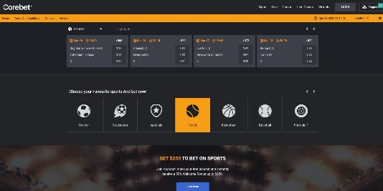
Click on Sport Button |  | Sports page loaded succesfully.
Click on Search Bar |  | Search bar clickable and shown succesfully
Write Test Data on Search (Test Data: Vakifbank) |  | Test Data is shown succesfully.
Select on Events |  | Events selected succesfully. | 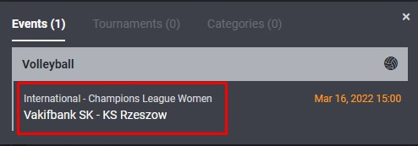
Validate Events details |  | The Event details matched with the selected event. | 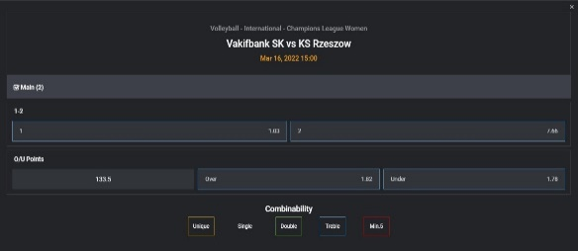

Test-2
Name | Tenis Matches is shown
Objective | Checking the details of live bets
Pre-condition | Must be a live tennis match
Steps |  | Expected Result | Attachments
Open Url (https://www.core.bet/home) |  | Site opened succesfully.
Click on Live Button |  | Live page loaded succesfully.
Click on Tennis Button |  | Tennis page loaded succesfully. | 
Validate Tennis List |  | Tennis matches listed succesfully. | 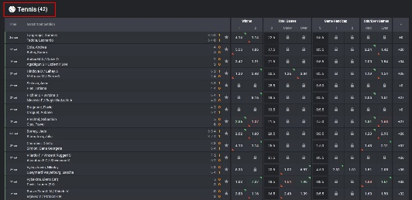
Select random a match on List and Validate Sports Banner |  | Tennis Sports Banner is shown succesfully. | 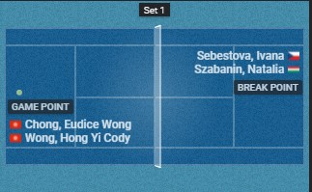

Test-3
Name | Language Translation Test
Objective | Control of language options within the site
Pre-condition | -
Steps |  | Expected Result | Attachments
Open Url (https://www.core.bet/home) |  | Site opened succesfully.
Click on Language(English) button |  | Button is clickable and dropdown list opened succesfully. | 
Click on Turkish of Dropdown item |  | Türkçe item clickable.
Validate data names on ToolBar |  | Data names changed English to Türkçe correctly.

