Bedforms
location | log | bed_type | bedform_name | wavelength | amplitude
PB | PBMS1 | ldt2 | br | 180 | 10
PB | PBMS2 | ldt2 | br | 100 | 10 | Row Labels | Count of bedform_name | Min of wavelength | Max of wavelength | Min of amplitude | Max of amplitude
PB | PBMS2 | ldt2 | br | 160 | 20 | PB | 83 | 40 | 800 | 2 | 240
PB | PBO4 | ldt2 | br | 100 | 20 | br | 10 | 80 | 180 | 4 | 30
PB | PBO4 | ldt2 | br | 80 | 12 | hlcs | 6 | 160 | 560 | 10 | 40
PB | PBON1 | ldt2 | br | 120 | 12 | labw | 16 | 200 | 500 | 2 | 12
PB | PBON1 | ldt2 | br | 120 | 10 | mcr | 16 | 160 | 360 | 10 | 60
PB | PBON3 | ldt1 | br | 100 | 4 | scr | 14 | 40 | 180 | 4 | 20
PB | PBON4 | ldt2 | br | 140 | 14 | lbr | 14 | 140 | 380 | 8 | 40
PB | PBON4 | ldt2 | br | 120 | 18 | sr | 3 | 60 | 140 | 6 | 30
PB | PBMS3 | hdt2 | hcs | 600 | 100 | hcs | 4 | 560 | 800 | 100 | 240
PB | PBMS3 | hdt2 | hcs | 720 | 200 | Grand Total | 83 | 40 | 800 | 2 | 240
PB | PBMS3 | hdt2 | hcs | 560 | 180
PB | PBMS3 | hdt2 | hcs | 700 | 150
PB | PBMS3 | hdt2 | hcs | 650 | 120
PB | PBMS3 | hdt2 | hcs | 750 | 100
PB | PBO2c | tfd2 | hlcs | 560 | 15
PB | PBO5 | tfd2 | hlcs | 420 | 34
PB | PBO5 | tfd2 | hlcs | 300 | 25
PB | PBON1 | tfd2 | hlcs | 300 | 100
PB | PBON2 | tfd2 | hlcs | 450 | 20
PB | PBON3 | tfd2 | hlcs | 360 | 60
PB | PBBL1 | tfd1 | labw | 280 | 6
PB | PBBL1 | tfd3 | labw | 400 | 4
PB | PBBL1 | tfd3 | labw | 260 | 10
PB | PBBL2 | tfd3 | labw | 300 | 6
PB | PBBL2 | tfd1 | labw | 320 | 8
PB | PBBL2 | tfd3 | labw | 380 | 12
PB | PBBL2 | tfd3 | labw | 500 | 10
PB | PBON2 | tfd3 | labw | 300 | 8
PB | PBON2 | tfd3 | labw | 400 | 6
PB | PBON2 | tfd3 | labw | 360 | 8
PB | PBON3 | tfd3 | labw | 320 | 4
PB | PBON3 | tfd1 | labw | 200 | 4
PB | PBON3 | tfd1 | labw | 440 | 8
PB | PBON3 | tfd3 | labw | 200 | 2
PB | PBON3 | tfd3 | labw | 280 | 4
PB | PBON3 | tfd3 | labw | 390 | 4
PB | PBBL1 | tfd2 | lbr | 160 | 30
PB | PBBL2 | tfd2 | lbr | 220 | 14
PB | PBMS3 | tfd2 | lbr | 160 | 40
PB | PBO2b | tfd2 | lbr | 200 | 16
PB | PBO5 | tfd2 | lbr | 140 | 30
PB | PBO6 | tfd2 | lbr | 160 | 26
PB | PBO6a | tfd2 | lbr | 140 | 22
PB | PBON1 | tfd2 | lbr | 180 | 24
PB | PBON1 | tfd2 | lbr | 260 | 14
PB | PBON1 | tfd2 | lbr | 180 | 8
PB | PBON1 | tfd2 | lbr | 280 | 20
PB | PBON3 | tfd2 | lbr | 140 | 16
PB | PBON3 | tfd2 | lbr | 160 | 8
PB | PBON4 | tfd2 | lbr | 380 | 30
PB | PBBL1 | tfd1 | mcr | 200 | 20
PB | PBBL2 | tfd1 | mcr | 240 | 12
PB | PBBL2 | tfd1 | mcr | 280 | 16
PB | PBMS2 | tfd1 | mcr | 280 | 36
PB | PBO2b | tfd1 | mcr | 180 | 20
PB | PBO2c | tfd1 | mcr | 240 | 14
PB | PBO5 | tfd1 | mcr | 160 | 16
PB | PBO5 | tfd1 | mcr | 180 | 14
PB | PBO5 | tfd1 | mcr | 240 | 22
PB | PBO6a | tfd1 | mcr | 360 | 40
PB | PBO6a | tfd1 | mcr | 280 | 60
PB | PBON2 | tfd1 | mcr | 260 | 40
PB | PBON3 | tfd1 | mcr | 240 | 40
PB | PBON3 | tfd1 | mcr | 300 | 60
PB | PBON3 | tfd1 | mcr | 300 | 18
PB | PBON3 | tfd1 | mcr | 180 | 30
PB | PBMS1 | hdt1 | scr | 100 | 3
PB | PBMS1 | ldt1 | scr | 60 | 6
PB | PBMS1 | ldt1 | scr | 100 | 12
PB | PBMS3 | ldt1 | scr | 100 | 14
PB | PBMS3 | ldt1 | scr | 80 | 10
PB | PBO2b | ldt1 | scr | 110 | 8
PB | PBO2b | ldt1 | scr | 80 | 4
PB | PBON1 | ldt1 | scr | 40 | 4
PB | PBON1 | ldt1 | scr | 100 | 6
PB | PBON1 | ldt1 | scr | 160 | 6
PB | PBON4 | ldt1 | scr | 60 | 20
PB | PBON4 | ldt1 | scr | 180 | 5
PB | PBON4 | ldt1 | scr | 120 | 20
PB | PBON4 | ldt1 | scr | 70 | 20
PB | PBBL1 | itd | sr | 60 | 6
PB | PBBL1 | itd | sr | 140 | 8
PB | PBMS2 | itd | sr | 80 | 30

Bed Types
log | upper/lower | proximal/distal | HDT1 | HDT2 | LDT1 | LDT2 | TFD1 | TFD2 | TFD3 | ITD | Mudstone | MTD | Total
PBMS1 | lower | proximal | 95.711380317 | 39.642762402 | 56.026173844 | 29.074188699 |  | 11.459899195 | 13.666990892 | 2.1646476258 | 232.25395703 |  | 480
PBMS2l | lower | distal | 40.155258126 | 90.964818356 | 37.396175908 | 67.066921606 | 14.007648184 | 10.144933078 | 8.2347992352 | 13.668068834 | 162.36137667 |  | 444
PBMS3 | lower | distal | 73.74388591 | 114.30726619 | 71.622370204 | 57.917378749 | 8.4012021922 | 31.271141493 | 11.710766692 |  | 223.60775532 | 127.41823325 | 720
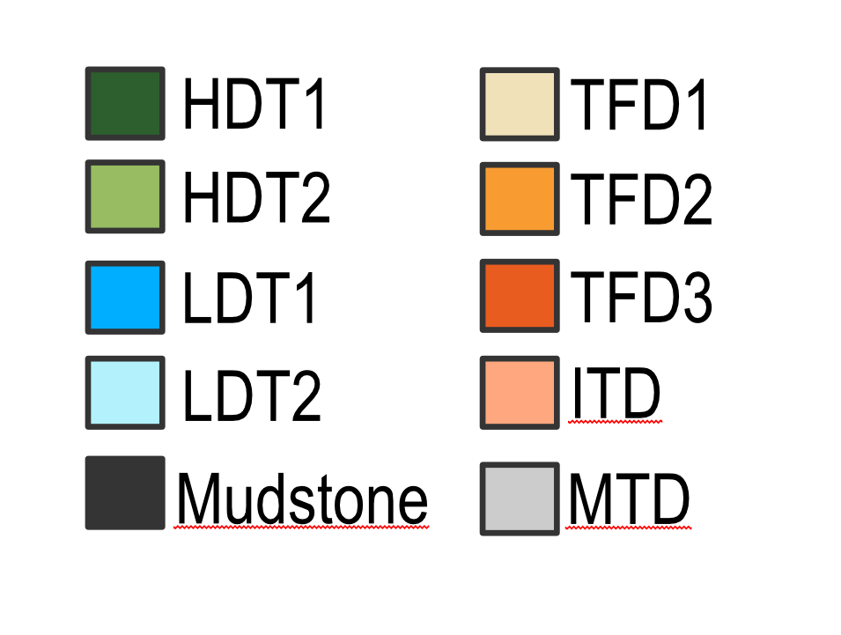
PBON1 | lower | proximal |  | 23.027065 | 30.476373586 | 41.576055609 | 4.9025364194 | 32.513791318 | 10.823781705 |  | 115.66590254 | 28.014493825 | 287
PBON2 | lower | proximal | 5.8994326973 | 34.952552862 | 6.2166064982 | 11.333677153 | 6.3011861784 | 25.564208355 | 7.3795771016 |  | 66.352759154 |  | 164
PBON4 | lower | proximal | 164.48795741 | 107.66407326 | 25.950563973 | 31.191601832 | 25.016937795 | 10.33354428 | 6.3019766966 |  | 174.03640695 | 25.016937795 | 570
PBON3 | upper | proximal |  | 9.0724611973 | 16.152372506 | 1.4838137472 | 44.620399113 | 13.566297118 | 25.712372506 |  | 128.39228381 |  | 239
PBBL1 | upper | proximal | 4.9957482993 |  |  |  |  | 9.9808673469 | 3.1037414966 | 30.87797619 | 18.590561224 | 7.4511054422 | 75
PBBL2 | upper | proximal | 6.3058240981 | 31.905918415 |  |  | 9.4421127093 | 2.6708323509 | 35.629568498 | 96.515680264 | 40.39495402 | 12.135109644 | 235
PBO2a | upper | proximal | 13.404029692 | 29.904559915 | 81.272534464 | 3.7751855779 | 60.445387063 | 36.988335101 | 24.984093319 |  | 229.22587487 |  | 480
PBO2b | upper | proximal |  | 21.199472759 | 17.828756591 | 5.9570518453 | 18.549538664 | 6.5294376098 | 16.74758348 |  | 75.470123023 | 30.718036028 | 193
PBO2c | upper | distal | 9.8418029165 |  | 16.523199293 | 1.1029606717 | 23.883340698 | 13.087052585 | 30.882898807 | 5.8117543084 | 114.83517455 | 24.031816173 | 240
PBO2d | upper | distal |  |  |  |  | 23.889674682 | 7.3833097595 | 24.504950495 |  | 184.22206506 |  | 240
PB2a | upper | proximal |  | 16.268414337 | 16.344971581 | 3.6938870201 | 32.900475583 | 9.9524417121 | 9.0528940958 |  | 76.786915671 |  | 165
 | HDT1 | HDT2 | LDT1 | LDT2 | TFD1 | TFD2 | TFD3 | ITD | Mudstone | MTD
Proximal upper overbank | 1.27% | 9.00% | 7.70% | 0.76% | 12.54% | 7.32% | 8.16% | 6.53% | 44.14% | 2.58%
Distal upper overbank | 1.39% |  | 2.34% |  | 8.99% | 5.39% | 12.00% | 0.82% | 65.50% | 3.40%
Proximal lower overbank | 17.73% | 13.68% | 7.91% | 7.54% | 2.41% | 5.32% | 2.54% |  | 39.19% | 3.53%
Distal lower overbank | 9.79% | 17.64% | 9.37% | 10.74% | 1.93% | 3.56% | 1.71% | 1.17% | 33.16% | 10.95%
PB2b | upper | proximal |  | 16.856900931 | 12.212652716 |  | 17.927180356 | 12.384661909 | 15.347042458 |  | 83.271561631 |  | 158
PB2c | upper | proximal |  | 11.72218521 | 6.435709527 |  | 14.269653564 | 9.6535642905 | 6.6847101932 |  | 66.234177215 |  | 115
PB2d | upper | proximal |  | 23.215983666 |  |  | 19.500656264 | 18.249380195 | 10.857226192 |  | 60.176753682 |  | 132
PB4a | upper | proximal |  | 9.5849293564 |  |  | 17.638932496 | 14.943171115 | 5.8740973312 |  | 57.958869702 |  | 106
PB4b | upper | proximal |  | 5.9555143652 |  |  | 9.4921223355 | 8.0574606117 | 5.2882298424 |  | 25.206672845 |  | 54
PBMS2u | upper | distal |  |  |  |  | 15.697390651 | 17.606532758 | 29.358363056 |  | 163.33771353 |  | 226

Upper Overbank |  |  | 34.547405006 | 175.68634015 | 166.77019668 | 16.012898862 | 308.25686418 | 181.05334446 | 244.02777177 | 133.20541076 | 1324.1037008 | 74.336067287 | 2658
Lower Overbank |  |  | 379.99791446 | 410.55853807 | 227.68826401 | 238.15982365 | 58.629510769 | 121.28751772 | 58.117892323 | 15.832716459 | 974.27815766 | 180.44966487 | 2665
% |  |  | 1.30% | 6.61% | 6.27% | 0.60% | 11.60% | 6.81% | 9.18% | 5.01% | 49.82% | 2.80% | 100
% |  |  | 14.26% | 15.41% | 8.54% | 8.94% | 2.20% | 4.55% | 2.18% | 0.59% | 36.56% | 6.77% | 1

Proximal upper overbank | proximal |  | 24.70560209 | 175.68634015 | 150.24699738 | 14.909938191 | 244.78645815 | 142.97644936 | 159.28155941 | 127.39365645 | 861.70874769 | 50.304251114 | 1952
Distal upper overbank | distal |  | 9.8418029165 | 0 | 16.523199293 | 1.1029606717 | 63.470406031 | 38.076895102 | 84.746212358 | 5.8117543084 | 462.39495315 | 24.031816173 | 706
Proximal lower overbank | proximal |  | 266.09877043 | 205.28645352 | 118.6697179 | 113.17552329 | 36.220660393 | 79.871443149 | 38.172326396 | 2.1646476258 | 588.30902567 | 53.031431621 | 1501
Distal lower overbank | distal |  | 113.89914404 | 205.27208455 | 109.01854611 | 124.98430036 | 22.408850376 | 41.416074572 | 19.945565927 | 13.668068834 | 385.96913199 | 127.41823325 | 1164
% |  |  | 1.27% | 9.00% | 7.70% | 0.76% | 12.54% | 7.32% | 8.16% | 6.53% | 44.14% | 2.58% | 100.00%
% |  |  | 1.39% |  | 2.34% |  | 8.99% | 5.39% | 12.00% | 0.82% | 65.50% | 3.40% | 100.00%
% |  |  | 17.73% | 13.68% | 7.91% | 7.54% | 2.41% | 5.32% | 2.54% |  | 39.19% | 3.53% | 100.00%
% |  |  | 9.79% | 17.64% | 9.37% | 10.74% | 1.93% | 3.56% | 1.71% | 1.17% | 33.16% | 10.95% | 100.00%

Stage 1 |  |  | 0.84514435696 | 2.198742599 | 1.3681254959 | 1.5296343771 | 0.399072209 | 0.4994811695 | 0.51101751816 | 0.13715436733 | 5.1050479155 | 1.4065799915 | 14
Stage 2 |  |  | 1.5625343344 |  | 1.2707074406 | 0.16791796374 | 1.7684795215 | 0.75413538424 | 1.4249526949 | 0.069645364097 | 6.4650552402 | 0.5165720564 | 14
%
%

Bed Type Proportions

 |  |  |  |  |  |  |  |  |  |  |  |  |  |  |  |  | 50m

 |  |  |  |  |  |  |  |  |  |  |  |  |  | 2A
 |  |  |  |  |  |  |  |  |  |  |  |  |  | PBON3
 |  |  |  |  |  |  |  |  |  |  |  |  | 50m | 2B
 |  |  |  |  |  |  |  |  |  |  |  |  |  | 2C
 |  |  |  |  |  |  |  |  |  |  |  |  |  | 2D | 4A | 4B | PBO2b | PBO2c | PBO2d
HDT1 | 1.5625343344
HDT2
LDT1 | 1.2707074406
LDT2 | 0.16791796374
TFD1 | 1.7684795215
TFD2 | 0.75413538424
TFD3 | 1.4249526949
ITD | 0.069645364097
Mudstone | 6.4650552402
MTD | 0.5165720564

Hansen et al. 2017 comparisons
Name | depositional_environment | StDev_Sand_Bed | N_G_sand_thickness_log_thickness
Log 38 | Depositional terrace | 10.26 | 50.67
Log 42 | Depositional terrace | 12.66 | 31.5
Log 43 | Depositional terrace | 5.88 | 38.19
Log 44 | Depositional terrace | 11.77 | 38.25
Log 45 | Depositional terrace | 30.96 | 82.42
Log 46 | Depositional terrace | 3.25 | 36.67
MBL32 | Depositional terrace | 14.26 | 50
MBL38 | Depositional terrace | 9.22 | 39.14
MBL39 | Depositional terrace | 14.08 | 57.43
MBL37 | Depositional terrace | 14.26 | 64.8
MBL35 | Depositional terrace | 4.98 | 45.82
MBL36 | Depositional terrace | 3.94 | 46.81
MBL30 | Depositional terrace | 2.17 | 43.63
MBL4 | Depositional terrace | 4.87 | 50.7
MBL5 | Depositional terrace | 5.47 | 40.08
MBL6 | Depositional terrace | 12.1 | 38.92
MBL2 | Depositional terrace | 15.77 | 27.54
MBL14 | Depositional terrace | 5.36 | 57.86
MBL10 | Depositional terrace | 8.9 | 60.58
MBL12 | Depositional terrace | 8.58 | 46.53
MBL7 | Depositional terrace | 9.57 | 53.84
MBL7A | Depositional terrace | 2.37 | 34.83
MBL3 | Depositional terrace | 8.76 | 48.23
Log 3 | External levee | 4.81 | 27.23
Log 4 | External levee | 2.35 | 41.01
Log 30 | External levee | 1.57 | 12.17
Log 35 | External levee | 2.51 | 22.16
Log 36 | External levee | 1 | 25.54
Log 37 | External levee | 0.55 | 15.42
Log 55 | External levee | 7.29 | 43.87
Log 56 | External levee | 5.7 | 43.77
MBL33 | External levee | 5.11 | 40.87
MBL34 | External levee | 2.15 | 45.52
MBL8 | External levee | 2.6 | 38.89
MBL29 | External levee | 0.43 | 4.78
MBL28 | External levee | 1.66 | 23.82
MBL27 | External levee | 0.73 | 16.83
MBL25 | External levee | 1.148352494 | 20.27972028
MBL24 | External levee | 0.680073525 | 11.62790698
MBL23 | External levee | 3.264130122 | 52.63157895
MBL22 | External levee | 2.063335392 | 24.68085106
MBL21 | External levee | 3.059832201 | 56.76855895
MBL20 | External levee | 4.156632941 | 43.22429907
MBL19 | External levee | 0.814638793 | 7.738095238
MBL18 | External levee | 3.568020352 | 38.88888889
MBL17 | External levee | 1.459600898 | 15.37037037
MBL16 | External levee | 5.851146857 | 68.75
MBL15 | External levee | 4.154088542 | 59.41320293
MBL13 | External levee | 5.174491503 | 62.78317152
MBL11 | External levee | 5.374337485 | 48.1264637
Log A | External levee | 5.22 | 31.03
Log B | External levee | 4.3 | 48.09
Log C | External levee | 6.79 | 41.62
Log D | External levee | 3.91 | 28.53
Log E | External levee | 4.15 | 38.27
Log F | External levee | 2.63 | 23.98
Log G | External levee | 1.31 | 12.61
Log H | External levee | 1.63 | 9.22
Log I | External levee | 1.1 | 7.26
Log J | External levee | 1.2 | 13.53
Log 50 | Internal levee | 2.93 | 16.45
Log 54 | Internal levee | 3.86 | 12.87
Log 53 | Internal levee | 6.1 | 18.07
Log 52 | Internal levee | 3.39 | 14.15
MBL26 | Internal levee | 1.8 | 22.91
emo4 | l | 10.41270332 | 48.278518143
emo5 | l | 4.6420930763 | 39.113492324
PB_OOA_1 | l | 8.7 | 44.700692907
PBMS1 | l | 9.1932654173 | 41.2
PBMS2 | l | 8.4767082463 | 43.2
PBMS3 | l | 9.753310147 | 56.0
PBON1 | l | 2.8395307934 | 45.099453992
PBON2 | l | 3.1909703331 | 50.976046523
PBON4 | l | 17.714301701 | 51.808088392
2A | u | 1.6919750659 | 48.162071633
2B | u | 2.6837695593 | 38.790112004
2C | u | 1.441473605 | 38.976904804
2D | u | 2.4176268914 | 43.585434174
4A | u | 1.456559874 | 41.9303249
4B | u | 1.6888167758 | 38.967310885
PBBL1 | u | 6.5213325155 | 45.432949243
PBBL2 | u | 26.745716168 | 60.295543724
PBO2a | u | 4.3489965724 | 43.242487346
PBO2b | u | 2.1756836376 | 41.26497711
PBO2c | u | 2.9841930506 | 34.89368228
PBO2d | u | 1.586488976 | 21.687360544
PBO2e | u | 1.276463 | 18.87746465
PBON3 | u | 1.644701754 | 41.065783447

