Tabelle1
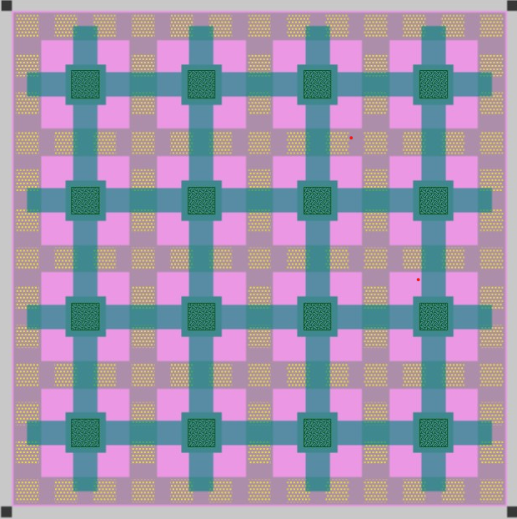
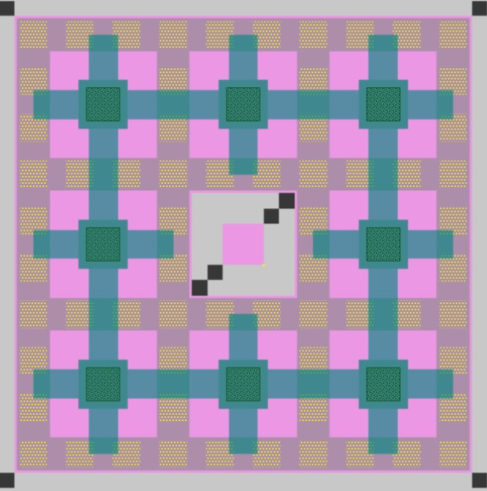
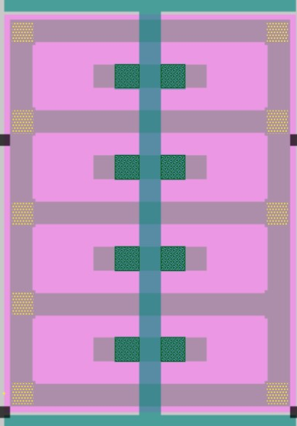
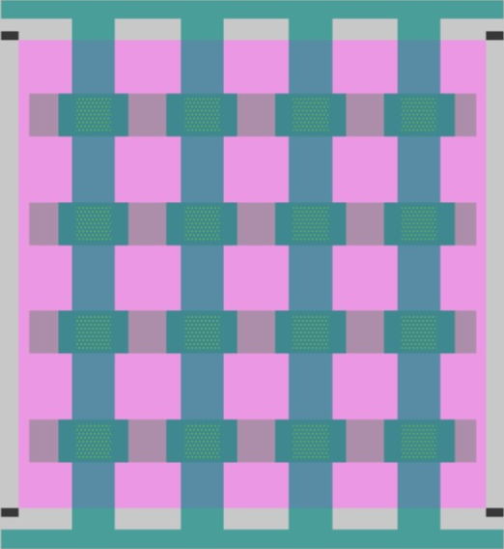
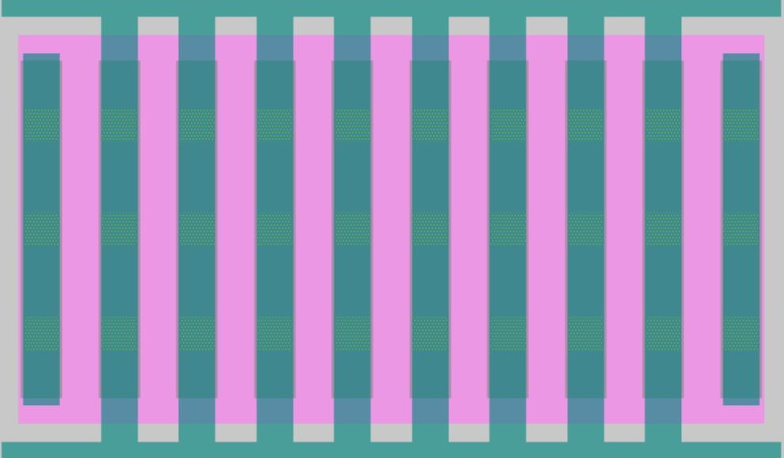
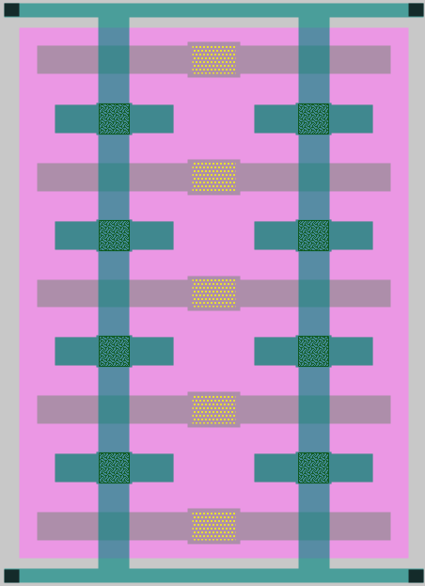
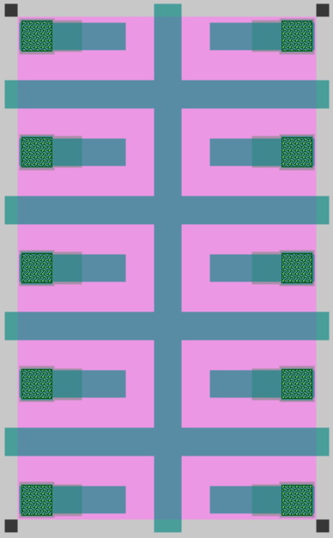
Topology | Waffle A (16) | Waffle (8) A | Finger (8) A | Finger (8) B | Finger (16) C | Finger (8) D | Finger (8) E | Finger (8) F
Area A per cell | 41um² | 25um² | 23um² | 22um² | 17um² | 24um² | 28um² | 19um²
Total C per cell | 9.18fF | 4.77fF | 3.66fF | 3.12fF | 0.74fF | 1.07fF | 5.55fF | 4.97fF
In layer | M3-M3 | M3-M3 | M3-M3 | M3-M3 | M3-M4 | M3-M4 | M3-M3 | M4-M4

Gesamt-Cap
16: C TOP-BOT | 54.98fF |  |  |  | 4.42fF
8: C TOP-BOT | 59.74fF | 28.51fF | 3.66fF | 18.69fF | 4.83fF | 6.43fF | 33.34fF | 29.82fF
4: C TOP-BOT | 57.53fF | 30.99fF |  | 20.23fF | 4.72fF | 7.12fF | 36.16fF | 32.51fF
2: C TOP-BOT | 56.42fF | 29.86fF |  | 19.51fF | 4.68fF | 6.91fF | 34.91fF | 31.19fF
1: C TOP-BOT | 55.85fF | 29.29fF | 0.70fF | 19.13fF | 4.66fF | 6.78fF | 34.30fF | 30.59fF

Unit-Cap Mittelwert
16:C/unit-cap | 573.00aF | xxx |  |  | 46.00aF
8: C/unit-cap | 574.00aF | 594.00aF | 457.00aF | 389.00aF | 46.40aF | 133.96aF | 694.58aF | 621.25aF
4: C/unit-cap | 575.00aF | 596.00aF |  | 389.00aF | 47.20aF | 136.92aF | 695.38aF | 625.19aF
2: C/unit-cap | 576.00aF | 597.00aF |  | 390.00aF | 47.80aF | 138.20aF | 698.20aF | 623.80aF
1: C/unit-cap | 576.00aF | 598.00aF | 700.00aF | 390.00aF | 48.00aF | 138.37aF | 700.00aF | 624.29aF

Bin-Cap Berechnung
16cell unitcap | 572.71aF |  |  |  | 46.04aF
8cell unitcap | 595.00aF | 593.96aF |  | 389.38aF | 51.25aF | 133.96aF | 694.58aF | 621.25aF
4cell unitcap | 637.50aF | 620.00aF |  | 385.00aF | 75.00aF | 172.50aF | 705.00aF | 672.50aF
2cell unitcap | 720.00aF | 675.00aF |  | 410.00aF | 130.00aF | 240.00aF | 785.00aF | 685.00aF
1cell unitcap | 870.00aF | 780.00aF |  | 440.00aF | 240.00aF | 350.00aF | 960.00aF | 770.00aF

comment |  |  | high var | high parasitics | low cap high var | low cap high var | higher area/cap

