Sheet1
Bug Report
Project Credentials |  |  |  |  | Bug Summary
Project URL: |  | http://qa-test.orangetoolz.net/ |  |  | Total Number of Bug Logs | 9
Bug Priority summary
Tester's Name: |  | Md.Ziaur Rahman |  |  | High | 1
Tester's Email: |  | ziaur.cuet.cse@gmail.com |  |  | Medium | 3
Figma Design: |  | URL Link |  |  | Low | 5
Assigned To: |  | OrangeToolz
Submitted Date: |  | 30/07/2022

Bug ID | Bug Title | Priority | Environment | Description | Steps to Reproduce | Expected Result | Actual Result | Issue Attachment
Bug_00001 | Duplicate forms for Payment Calculator | Medium | Android 12 & Windows | There is two forms for the Payment Calculator | 1. Go to the Website. 2. Click on "Contact Us" 3. Sign Up with the valid credentials. 4. Go to "Orthodontics -> Payment Calculator" from the navbar. | Only one form should be present | Existence of two similar forms | 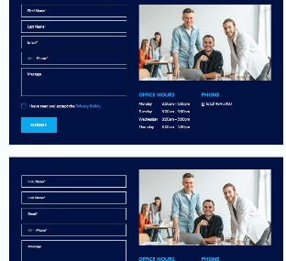
Bug_00002 | Smaller font size of the navbar menu | Low | PC (Windows 10) | The font size of the navbar menu is smaller than expected | 1. Go to the Website. 2. Click on "Contact Us" 3. Sign Up with the valid credentials. 4. Verify the font size of the menu | The font size of the menu should be 18px. | The font size of the menu is 12px.
Bug_00003 | Appointment fixing form is missing | High | PC (Windows 10) & Android 12 | There is no form to fix the appointment | 1. Go to the Website. 2. Click on "Contact Us" 3. Sign Up with the valid credentials. 4. Go to Complimentary Consult from the navbar. | There should be a form to fix a date for the appointment | Date fixing form is absent
Bug_00004 | Doctor's name font size is bigger | Low | PC (Windows 10) | Font size of the doctor's name is bigger than expected | 1. Go to the Website. 2. Click on "Contact Us" 3. Sign Up with the valid credentials. 4. Click on logo of the website. | The font size of the menu should be 42px. | The font size of the menu is 56px. | 
Bug_00005 | "Address" instead of Place name | Low | PC (Windows 10) & Android 12 | Address is showing in place of the place name | 1. Go to the Website. 2. Click on "Contact Us" 3. Sign Up with the valid credentials. 4. Scroll down to the footer. 5. Click on one of the Location name. 6. Go to the "Our Location" content on that page. | In the right side bar on "Our Location" content, there should be the location name which user clicked on earlier. | "Address" is showing instead of the location name.
Bug_00006 | Office Hours is incorrect | Medium | PC (Windows 10) & Android 12 | Office Hours is not correct | 1. Go to the Website. 2. Click on "Contact Us" 3. Sign Up with the valid credentials. 4. Scroll down to the footer. 5. Click on one of the Location name. 6. Go to the "Our Location" content on that page. | The office hour should be 8:00am - 5:00pm | The office hour is showing 8:30am - 5:00pm | 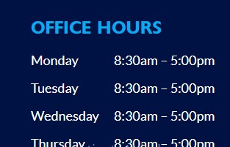
Bug_00007 | Menu item is bold(active) | Low | PC (Windows 10) & Android 12 | When we click on any of the menus, it stays bold | 1. Go to the Website. 2. Click on "Contact Us" 3. Sign Up with the valid credentials. 4. Click on any of the menus from the navbar. | The clicked menu should be in normal font color and font size | The menu item is bold.
Bug_00008 | Duplicate forms in Contact Us | Medium | PC (Windows 10) & Android 12 | There is two forms for the Signup in Contact Us menu. | 1. Go to the Website. 2. Click on "Contact Us". | Only one form should be present | Existence of two similar forms | 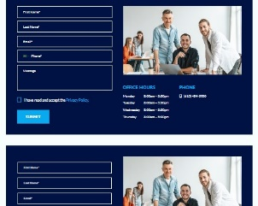
Bug_00009 | Large font size in the label of "How We Help" content | Low | PC (Windows 10) & Android 12 | Large font size in the label of "How We Help" content | 1. Go to the Website. 2. Click on "Contact Us" 3. Sign Up with the valid credentials. 4. Click on the Website logo. 5. Scroll down to "How We Help" content. | The font size of the title should be 42px. | The font size is 56px. | 