scr_hubs
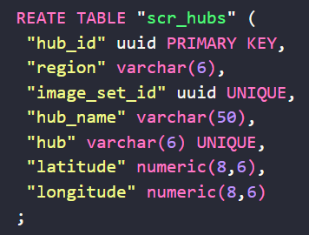
hub_id | region | image_set_id | hub_name | hub | Latitude | Longitude
0190c372-ffe0-797f-a6f5-a8e8854c64b7 | caribe | 0190c3f6-1eda-7429-9655-ef86e7b4385d | Ciudad Limon | climon | 9.99077 | -83.03105
0190c373-0019-710d-98c8-3de7a9ccd6aa | caribe | 0190c3f6-1edc-78f1-9443-8989ee63f136 | Puerto Viejo | ptovjo | 9.65612 | -82.75216
0190c373-0019-710d-98c8-3de8a68810d6 | guanac | 0190c3f6-1edc-78f1-9443-89884a9d8ad8 | Tamarindo | tmrndo | 10.30082 | -85.84005
0190c373-0019-710d-98c8-3dea86e85f3a | guanac | 0190c3f6-1edc-78f1-9443-898a0eb37bcc | Santa Cruz | stacrz | 10.26304 | -85.58588
0190c373-0019-710d-98c8-3de94ce04342 | guanac | 0190c3f6-1edd-7a06-935f-8db8a6dcf8c6 | Nicoya | nicoya | 10.14858 | -85.45381
0190c373-0019-710d-98c8-3debd3804cb5 | guanac | 0190c3f6-1edd-7a06-935f-8db9167d3b5e | Liberia | lberia | 10.62967 | -85.43820
0190c373-0019-710d-98c8-3deca3d0218a | zonsur | 0190c3f6-1edd-7a06-935f-8dbae2fa27a4 | Perez Zeledon | perzel | 9.37390 | -83.70303
0190c373-0019-710d-98c8-3ded5d0d98da | pactrl | 0190c3f6-1edd-7a06-935f-8dbbea7b9cab | Dominical | domcal | 9.25555 | -83.86293
0190c373-0019-710d-98c8-3deea928e704 | pactrl | 0190c3f6-1edd-7a06-935f-8dbc40aa61be | Jaco / Herradura | jacher | 9.61820 | -84.63153

scr_regions
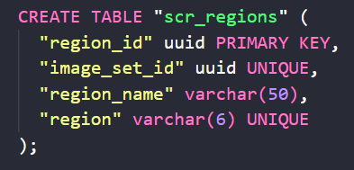
region_id | image_set_id | region_name | region
0190c374-d611-716f-8f87-29523d088d26 | 0190c390-2168-7d7a-afb2-7190a890cd5e | Caribe | caribe
0190c374-d614-7633-8070-e0516d1afd9d | 0190c390-216b-7e4d-9eb1-d5fbb1acb72b | Guanacaste | guanac
0190c374-d614-7633-8070-e0521cc6a1f8 | 0190c390-216b-7e4d-9eb1-d5fdb8da1b52 | Zona Sur | zonsur
0190c374-d614-7633-8070-e05326dc2a82 | 0190c390-216b-7e4d-9eb1-d5fc2bfaae69 | Pacifico Central | pactrl

