Receipt
Receipt
Category | Payment Date | Payment Amount | Overpayment | Payment Given By Boss | Reference Number | Notes | Attachment Link
Electricity | 2025-12-24 | 290.65 | N/A | 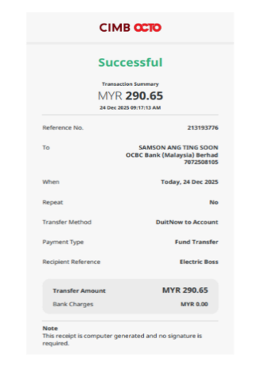 | 0R10187605 | It has already been paid on 24/12/2025 at 10:21 AM. | Receipt_Electricity_24122025
 | 2026-01-12 | 199.45 | N/A | 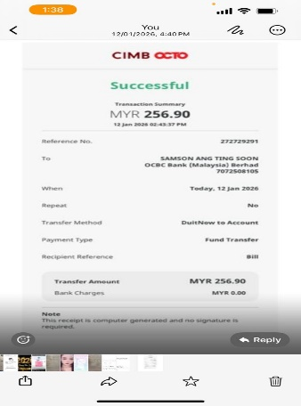 | 0R10188383 | It has already been paid on 12/01/2026 at 4:25 PM. | Receipt_Electricity_12012026
 | 2026-02-06 | 277.2 | N/A | 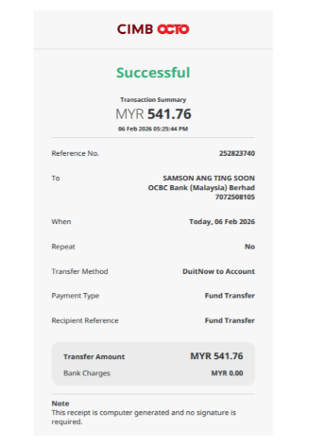 | OR10189918 | It has already been paid on 6/02/2026 at 5:43 PM. | Receipt_Electricity_06022026
 | 2026-03-19 | 389.65 | N/A | 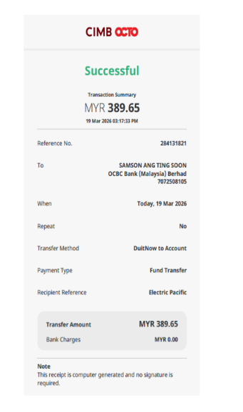 | OR10191788 | It has already been paid on 19/03/2026 at 3:23 PM. | Receipt_Electricity_19032026
 | 2026-04-29 | 495.05 | N/A | 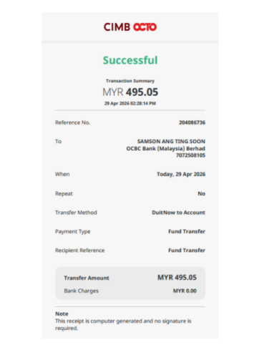 | OR10194214 | It has already been paid on 29/04/2026 at 2:30 PM. | Receipt_Electricity_29042026
 |  | 526.5 | N/A

Water | 2025-12-04 | 80.43 | N/A | 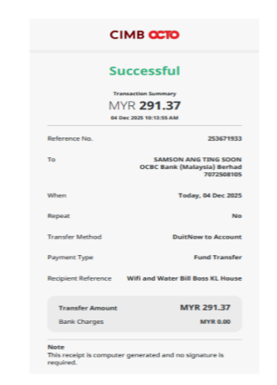 | PPAD-APT-OR-10187482 | It has already been paid on 4/12/2025 at 10:50 AM. | Receipt_Water_04122025
 | 2026-01-12 | 57.45 | N/A | 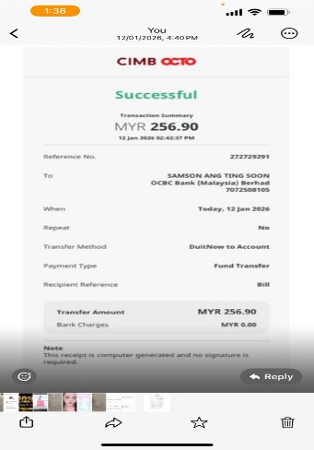 | PPAD-APT-OR-10189871 | It has already been paid on 12/01/2026 at 4:22 PM. | Receipt_Water_12012026
 | 2026-02-06 | 53.62 | N/A |  | PPAD-APT-OR-10191210 | It has already been paid on 6/02/2026 at 5:43 PM. | Receipt_Water_06022026
 | 2026-03-06 | 80.43 | N/A | 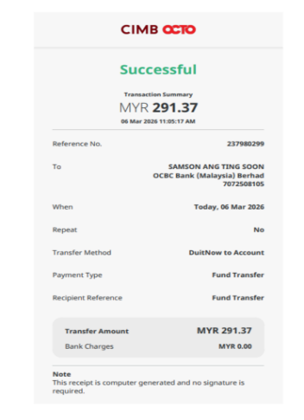 | PPAD-APT-OR-10192171 | It has already been paid on 6/02/2026 at 12:22 PM. | Receipt_Water_06032026
 | 2026-04-11 | 88.09 | N/A | 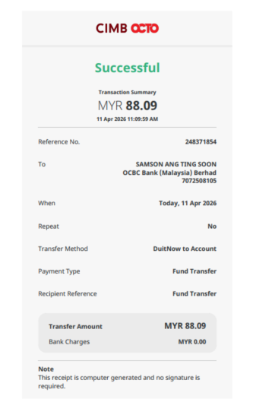 | PPAD-APT-OR-10193984 | It has already been paid on 11/04/2026 at 12:13 PM. | Receipt_Water_11042026
 | 2026-05-12 | 84.26 | N/A | 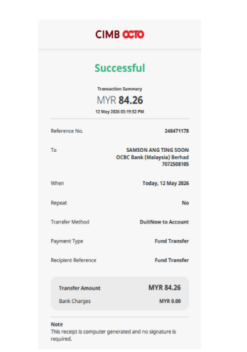 |  | It has already been paid on 12/05/2026 at 3:58 PM.

WIFI (TIME) | 2025-12-04 | 210.94 | N/A |  | QP723251204104517695 | It has already been paid on 4/12/2025 at 10:47 AM. | Receipt_WIFI_04122025
 | 2025-12-29 | 210.94 | N/A | 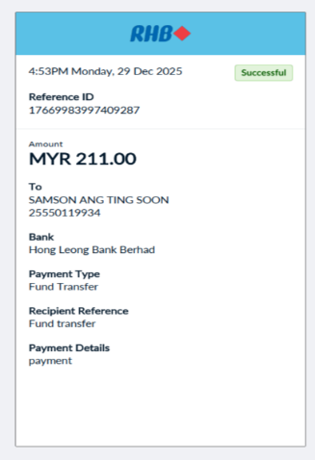 | QP723251229165606459 | It has already been paid on 29/12/2025 at 4:56 PM. | Receipt_WIFI_29122025
 | 2026-02-06 | 210.94 | N/A |  | Refer to Darren WIFI Time Account | It has already been paid on 6/02/2026 at 5:40 PM. | Refer to Darren WIFI Time Account
 | 2025-03-06 | 210.94 | N/A |  | Refer to Darren WIFI Time Account | It has already been paid on 6/02/2026 at 12:20 PM. | Refer to Darren WIFI Time Account
 | 2026-04-01 | 210.94 | N/A | 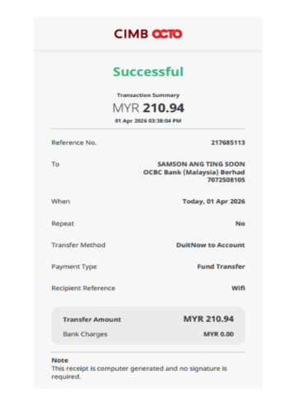 | QP72326040102000002162 | It has already been paid on 1/04/2026 at 3:42 PM. | Receipt_WIFI_01042026
 | 2026-05-04 | 210.94 | N/A | N/A | 500120887 | Darren direct pay on 4/5/2026 at 09:14 AM. | Receipt_WIFI_04052026

Service Charge + Sinking Fund

