Country Ratings, Statuses
Survey Edition | Jan.-Feb. 1973 |  |  | Jan.-Feb. 1974 |  |  | Jan.-Feb. 1975 |  |  | Jan.-Feb. 1976 |  |  | Jan.-Feb. 1977 |  |  | 1978
Year(s) Under Review | 1972 |  |  | 1973 |  |  | 1974 |  |  | 1975 |  |  | 1976 |  |  | 1977
 | PR | CL | Status | PR | CL | Status | PR | CL | Status | PR | CL | Status | PR | CL | Status | PR
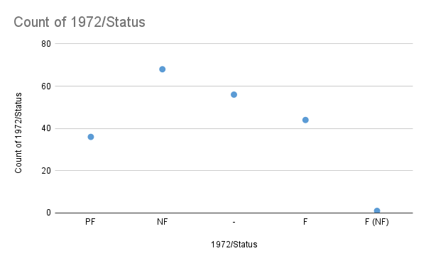
Afghanistan | 4 | 5 | PF | 7 | 6 | NF | 7 | 6 | NF | 7 | 6 | NF | 7 | 6 | NF | 6
Albania | 7 | 7 | NF | 7 | 7 | NF | 7 | 7 | NF | 7 | 7 | NF | 7 | 7 | NF | 7
Algeria | 6 | 6 | NF | 6 | 6 | NF | 6 | 6 | NF | 7 | 6 | NF | 6 | 6 | NF | 6
Andorra | 4 | 3 | PF | 4 | 4 | PF | 4 | 4 | PF | 4 | 4 | PF | 4 | 4 | PF | -
Angola | - | - | - | - | - | - | - | - | - | 6 | 6 | NF | 6 | 6 | NF | 7
Antigua and Barbuda | - | - | - | - | - | - | - | - | - | - | - | - | - | - | - | -
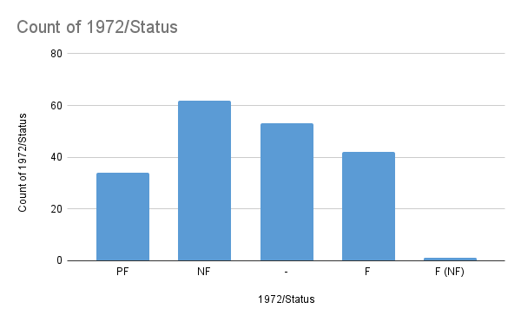
Argentina | 6 | 3 | PF | 2 | 2 | F | 2 | 4 | PF | 2 | 4 | PF | 6 | 5 | NF | 6
Armenia | - | - | - | - | - | - | - | - | - | - | - | - | - | - | - | -
Australia | 1 | 1 | F | 1 | 1 | F | 1 | 1 | F | 1 | 1 | F | 1 | 1 | F | 1
Austria | 1 | 1 | F | 1 | 1 | F | 1 | 1 | F | 1 | 1 | F | 1 | 1 | F | 1
Azerbaijan | - | - | - | - | - | - | - | - | - | - | - | - | - | - | - | -
Bahamas | - | - | - | 1 | 2 | F | 1 | 2 | F | 1 | 2 | F | 1 | 2 | F | 1
Bahrain | 6 | 5 | NF | 6 | 5 | NF | 4 | 4 | PF | 6 | 4 | PF | 6 | 4 | PF | 6
Bangladesh | 2 | 4 | PF | 4 | 4 | PF | 4 | 4 | PF | 7 | 5 | NF | 7 | 4 | PF | 6
Barbados | 1 | 1 | F | 1 | 1 | F | 1 | 1 | F | 1 | 1 | F | 1 | 1 | F | 1
Belarus | - | - | - | - | - | - | - | - | - | - | - | - | - | - | - | -
Belgium | 1 | 1 | F | 1 | 1 | F | 1 | 1 | F | 1 | 1 | F | 1 | 1 | F | 1
Belize | - | - | - | - | - | - | - | - | - | - | - | - | - | - | - | -
Benin | 7 | 5 | NF | 7 | 5 | NF | 7 | 6 | NF | 7 | 7 | NF | 7 | 7 | NF | 7
Bhutan | 4 | 4 | PF | 4 | 4 | PF | 4 | 4 | PF | 4 | 4 | PF | 4 | 4 | PF | 4
Bolivia | 5 | 4 | PF | 5 | 4 | PF | 6 | 5 | NF | 6 | 5 | NF | 6 | 4 | PF | 6
Bosnia and Herzegovina | - | - | - | - | - | - | - | - | - | - | - | - | - | - | - | -
Botswana | 3 | 4 | PF | 2 | 3 | F | 2 | 3 | F | 2 | 3 | F | 2 | 3 | F | 2
Brazil | 5 | 5 | PF | 5 | 5 | PF | 4 | 4 | PF | 4 | 5 | PF | 4 | 5 | PF | 4
Brunei | 6 | 5 | NF | 6 | 5 | NF | 6 | 5 | NF | 6 | 5 | NF | 6 | 5 | NF | -
Bulgaria | 7 | 7 | NF | 7 | 7 | NF | 7 | 7 | NF | 7 | 7 | NF | 7 | 7 | NF | 7
Burkina Faso | 3 | 4 | PF | 3 | 4 | PF | 6 | 4 | PF | 6 | 4 | PF | 5 | 5 | PF | 5
Burundi | 7 | 7 | NF | 7 | 7 | NF | 7 | 7 | NF | 7 | 6 | NF | 7 | 6 | NF | 7
Cabo Verde | - | - | - | - | - | - | - | - | - | 5 | 5 | PF | 6 | 6 | NF | 6
Cambodia | 6 | 5 | NF | 6 | 5 | NF | 6 | 6 | NF | 7 | 7 | NF | 7 | 7 | NF | 7
Cameroon | 6 | 4 | PF | 6 | 4 | PF | 6 | 4 | PF | 6 | 4 | PF | 7 | 5 | NF | 6
Canada | 1 | 1 | F | 1 | 1 | F | 1 | 1 | F | 1 | 1 | F | 1 | 1 | F | 1
Central African Republic | 7 | 7 | NF | 7 | 7 | NF | 7 | 7 | NF | 7 | 7 | NF | 7 | 7 | NF | 7
Chad | 6 | 7 | NF | 6 | 7 | NF | 6 | 7 | NF | 7 | 6 | NF | 7 | 6 | NF | 7
Chile | 1 | 2 | F | 7 | 5 | NF | 7 | 5 | NF | 7 | 5 | NF | 7 | 5 | NF | 7
...
Plitical Rights Ratings by Country (2024)
...

